Sheet1
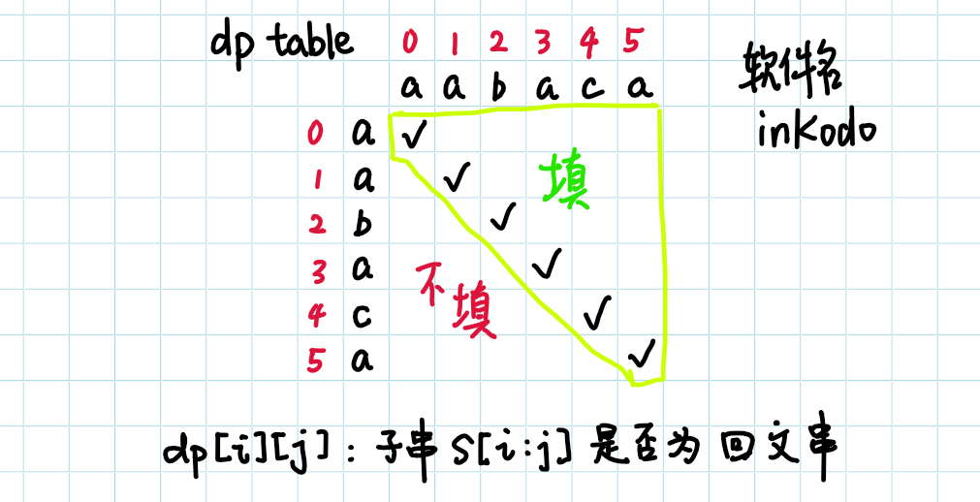
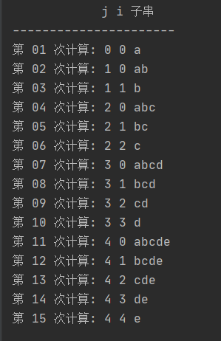
示例字符串: abcde / aabaca
j i |  | 0 | 1 | 2 | 3 | 4
 |  | a | b | c | d | e
0 | a
1 | b
2 | c
3 | d
4 | e

