Index
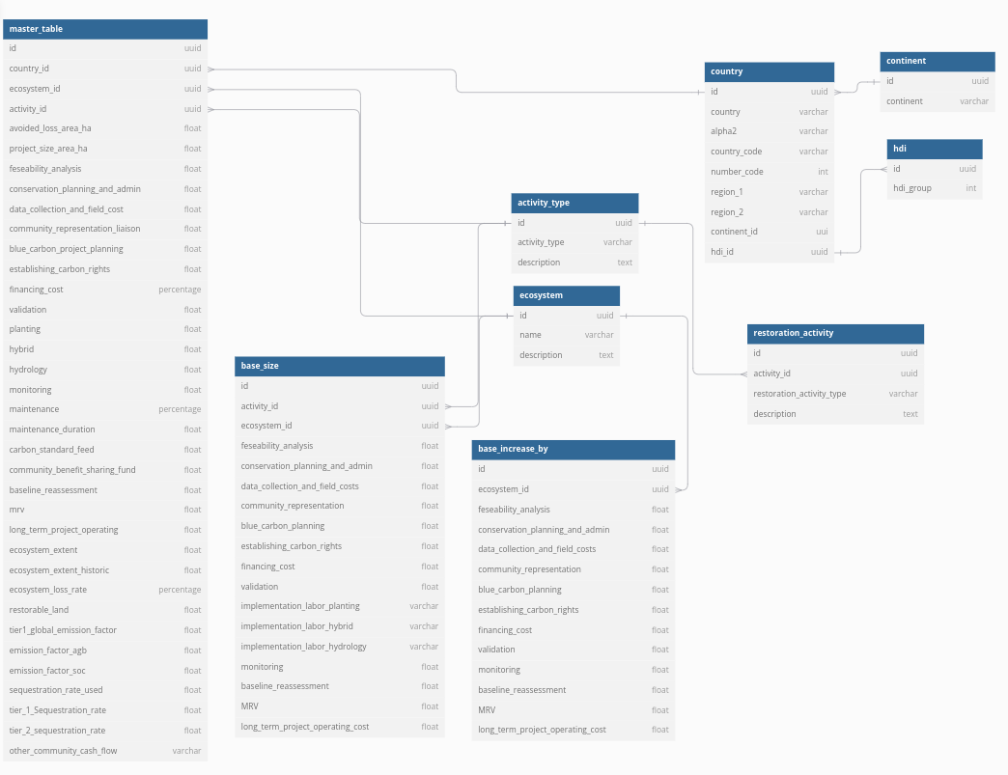
 |  |  | / PRELIMINARY

 | Blue Carbon cost model
 | Last changed on: 27-Feb-2023

 | This Blue Carbon Cost Model is intended to estimate the costs involved in a blue carbon project based on a set of parameters including location, ecosystem, conservation activity, etc. Data points in this model are preliminary, and have been gathered from blue carbon practitioners, expert interviews, peer-reviewed studies, and other secondary research. Additional and updated data points are encouraged to improve the accuracy and expand the scope of the estimations made by the model.

 | Sheet Name | Description | Type
La2h2HYN | Data pull | Centralized data sheet for all relevant data points to be pulled into calculation | Calculation
 | Data ingestion>>
 | master_table
 | base_size_table
 | base_increase
JL6hYSR7 | Cost inputs>> | Input tabs for all cost components | Input: Assumptions
rKkWKqI8 | Project size |  | Input: Assumptions
0LNbxkbr | Feasibility analysis |  | Input: Assumptions
glpjc7fJ | Conservation planning and admin |  | Input: Assumptions
O8wazBQ0 | Data collection and field costs |  | Input: Assumptions
adaScLws | Community representation |  | Input: Assumptions
cCAE+XV/ | Blue carbon project planning |  | Input: Assumptions
wcgBAkE5 | Establishing carbon rights |  | Input: Assumptions
OJ/QGbne | Financing cost |  | Input: Assumptions
71TjFp0U | Validation |  | Input: Assumptions
/ohFAMUB | Implementation labor |  | Input: Assumptions
SEBXQbin | Monitoring |  | Input: Assumptions
WkJxARsl | Maintenance |  | Input: Assumptions
￿￿ | Community benefit sharing fund |  | Input: Assumptions
iFO9/Dsh | Baseline reassessment |  | Input: Assumptions
EygwrH5m | MRV |  | Input: Assumptions
eqaenDWI | Long-term project operating |  | Input: Assumptions
d7Qz1tYN | Other project running costs |  | Input: Assumptions
5NzeCC88 | Community cash flow |  | Input: Assumptions
KhMlr6Ho | Carbon inputs>> | Input tabs for all carbon components | Input: Assumptions
mORipFw+ | Ecosystem extent |  | Input: Assumptions
Oz2+0H4e | Ecosystem loss |  | Input: Assumptions
yXr3Lawj | Restorable land |  | Input: Assumptions
AE/WAgiW | Sequestration rate |  | Input: Assumptions
bbAB6ynP | Emission factors |  | Input: Assumptions
qLV+Te/e | Mapping references>> | Reference tabs for datasets, sources, etc. | Input: Facts
nzcvMz7b | Continent |  | Input: Facts
wnxhjACD | HDI |  | Input: Facts
EPzo+//E | Abbreviation |  | Input: Facts
1Pbd4Icq | Sources>> |  | Input: Facts
7N3LkJje | Sequestration rates |  | Input: Facts
hIwHfkBu | Emission factor sources |  | Input: Facts
VEywpxkz | Loss rates & restorable land |  | Input: Facts
MpmLx7Ug | Datasets>> |  | Input: Facts
3rEpJhLS | Mangrove extent |  | Input: Facts
/rhgfCbx | Mangrove protected area |  | Input: Facts
e6+beuEC | Seagrass extent |  | Input: Facts
+VIw46kc | Salt marsh extent |  | Input: Facts
XBUZj2bw | Mangrove restorable land |  | Input: Facts

Model assumptions and constrain
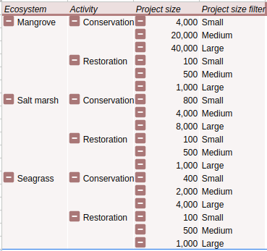
Section |  | Excel note | Default value | Constrains
Project params | Restoration project size (ha) | Restoration rate & project size. Change restoration rate depending on what is feasibly restoratble, and match the project size above with the rate and the duration of the restoration activity. | e.g., 100
 | Conservation project size (ha) | NA | e.g., 10,000
 | Initial carbon price assumption | NA | e.g., $30
 | Country |  | Dropdown
 | Ecosystem |  | Dropdown
 | Activity |  | Dropdown
 | Carbon revenues to cover |  | Dropdown
 | Carbon revenues will not cover |  | Dropdown
Project params - conservation only | Loss rate used | Be aware: Background recovry rates are not included in default loss rate values. They can however be integrated in the project-specific assumptions. | Dropdown
 | Project-specific loss rate | Be aware: Be aware, loss rate should be inputted as a negative number (e.g. -3%). Even through default values don't include background recovery rates, these can be incorporated in project-speciffic assumptions. | e.g., -0.3%
 | Emission factor used (as committed emissions) | Warning: No Tier 2-Country level emission factors available for seagrass and tidal marsh. - Tier 3 - Project-specific emission factor - One emission factor: Please fill in Tier 3 - Project-specific emissions - one emission factor (in tCO2e/ha/ year). - Tier 3 - Project-specific emission factor - AGB and SOC separately: Please fill in Tier 3 - Project-specific emissions - separate - AGB (as committed emissions in tCO2e/ha) and Tier 3 - Project-specific emissions - separate - SOC (in tCO2e/ha/ year) | Dropdown | - Tier 2 - Country-specific emission factor: No default tier 2 data available for seagrass and salt marsh
 | Tier 3 - Project-specific emissions - one emission factor or separate AGB and SOC | Do you want to fill out one emission factor for the project (tCO2e/ha/year), or do you want to fill AGB (in tCO2e/ha) and SOC (in tCO2e/ha/year) separately? | Dropdown
 | Tier 3 - Project-specific emissions - one emission factor (in tCO2e/ha/ year) |  | e.g., 15 tCO2e / ha / year
 | Tier 3 - Project-specific emissions - separate - AGB (as committed emissions in tCO2e/ha) |  | e.g., 200 tCO2e/ ha
 | Tier 3 - Project-specific emissions - separate - SOC (in tCO2e/ha/ year) |  | e.g., 15 tCO2e / ha / year
Project params - restoration only | Activity type - Restoration | - No hydrology/ hybrid restoration possible for seagrass | Dropdown | - Manrgove hybrid - Implementation cost: No default implementation cost for Indonesia, Australia, Caribbean, Kenya, Colombia, India, China, Ecuador. - Manrgove hydrology - Implementation cost: No default implementation value for Ecuador. - Seagrass planting - Implementation cost: No default implementation value for Ecuador. - Seagrass hybrid - Implementation cost: No default implementation value for any country. - Seagrass hydrology - Implementation cost: No default implementation value for any country. - Salt marsh planting - Implementation cost: No default implementation value for Ecuador. - Salt marsh hybrid - Implementation cost: No default implementation value for Indonesia, Australia, Caribbean, Kenya, Colombia, India, China, Ecuador. - Salt marsh hydrology - Implementation cost: No default implementation value for Ecuador.
 | Sequestration rate used (tCO2e/ha/yr) | - No default tier 2 data available for seagrass and salt marsh. | Dropdown | - Tier 2 - Country specific sequestration rate: No data for seagrass and salt marsh.
 | Project-specific sequestration rate (tCO2e/ha/yr) |  | e.g., 15
 | Planting success rate |  | e.g., 80%

