Bug reports
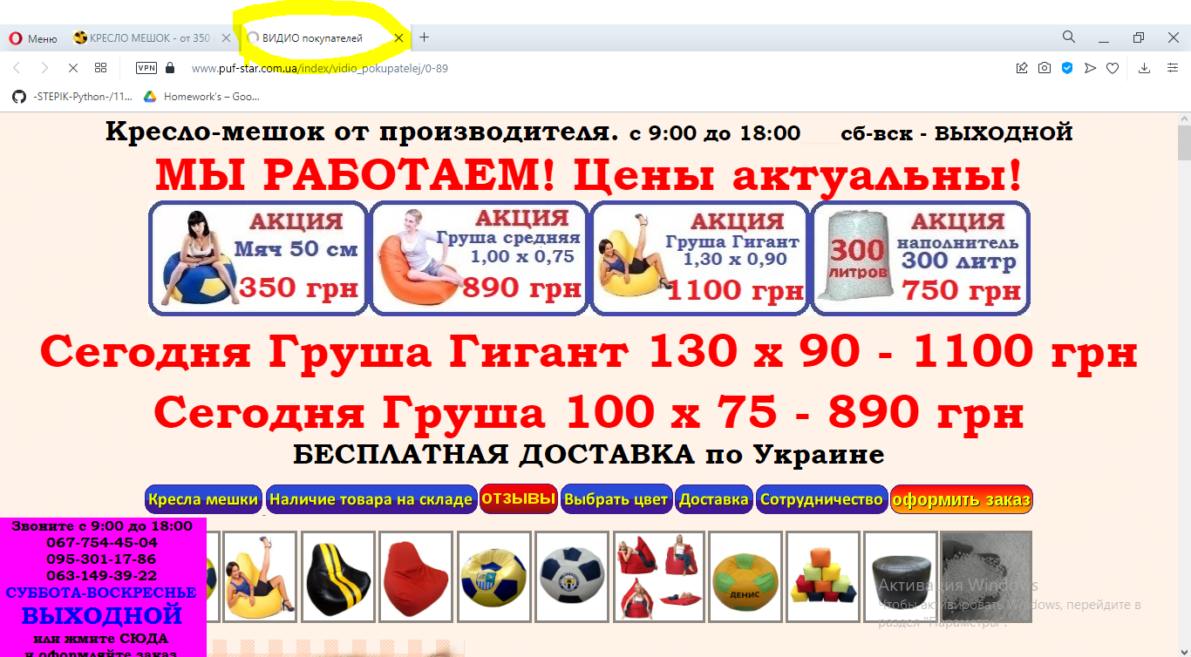
Bug report-1
Summary: Error 404 is occured after clicking on "Солнцезащитные очки" button
Project: Puf-star (https://www.puf-star.com.ua)
Version: the latest
Severity: High
Priority:
Status: opened
Author: Vlad Kostenyuk
Steps to reproduce: Go to https://www.puf-star.com.ua, click on "Солнцезащитные очки" button
Expected result: Redirecting to "Солнцезащитные очки" page
Actual result: Error 404 is occured
Attachments: Screenshots below
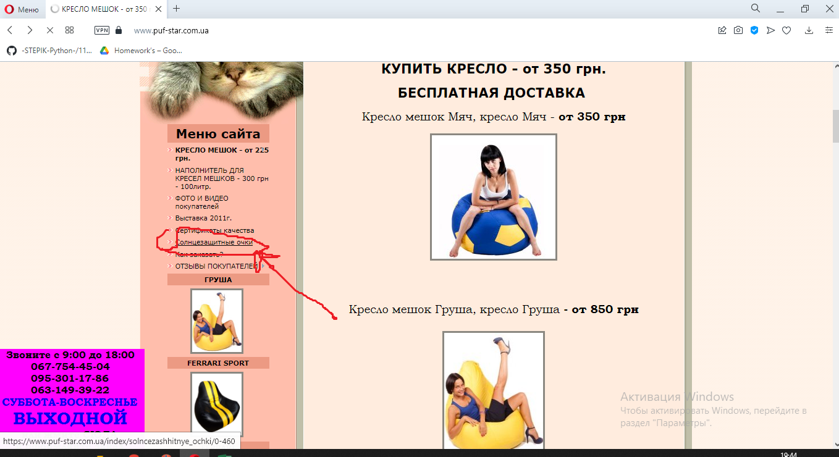

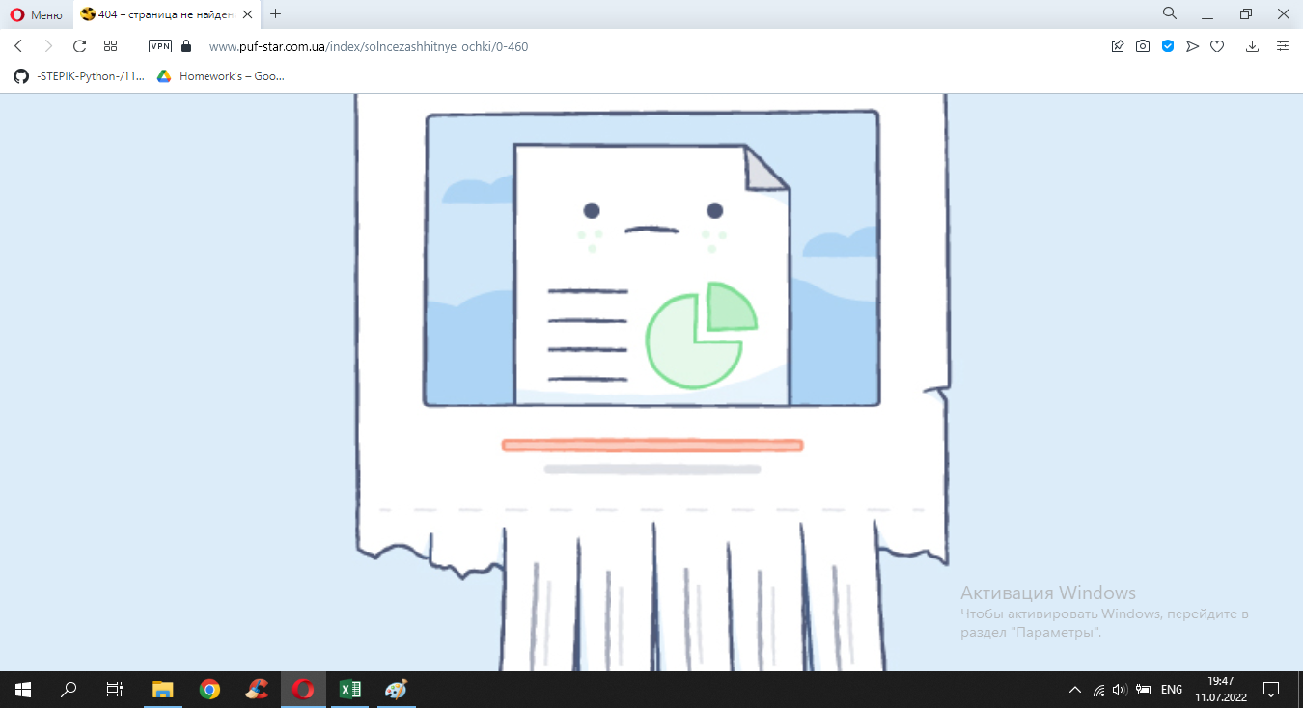

Bug report-2
Summary: new-sub-menu isn`t being closed for 5 seconds when marked sub-menu button is hovered
Project: Puf-star (https://www.puf-star.com.ua)
Version: the latest
Severity: Medium
Priority:
Status: opened
Author: Vlad Kostenyuk
Steps to reproduce: Go to https://www.puf-star.com.ua, hover on "КРЕСЛО МЕШОК - от 225 грн" button, which is displayed in side-bar menu, then move mouse cursor away
Expected result: New-sub-menu is being closed instantly
Actual result: new-sub-menu isn`t being closed for 5 seconds
Attachments: Screenshots below

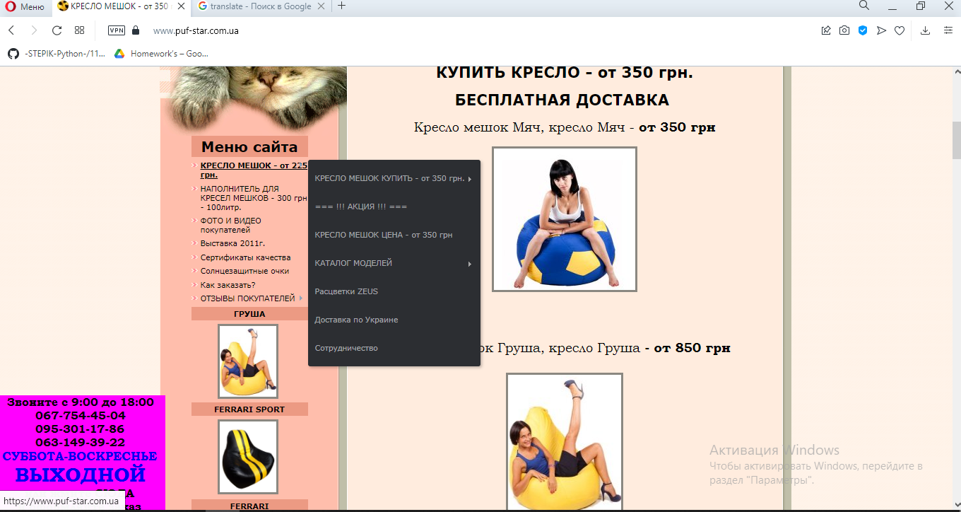

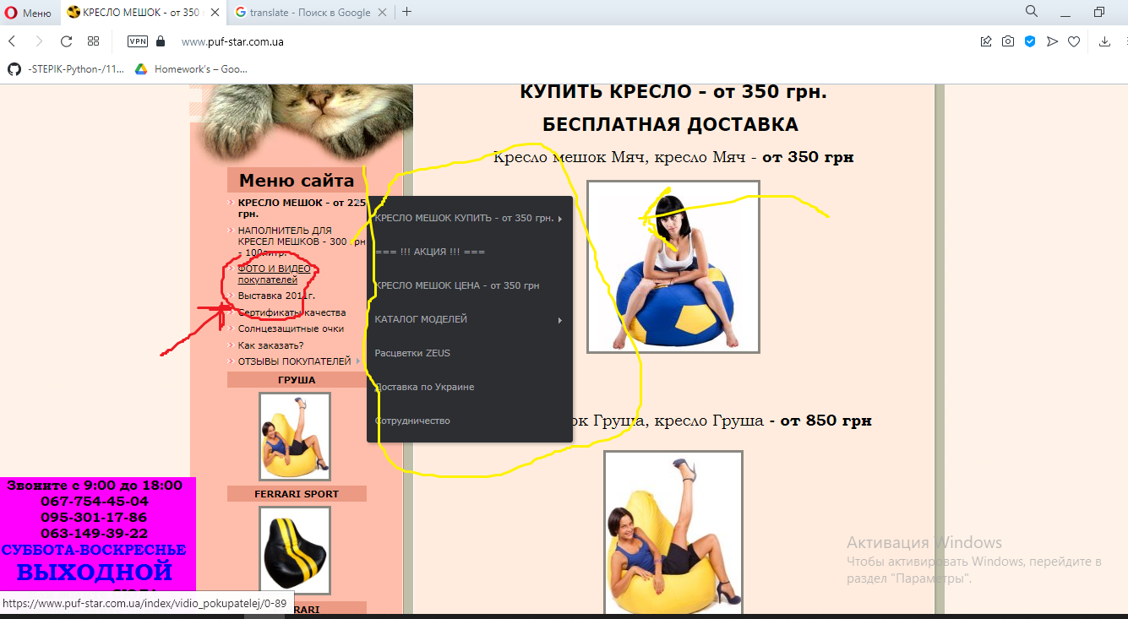

Bug report-3
Summary: Failed integration with Facebook, while clicking on Facebook button on the registration page
Project: Puf-star (https://www.puf-star.com.ua)
Version: the latest
Severity: High
Priority:
Status: opened
Author: Vlad Kostenyuk
Steps to reproduce: Go to https://www.puf-star.com.ua, click on "Регистрация" button, click on "Facebook" button
Expected result: Login Facebook modal window is opened
Actual result: Facebook modal widow is opened with an alert on it
Attachments: Screenshot below

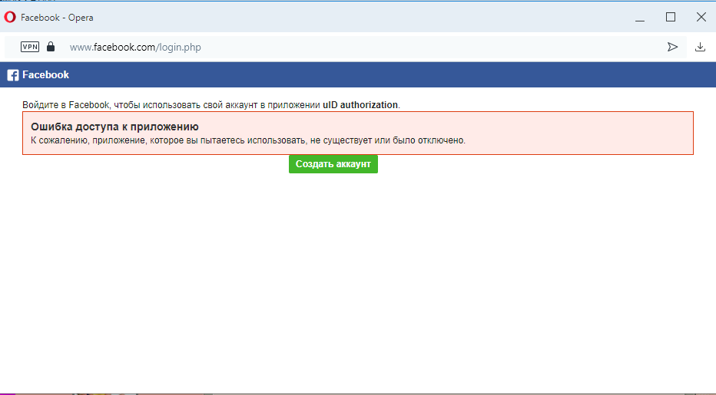

Bug report-4
Summary: "ОТЗЫВЫ-следующая страница" button is displayed instead of "ОТЗЫВЫ-предыдущая страница" button when you are on the last "Отзывы покупателей" page
Project: Puf-star (https://www.puf-star.com.ua)
Version: the latest
Severity: Medium
Priority:
Status: opened
Author: Vlad Kostenyuk
Steps to reproduce: Go to https://www.puf-star.com.ua, click on "Отзывы" button, go to the last page in "Отзывы покупателей"
Expected result: "ОТЗЫВЫ-предыдущая страница" button is displayed
Actual result: "ОТЗЫВЫ-следующая страница" button is displayed
Attachments: Screenshot below

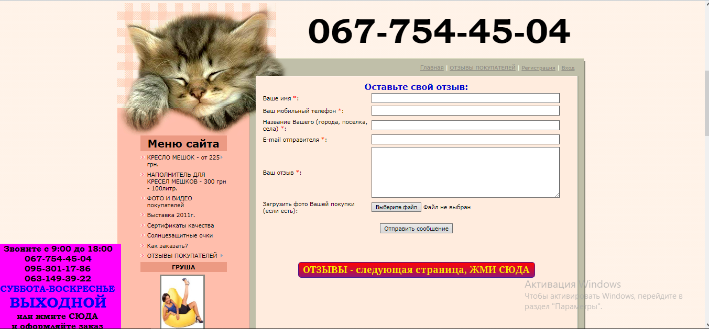

Bug report-5
Summary: Misprint is displayed on the tab of "Фото и видео покупателей" page
Project: Puf-star (https://www.puf-star.com.ua)
Version: the latest
Severity: Medium
Priority:
Status: opened
Author: Vlad Kostenyuk
Steps to reproduce: Go to https://www.puf-star.com.ua, click on "Фото и видео покупателей" button that redirects to "Фото и видео покупателей" page
Expected result: "ВИДЕО покупателей" text is displayed on the tab
Actual result: "ВИДИО покупателей" text is displayed on the tab
Attachments: Screenshot below

