Лист1
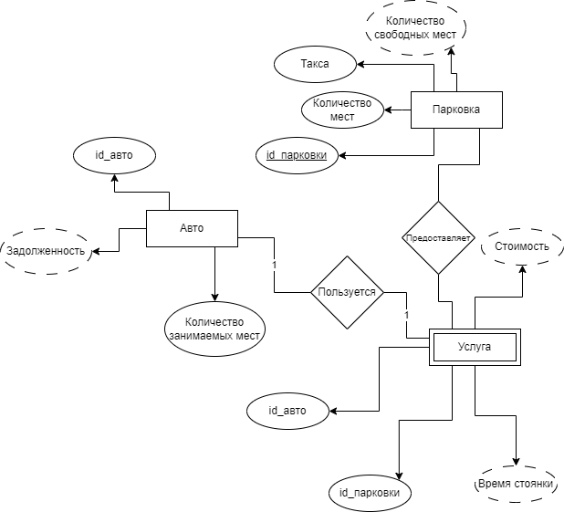 | Park Area
 | Column_name | type | specs
 | id_park_area | int | not null auto_inc prim
 | place_quan | int | not null
 | free_place_quan | int | not null
 | tax | float | not null

 | Machine
 | Column_name | type | specs
 | id_machine | int | not null auto_inc prim
 | borrow | float
 | size | int | not null
 | is_parked | boolean | not null

 | parking
 | id_machine | int | not null foreign prim
 | id_park_area | int | not null foreign prim
 | start_time | date | not null

