Bug Report1
Bug ID: | 1 | Test Data
Bug Name (Summary): | The footer of the site has the wrong date
Description: | On the home page of the site, the footer has the wrong date written
Steps To reproduce: | Open Chrome browser
 | Go To URL | https://demoqa.com/
 | Check if the footer is visible and has text
Expected result: | Text in the footer of the site is visible:© 2013-2021 TOOLSQA.COM | ALL RIGHTS RESERVED.
Actual result: | Text in the footer of the site is visible:© 2013-2020 TOOLSQA.COM | ALL RIGHTS RESERVED.
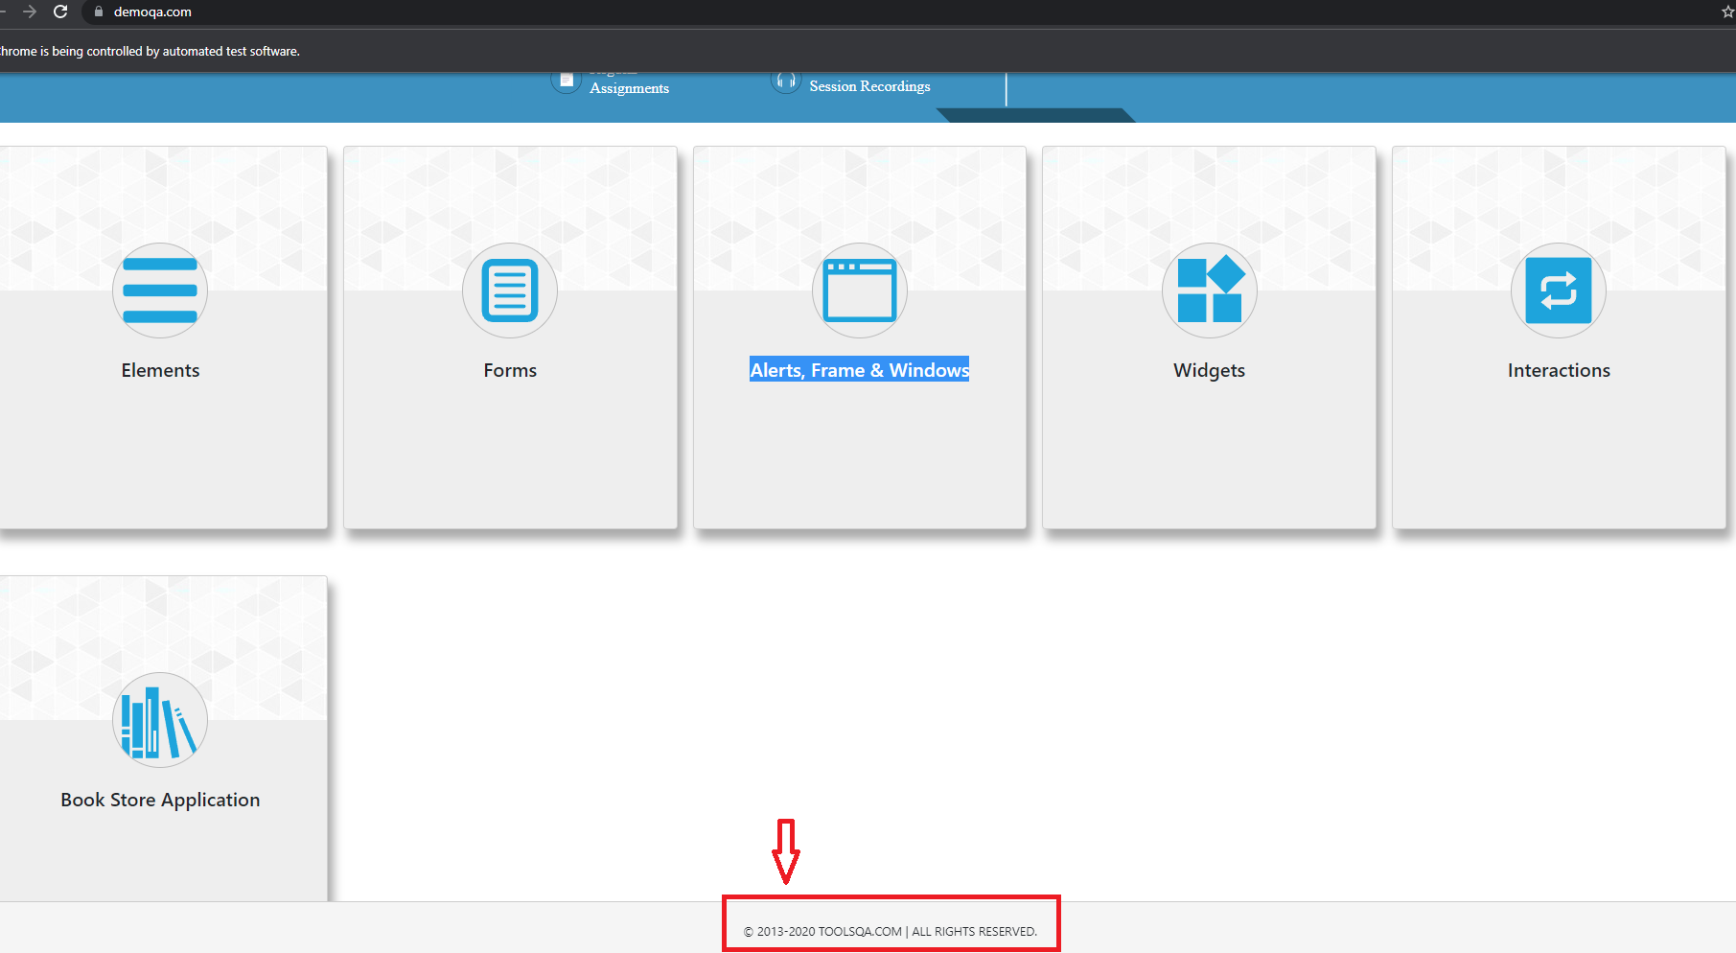
Screenshot:

Bug Report2
Bug ID: | 2 | Test Data
Bug Name (Summary): | The text at bottom is misspelled
Description: | When a user enters a permanent address, the text output is misspelled "Permananet" instead of "permanent"
Steps To reproduce: | Open Chrome browser
 | Go To URL | https://demoqa.com/
 | Click on the “Elements” tab.
 | Click on the “Text Box” tab
 | Enter a text in the field “Full Name“ | Vladimir
 | Enter a valid Email in the field “Email” | vlada@test.com
 | Enter a text in the field “Current Address” | Decanska
 | Enter a text in the field “Permanent Address” | Decanska
 | Click on Submit button
Expected result: | The text appears, and it is visible at the bottom of page (Name: Vladimir ; Email:vlada@test.com ; Current Address :Decanska ; Permanent Address:Decanska)

Actual result: | The text appears, and it is visible at the bottom of page (Name: Vladimir ; Email:vlada@test.com ; Current Address :Decanska ; Permananet Address Address:Decanska)

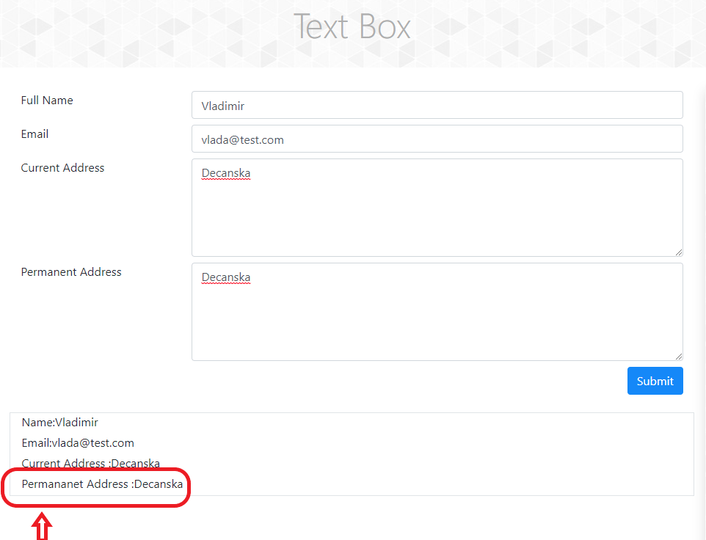
Screenshot:

