1
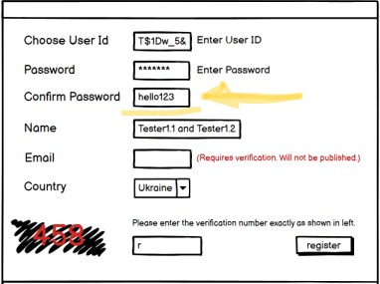
Defect ID | 1
Summary | [Password confirmation] Visible password confirmation
Priority | High
Severity | High
Environment | Windows 10

Steps to reproduce | Test Step | Test Data
1 | Open window
2 | Enter password | hello123
3 | Confirm password | hello123

Actual result | “Confirm password” text is visible
Expected result | “Confirm password” text is not visible

Attachments

2
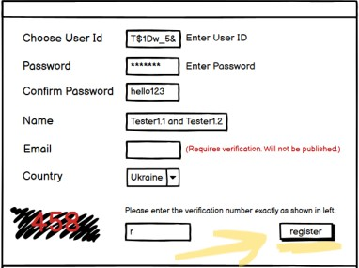
Defect ID | 2
Summary | [Register button] Register button is “lower” case
Priority | Low
Severity | Low
Environment | Windows 10

Steps to reproduce | Test Step | Test Data
1 | Open window

Actual result | Text of the register button is in “lower” case
Expected result | Text of the register button is in “upper” case

Attachments

3
Defect ID | 3
Summary | [Captcha] On register captcha text is not validated according to the image.
Priority | High
Severity | High
Environment | Windows 10

Steps to reproduce | Test Step | Test Data
1 | Open window | r
2 | Enter invalid captcha text
3 | Press Register button

Actual result | Registration successful. No error messages are shown.
Expected result | Registration failed. Error (“Incorrect text”) is shown.
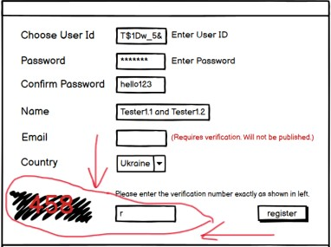
Attachments

4
Defect ID | 4
Summary | [Name] Name field is not validated.
Priority | High
Severity | High
Environment | Windows 10

Steps to reproduce | Test Step | Test Data
1 | Open window
2 | Enter invalid names of two accounts | Tester1.1 and Tester1.2
3 | Press Register button

Actual result | Registration successful. No error messages are shown.
Expected result | Registration failed. Error message (“Incorrect name”) is shown.(In separate “Tester1.1” and “Tester1.2” may be correct names, but their combination is an incorrect name)
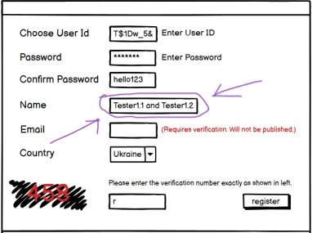
Attachments

5
Defect ID | 5
Summary | [interface] There is no “Close” button in the right corner of the window
Priority | High
Severity | High
Environment | Windows 10

Steps to reproduce | Test Step | Test Data
1 | Open window

Actual result | “Close” button is absent
Expected result | “Close” button is present
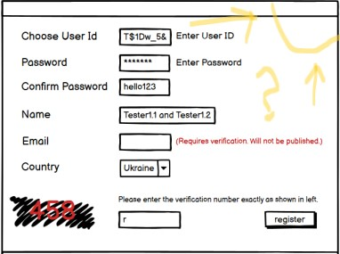
Attachments

6
Defect ID | 6
Summary | [Interface] Window has no title
Priority | Medium
Severity | Medium
Environment | Windows 10

Steps to reproduce | Test Step | Test Data
1 | Open window

Actual result | Window has no title
Expected result | Window has title
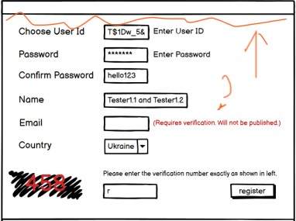
Attachments

7
Defect ID | 7
Summary | [Interface] “Enter password” and “Enter User Id” texts after the input field are odd.
Priority | Medium
Severity | Medium
Environment | Windows 10

Steps to reproduce | Test Step | Test Data
1 | Open window

Actual result | “Enter …” text is present after the input field
Expected result | “Enter ...” text is absent at all
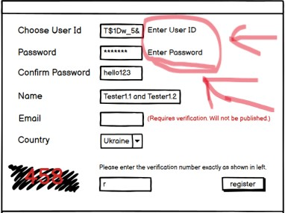
Attachments

8
Defect ID | 8
Summary | [Interface] Incorrect name of field "Email"
Priority | Low
Severity | Low
Environment | Windows 10

Steps to reproduce | Test Step | Test Data
1 | Open window

Actual result | field named "Email"
Expected result | field named "E-mail"

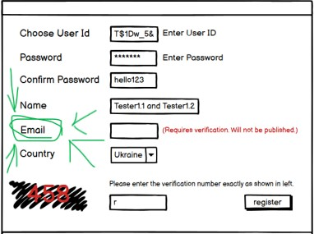
Attachments

9
Defect ID | 9
Summary | [Validation] No validation for ID
Priority | High
Severity | High
Environment | Windows 10

Steps to reproduce | Test Step | Test Data
1 | Enter User ID | T$1Dw_5&
2 | Press Register button

Actual result | Registration successful. No error messages are shown.
Expected result | Registration failed. Error message (“Incorrect ID”) is shown.(ID can`t contain special symbols, spaces and letters)

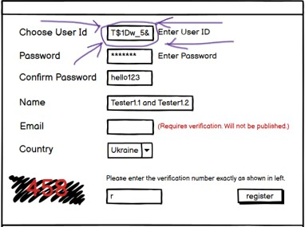
Attachments

