All stats
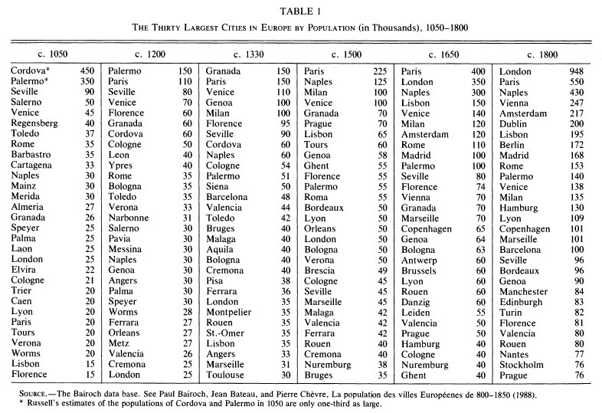
City/Province | Population (c. 1300) | Source (c. 1300) | Population (c. 1360) | Source (c. 1360) |  |  | If population count is not known => the cell would be pink (it is a ROUGH estimation)
Aachen | 21000 | https://en.wikipedia.org/wiki/Holy_Roman_Empire
Amalfi (Italy) | 12000 | https://en.wikipedia.org/wiki/Historical_urban_community_sizes
Antwerp | 5000 | https://en.wikipedia.org/wiki/List_of_largest_European_cities_in_history
Athens | 25000 | https://en.wikipedia.org/wiki/List_of_largest_European_cities_in_history
Barcelona | 48000 | Paolo Malanima Decline or Growth? European Towns and Rural Economies, 1300–1600, 23 page
Berlin | 5500 | https://en.wikipedia.org/wiki/Historical_urban_community_sizes
Bolgar | 50000 | https://en.wikipedia.org/wiki/List_of_largest_European_cities_in_history |  |  | or 50000 | https://en.wikipedia.org/wiki/Historical_urban_community_sizes
Bologna | 40000 | Paolo Malanima Decline or Growth? European Towns and Rural Economies, 1300–1600, 23 page |  |  | 60000 | https://en.wikipedia.org/wiki/List_of_largest_European_cities_in_history
Bordeaux | 35000 | https://en.wikipedia.org/wiki/List_of_largest_European_cities_in_history
Bruges | 50000 | https://en.wikipedia.org/wiki/List_of_largest_European_cities_in_history
Brussels | 30000 | https://en.wikipedia.org/wiki/List_of_largest_European_cities_in_history
Bulgaria | 2500000 | https://en.wikipedia.org/wiki/Medieval_demography
Cairo | 400000 | https://en.wikipedia.org/wiki/Historical_urban_community_sizes
Cologne | 54000 | Paolo Malanima Decline or Growth? European Towns and Rural Economies, 1300–1600, 23 page
Constantinople | 150000 | https://en.wikipedia.org/wiki/Historical_urban_community_sizes |  |  | or 70000 | https://en.wikipedia.org/wiki/List_of_largest_European_cities_in_history
Córdoba | 60000 | https://en.wikipedia.org/wiki/List_of_largest_European_cities_in_history |  |  | or 40000 | https://en.wikipedia.org/wiki/Historical_urban_community_sizes
Danzig (Gdansk) | 20000 | https://en.wikipedia.org/wiki/Holy_Roman_Empire
Dublin | 20000 | https://en.wikipedia.org/wiki/List_of_largest_European_cities_in_history
England | 3700000 | https://en.wikipedia.org/wiki/Medieval_demography
Erfurt | 32000 | https://en.wikipedia.org/wiki/Holy_Roman_Empire
Feodosia | 40000 | https://en.wikipedia.org/wiki/List_of_largest_European_cities_in_history
Fes | 175000 | https://en.wikipedia.org/wiki/Historical_urban_community_sizes
Florence | 110000 | https://en.wikipedia.org/wiki/Holy_Roman_Empire
Florence | 110000 | Paolo Malanima Decline or Growth? European Towns and Rural Economies, 1300–1600, 23 page
Genoa | 90000 | https://en.wikipedia.org/wiki/Holy_Roman_Empire |  |  | or 100000 | https://en.wikipedia.org/wiki/Historical_urban_community_sizes
Ghent | 55000 | https://en.wikipedia.org/wiki/Historical_urban_community_sizes |  |  | or 70000 | https://en.wikipedia.org/wiki/List_of_largest_European_cities_in_history
Granada | 150000 | Paolo Malanima Decline or Growth? European Towns and Rural Economies, 1300–1600, 23 page
Hungary (historical borders without Transylvania) | 2550000 | https://en.wikipedia.org/wiki/Medieval_demography
Kievan Rus | 6000000 | https://en.wikipedia.org/wiki/Medieval_demography
Aquila (Italy) | 40000 | https://en.wikipedia.org/wiki/Historical_urban_community_sizes
Leuven | 45000 | https://en.wikipedia.org/wiki/List_of_largest_European_cities_in_history
Lisbon | 35000 | https://en.wikipedia.org/wiki/List_of_largest_European_cities_in_history
London | 80000 | https://en.wikipedia.org/wiki/Norman_and_medieval_London | 40000 | https://medievalhistory.info/medieval-london/ |  | or 35000 | Paolo Malanima Decline or Growth? European Towns and Rural Economies, 1300–1600, 23 page
Lubeck | 15000 | https://en.wikipedia.org/wiki/Holy_Roman_Empire
Lübeck | 24000 | https://en.wikipedia.org/wiki/List_of_largest_European_cities_in_history
Magdeburg | 20000 | https://en.wikipedia.org/wiki/Holy_Roman_Empire
Mainz | 24000 | https://en.wikipedia.org/wiki/Holy_Roman_Empire
Metz | 32000 | https://en.wikipedia.org/wiki/Holy_Roman_Empire
Milan | 150000 | Paolo Malanima Decline or Growth? European Towns and Rural Economies, 1300–1600, 23 page
Milan | 120000 | https://en.wikipedia.org/wiki/Holy_Roman_Empire
Modern France | 20000000 | https://en.wikipedia.org/wiki/Medieval_demography
Modern Germany and Scandinavia | 11500000 | https://en.wikipedia.org/wiki/Medieval_demography
Modern Italy | 12000000 | https://en.wikipedia.org/wiki/Medieval_demography
Montpellier | 35000 | https://en.wikipedia.org/wiki/List_of_largest_European_cities_in_history |  |  | or 45000 | https://en.wikipedia.org/wiki/Historical_urban_community_sizes
Moscow | 25000 | https://en.wikipedia.org/wiki/List_of_largest_European_cities_in_history
Naples | 55000 | https://en.wikipedia.org/wiki/List_of_largest_European_cities_in_history
Norwich (UK) | 22500 | https://en.wikipedia.org/wiki/Historical_urban_community_sizes
Nuremberg | 20000 | https://en.wikipedia.org/wiki/Holy_Roman_Empire
Padua | 35000 | https://en.wikipedia.org/wiki/Holy_Roman_Empire
Padua | 40000 | https://en.wikipedia.org/wiki/List_of_largest_European_cities_in_history
Palermo | 51000 | Paolo Malanima Decline or Growth? European Towns and Rural Economies, 1300–1600, 23 page
Paris | 150000 | Paolo Malanima Decline or Growth? European Towns and Rural Economies, 1300–1600, 23 page |  |  | or 200000 | https://en.wikipedia.org/wiki/Historical_urban_community_sizes
Paris | 275000 | https://en.wikipedia.org/wiki/List_of_largest_European_cities_in_history
Prague | 40000 | https://en.wikipedia.org/wiki/Historical_urban_community_sizes |  |  | or 77000 | https://en.wikipedia.org/wiki/Holy_Roman_Empire
Regensburg | 30000 | https://en.wikipedia.org/wiki/Holy_Roman_Empire | 11000 | https://en.wikipedia.org/wiki/Holy_Roman_Empire
Riga | 6500 | https://oldlvi.lu.lv/lv/LVIZ_2011_files/4numurs/G_Gerhards_Epidemijas_LVIZ_2011_4.pdf (45-46 page) | 4500 | https://oldlvi.lu.lv/lv/LVIZ_2011_files/4numurs/G_Gerhards_Epidemijas_LVIZ_2011_4.pdf (45-46 page)
Rome | 40000 | https://en.wikipedia.org/wiki/Historical_urban_community_sizes |  | or 20000 | https://en.wikipedia.org/wiki/List_of_largest_European_cities_in_history
Rouen | 40000 | https://en.wikipedia.org/wiki/List_of_largest_European_cities_in_history
Salerno | 10000 | https://en.wikipedia.org/wiki/Historical_urban_community_sizes
Sarai | 100000 | https://en.wikipedia.org/wiki/List_of_largest_European_cities_in_history
Siena | 50000 | Paolo Malanima Decline or Growth? European Towns and Rural Economies, 1300–1600, 23 page |  | 75000 | https://en.wikipedia.org/wiki/List_of_largest_European_cities_in_history
Speyer | 25000 | https://en.wikipedia.org/wiki/Holy_Roman_Empire
Strasbourg | 20000 | https://en.wikipedia.org/wiki/Holy_Roman_Empire
Thessaloniki | 120000 | https://en.wikipedia.org/wiki/List_of_largest_European_cities_in_history |  | or 50000 or 100000 | https://en.wikipedia.org/wiki/Historical_urban_community_sizes
Toledo | 42000 | https://en.wikipedia.org/wiki/Historical_urban_community_sizes
Toulouse | 30000 | Paolo Malanima Decline or Growth? European Towns and Rural Economies, 1300–1600, 23 page |  | 40000 | https://en.wikipedia.org/wiki/List_of_largest_European_cities_in_history |  | or 35000 | https://en.wikipedia.org/wiki/Historical_urban_community_sizes
Transylvania | 550000 | https://en.wikipedia.org/wiki/Medieval_demography
Trnovo (Veliko Tarnovo) (Bulgaria) | 35000 | https://en.wikipedia.org/wiki/List_of_largest_European_cities_in_history
Tuscany (region) | 2000000 | https://en.wikipedia.org/wiki/Medieval_demography
Veliky Novgorod | 50000 | https://en.wikipedia.org/wiki/Historical_urban_community_sizes |  | or 60000 | https://en.wikipedia.org/wiki/List_of_largest_European_cities_in_history
Venice | 110000 | Paolo Malanima Decline or Growth? European Towns and Rural Economies, 1300–1600, 23 page
Venice | 150000 | https://en.wikipedia.org/wiki/List_of_largest_European_cities_in_history
Verona | 40000 | https://en.wikipedia.org/wiki/Holy_Roman_Empire
Vienna | 20000 | https://en.wikipedia.org/wiki/Holy_Roman_Empire
Wallachia | 300000 | https://en.wikipedia.org/wiki/Medieval_demography
Worms | 20000 | https://en.wikipedia.org/wiki/Holy_Roman_Empire
York (UK) | 23000 | https://en.wikipedia.org/wiki/Historical_urban_community_sizes
Ypres | 30000 | https://en.wikipedia.org/wiki/Historical_urban_community_sizes |  | or 40000 | https://en.wikipedia.org/wiki/List_of_largest_European_cities_in_history
Palermo | 51000 | https://en.wikipedia.org/wiki/History_of_Palermo
Burgos | 25000
Seville | 45000
Tunis | 40000
Ragusa | 30000 | https://en.wikipedia.org/wiki/Republic_of_Ragusa
Izmir (Smyrna) | 30000 | https://en.wikipedia.org/wiki/History_of_the_Jews_in_%C4%B0zmir
Jerusalem | 10000 | https://en.wikipedia.org/wiki/Medieval_Jerusalem
Krakow | 8000
Trnava (Slovakia) | 5000
Pest (Budapest) | 10000
Cluj-Napoca | 5000
Belgrade | 10000
Târgoviște | 25000
Zagreb | 5000
Athens | 10000
Polotsk | 5000
Smolensk | 10000
Kyiv | 20000
Lviv | 10000
Nizhny Novgorod | 5000
Yaroslavl | 5000
Oslo | 5000
Copenhagen | 5000
Bern | 5000
Turku | 5000
Vilnius | 7000
Tallinn | 4000
Antalya | 10000
Marseille | 31000 | Paolo Malanima Decline or Growth? European Towns and Rural Economies, 1300–1600, 23 page
Cordova | 60000 | Paolo Malanima Decline or Growth? European Towns and Rural Economies, 1300–1600, 23 page
Valencia | 44000 | Paolo Malanima Decline or Growth? European Towns and Rural Economies, 1300–1600, 23 page
Malaga | 40000 | Paolo Malanima Decline or Growth? European Towns and Rural Economies, 1300–1600, 23 page
Cremona | 40000 | Paolo Malanima Decline or Growth? European Towns and Rural Economies, 1300–1600, 23 page
Pisa | 38000 | Paolo Malanima Decline or Growth? European Towns and Rural Economies, 1300–1600, 23 page
Ferrara | 36000 | Paolo Malanima Decline or Growth? European Towns and Rural Economies, 1300–1600, 23 page

