גיליון1
OverlapMatrix
 | A | B | C | D | E | F | G | H
A | 3 | 1 | 2 | 1 | 0 | 0 | 0 | 0
B | 1 | 3 | 2 | 1 | 1 | 1 | 0 | 0
C | 2 | 2 | 3 | 2 | 1 | 1 | 0 | 0
D | 1 | 1 | 2 | 3 | 1 | 1 | 0 | 0
E | 0 | 1 | 1 | 1 | 3 | 2 | 1 | 0
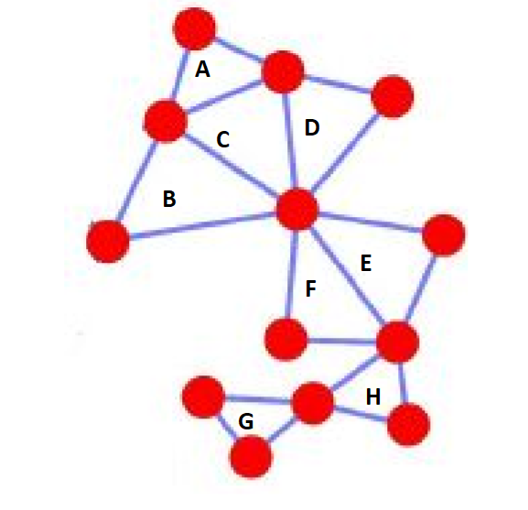
F | 0 | 1 | 1 | 1 | 2 | 3 | 1 | 0
G | 0 | 0 | 0 | 0 | 1 | 1 | 3 | 1
H | 0 | 0 | 0 | 0 | 0 | 0 | 1 | 3

Treshold with 3
 | A | B | C | D | E | F | G | H
A | 3 | 0 | 2 | 0 | 0 | 0 | 0 | 0
B | 0 | 3 | 2 | 0 | 0 | 0 | 0 | 0
C | 2 | 2 | 3 | 2 | 0 | 0 | 0 | 0
D | 0 | 0 | 2 | 3 | 0 | 0 | 0 | 0
E | 0 | 0 | 0 | 0 | 3 | 2 | 0 | 0
F | 0 | 0 | 0 | 0 | 2 | 3 | 0 | 0
G | 0 | 0 | 0 | 0 | 0 | 0 | 3 | 0
H | 0 | 0 | 0 | 0 | 0 | 0 | 0 | 3

Communities
 | A | B | C | D | E | F | G | H
A | 1 | 0 | 1 | 0 | 0 | 0 | 0 | 0
B | 1 | 1 | 1 | 0 | 0 | 0 | 0 | 0
C | 0 | 1 | 1 | 1 | 0 | 0 | 0 | 0
D | 0 | 0 | 1 | 1 | 0 | 0 | 0 | 0
E | 0 | 0 | 0 | 0 | 1 | 1 | 0 | 0
F | 0 | 0 | 0 | 0 | 1 | 1 | 0 | 0
G | 0 | 0 | 0 | 0 | 0 | 0 | 1 | 0
H | 0 | 0 | 0 | 0 | 0 | 0 | 0 | 1

1 | A,B,C,D
2 | F,E
3 | H
4 | G

