Sheet1
NPN TRANSISTOR BIASING

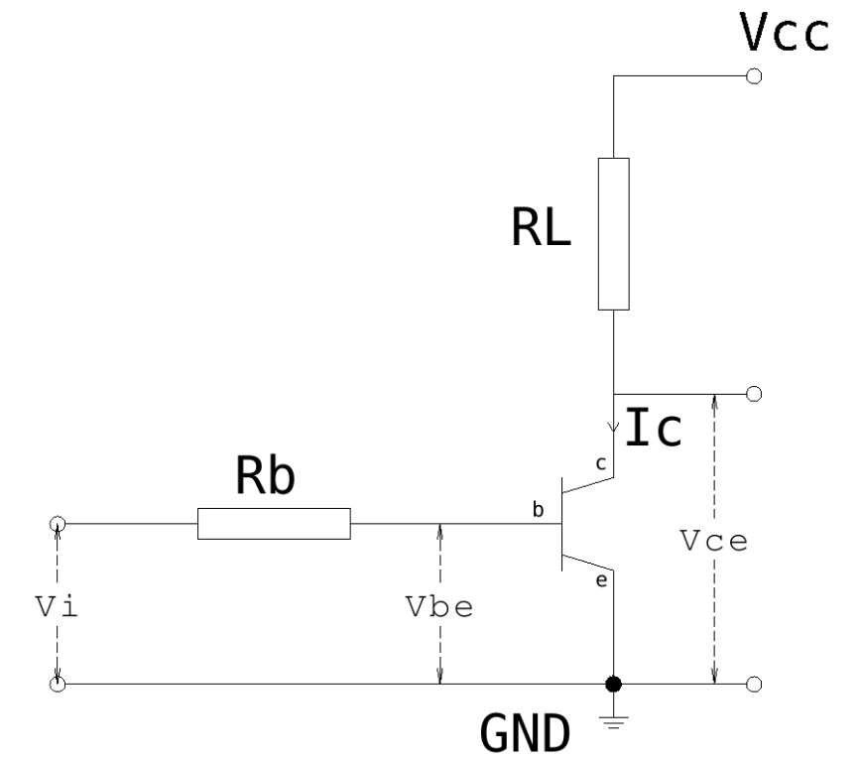
Vcc | 5 | V
Vce | 2 | V
Vbe | 0.642 | V
hFE | 234
Vi | 3.3 | V
RL | 10 | ohm
Ic | 0.3 | A
Ib | 0.0012820512821 | A
Rb | 691.08 | ohm

