Sheet1
NPN TRANSISTOR BIASING

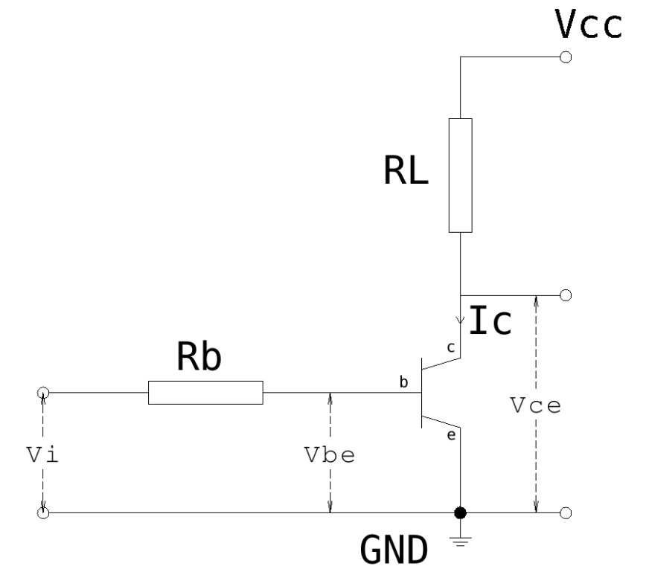
Vcc | 5 | V
Vce | 1 | V
RL | 12 | ohm
Ic | 0.33333333333 | A
hFE | 234
Ib factor | 3
Ib | 0.0042735042735 | A
Vbe | 0.642 | V
Vi | 3.3 | V
Rb | 621.972 | ohm

