Trend chart
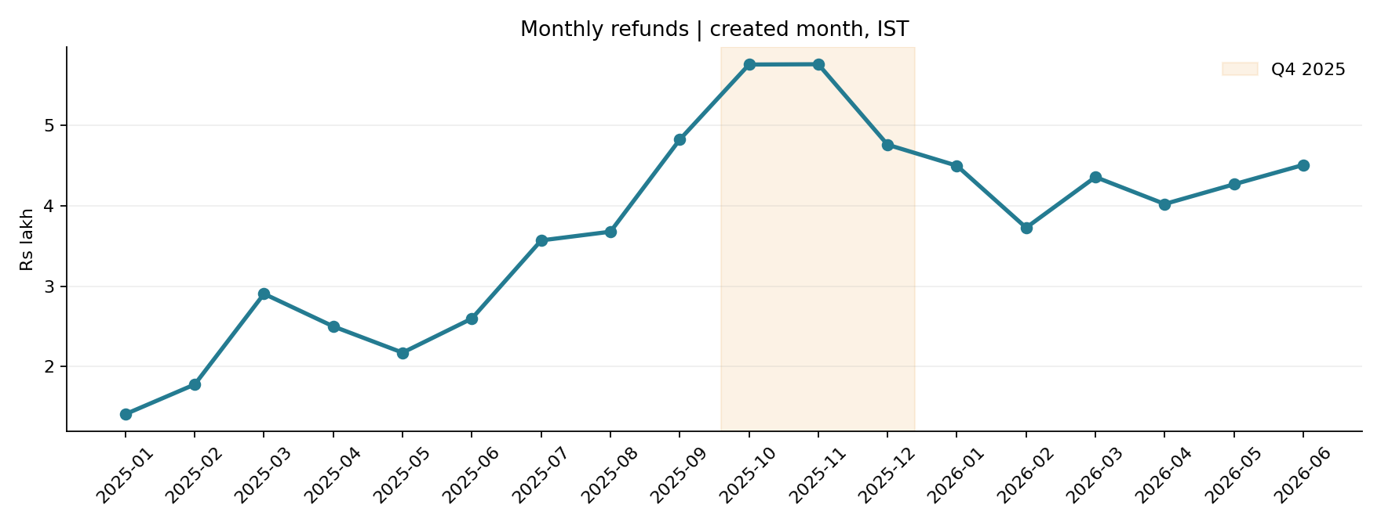
Reconciled monthly refunds; shaded area is Q4 2025.

