Sheet1
ID | SMILES | ROMol | 3DMol | QED | MW | ALOGP | HBA | HBD | PSA | ROTB | AROM | ALERTS | Num Ring | Num Ar Ring | Num ArHetcy | Num Hetcy | Num Hetatm | Num Spiro | Frac Sp3 | MR | NPR1 | NPR2 | Geometry
C13H17N3O | C#CCCCCNC(=O)Nc1cc(C)ccn1 | 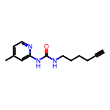 | 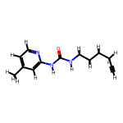 | 0.6032586671 | 231.299 | 2.31502 | 2 | 2 | 54.02 | 5 | 1 | 2 | 1 | 1 | 1 | 1 | 4 | 0 | 0.38461538462 | 68.6794 | 0.070427051834 | 0.95417265189 | Rod-like
C13H17N3O | C#CCCCCNC(=O)Nc1ccc(C)cn1 | 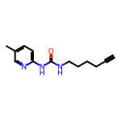 | 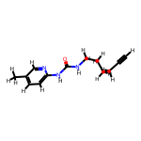 | 0.6032586671 | 231.299 | 2.31502 | 2 | 2 | 54.02 | 5 | 1 | 2 | 1 | 1 | 1 | 1 | 4 | 0 | 0.38461538462 | 68.6794 | 0.07485772027 | 0.97703134312 | Rod-like
C12H14FN3O | C#CCCCCNC(=O)Nc1ccc(F)cn1 | 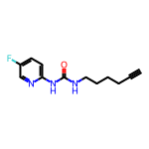 | 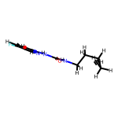 | 0.60656235544 | 235.262 | 2.1457 | 2 | 2 | 54.02 | 5 | 1 | 2 | 1 | 1 | 1 | 1 | 5 | 0 | 0.33333333333 | 63.9004 | 0.14341624225 | 0.87825194852 | Rod-like
C13H17N3O | C#CC(C)(CC)NC(=O)Nc1cccc(C)n1 | 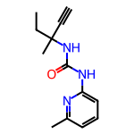 | 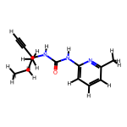 | 0.78425480827 | 231.299 | 2.31342 | 2 | 2 | 54.02 | 3 | 1 | 1 | 1 | 1 | 1 | 1 | 4 | 0 | 0.38461538462 | 68.6574 | 0.12875116084 | 0.92825897572 | Rod-like
C12H14FN3O | C#CC(C)(CC)NC(=O)Nc1ccc(F)cn1 | 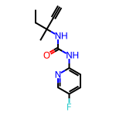 | 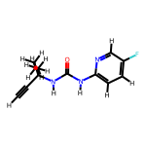 | 0.78854618301 | 235.262 | 2.1441 | 2 | 2 | 54.02 | 3 | 1 | 1 | 1 | 1 | 1 | 1 | 5 | 0 | 0.33333333333 | 63.8784 | 0.12204131661 | 0.97251412131 | Rod-like
C11H13N3O2 | C#CC(CO)NC(=O)Nc1cccc(C)n1 | 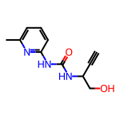 | 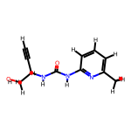 | 0.64817506996 | 219.244 | 0.50562 | 3 | 3 | 74.25 | 3 | 1 | 1 | 1 | 1 | 1 | 1 | 5 | 0 | 0.27272727273 | 60.8352 | 0.11066147901 | 0.91790277913 | Rod-like
C12H15N3O2 | C#CCC(CO)NC(=O)Nc1cccc(C)n1 | 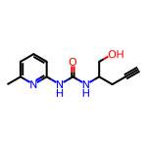 | 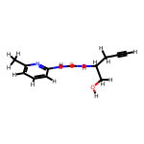 | 0.67620550442 | 233.271 | 0.89572 | 3 | 3 | 74.25 | 4 | 1 | 1 | 1 | 1 | 1 | 1 | 5 | 0 | 0.33333333333 | 65.4522 | 0.11541094937 | 0.94123773289 | Rod-like
C18H22N2O4S | C#CCOc1ccccc1CN(CC1CN(S(C)(=O)=O)C1)C(=O)C=C | 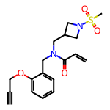 | 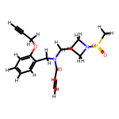 | 0.51314379945 | 362.451 | 1.1046 | 4 | 0 | 66.92 | 8 | 1 | 2 | 2 | 1 | 0 | 1 | 7 | 0 | 0.38888888889 | 96.2908 | 0.233457283 | 0.86041609106 | Rod-like
C21H23FN2O2 | C#CCC1(C(=O)NCc2ccc(CNC(=O)C=C)cc2F)CC=CCC1 | 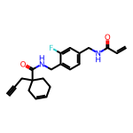 | 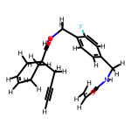 | 0.44925659933 | 354.425 | 2.9939 | 2 | 2 | 58.2 | 7 | 1 | 3 | 2 | 1 | 0 | 0 | 5 | 0 | 0.33333333333 | 99.1644 | 0.51393070113 | 0.72275525754 | Disc-like
C23H25N3O3 | C#CCOc1ccc(N(C(=O)C=C)C(C(=O)NC(C)(C)C)c2cccnc2)cc1 | 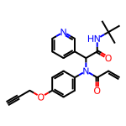 | 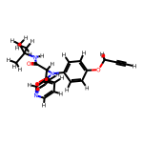 | 0.5808611207 | 391.471 | 3.2686 | 4 | 1 | 71.53 | 7 | 2 | 2 | 2 | 2 | 1 | 1 | 6 | 0 | 0.26086956522 | 113.3267 | 0.35745280946 | 0.84398710265 | Balanced
C17H20F3N3O | C#CCn1cc(N(CC2CCC(C(F)(F)F)CC2)C(=O)C=C)cn1 | 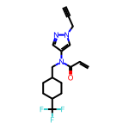 | 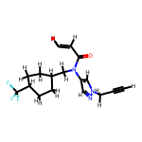 | 0.60905014878 | 339.361 | 3.404 | 2 | 0 | 38.13 | 5 | 1 | 2 | 2 | 1 | 1 | 1 | 7 | 0 | 0.52941176471 | 85.113 | 0.25269112516 | 0.84202219146 | Rod-like
C16H20ClN3O | C#C[C@H]1CC[C@H](N(Cc2c(Cl)cnn2C)C(=O)C=C)CC1 | 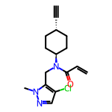 | 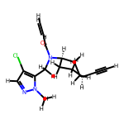 | 0.63354448857 | 305.809 | 2.7801 | 2 | 0 | 38.13 | 4 | 1 | 2 | 2 | 1 | 1 | 1 | 5 | 0 | 0.5 | 83.544 | 0.41367023601 | 0.74149067106 | Disc-like
C16H19N3O2S | C#CCCNC(=O)c1csc(C2CCN(C(=O)C=C)CC2)n1 | 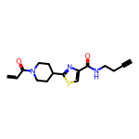 | 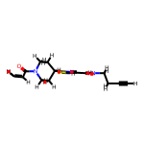 | 0.51150053131 | 317.414 | 1.7882 | 3 | 1 | 62.3 | 5 | 1 | 3 | 2 | 1 | 1 | 2 | 6 | 0 | 0.4375 | 86.6492 | 0.10077801664 | 0.93718247442 | Rod-like
C15H20N2O2 | C#CCCNC(=O)C1C(C2CC2)CCN1C(=O)C=C | 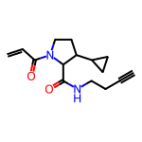 | 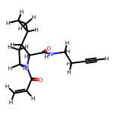 | 0.45418719628 | 260.337 | 0.939 | 2 | 1 | 49.41 | 5 | 0 | 3 | 2 | 0 | 0 | 1 | 4 | 0 | 0.6 | 72.9887 | 0.48075762329 | 0.65034429396 | Disc-like
C15H18N4O2 | C#CCCNC(=O)c1cnn2c1CN(C(=O)C=C)C(C)C2 | 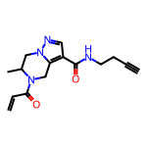 | 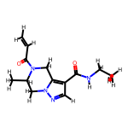 | 0.49926108563 | 286.335 | 0.5529 | 3 | 1 | 67.23 | 4 | 1 | 3 | 2 | 1 | 1 | 2 | 6 | 0 | 0.4 | 78.2192 | 0.22086562675 | 0.88232220644 | Rod-like
C16H19N3O3 | C#CCCNC(=O)c1conc1C1CCN(C(=O)C=C)CC1 | 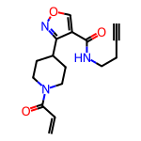 | 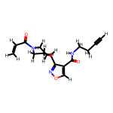 | 0.50544467198 | 301.346 | 1.3197 | 4 | 1 | 75.44 | 5 | 1 | 3 | 2 | 1 | 1 | 2 | 6 | 0 | 0.4375 | 81.0382 | 0.22419329208 | 0.81958427755 | Rod-like
C16H19N3O3 | C#CCCNC(=O)c1coc(C2CCN(C(=O)C=C)CC2)n1 | 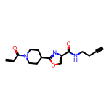 | 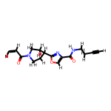 | 0.50544467198 | 301.346 | 1.3197 | 4 | 1 | 75.44 | 5 | 1 | 3 | 2 | 1 | 1 | 2 | 6 | 0 | 0.4375 | 81.0382 | 0.05820769595 | 0.98279031175 | Rod-like
C14H18N4O2 | C#CCCNC(=O)c1cnn(CC(C)NC(=O)C=C)c1 | 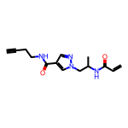 | 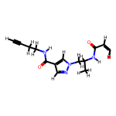 | 0.42715456588 | 274.324 | 0.3269 | 3 | 2 | 76.02 | 7 | 1 | 3 | 1 | 1 | 1 | 1 | 6 | 0 | 0.35714285714 | 75.8119 | 0.1417418914 | 0.89881124877 | Rod-like
C7H4Cl2N2 | C#CCc1c(Cl)ncnc1Cl | 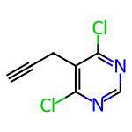 | 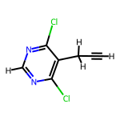 | 0.49560230409 | 187.029 | 1.9591 | 2 | 0 | 25.78 | 1 | 1 | 2 | 1 | 1 | 1 | 1 | 4 | 0 | 0.14285714286 | 44.589 | 0.46509752864 | 0.63701737843 | Disc-like
C8H6ClN3O | C#CCNC(=O)c1ccc(Cl)nn1 | 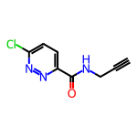 | 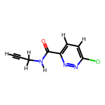 | 0.69936421474 | 195.609 | 0.493 | 3 | 1 | 54.88 | 2 | 1 | 1 | 1 | 1 | 1 | 1 | 5 | 0 | 0.125 | 48.2082 | 0.10615871182 | 0.95682444517 | Rod-like
C10H9N3O2S | C#CCN(C)S(=O)(=O)c1ccc(C#N)nc1 | 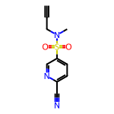 | 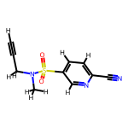 | 0.70169232157 | 235.268 | 0.20698 | 4 | 0 | 74.06 | 3 | 1 | 1 | 1 | 1 | 1 | 1 | 6 | 0 | 0.2 | 57.6008 | 0.18790371132 | 0.95807915675 | Rod-like
C13H13ClN2O | C#CCN(CC1CC1)C(=O)c1ccc(Cl)nc1 | 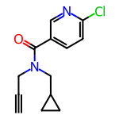 | 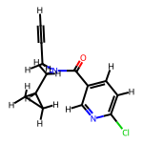 | 0.6047633952 | 248.713 | 2.2204 | 2 | 0 | 33.2 | 4 | 1 | 2 | 2 | 1 | 1 | 1 | 4 | 0 | 0.38461538462 | 66.7075 | 0.26667456167 | 0.7918430047 | Rod-like
C14H11ClN2O2 | C#CCN(Cc1ccco1)C(=O)c1ccc(Cl)nc1 | 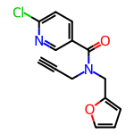 | 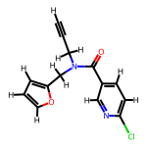 | 0.6359023292 | 274.707 | 2.6036 | 3 | 0 | 46.34 | 4 | 2 | 2 | 2 | 2 | 2 | 2 | 5 | 0 | 0.14285714286 | 71.5285 | 0.28844578387 | 0.74883121957 | Disc-like
C18H26N4OS | C#CCCN1CCN(C(=O)c2c(C)nc(C(C)C)nc2SC)CC1 | 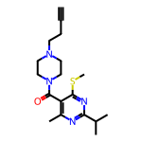 | 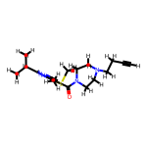 | 0.46547822417 | 346.5 | 2.41142 | 5 | 0 | 49.33 | 5 | 1 | 3 | 2 | 1 | 1 | 2 | 6 | 0 | 0.61111111111 | 98.4325 | 0.2322863052 | 0.95377972037 | Rod-like
C17H19ClN4O2 | C#CCNC(=O)CN1CCN(C(=O)C=Cc2ccnc(Cl)c2)CC1 | 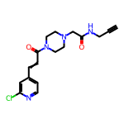 | 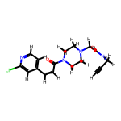 | 0.48261867412 | 346.818 | 0.6418 | 4 | 1 | 65.54 | 5 | 1 | 3 | 2 | 1 | 1 | 2 | 7 | 0 | 0.35294117647 | 93.1437 | 0.13117766121 | 0.95684954784 | Rod-like
C9H8ClN3OS | C#CCNC(=O)c1nc(SC)ncc1Cl |  |  | 0.49117008034 | 241.703 | 1.2149 | 4 | 1 | 54.88 | 3 | 1 | 3 | 1 | 1 | 1 | 1 | 6 | 0 | 0.22222222222 | 59.9892 | 0.33778813073 | 0.73532353608 | Disc-like
C14H10Cl2N2O2 | C#CCN(Cc1ccco1)C(=O)c1nc(Cl)ccc1Cl |  |  | 0.64313558876 | 309.152 | 3.257 | 3 | 0 | 46.34 | 4 | 2 | 2 | 2 | 2 | 2 | 2 | 6 | 0 | 0.14285714286 | 76.5385 | 0.68505744622 | 0.81254313494 | Balanced
C15H11ClN2O2 | C#CCC(OC(=O)c1cccnc1Cl)c1ccccn1 |  |  | 0.49234860482 | 286.718 | 3.0514 | 4 | 0 | 52.08 | 4 | 2 | 3 | 2 | 2 | 2 | 2 | 5 | 0 | 0.13333333333 | 75.0905 | 0.31369812472 | 0.95184723691 | Rod-like
C15H17Cl2N3O | C#CCCN1CCC(NC(=O)c2nc(Cl)ccc2Cl)CC1 |  |  | 0.68329941348 | 326.227 | 2.6059 | 3 | 1 | 45.23 | 4 | 1 | 2 | 2 | 1 | 1 | 2 | 6 | 0 | 0.46666666667 | 84.6352 | 0.18035773068 | 0.87590560601 | Rod-like
C15H20ClN3O2S | C#CC(C)(C)N1CCN(S(=O)(=O)c2ccc(C)nc2Cl)CC1 |  |  | 0.62073817843 | 341.864 | 1.76152 | 4 | 0 | 53.51 | 3 | 1 | 2 | 2 | 1 | 1 | 2 | 7 | 0 | 0.53333333333 | 87.2278 | 0.26436993764 | 0.95564876517 | Rod-like
C7H6N2O | C#CCn1ccnc1C=O |  |  | 0.43121719822 | 134.138 | 0.3288 | 2 | 0 | 34.89 | 2 | 1 | 2 | 1 | 1 | 1 | 1 | 3 | 0 | 0.14285714286 | 36.4475 | 0.45146142475 | 0.6797091316 | Disc-like
C9H12O2 | C#CCC1(C=O)CCOCC1 |  |  | 0.43569270028 | 152.193 | 1.0054 | 2 | 0 | 26.3 | 2 | 0 | 2 | 1 | 0 | 0 | 1 | 2 | 0 | 0.66666666667 | 42 | 0.46473441021 | 0.80527855766 | Balanced
C10H11NO | C#CCn1c(C)cc(C=O)c1C |  |  | 0.47618984301 | 161.204 | 1.55064 | 1 | 0 | 22 | 2 | 1 | 2 | 1 | 1 | 1 | 1 | 2 | 0 | 0.3 | 48.1265 | 0.32727915105 | 0.79509780678 | Balanced
C10H7ClO2 | C#CCOc1cccc(Cl)c1C=O |  |  | 0.54464643471 | 194.617 | 2.1645 | 2 | 0 | 26.3 | 3 | 1 | 2 | 1 | 1 | 0 | 0 | 3 | 0 | 0.1 | 51.1675 | 0.22651996073 | 0.77547793604 | Rod-like
C11H9ClO3 | C#CCOc1c(Cl)cc(C=O)cc1OC |  |  | 0.58095370549 | 224.643 | 2.1731 | 3 | 0 | 35.53 | 4 | 1 | 2 | 1 | 1 | 0 | 0 | 4 | 0 | 0.18181818182 | 57.7195 | 0.32641250389 | 0.67674908413 | Disc-like
C14H10O2 | C#CCOc1ccc2ccccc2c1C=O |  |  | 0.57473171283 | 210.232 | 2.6643 | 2 | 0 | 26.3 | 3 | 2 | 2 | 2 | 2 | 0 | 0 | 2 | 0 | 0.071428571429 | 63.6635 | 0.18074664127 | 0.82377454865 | Rod-like
C12H11BrO3 | C#CCOc1cc(Br)c(C=O)cc1OCC |  |  | 0.61534781859 | 283.121 | 2.6723 | 3 | 0 | 35.53 | 5 | 1 | 2 | 1 | 1 | 0 | 0 | 4 | 0 | 0.25 | 65.0265 | 0.31664402443 | 0.68645748438 | Disc-like
C12H10BrNO3 | C#CCNC(=O)COc1ccc(Br)cc1C=O |  |  | 0.65968515872 | 296.12 | 1.3898 | 3 | 1 | 55.4 | 5 | 1 | 2 | 1 | 1 | 0 | 0 | 5 | 0 | 0.16666666667 | 66.8672 | 0.22280430317 | 0.83317417212 | Rod-like
C9H7NO2 | C#CCn1cccc(C=O)c1=O |  |  | 0.46175906297 | 161.16 | 0.294 | 2 | 0 | 39.07 | 2 | 1 | 2 | 1 | 1 | 1 | 1 | 3 | 0 | 0.11111111111 | 44.9225 | 0.3677741946 | 0.7453807045 | Disc-like
C12H17NO4 | C#CC1(C=O)COCCN1C(=O)OC(C)(C)C |  |  | 0.50201887523 | 239.271 | 0.8246 | 4 | 0 | 55.84 | 1 | 0 | 2 | 1 | 0 | 0 | 1 | 5 | 0 | 0.66666666667 | 61.387 | 0.32863747306 | 0.86428705012 | Rod-like
C13H13FN2O5S | C#CCC1COCCN1C(=O)c1cncc(OS(=O)(=O)F)c1 |  |  | 0.59222033763 | 328.321 | 0.539 | 6 | 0 | 85.8 | 4 | 1 | 2 | 2 | 1 | 1 | 2 | 9 | 0 | 0.38461538462 | 73.9863 | 0.26840631292 | 0.89346099196 | Rod-like
C12H11FN2O5S | C#CC1COCCN1C(=O)c1cncc(OS(=O)(=O)F)c1 |  |  | 0.58296711486 | 314.294 | 0.1489 | 6 | 0 | 85.8 | 3 | 1 | 2 | 2 | 1 | 1 | 2 | 9 | 0 | 0.33333333333 | 69.3693 | 0.23592173686 | 0.90063984129 | Rod-like
C12H13FN2O4S | C#CCN(C(=O)c1cncc(OS(=O)(=O)F)c1)C(C)C |  |  | 0.60219022921 | 300.311 | 1.1585 | 5 | 0 | 76.57 | 5 | 1 | 2 | 1 | 1 | 1 | 1 | 8 | 0 | 0.33333333333 | 69.8983 | 0.23748427852 | 0.94917429762 | Rod-like
C13H13FN2O5S | C#CCN(C(=O)c1cncc(OS(=O)(=O)F)c1)C1CCOC1 |  |  | 0.57914835567 | 328.321 | 0.539 | 6 | 0 | 85.8 | 5 | 1 | 2 | 2 | 1 | 1 | 2 | 9 | 0 | 0.38461538462 | 73.9863 | 0.42942323611 | 0.75117092912 | Balanced
C14H15FN2O5S | C#CCN(C(=O)Nc1ccc(OS(=O)(=O)F)cc1)C1CCOC1 |  |  | 0.64796098813 | 342.348 | 1.5357 | 5 | 1 | 84.94 | 5 | 1 | 2 | 2 | 1 | 0 | 1 | 9 | 0 | 0.35714285714 | 80.8795 | 0.10702942396 | 0.93968769339 | Rod-like
C14H15NO2 | C#CCCCOc1cccc(N2CCC2=O)c1 |  |  | 0.43993466538 | 229.279 | 2.2155 | 2 | 0 | 29.54 | 5 | 1 | 3 | 2 | 1 | 0 | 1 | 3 | 0 | 0.35714285714 | 66.974 | 0.25612115089 | 0.83781804915 | Rod-like
C8H13BO2 | C#CB1OC(C)(C)C(C)(C)O1 |  |  | 0.38377456507 | 152.002 | 1.251 | 2 | 0 | 18.46 | 0 | 0 | 2 | 1 | 0 | 0 | 1 | 3 | 0 | 0.75 | 44.915 | 0.4822326685 | 0.87382159736 | Balanced
C15H16BNO3 | C#CCN(C(=O)c1ccc2c(c1)B(O)OC2)C1CCC1 |  |  | 0.64303392744 | 269.109 | 0.5322 | 3 | 1 | 49.77 | 3 | 1 | 2 | 3 | 1 | 0 | 1 | 5 | 0 | 0.4 | 76.3463 | 0.21006830228 | 0.95004985751 | Rod-like
C17H28BNO4 | C#CCN(CC(=C)B1OC(C)(C)C(C)(C)O1)C(=O)OC(C)(C)C |  |  | 0.58975526209 | 321.226 | 3.0443 | 4 | 0 | 48 | 4 | 0 | 2 | 1 | 0 | 0 | 1 | 6 | 0 | 0.70588235294 | 91.862 | 0.31739771844 | 0.81406456812 | Balanced
C13H14ClNO | C#CCN(Cc1ccc(C)cc1)C(=O)CCl |  |  | 0.57887280872 | 235.714 | 2.19562 | 1 | 0 | 20.31 | 4 | 1 | 2 | 1 | 1 | 0 | 0 | 3 | 0 | 0.30769230769 | 66.149 | 0.29584897968 | 0.8413023505 | Rod-like
C15H14ClF2NO3 | C#CCCOC(=O)CC(NC(=O)CCl)c1ccc(F)cc1F |  |  | 0.36136786906 | 329.73 | 2.3175 | 3 | 1 | 55.4 | 7 | 1 | 4 | 1 | 1 | 0 | 0 | 7 | 0 | 0.33333333333 | 76.9877 | 0.34471802897 | 0.83864628921 | Balanced
C11H8Cl2FNO | C#CC(NC(=O)CCl)c1ccc(Cl)cc1F |  |  | 0.65621258141 | 260.095 | 2.5084 | 1 | 1 | 29.1 | 3 | 1 | 2 | 1 | 1 | 0 | 0 | 5 | 0 | 0.18181818182 | 61.8467 | 0.21514511785 | 0.93994165154 | Rod-like
C10H14ClNO2 | C#CCC1(NC(=O)CCl)CCOCC1 |  |  | 0.56168223161 | 215.68 | 0.9139 | 2 | 1 | 38.33 | 3 | 0 | 2 | 1 | 0 | 0 | 1 | 4 | 0 | 0.7 | 55.0967 | 0.52055146447 | 0.67831243431 | Disc-like
C17H20ClNO2 | C#CCC(CO)N(Cc1cccc(C2CC2)c1)C(=O)CCl |  |  | 0.62100299676 | 305.805 | 2.5156 | 2 | 1 | 40.54 | 7 | 1 | 2 | 2 | 1 | 0 | 0 | 4 | 0 | 0.47058823529 | 84.0108 | 0.48053123786 | 0.73643099658 | Disc-like
C17H17Cl3N2O2 | C#CCN(C(=O)c1cc(Cl)ccc1Cl)C1CCN(C(=O)CCl)CC1 |  |  | 0.58736235428 | 387.694 | 3.2986 | 2 | 0 | 40.62 | 4 | 1 | 2 | 2 | 1 | 0 | 1 | 7 | 0 | 0.41176470588 | 96.6535 | 0.36383925877 | 0.86994052662 | Rod-like
C20H22ClFN2O2 | C#CCC1(C(=O)NCc2ccc(CNC(=O)CCl)cc2F)CC=CCC1 |  |  | 0.43631534748 | 376.859 | 3.0467 | 2 | 2 | 58.2 | 7 | 1 | 3 | 2 | 1 | 0 | 0 | 6 | 0 | 0.4 | 99.6874 | 0.22990261462 | 0.90033427023 | Rod-like
C13H12ClFN2O2 | C#CCCNC(=O)c1ccc(F)cc1NC(=O)CCl |  |  | 0.49107621858 | 282.702 | 1.7561 | 2 | 2 | 58.2 | 5 | 1 | 3 | 1 | 1 | 0 | 0 | 6 | 0 | 0.23076923077 | 71.5329 | 0.49565141224 | 0.64889185796 | Disc-like
C16H17ClN2O2 | C#CCCNC(=O)C1Cc2ccccc2CN1C(=O)CCl |  |  | 0.51802117582 | 304.777 | 1.3182 | 2 | 1 | 49.41 | 4 | 1 | 3 | 2 | 1 | 0 | 1 | 5 | 0 | 0.375 | 81.6637 | 0.31240165848 | 0.85356274847 | Rod-like
C17H18ClN3O2 | C#CCCNC(=O)C(Cc1c[nH]c2ccccc12)NC(=O)CCl |  |  | 0.40917835142 | 331.803 | 1.5735 | 2 | 3 | 73.99 | 7 | 2 | 3 | 2 | 2 | 1 | 1 | 6 | 0 | 0.29411764706 | 91.1131 | 0.43628667096 | 0.73293291502 | Disc-like
C16H16N2O2S | C#CCOc1ccc(C(=O)NC2(C#N)CCSCC2)cc1 |  |  | 0.86613088306 | 300.383 | 2.21778 | 4 | 1 | 62.12 | 4 | 1 | 1 | 2 | 1 | 0 | 1 | 5 | 0 | 0.375 | 83.1392 | 0.083352029195 | 0.97823477711 | Rod-like
C16H16N2O2S | C#CCSc1cccc(C(=O)NC2(C#N)CCOCC2)c1 |  |  | 0.68389920227 | 300.383 | 2.21448 | 4 | 1 | 62.12 | 4 | 1 | 2 | 2 | 1 | 0 | 1 | 5 | 0 | 0.375 | 81.8622 | 0.17038931 | 0.9360805384 | Rod-like
C15H16N2O2 | C#CCOc1ccc(C(=O)NC(C#N)CCC)cc1 |  |  | 0.79291310241 | 256.305 | 2.12068 | 3 | 1 | 62.12 | 6 | 1 | 1 | 1 | 1 | 0 | 0 | 4 | 0 | 0.33333333333 | 72.5452 | 0.16395232455 | 0.93662865452 | Rod-like
C15H15N3O3S | C#CCNS(=O)(=O)c1ccc(C(=O)N(CC#N)C2CC2)cc1 |  |  | 0.61832755396 | 317.37 | 0.72628 | 4 | 1 | 90.27 | 6 | 1 | 2 | 2 | 1 | 0 | 0 | 7 | 0 | 0.33333333333 | 80.135 | 0.25050321779 | 0.86967749193 | Rod-like
C17H19N3O2 | C#CCOc1ccc(C(=O)NC2(C#N)CCN(C)CC2)cc1 |  |  | 0.85361499507 | 297.358 | 1.41638 | 4 | 1 | 65.36 | 4 | 1 | 1 | 2 | 1 | 0 | 1 | 5 | 0 | 0.41176470588 | 83.3112 | 0.20003839549 | 0.90994980467 | Rod-like
C19H13FN2O2 | C#CCOc1ccccc1C=C(C#N)C(=O)Nc1ccccc1F |  |  | 0.52172396516 | 320.323 | 3.38338 | 3 | 1 | 62.12 | 5 | 2 | 3 | 2 | 2 | 0 | 0 | 5 | 0 | 0.052631578947 | 89.3897 | 0.1949978842 | 0.87988610759 | Rod-like
C18H15N3O3S | C#CCOc1ccc(C=C(C#N)C(=O)Nc2nccs2)cc1OCC |  |  | 0.46964736564 | 353.403 | 3.09948 | 5 | 1 | 84.24 | 7 | 2 | 3 | 2 | 2 | 1 | 1 | 7 | 0 | 0.16666666667 | 96.2727 | 0.17730507408 | 0.87567139082 | Rod-like
C16H14ClNO4 | C#CCOc1c(Cl)cc(C=C(C#N)C(=O)OCC)cc1OC |  |  | 0.34889131024 | 319.744 | 2.83068 | 5 | 0 | 68.55 | 6 | 1 | 4 | 1 | 1 | 0 | 0 | 6 | 0 | 0.25 | 82.555 | 0.22948976706 | 0.84995964478 | Rod-like
C11H12ClNO | C#CCn1c(C)cc(C(=O)CCl)c1C |  |  | 0.4249408009 | 209.676 | 2.15964 | 1 | 0 | 22 | 3 | 1 | 3 | 1 | 1 | 1 | 1 | 3 | 0 | 0.36363636364 | 57.7895 | 0.21539920627 | 0.89633203558 | Rod-like
C5H5FO2S | C#CC1(S(=O)(=O)F)CC1 |  |  | 0.39942638084 | 148.158 | 0.4515 | 2 | 0 | 34.14 | 1 | 0 | 2 | 1 | 0 | 0 | 0 | 4 | 0 | 0.6 | 30.8258 | 0.51363488612 | 0.80108628875 | Balanced
C9H9FN2O2S | C#CCN(Cc1cccnc1)S(=O)(=O)F |  |  | 0.56362598466 | 228.248 | 0.7311 | 3 | 0 | 50.27 | 4 | 1 | 2 | 1 | 1 | 1 | 1 | 6 | 0 | 0.22222222222 | 53.5078 | 0.29030735334 | 0.88945009527 | Rod-like
C18H22N2O5S | C#CCNC(=O)COC(=O)[C@@H](NS(=O)(=O)C=Cc1ccccc1)C(C)C |  |  | 0.49092951388 | 378.45 | 0.8939 | 5 | 2 | 101.57 | 9 | 1 | 2 | 1 | 1 | 0 | 0 | 8 | 0 | 0.33333333333 | 98.9592 | 0.16255596308 | 0.89700988611 | Rod-like
C11H10ClNO2S | C#CCNS(=O)(=O)C=Cc1ccc(Cl)cc1 |  |  | 0.83518167591 | 255.726 | 1.8633 | 2 | 1 | 46.17 | 4 | 1 | 1 | 1 | 1 | 0 | 0 | 5 | 0 | 0.090909090909 | 66.2415 | 0.17052958547 | 0.89102808822 | Rod-like
C20H22N4O5S | C#CCC1NC(=O)N(CC(=O)N2CCN(S(=O)(=O)C=Cc3ccccc3)CC2)C1=O |  |  | 0.50796037057 | 430.486 | 0.075 | 5 | 1 | 107.1 | 6 | 1 | 2 | 3 | 1 | 0 | 2 | 10 | 0 | 0.35 | 110.0315 | 0.11791092309 | 0.94382267868 | Rod-like
C15H16FNO3S | C#CCN(C1CCOC1)S(=O)(=O)C=Cc1ccc(F)cc1 |  |  | 0.77995534719 | 309.362 | 1.8503 | 3 | 0 | 46.61 | 5 | 1 | 1 | 2 | 1 | 0 | 1 | 6 | 0 | 0.33333333333 | 79.1168 | 0.2725712408 | 0.89219849669 | Rod-like
C15H15FN2O3S | C#CCN1CCN(S(=O)(=O)C=Cc2ccc(F)cc2)CC1=O |  |  | 0.77419972526 | 322.361 | 0.9036 | 3 | 0 | 57.69 | 4 | 1 | 1 | 2 | 1 | 0 | 1 | 7 | 0 | 0.26666666667 | 81.3398 | 0.17676276478 | 0.94646125461 | Rod-like
C18H22N2O3S | C#CC1CCCN(C(=O)C(C)NS(=O)(=O)C=Cc2ccccc2)C1 |  |  | 0.82746665725 | 346.452 | 1.837 | 3 | 1 | 66.48 | 5 | 1 | 1 | 2 | 1 | 0 | 1 | 6 | 0 | 0.38888888889 | 95.1305 | 0.53675889156 | 0.78372125306 | Balanced

