BOM
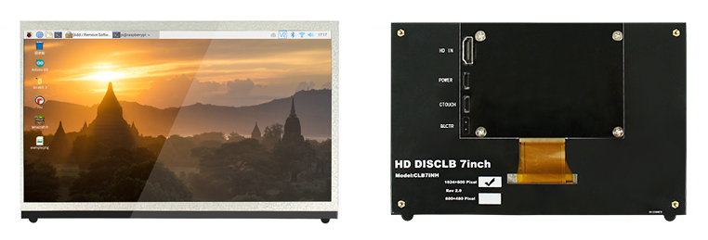
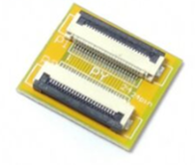
Category 目录 | Description 描述 | Qty 数量 | Notes
Fasteners 紧固件 | M5x8 SHCS (圆柱头内六角螺丝) | 2
 | M3x8 SHCS ( 圆柱头内六角螺丝) | 16
 | M3x12 FHCS (沉头内六角螺丝) | 4
 | M5 T-nut HNTAJ5-5 (弹珠螺母) | 2
 | M3 Threaded Insert (热熔螺母) | 4
Electronics 电子 | 7 inch capacitive touch screen 1024x600px | 1
 | FPC Docking Board 50Pin 0.5mm (FPC对接板) | 1
 | FPC Docking Board 6Pin 0.5mm (FPC对接板) | 1
 | FPC Cable 50Pin 0.5mm Same-Direction 10cm (FPC 排线 同向) | 1
 | FPC Cable 6Pin 0.5mm Same-Direction 10cm (FPC 排线 同向) | 1
 | Micro USB Cable (Micro USB线) | 1 | Usually included in the screen (通常在屏幕中附赠)
 | HDMI to micro-HDMI Cable (HDMI 转 micro-HDMI 线) | 1 | Usually included in the screen (通常在屏幕中附赠)
Misc 杂类 | 3M double-sided tape

