Атом
Атомы с субъеденицей | Атомы без субъеденицы
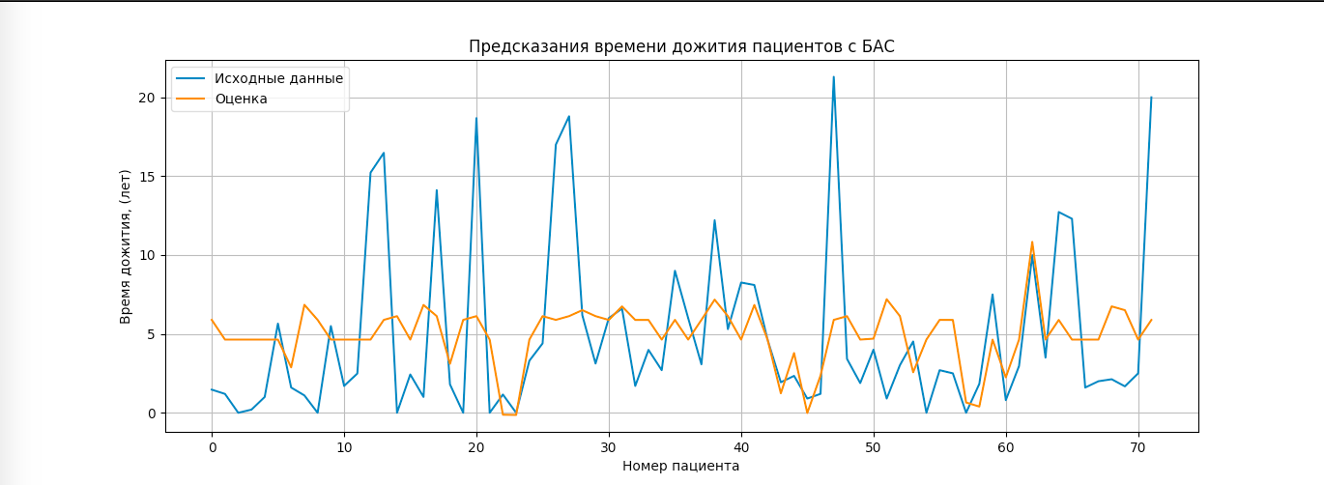
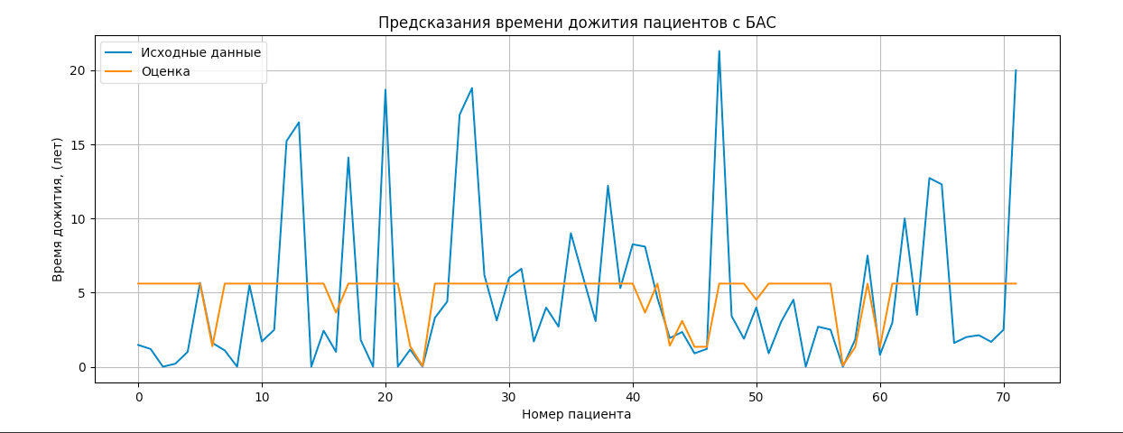

 | OLS Regression Results
OLS Regression Results | ==============================================================================
============================================================================== | Dep. Variable: y R-squared: 0.080
Dep. Variable: y R-squared: 0.119 | Model: OLS Adj. R-squared: -0.037
Model: OLS Adj. R-squared: -0.026 | Method: Least Squares F-statistic: 0.6854
Method: Least Squares F-statistic: 0.8218 | Date: Thu, 28 Oct 2021 Prob (F-statistic): 0.703
Date: Thu, 28 Oct 2021 Prob (F-statistic): 0.609 | Time: 19:33:58 Log-Likelihood: -221.09
Time: 19:39:33 Log-Likelihood: -219.55 | No. Observations: 72 AIC: 460.2
No. Observations: 72 AIC: 461.1 | Df Residuals: 63 BIC: 480.7
Df Residuals: 61 BIC: 486.1 | Df Model: 8
Df Model: 10 | Covariance Type: nonrobust
Covariance Type: nonrobust | ==============================================================================
============================================================================== | coef std err t P>|t| [0.025 0.975]
coef std err t P>|t| [0.025 0.975] | ------------------------------------------------------------------------------
------------------------------------------------------------------------------ | const -7.4691 19.876 -0.376 0.708 -47.189 32.251
x1 79.2509 119.998 0.660 0.511 -160.700 319.202 | x1 -0.3266 23.949 -0.014 0.989 -48.184 47.531
x2 -19.8050 36.064 -0.549 0.585 -91.920 52.310 | x2 -0.0042 0.307 -0.014 0.989 -0.618 0.609
x3 6941.4747 1.09e+04 0.638 0.526 -1.48e+04 2.87e+04 | x3 5.5084 14.192 0.388 0.699 -22.851 33.868
x4 -2.3373 5.097 -0.459 0.648 -12.530 7.855 | x4 1.8707 12.910 0.145 0.885 -23.927 27.668
x5 3.5153 5.304 0.663 0.510 -7.092 14.122 | x5 -61.5500 1114.165 -0.055 0.956 -2288.031 2164.930
x6 -200.1591 267.370 -0.749 0.457 -734.798 334.479 | x6 44.0760 2145.646 0.021 0.984 -4243.655 4331.807
x7 31.5604 172.291 0.183 0.855 -312.958 376.079 | x7 -0.5745 1.529 -0.376 0.708 -3.630 2.481
const -2046.9398 2990.632 -0.684 0.496 -8027.077 3933.198 | x8 -146.6502 185.693 -0.790 0.433 -517.727 224.427
x8 84.9034 114.303 0.743 0.460 -143.660 313.467 | x9 -0.1638 2.669 -0.061 0.951 -5.498 5.170
x9 -0.4314 0.302 -1.426 0.159 -1.036 0.173 | x10 -2.2156 251.232 -0.009 0.993 -504.262 499.831
x10 12.3958 10.018 1.237 0.221 -7.637 32.429 | ==============================================================================
============================================================================== | Omnibus: 21.916 Durbin-Watson: 1.739
Omnibus: 21.664 Durbin-Watson: 1.769 | Prob(Omnibus): 0.000 Jarque-Bera (JB): 28.617
Prob(Omnibus): 0.000 Jarque-Bera (JB): 28.164 | Skew: 1.412 Prob(JB): 6.11e-07
Skew: 1.388 Prob(JB): 7.66e-07 | Kurtosis: 4.249 Cond. No. 5.26e+18
Kurtosis: 4.296 Cond. No. 2.39e+06
==============================================================================

Остатки
Полностью донор-акцептор | Остаток с субъедениц
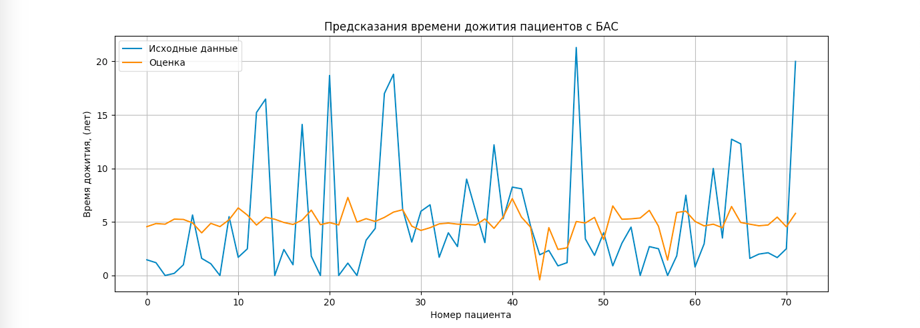
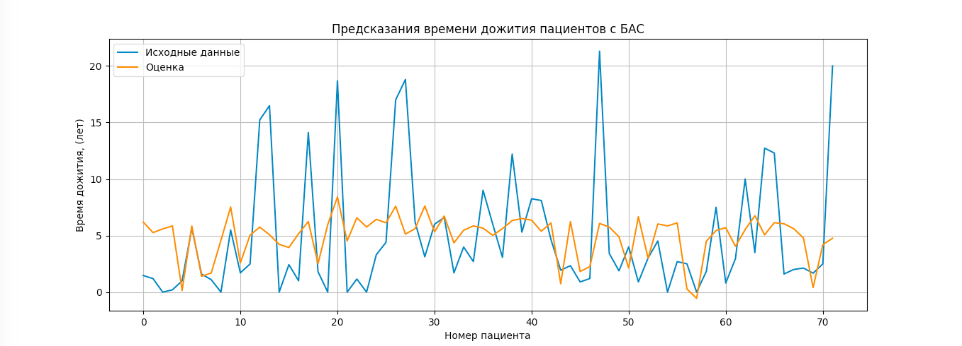

OLS Regression Results | OLS Regression Results
============================================================================== | ==============================================================================
Dep. Variable: y R-squared: 0.085 | Dep. Variable: y R-squared: 0.121
Model: OLS Adj. R-squared: 0.016 | Model: OLS Adj. R-squared: 0.025
Method: Least Squares F-statistic: 1.227 | Method: Least Squares F-statistic: 1.264
Date: Thu, 28 Oct 2021 Prob (F-statistic): 0.307 | Date: Thu, 28 Oct 2021 Prob (F-statistic): 0.283
Time: 19:25:56 Log-Likelihood: -220.90 | Time: 19:37:20 Log-Likelihood: -219.44
No. Observations: 72 AIC: 453.8 | No. Observations: 72 AIC: 454.9
Df Residuals: 66 BIC: 467.5 | Df Residuals: 64 BIC: 473.1
Df Model: 5 | Df Model: 7
Covariance Type: nonrobust | Covariance Type: nonrobust
============================================================================== | ==============================================================================
coef std err t P>|t| [0.025 0.975] | coef std err t P>|t| [0.025 0.975]
------------------------------------------------------------------------------ | ------------------------------------------------------------------------------
x1 -30.6642 26.038 -1.178 0.243 -82.650 21.322 | x1 -29.7912 25.968 -1.147 0.256 -81.669 22.087
x2 26.6488 19.775 1.348 0.182 -12.834 66.131 | x2 52.7094 26.375 1.998 0.050 0.019 105.400
x3 -4.222e+05 3.45e+05 -1.225 0.225 -1.11e+06 2.66e+05 | x3 -5.983e+05 3.71e+05 -1.611 0.112 -1.34e+06 1.44e+05
x4 -32.4607 25.409 -1.278 0.206 -83.192 18.270 | x4 -2151.6197 1459.806 -1.474 0.145 -5067.918 764.679
x5 -1.4263 2.793 -0.511 0.611 -7.003 4.150 | x5 -8488.6154 1.03e+04 -0.825 0.413 -2.9e+04 1.21e+04
const 1977.2137 1632.161 1.211 0.230 -1281.500 5235.928 | x6 -10.3433 29.159 -0.355 0.724 -68.595 47.909
============================================================================== | x7 -17.0280 10.356 -1.644 0.105 -37.716 3.660
Omnibus: 18.670 Durbin-Watson: 1.780 | const 3243.6365 1816.041 1.786 0.079 -384.323 6871.596
Prob(Omnibus): 0.000 Jarque-Bera (JB): 22.660 | ==============================================================================
Skew: 1.276 Prob(JB): 1.20e-05 | Omnibus: 21.118 Durbin-Watson: 1.780
Kurtosis: 4.018 Cond. No. 2.23e+08 | Prob(Omnibus): 0.000 Jarque-Bera (JB): 27.158
============================================================================== | Skew: 1.354 Prob(JB): 1.27e-06
 | Kurtosis: 4.310 Cond. No. 2.42e+08
 | ==============================================================================

