staff
TASK 1 |  |  |  |  | Task4
Employee | Department | Salary | Experience | Status | Eligibility | Total Salary | Average | MAX | MIN | COUNT
Kiran | IT | 60000 | 6 | Active | Eligible | 359000.18 | 39888.908889 | 60000 | 0.18 | 9
Arjun | IT | 55000 | 5 | Active | Eligible
Meena | IT | 52000 | 5 | Active | Eligible
Rohit | Sales | 45000 | 4 | Active | Eligible
Priya | HR | 42000 | 3 | Active | Eligible
Sneha | Sales | 38000 | 2 | Active | Eligible
Rahul | Sales | 35000 | 2 | Active | Eligible
Anjali | HR | 32000 | 1 | Inactive | Not eligible
TASK2 |  |  | Task3
PRODUCT | PRICE | GST | GST Amount
PEN | 5 | 18% | 0.9
PENCIL | 10 |  | 1.8
ERASER | 2 |  | 0.36

Task5
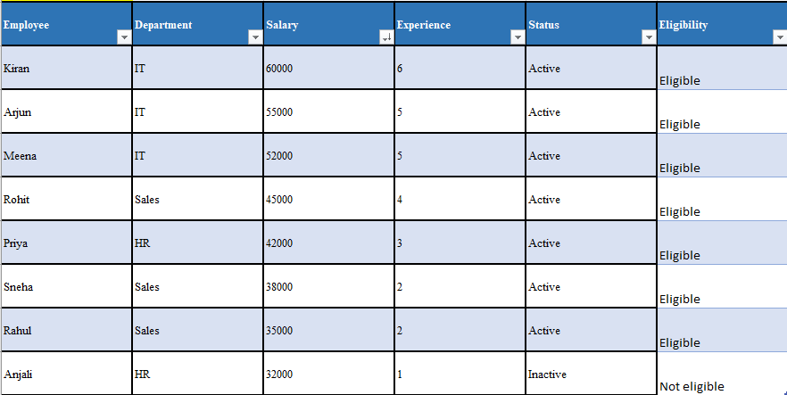

Task6

