Sheet1
2007 Figures |  | 2008 Figures |  | 2009 Figures |  | Population Variance | Total
Month | Amount | Month | Acount | Month | Acount
Jan-07 | 15,000 | Jan-08 | 17,500 | Jan-09 | 13,000 | 6,170,525 | 15,000
Feb-07 | 14,500 | Feb-08 | 12,000 | Feb-09 | 15,000 |  | 14,500
Mar-07 | 14,500 | Mar-08 | 16,000 | Mar-09 | 14,000 |  | 14,500
Apr-07 | 14,000 | Apr-08 | 19,000 | Apr-09 | 16,500 | Sample Variance | 14,000
May-07 | 16,000 | May-08 | 17,000 | May-09 | 20,000 | 6346825.3968 | 16,000
Jun-07 | 9,500 | Jun-08 | 10,500 | Jun-09 | 12,500 |  | 9,500
Jul-07 | 13,500 | Jul-08 | 11,000 | Jul-09 | 14,000 |  | 13,500
Aug-07 | 17,000 | Aug-08 | 12,500 | Aug-09 | 18,500 |  | 17,000
Sep-07 | 11,000 | Sep-08 | 13,000 | Sep-09 | 14,500 |  | 11,000
Oct-07 | 15,000 | Oct-08 | 15,500 | Oct-09 | 13,000 |  | 15,000
Nov-07 | 17,500 | Nov-08 | 15,000 | Nov-09 | 13,000 |  | 17,500
Dec-07 | 18,000 | Dec-08 | 17,500 | Dec-09 | 17,000 |  | 18,000
 |  |  |  |  |  |  | 17,500
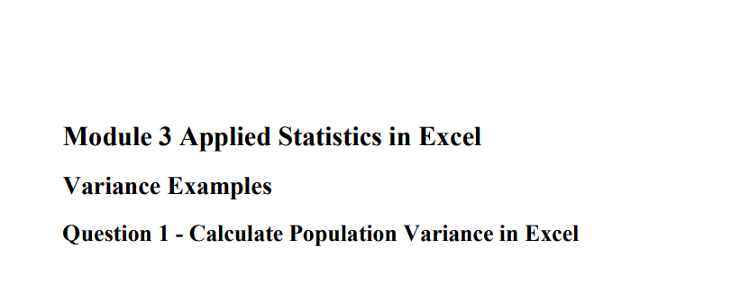
 |  |  |  |  |  |  | 12,000
 |  |  |  |  |  |  | 16,000
 |  |  |  |  |  |  | 19,000
 |  |  |  |  |  |  | 17,000
 |  |  |  |  |  |  | 10,500
 |  |  |  |  |  |  | 11,000
 |  |  |  |  |  |  | 12,500
 |  |  |  |  |  |  | 13,000
 |  |  |  |  |  |  | 15,500
 |  |  |  |  |  |  | 15,000
 |  |  |  |  |  |  | 17,500
 |  |  |  |  |  |  | 13,000
 |  |  |  |  |  |  | 15,000
 |  |  |  |  |  |  | 14,000
 |  |  |  |  |  |  | 16,500
 |  |  |  |  |  |  | 20,000
 |  |  |  |  |  |  | 12,500
 |  |  |  |  |  |  | 14,000
 |  |  |  |  |  |  | 18,500
 |  |  |  |  |  |  | 14,500
 |  |  |  |  |  |  | 13,000
 |  |  |  |  |  |  | 13,000
 |  |  |  |  |  |  | 17,000

