Feedbacks
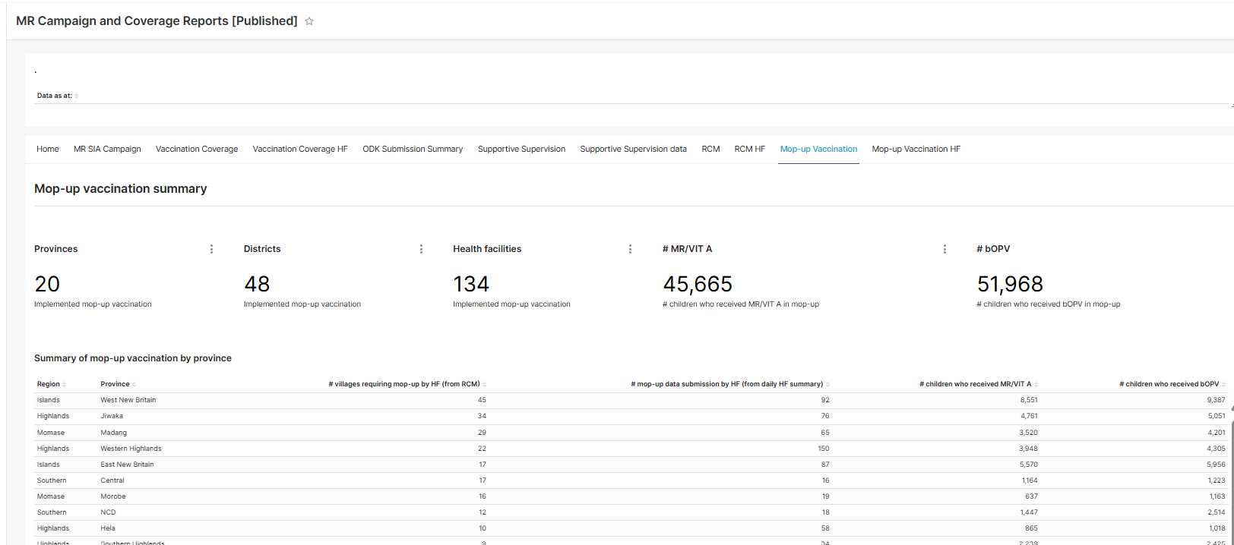
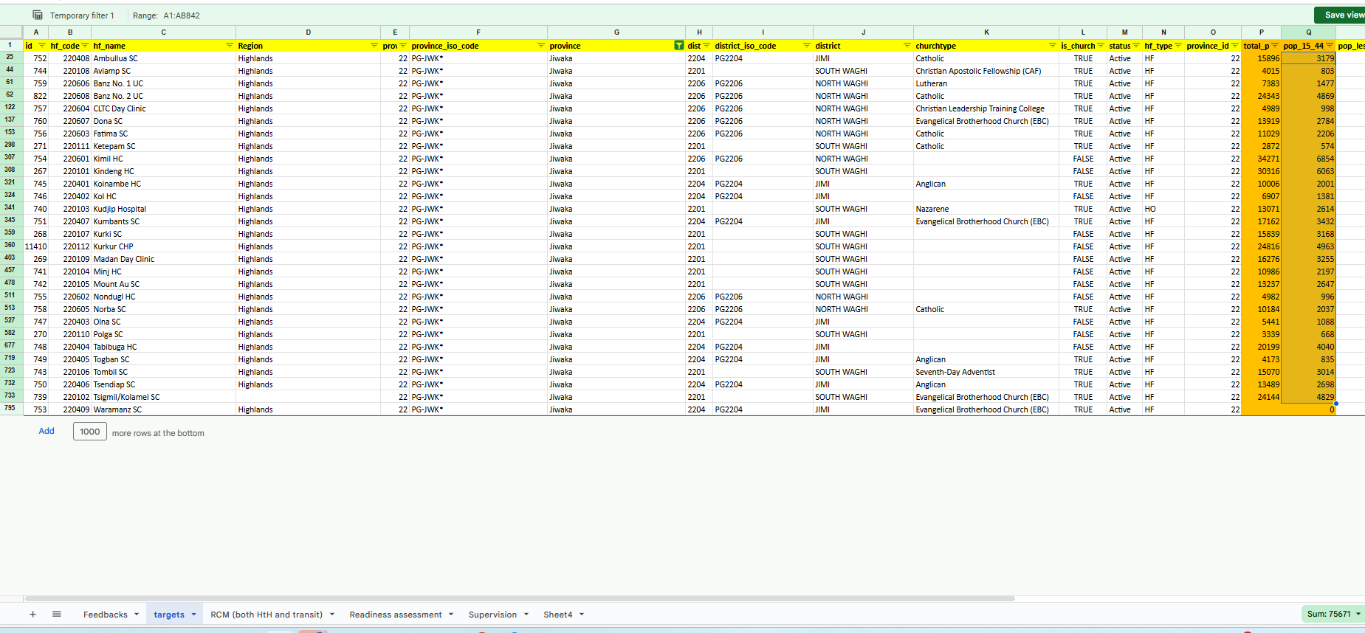
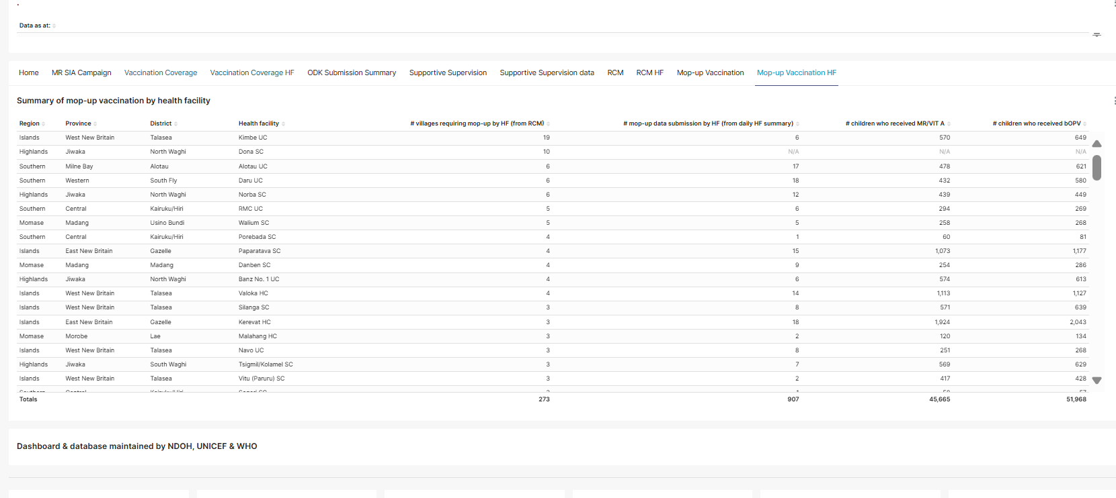
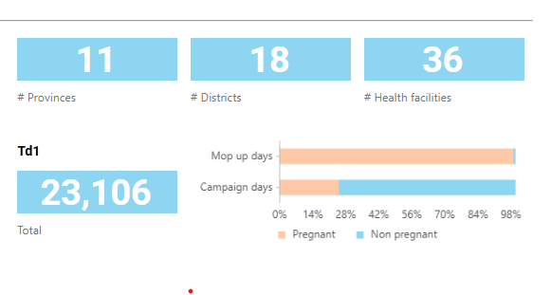
 |  | Feedbacks
No | Dashboard name | Area of focus | Type of action (new item or update existing item) | Description or suggetions | Ona comment | Client review (pending/Completed
1 | MNTE daily summary report | Vaccination campaign health facility report | new item | Add campaign days/ mop up days in filter | Added to the dashboard | completed
2 | MNTE daily summary report | Vaccination campaign health facility report | new item | Can we add a table for HFs below district number? Understood graph is not possible for HFs (table with Td1,Td2,Td3- target and number achieved (but there is another report of coverage in the coverage report page)
3 | MNTE daily summary report | Vaccine coverage report | update existing item | filter- round - will it show all three rounds in filter? | Yes this will show depending on the captured data | completed
4 | MNTE daily summary report | Td vaccination coverage summary | update existing item | (take out total vaccinated and % vaccinated towards target- We don’t count total mixing all the vaccination) |  | please update the status
5 | MNTE daily summary report | Td vaccination coverage summary | new item | add Summary table- no disgrégation by prégnance /non pregnancy (refer to picture summary table)- refer to fig on the right | Added the table for Coverage by Vaccine | completed. Please double check the formula: can you please share the formula used at the backend ( the denominiator must be the targerted number of girls and women (both pregrant and non-pregnant) | 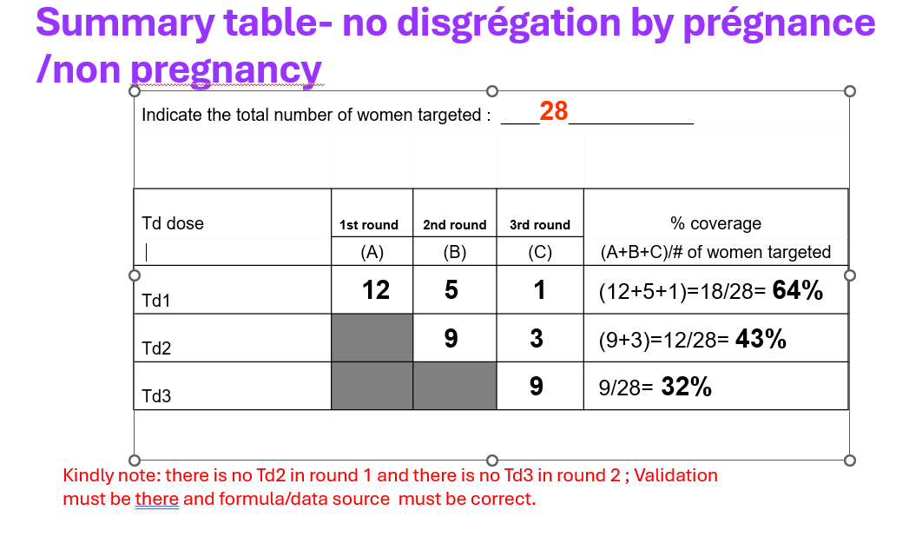
6 | Vaccination coveraage | Td vaccination coverage summary | new item | Add round coverage (per round) – in summary- Calculation of coverage following an SIA . Target s the 15-44 yrs (not disaggregation here)- refer to fig on the right | Added the table for Coverage by Round | competed | 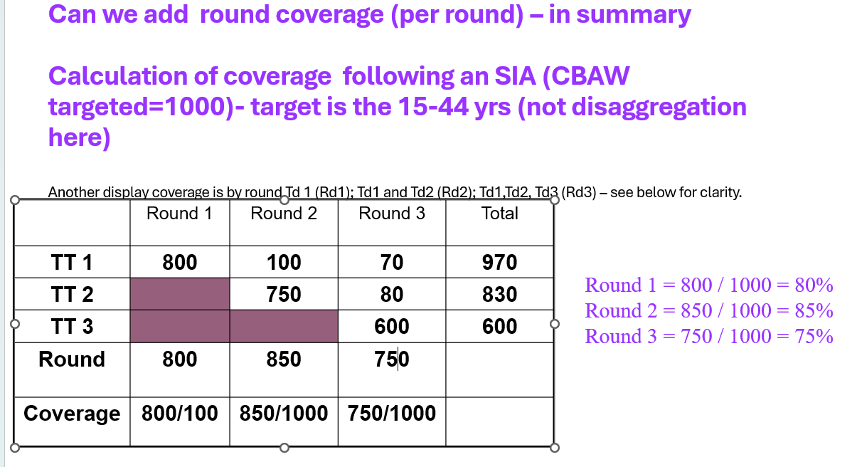
7 | Vaccination coveraage | Coverage at provincal level | update existing item | Overall, does not mean – aggregation of all. It should be Td1, Td2, Td3 – replace the graph the same as pregnant , non-pregnant. there should be data label below the graph; | Fixed | completed | 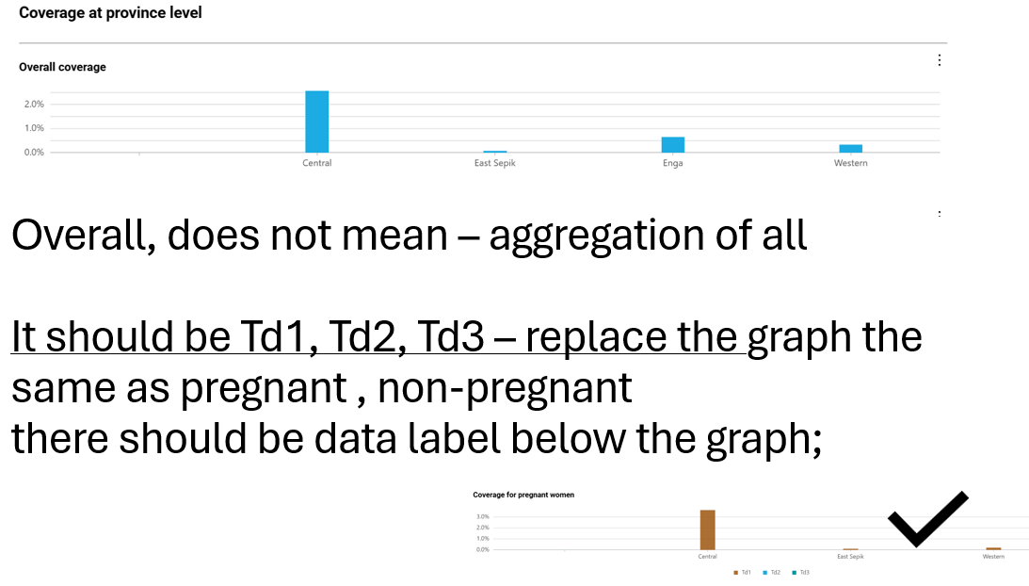
8 | Vaccination coveraage | Coverage at district level | update existing item | same as above | Fixed | completed
9 | Vaccination coveraage | coverage at health facility level | update existing item | please replace coverage - Td1, Td2, Td3 covearage | Added the Td1, Td2, and Td3 as coverage | 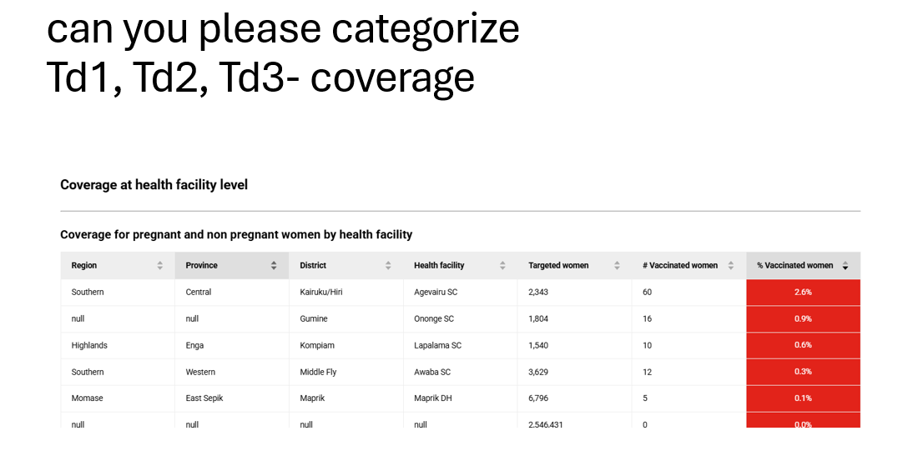 completed
10 | Vaccination coveraage | coverage at provincal level, district level , hf level | update existing item | please check the barchart label- it is showing 482%(refer to figure on the right) | This is dummy data, so expected | noted | 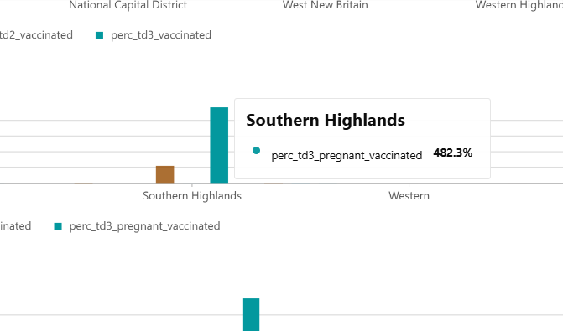
11 | Vaccination coveraage | coverage at national level | update existing item | add the breakdown of coverage by Pregannat and non-pregant (like in Province and district) - no need of graph or chart as it is % national levle | Not sure if this is needed, each geographical level has a chart for the same | thanks we need to see at the national level as well. kindly add for national level
12 | MNTE daily summary report | Vaccination campaign Health Facility Daily Summary Report | update existing item | add the filter for mopping up as the data collection tool has two categories - campaign days and mopup dayus | This filter already exists | agree. completed | 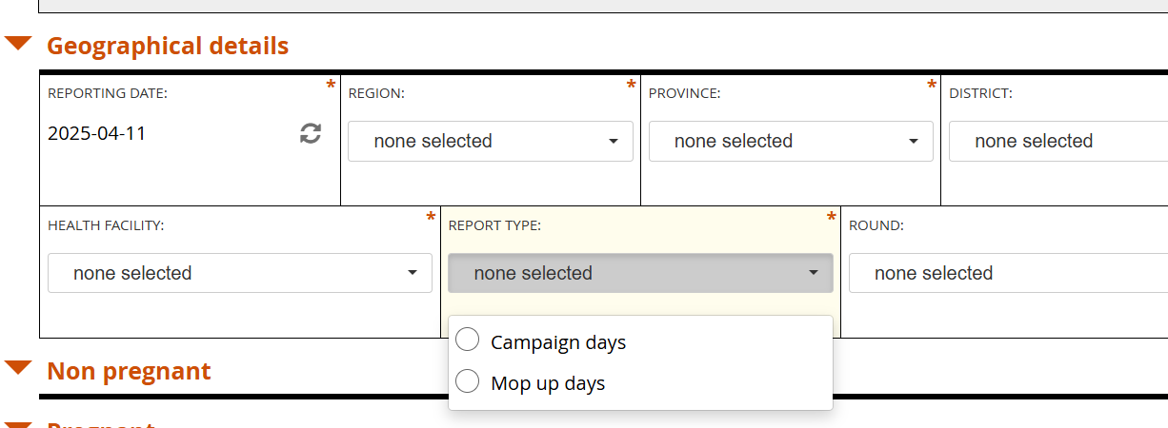
13 | MNTE daily summary report | Mopping up vaccination | new item | mop-up coverage for each round) and by province, district and health facility; total women (with category of pregnant women and non-pregnant) | Replied via email | If there are 2 or more missed women in the RCM response, ( two no response from this question” Did the woman receive a Td vaccine during the SIA?), we will take as required for Mop-up.please find the example below; refer to MR campaign dashbaord too. ( please record by round)
14 | MNTE daily summary report | Mopping up vacciation HF (raw data) | new item (refer to MR campaign dashboard) | raw data for extraction (similar to MR campaign superset dashboard) | Replied via email | please find the example below; refer to MR campaign dashbaord too.
15 | MNTE daily summary report | Reach- the bar chart | update existing item | bar chart- pregnant and non-pregnant dsiplay - to simply Embed the proportion % inside the bar chart ( instedad of % at the legend) | Updated. | completed
16 | MNTE daily summary report | Provincial, disrrict coverage bar chart | update existing item | display all provinces, districts in each province in legend by default- regardless of the data input (zero or none) - differnt display for zero and none data | Replied via email | 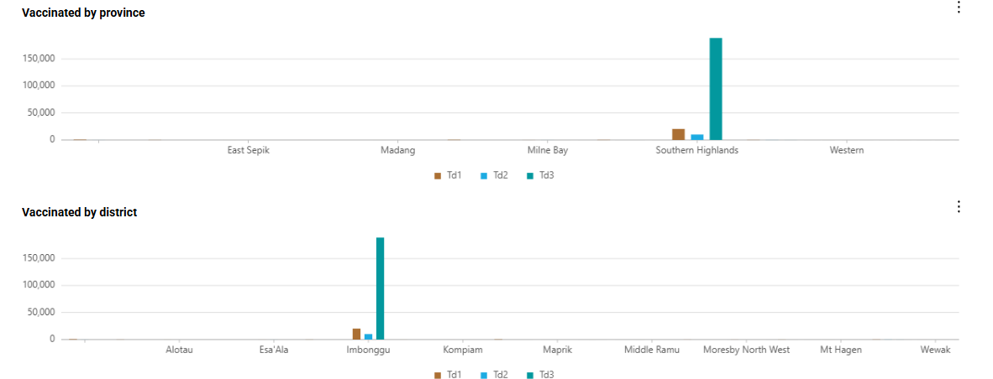 we agree not to display non-reporting level in the garpah but keep or list all the provinces/distirct in the tablet so that we know which is reporting and which is not reporting
17 | MNTE daily summary report | all display charts and tables | update existing item | the filter of mop-up days and campaign days are not working for the summary table; if you filter mop-up days the number is the same as the campaign days. please check and update the dashboard data formula in relation to the filter of mop-up days and campaing days |  | completed
18 | RCM (List of villages of eligible women who did not receive Td vaccines) |  | new item | add List of villages of eligible women who did not receive Td vaccines ( from the House to House RCM); the current table is only from the transit point |  | completred
19 | summary table of coverage report | data discrepancy | update existing item | Jiwaka provincial target from the provided table (sheet 2 of this excel) is 75671 whereas the dashboard target show 70,841. please check the data query for JIwaka, plesae see the two screenshorts for comparison
20 | RCM | provinces visited by different organization is blank wehre are there are data in the other forms | update existing item | provinces visited by different organization is blank wehre are there are data in the other forms

 | Mop-up vaccination summary | If there are 2 or more missed women in the RCM response, ( two no response from this question” Did the woman receive a Td vaccine during the SIA?), we will take as required for Mop-up.

