Overview
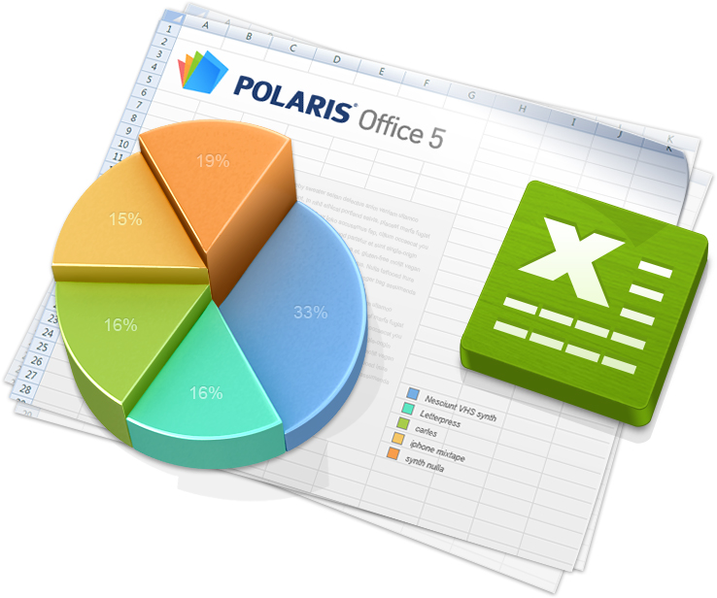

 | Editing worksheets
With Polaris Office, you can create new .xls and .xlsx sheets or edit your worksheets with ease. However, the format of new documents is provided as .xlsx only.

Feature
My Notes
Draws shape and tables with the pen.
Insert
You can insert an object.
Properties
You can adjust the properties of an object.
Menu
You can call up the menu.
Manage Worksheet
Tap the sheet name on the bottom to bring up the pop-up menu. Select Insert, Copy, or Delete. Double-tap the sheet name to rename it. Tap and hold the sheet name to move the sheet forward or backward.

Edit Cell
Tap the Keypad icon at the left-hand corner of the format input window on the top to change the keypad type (number keypad, text keypad, or formula keypad). If there is any text entered in the cell, the appropriate keypad will automatically be selected and displayed according to the format settings.

Select a cell and then tap the pointer to bring up the pop-up menu. From the pop-up menu, tap the Add Note button to insert a note. The note mark will appear. To view or edit the note, tap the Edit Note button in the pop-up menu.

Compose Formula
Select the cell where you want to insert the formula, and then tap the Function icon at the left of the formula input window. You can see the list of functions. You can directly select frequently-used functions, such as the Sum Mean, Count Nums, Max, and Min operations through Quick Execute.

Copy and Paste
Select a cell and then tap the pointer to display the pop-up menu. From the pop-up menu, tap the Copy icon to copy the number, formula, or the format. Select the Copy Format icon to copy the format only. Select a cell to paste them and then paste the numbers, formulas, or formats selectively through the pop-up menu.

Font/Number/Cell Format
Select a cell or text and then tap the Properties icon at the top to bring up the Properties panel. On each tab, you can set Font, Arrange, Number Format, and Cell Format for the current tab. When you select the Apply option, the settings are applied to the cell immediately.

Insert Object
Tap the Insert icon in the Title bar and select the icon for the type of object you want to insert, such as image, shape, table, or chart. You can insert images, shapes, tables, or charts by selecting them in the Gallery, or insert images by taking a picture using the camera on your device.

Object Format
Select the object for which you want to change the format and then tap the Properties icon in the Title bar to bring up the Properties Panel for each object. You can set the Brightness, Contrast, Transparency, and Shadow of images, the Color, Border, 3D Rotation, and Alignment of shapes, and the Shape, Layout, and Style of tables and charts.

Conditional Format
Select the cell that you want to apply a conditional format to and tap the pointer to bring up the pop-up menu. In the pop-up menu, tap the Conditional Format button to bring up the Properties panel. In Properties panel, you can set Highlight Cells Rules, Top/Bottom Rules, and Color Scale Rules.

Select Multiple Objects
Select an object, such as an image, shape, or chart, to display the pop-up menu. Tap the Multi Select icon in the pop-up menu and then tap multiple objects to select multiple objects at once. You can adjust the size or move the selected objects. After selecting the objects, tap the Properties icon in the Title bar to align the selected objects.

Draw Shape with Pen
Tap the My Notes icon in the Title bar and then select the Shape icon to draw a shape with the pen.

Multi Select with Pen
Tap the My Notes icon in the Title bar and then tap the Lasso icon to select multiple objects with the Lasso tool.

