Sheet1
 | ASSIGNMENT - 1

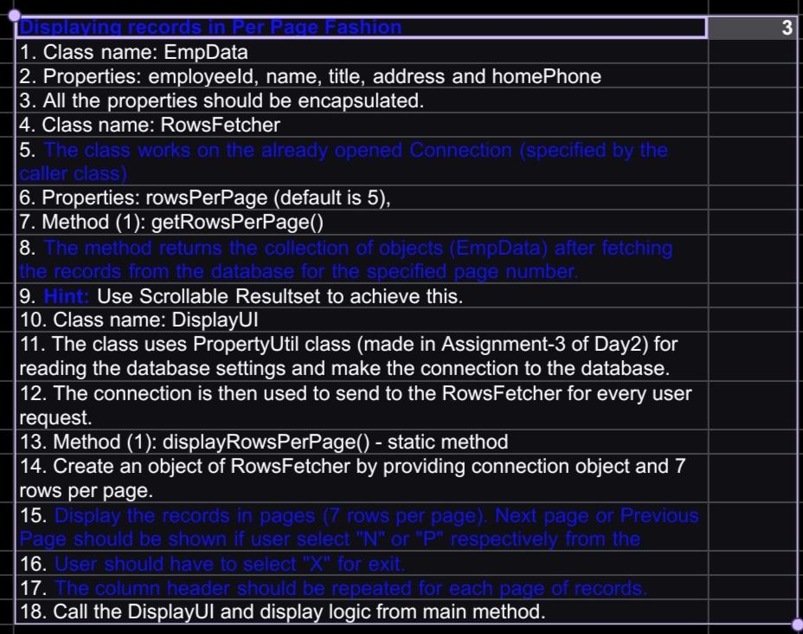

public class EmpData {
private int employeeId;
private String firstName;
private String lastName;
private String title;
private String city;
private String country;
private String homePhone;

// Constructor
public EmpData(int employeeId, String firstName, String lastName, String title, String city, String country, String homePhone) {
this.employeeId = employeeId;
this.firstName = firstName;
this.lastName = lastName;
this.title = title;
this.city = city;
this.country = country;
this.homePhone = homePhone;
}

// Getters
public int getEmployeeId() {
return employeeId;
}

public String getFirstName() {
return firstName;
}

public String getLastName() {
return lastName;
}

public String getTitle() {
return title;
}

public String getCity() {
return city;
}

public String getCountry() {
return country;
}

public String getHomePhone() {
return homePhone;
}
}

import java.sql.DriverManager;
import java.sql.SQLException;
import java.util.InputMismatchException;
import java.util.List;
import java.util.Scanner;

public class DisplayUI {
public static void displayRowsPerPage(Connection connection) {
try (Scanner scanner = new Scanner(System.in)) {
RowsFetcher rowsFetcher = new RowsFetcher(7);
int pageNumber = 1;
while (true) {
System.out.println("Page Number: " + pageNumber);
List<EmpData> empDataList = rowsFetcher.getRowsPerPage(connection, pageNumber);
if (empDataList.isEmpty()) {
System.out.println("No more records to display.");
break;
}

System.out.println("EmployeeId\tName\tTitle\tAddress\tHomePhone");
for (EmpData empData : empDataList) {
System.out.println(empData.getEmployeeId() + "\t" + empData.getName() + "\t" +
empData.getTitle() + "\t" + empData.getAddress() + "\t" + empData.getHomePhone());
}

System.out.println("Options: N - Next Page, P - Previous Page, X - Exit");
String option = scanner.nextLine().toUpperCase();

switch (option) {
case "N":
pageNumber++;
break;
case "P":
if (pageNumber > 1) {
pageNumber--;
} else {
System.out.println("Already at the first page.");
}
break;
case "X":
System.out.println("Exiting...");
return;
default:
System.out.println("Invalid option. Please try again.");
}
}
} catch (SQLException | InputMismatchException e) {
e.printStackTrace();
}
}

public static void main(String[] args) {
String url = "jdbc:mysql://localhost:3306/Northwind";
String username = "root";
String password = "9812134298"; // Consider using more secure methods for storing passwords

try (Connection connection = DriverManager.getConnection(url, username, password)) {
displayRowsPerPage(connection);
} catch (SQLException e) {
e.printStackTrace();
}
}

import java.sql.PreparedStatement;
import java.sql.ResultSet;
import java.sql.SQLException;
import java.util.ArrayList;
import java.util.List;

public class RowsFetcher {
private int rowsPerPage = 5;

// Constructor
public RowsFetcher() {
}

public RowsFetcher(int rowsPerPage) {
this.rowsPerPage = rowsPerPage;
}

public int getRowsPerPage() {
return rowsPerPage;
}

public void setRowsPerPage(int rowsPerPage) {
this.rowsPerPage = rowsPerPage;
}

public List<EmpData> getRowsPerPage(Connection connection, int pageNumber) throws SQLException {
List<EmpData> empDataList = new ArrayList<>();
int startRow = (pageNumber - 1) * rowsPerPage;

String query = "SELECT * FROM Employee LIMIT ?, ?";
try (PreparedStatement preparedStatement = connection.prepareStatement(query)) {
preparedStatement.setInt(1, startRow);
preparedStatement.setInt(2, rowsPerPage);

try (ResultSet resultSet = preparedStatement.executeQuery()) {
while (resultSet.next()) {
EmpData empData = new EmpData(
resultSet.getInt("employee_id"), // Corrected column name
resultSet.getString("first_name"),
resultSet.getString("last_name"),
resultSet.getString("title"),
resultSet.getString("city"),
resultSet.getString("country"),
resultSet.getString("homephone") // Corrected column name
);
empDataList.add(empData);
}
}
}

return empDataList;
}
}

import java.sql.Connection;
import java.sql.DriverManager;
import java.sql.SQLException;

public class Main {
public static void main(String[] args) {
String url = "jdbc:mysql://localhost:3306/northwind";
String username = "root";
String password = "root";

try {
// Load the MySQL JDBC driver
Class.forName("com.mysql.cj.jdbc.Driver");

// Establish connection
Connection connection = DriverManager.getConnection(url, username, password);

// Use the connection

// Close the connection when done
connection.close();
} catch (ClassNotFoundException e) {
e.printStackTrace();
} catch (SQLException e) {
e.printStackTrace();
}
}
}

 | ASSIGNMENT -2

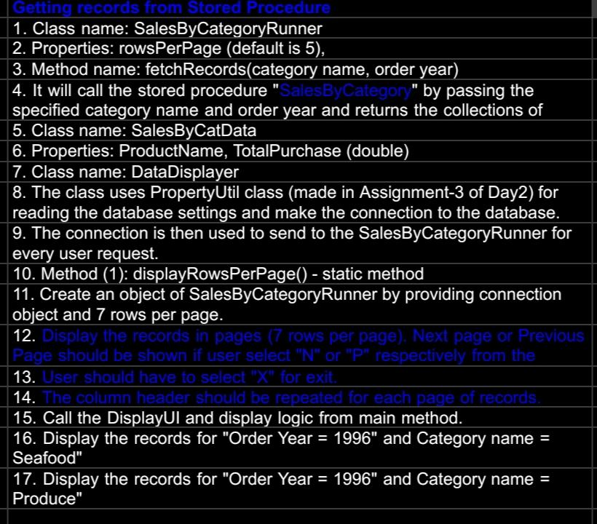

import java.sql.CallableStatement;
import java.sql.Connection;
import java.sql.ResultSet;
import java.sql.SQLException;
import java.util.ArrayList;
import java.util.List;

public class SalesByCategoryRunner {
private int rowsPerPage = 5;

// Constructor
public SalesByCategoryRunner() {
}

public SalesByCategoryRunner(int rowsPerPage) {
this.rowsPerPage = rowsPerPage;
}

public int getRowsPerPage() {
return rowsPerPage;
}

public void setRowsPerPage(int rowsPerPage) {
this.rowsPerPage = rowsPerPage;
}

public List<SalesByCatData> fetchRecords(Connection connection, String categoryName, int orderYear) throws SQLException {
List<SalesByCatData> salesByCatDataList = new ArrayList<>();

try (CallableStatement callableStatement = connection.prepareCall("{call SalesByCategory(?, ?)}")) {
callableStatement.setString(1, categoryName);
callableStatement.setInt(2, orderYear);
try (ResultSet resultSet = callableStatement.executeQuery()) {
while (resultSet.next()) {
SalesByCatData data = new SalesByCatData(
resultSet.getString("ProductName"),
resultSet.getDouble("TotalPurchase")
);
salesByCatDataList.add(data);
}
}
}
return salesByCatDataList;
}

public class SalesByCatData {
private String productName;
private double totalPurchase;

// Constructor
public SalesByCatData(String productName, double totalPurchase) {
this.productName = productName;
this.totalPurchase = totalPurchase;
}

// Getters and Setters
public String getProductName() {
return productName;
}

public void setProductName(String productName) {
this.productName = productName;
}

public double getTotalPurchase() {
return totalPurchase;
}

public void setTotalPurchase(double totalPurchase) {
this.totalPurchase = totalPurchase;
}
}

import java.sql.Connection;
import java.sql.DriverManager;
import java.sql.SQLException;
import java.util.InputMismatchException;
import java.util.List;
import java.util.Scanner;

public class DataDisplayer {
public static void displayRowsPerPage(Connection connection) {
try (Scanner scanner = new Scanner(System.in)) {
SalesByCategoryRunner runner = new SalesByCategoryRunner(7);
System.out.println("Displaying records for Order Year = 1996 and Category name = Seafood:");
displayRecords(runner, connection, "Seafood", 1996, scanner);

System.out.println("\nDisplaying records for Order Year = 1996 and Category name = Produce:");
displayRecords(runner, connection, "Produce", 1996, scanner);
} catch (SQLException | InputMismatchException e) {
e.printStackTrace();
}
}

private static void displayRecords(SalesByCategoryRunner runner, Connection connection, String categoryName, int orderYear, Scanner scanner) throws SQLException {
int pageNumber = 1;
while (true) {
System.out.println("Page Number: " + pageNumber);
List<SalesByCatData> salesByCatDataList = runner.fetchRecords(connection, categoryName, orderYear);
if (salesByCatDataList.isEmpty()) {
System.out.println("No more records to display.");
break;
}

System.out.println("ProductName\tTotalPurchase");
for (SalesByCatData data : salesByCatDataList) {
System.out.println(data.getProductName() + "\t" + data.getTotalPurchase());
}

System.out.println("Options: N - Next Page, P - Previous Page, X - Exit");
String option = scanner.nextLine().toUpperCase();

switch (option) {
case "N":
pageNumber++;
break;
case "P":
if (pageNumber > 1) {
pageNumber--;
} else {
System.out.println("Already at the first page.");
}
break;
case "X":
System.out.println("Exiting...");
return;
default:
System.out.println("Invalid option. Please try again.");
}
}
}

public static void main(String[] args) {
String url = "jdbc:mysql://localhost:3306/northwind";
String username = "root";
String password = "root"; // Consider using more secure methods for storing passwords

try (Connection connection = DriverManager.getConnection(url, username, password)) {
displayRowsPerPage(connection);
} catch (SQLException e) {
e.printStackTrace();
}
}
}

