Sheet1
ASSIGNMENT -1

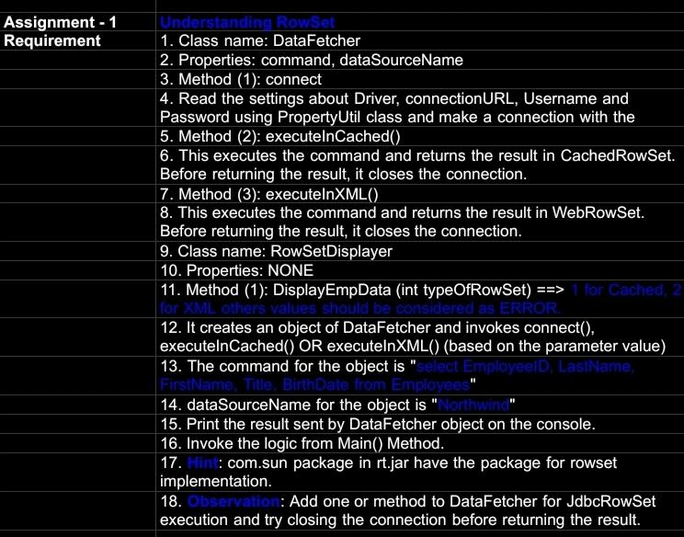

query:

import javax.sql.rowset.CachedRowSet;
import javax.sql.rowset.WebRowSet;
import java.sql.SQLException;

public class RowSetDisplayer {
public void displayEmpData(int typeOfRowSet) {
DataFetcher dataFetcher = new DataFetcher("select id, firstname,lastname, title, birthdate from Employees", "northwind");

switch (typeOfRowSet) {
case 1:
CachedRowSet cachedRowSet = dataFetcher.executeInCached();
displayResultSet(cachedRowSet);
break;
case 2:
WebRowSet webRowSet = dataFetcher.executeInXML();
displayResultSet(webRowSet);
break;
default:
System.out.println("ERROR: Invalid row set type.");
}
}

private void displayResultSet(CachedRowSet rowSet) {
try {
while (rowSet.next()) {
System.out.println("id: " + rowSet.getString("id") +
, firstname: + rowSet.getString("firstname") +
, lastname: + rowSet.getString("lastname") +
, title: + rowSet.getString("title") +
, birthdate: + rowSet.getString("birthdate"));
}
} catch (SQLException e) {
e.printStackTrace();
}
}

private void displayResultSet(WebRowSet rowSet) {
try {
 | while (rowSet.next()) {
System.out.println("id: " + rowSet.getString("id") +
, firstname: + rowSet.getString("firstname") +
, lastname: + rowSet.getString("lastname") +
, title: + rowSet.getString("title") +
, birthdate: + rowSet.getString("birthdate"));
}
} catch (SQLException e) {
e.printStackTrace();
}
}
}

import javax.sql.rowset.CachedRowSet;
import javax.sql.rowset.JdbcRowSet;
import javax.sql.rowset.WebRowSet;
import java.sql.*;

public class DataFetcher {
private String command;
private String dataSourceName;
private String url;
private String username;
private String password;

public DataFetcher(String command, String dataSourceName) {
this.command = command;
this.dataSourceName = dataSourceName;
this.url = "jdbc:mysql://localhost:3306/"+ dataSourceName;
this.username = "root";
this.password = "root";
}

public void connect() {
try {
Class.forName("com.mysql.cj.jdbc.Driver");
} catch (ClassNotFoundException e) {
e.printStackTrace();
}
}

public CachedRowSet executeInCached() {
connect();
try (Connection connection = DriverManager.getConnection(url, username, password);
PreparedStatement statement = connection.prepareStatement(command);
ResultSet resultSet = statement.executeQuery()) {

CachedRowSet cachedRowSet = javax.sql.rowset.RowSetProvider.newFactory().createCachedRowSet();
cachedRowSet.populate(resultSet);
return cachedRowSet;
} catch (SQLException e) {
e.printStackTrace();
return null;
}
}

public WebRowSet executeInXML() {
connect();
try (Connection connection = DriverManager.getConnection(url, username, password);
PreparedStatement statement = connection.prepareStatement(command);
ResultSet resultSet = statement.executeQuery()) {

WebRowSet webRowSet = javax.sql.rowset.RowSetProvider.newFactory().createWebRowSet();
webRowSet.populate(resultSet);
return webRowSet;
} catch (SQLException e) {
e.printStackTrace();
return null;
}
}

public JdbcRowSet executeInJdbc() {
connect();
try (Connection connection = DriverManager.getConnection(url, username, password)) {
JdbcRowSet jdbcRowSet = javax.sql.rowset.RowSetProvider.newFactory().createJdbcRowSet();
jdbcRowSet.setUrl(url);
jdbcRowSet.setUsername(username);
jdbcRowSet.setPassword(password);
jdbcRowSet.setCommand(command);
jdbcRowSet.execute();
return jdbcRowSet;
} catch (SQLException e) {
e.printStackTrace();
return null;
}
}
}

public class Main {
public static void main(String[] args) {
RowSetDisplayer displayer = new RowSetDisplayer();
displayer.displayEmpData(1); // Display using CachedRowSet
displayer.displayEmpData(2); // Display using WebRowSet
}
}

result:

ASSIGNMENT -2

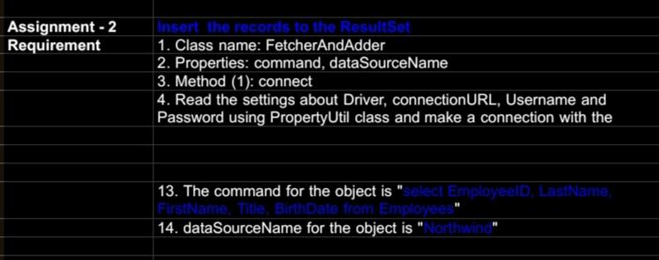

query:

import javax.sql.rowset.CachedRowSet; import java.sql.*; public class FetchAndAdder { private String command; private String url; private String username; private String password; private String dataSourceName; public FetchAndAdder(String command, String dataSourceName) { this.command = command; this.url = "jdbc:mysql://localhost:3306/"+ dataSourceName; this.username = "root"; this.password = "root"; } public void connect() { try { Class.forName("com.mysql.cj.jdbc.Driver"); } catch (ClassNotFoundException e) { e.printStackTrace(); } } public CachedRowSet fetchRecords() { connect(); try (Connection connection = DriverManager.getConnection(url, username, password); PreparedStatement statement = connection.prepareStatement(command); ResultSet resultSet = statement.executeQuery()) { CachedRowSet cachedRowSet = javax.sql.rowset.RowSetProvider.newFactory().createCachedRowSet(); cachedRowSet.populate(resultSet); return cachedRowSet; } catch (SQLException e) { e.printStackTrace(); return null; } } public void addRecord(int id, String firstname, String lastname, String title, Date birthDate) {

import java.sql.Connection;
import java.sql.PreparedStatement;
import java.sql.ResultSet;
import java.sql.SQLException;
import java.util.ArrayList;
import java.util.List;

public class RowsFetcher {
private int rowsPerPage = 5;

// Constructor
public RowsFetcher() {
}

public RowsFetcher(int rowsPerPage) {
this.rowsPerPage = rowsPerPage;
}

public int getRowsPerPage() {
return rowsPerPage;
}

public void setRowsPerPage(int rowsPerPage) {
this.rowsPerPage = rowsPerPage;
}

public List<EmpData> getRowsPerPage(Connection connection, int pageNumber) throws SQLException {
List<EmpData> empDataList = new ArrayList<>();
int startRow = (pageNumber - 1) * rowsPerPage;

String query = "SELECT * FROM Employee LIMIT ?, ?";
try (PreparedStatement preparedStatement = connection.prepareStatement(query)) {
preparedStatement.setInt(1, startRow);
preparedStatement.setInt(2, rowsPerPage);

try (ResultSet resultSet = preparedStatement.executeQuery()) {
while (resultSet.next()) {
EmpData empData = new EmpData(
resultSet.getInt("employee_id"), // Corrected column name
resultSet.getString("first_name"),
resultSet.getString("last_name"),
resultSet.getString("title"),
resultSet.getString("city"),
resultSet.getString("country"),
resultSet.getString("homephone") // Corrected column name
);
empDataList.add(empData);
}
}
}

return empDataList;
}
}

import javax.sql.rowset.CachedRowSet;
import java.sql.Date;
import java.sql.SQLException;

public class Main {
public static void main(String[] args) {
// Fetch records
FetcherAndAdder fetcherAndAdder = new FetcherAndAdder("select EmployeeID, LastName, FirstName, Title, BirthDate from Employees", "Northwind");
CachedRowSet cachedRowSet = fetcherAndAdder.fetchRecords();
displayResultSet(cachedRowSet);

// Add a new record
fetcherAndAdder.addRecord(999, "Doe", "John", "Manager", Date.valueOf("1990-01-01"));

// Display records after adding
cachedRowSet = fetcherAndAdder.fetchRecords();
displayResultSet(cachedRowSet);
}

private static void displayResultSet(CachedRowSet rowSet) {
try {
while (rowSet.next()) {
System.out.println("EmployeeID: " + rowSet.getString("EmployeeID") +
", LastName: " + rowSet.getString("LastName") +
", FirstName: " + rowSet.getString("FirstName") +
", Title: " + rowSet.getString("Title") +
", BirthDate: " + rowSet.getString("BirthDate"));
}
} catch (SQLException e) {
e.printStackTrace();
}
}

result:

