Sheet1
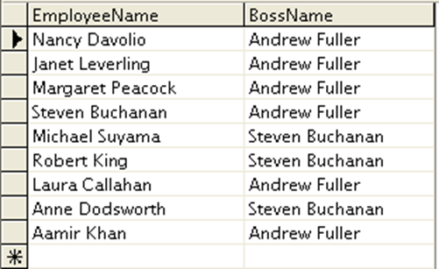
ASSIGNMENT - 1

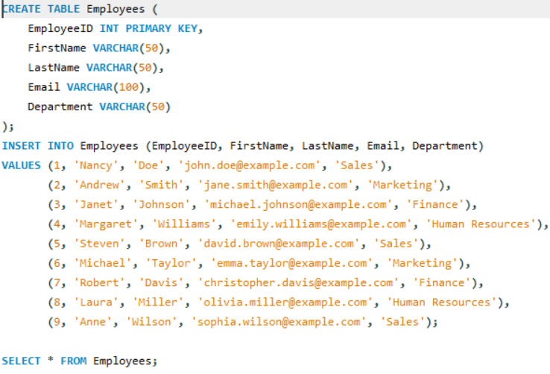
 |  |  | // created EMPLOYEES table and inserted values

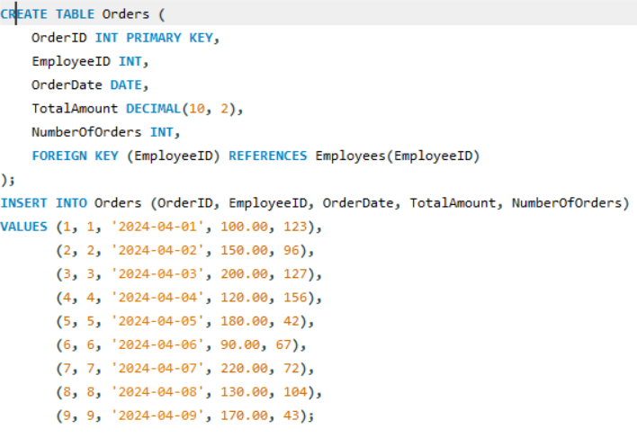
 |  |  | // created ORDERS table and inserted values

Display EmployeeID, Employee FirstName and Number Of Orders each employee has placed.

QUERY:

 | //This query displays EmployeeID, Employee FirstName, and the number of orders each employee has placed.

RESULT

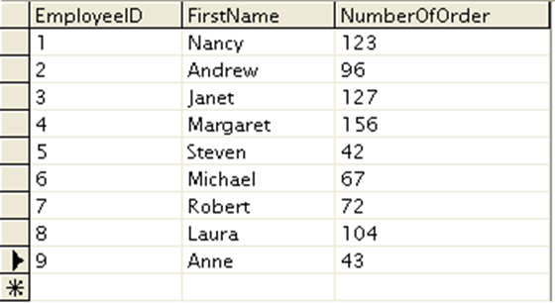

ASSIGNMENT - 2

 |  |  |  | // created orders table and inserted values

 |  |  |  |  | // created CUSTOMERS table

 |  |  |  |  | // created shippers table

Get all the Orders shipped by Speedy Express and customers at berlin city. | //This query retrieves all orders shipped by Speedy Express to customers located in Berlin.

QUERY:

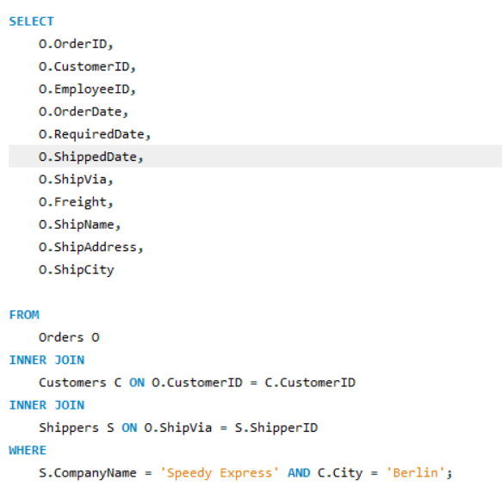

RESULT

ASSIGNMENT - 3

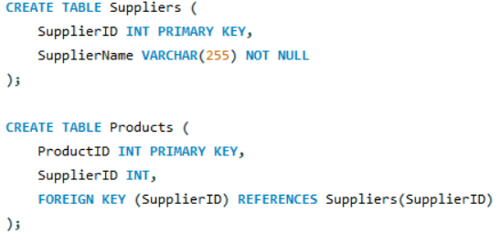
Get Supplier name and display count of product for which supplier is responsible.
 |  |  |  | //created suppliers table

 |  |  |  | // created products table

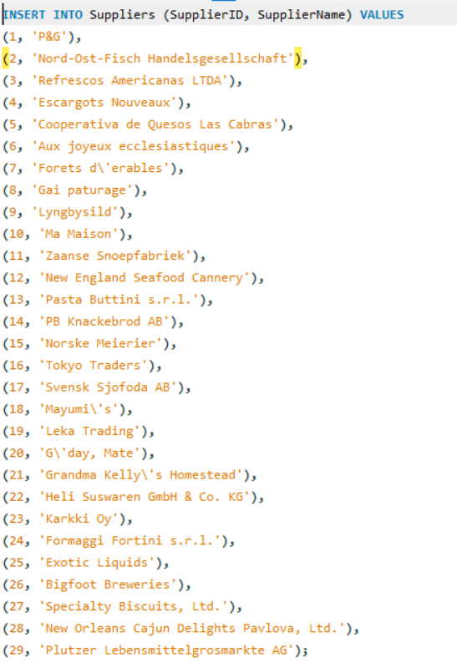

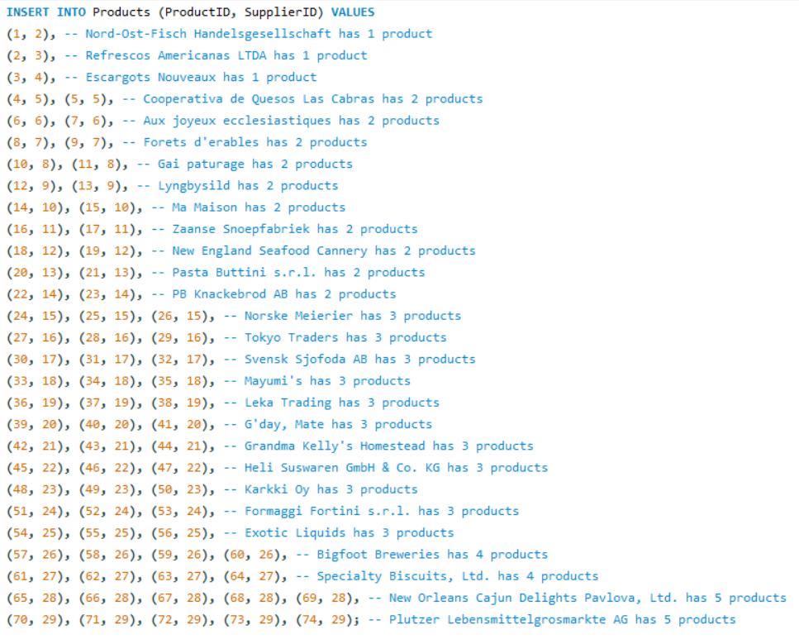

QUERY :
 |  |  | //This query retrieves the supplier name along with the count of products for which each supplier is responsible.

RESULT
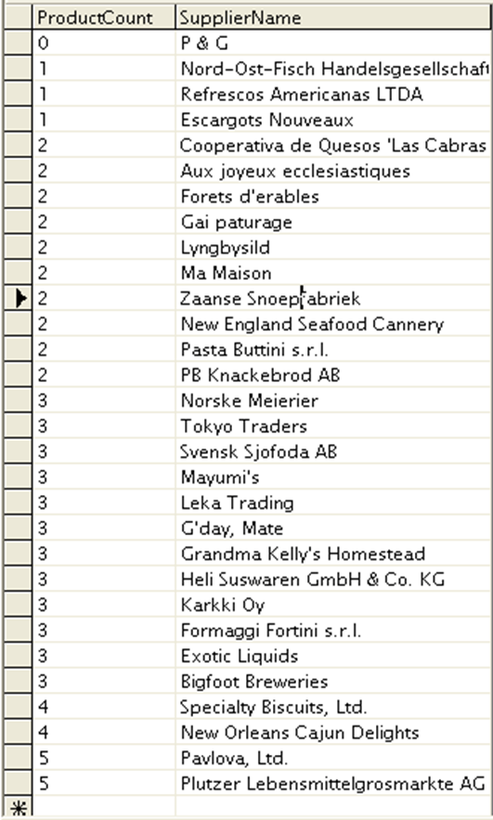

ASSIGNMENT -4

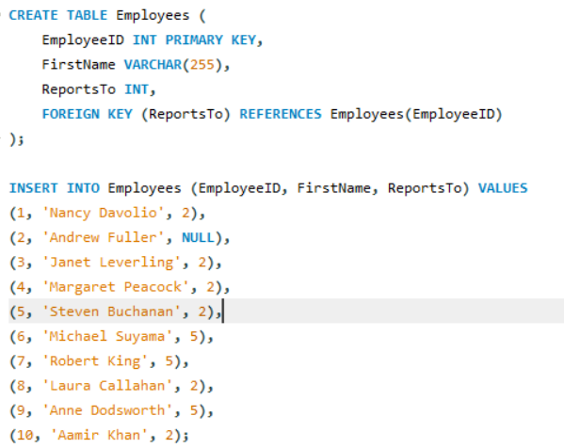
 |  | //created employees table

Retrieve a list of employees and Name of the person that employee is reporting.

QUERY:

 | //This query retrieves a list of employees along with the name of the person they are reporting to.

RESULT

