Sheet1
Assignment - 1

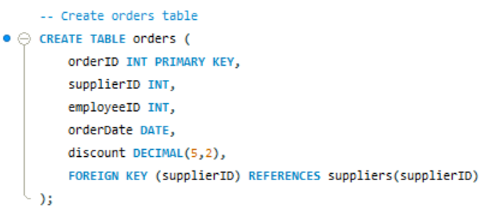

Query

result

Assignment - 2

Query

Result

Assignment - 3

Place orders for one supplier's products.

Query

Result

Assignment - 4
Update employeeID of orders table for spcific supplier's one product

Query

Result

Assignment - 5

Update discount in order for spcific supplier's one product who placed order in July, 1997

Query

Result

Assignment - 6

Remove order and its details for spcific supplier's one product.

Query

Result

