Sheet1
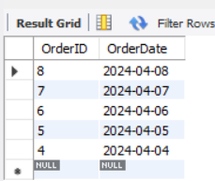
ASSIGNMENT - 1
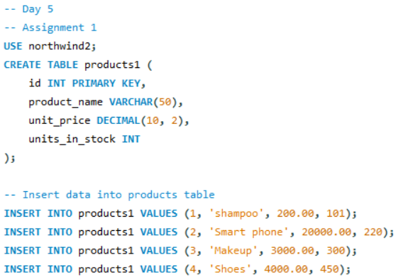

Display all the product name in uppercase. | // Display all the product names in uppercase.

Query

Result
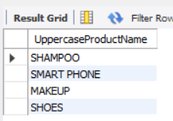

ASSIGNMENT - 2

Display last 3 characters from product name
Query |  |  |  | //Display last 3 characters from product name

Result

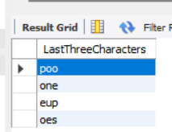

ASSIGNMENT - 3
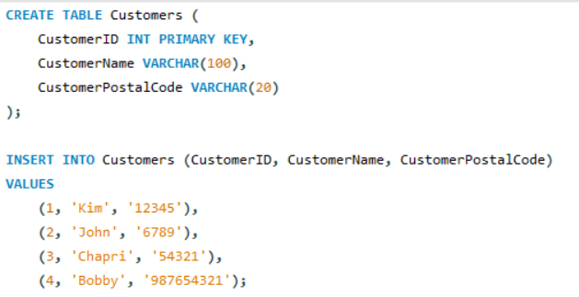

Display all the customers postal code. Postal code should be minimum 9 character. In case there are less then 9 character in database add "0" at beginning.
Query

Result

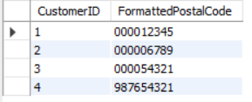

ASSIGNMENT - 4

Display unitprice from products. Remove decimal from the unit price. |  |  | //Display all the customers' postal codes. Ensure each postal code has a minimum length of 9 characters by adding leading zeros if necessary.
Query

Result
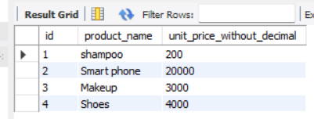

ASSIGNMENT - 5

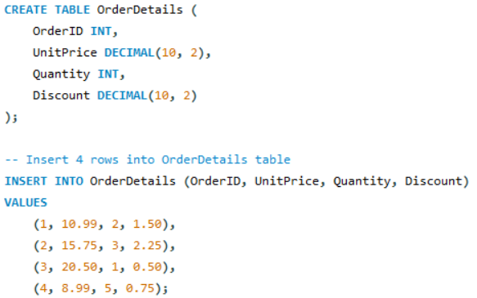

Get final order price per order. Price should be floored from the output. |  | //Get the final order price per order. Floor the price from the output.
Query

Result
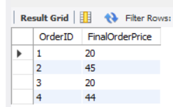

ASSIGNMENT - 6

Get final order price per order. Price should be ceiled from the output. |  |  | //Get the final order price per order. Price should be ceiled from the output.
Query

Result
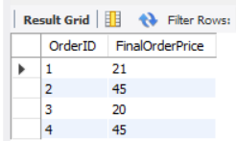

ASSIGNMENT- 7

Display order date in yyyy/MM/dd format.
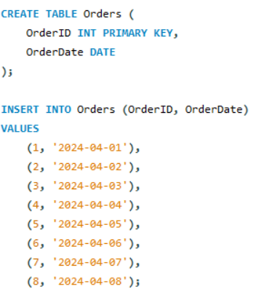

Query

Result

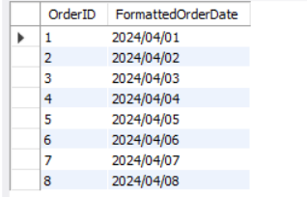

ASSIGNMENT - 8

Display 5 latest orders from order.

Query
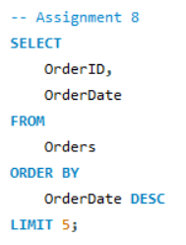

Result

