Sheet1
Assignment - 1

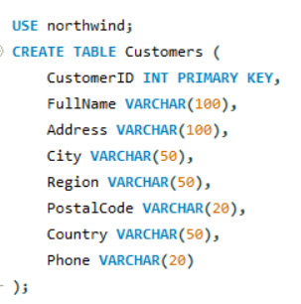

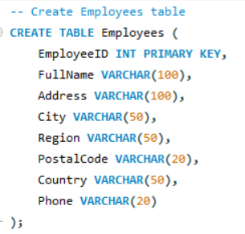

Display unique customer's as well as Employees FullName,Address,City,Region,PostalCode,Country,Phone whose name starts with character 'A'.

Query
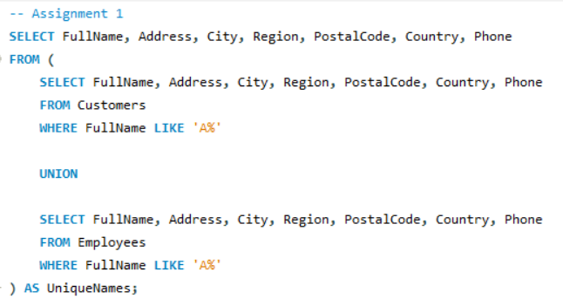
 | //Retrieve unique customers and employees whose names start with 'A'.

Result

Assignment - 2

Display customer's as well as Employees FullName,Address,City,Region,PostalCode,Country,Phone who are living in india

Query

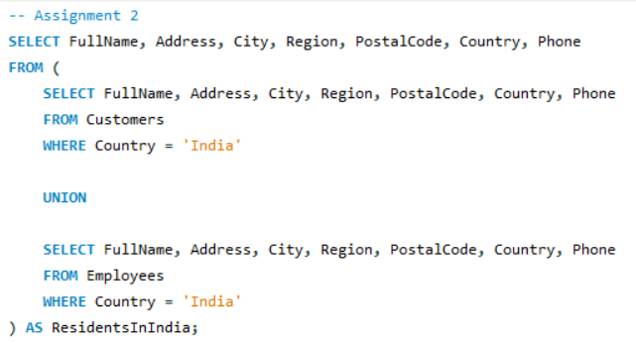
 | //Retrieve customer's and employees' full name, address, city, region, postal code, country, and phone number who are living in India.

Result

