BIIB
Biogen Inc. (BIIB)
Brief summary
Biogen, Inc. is a biopharmaceutical company, which engages in discovering, developing, and delivering therapies for neurological and neurodegenerative diseases. It offers TECFIDERA, VUMERITY, AVONEX, PLEGRIDY, TYSABRI, and FAMPYRA for the treatment of multiple sclerosis, SPINRAZA for the treatment of spinal muscular atrophy, and FUMADERM for the treatment of severe plaque psoriasis. The company was founded by Charles Weissmann, Heinz Schaller, Kenneth Murray, Walter Gilbert, and Phillip Allen Sharp in 1978 and is headquartered in Cambridge, MA.
The company has collaboration and license agreements with Acorda Therapeutics, Inc.; Alkermes Pharma Ireland Limited; Denali Therapeutics Inc.; Eisai Co., Ltd.; Genentech, Inc.; Neurimmune SubOne AG; Ionis Pharmaceuticals, Inc.; Samsung Bioepis Co., Ltd.; Sangamo Therapeutics, Inc.; and Sage Therapeutics.
Description
Biogen Inc. discovers, develops, manufactures, and delivers therapies for treating neurological and neurodegenerative diseases. The company offers TECFIDERA, VUMERITY, and FAMPYRA for multiple sclerosis (MS); SPINRAZA for spinal muscular atrophy; and FUMADERM to treat plaque psoriasis. It also provides BENEPALI, an etanercept biosimilar referencing ENBREL; ADUHELM for the treatment of Alzheimer's disease; IMRALDI, an adalimumab biosimilar referencing HUMIRA; and FLIXABI, an infliximab biosimilar referencing REMICADE. In addition, the company offers RITUXAN for treating non-Hodgkin's lymphoma, chronic lymphocytic leukemia (CLL), rheumatoid arthritis, two forms of ANCA-associated vasculitis, and pemphigus vulgaris; RITUXAN HYCELA for non-Hodgkin's lymphoma and CLL. Further, it develops BIIB135, BIIB061, BIIB091, and BIIB107 for MS and neuroimmunology; Aducanumab, Lecanemab,BIIB080 to treat Alzheimer's disease and dementia; BIIB067 to treat neuromuscular disorders; for treating Parkinson's disease and movement disorders; BIIB125 and BIIB104 for treating neuropsychiatry; Dapirolizumab pegol and BIIB059 to treat immunology related diseases; BIIB093 and BIIB131 to treat acute neurology; BIIB074 for neuropathic pain; and BYOOVIZ and SB15 biosimilars.
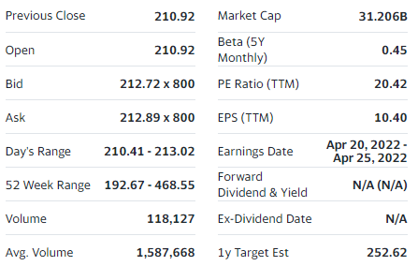
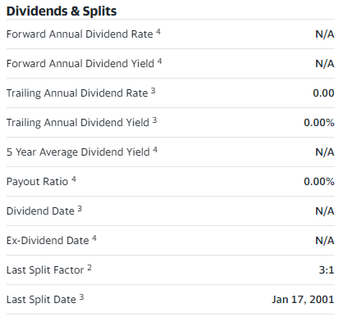
3 months
Date | Open | High | Low | Close | Adj Close (take into account for dividend split) | Volume | daily returns
2021-11-18 | 259.980011 | 260.730011 | 253.179993 | 256.790009 | 256.790009 | 975800
2021-11-19 | 257.709991 | 260.160004 | 254.570007 | 257.190002 | 257.190002 | 898800 | 0.0015576657424
2021-11-22 | 257.970001 | 258.890015 | 250.669998 | 252.210007 | 252.210007 | 1290300 | -0.01936309717
2021-11-23 | 252.070007 | 254.449997 | 249.520004 | 254.149994 | 254.149994 | 799100 | 0.0076919509383
2021-11-24 | 253.179993 | 253.179993 | 247.660004 | 250.130005 | 250.130005 | 1579800 | -0.015817387743
2021-11-26 | 250.779999 | 250.779999 | 242.020004 | 242.899994 | 242.899994 | 1300400 | -0.028905012815
2021-11-29 | 245.360001 | 245.5 | 235.179993 | 236.110001 | 236.110001 | 2229100 | -0.027953862362
2021-11-30 | 236.5 | 239.770004 | 228.679993 | 235.740005 | 235.740005 | 3294300 | -0.0015670492501
2021-12-01 | 236.979996 | 239.580002 | 228.880005 | 229.5 | 229.5 | 1672700 | -0.026469860302
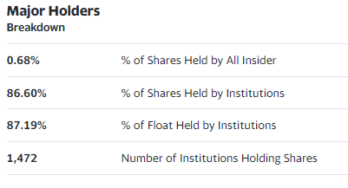
2021-12-02 | 228.550003 | 229.470001 | 224.460007 | 228.520004 | 228.520004 | 1276200 | -0.0042701350763
2021-12-03 | 227.690002 | 229.039993 | 221.720001 | 223.919998 | 223.919998 | 1427700 | -0.020129555048
2021-12-06 | 223.199997 | 226.220001 | 222.149994 | 224.110001 | 224.110001 | 1101800 | 0.00084853073284
2021-12-07 | 225.169998 | 228.800003 | 223.649994 | 226.830002 | 226.830002 | 941300 | 0.012136901467
2021-12-08 | 227.179993 | 235.220001 | 225.899994 | 234.720001 | 234.720001 | 1419100 | 0.034783754047
2021-12-09 | 232.860001 | 236.889999 | 230.809998 | 232.429993 | 232.429993 | 1365200 | -0.0097563394267
2021-12-10 | 232.800003 | 233.690002 | 229.520004 | 232.619995 | 232.619995 | 998800 | 0.00081745904454
2021-12-13 | 231.679993 | 235.800003 | 230.179993 | 234.5 | 234.5 | 1236600 | 0.0080818718958
2021-12-14 | 233.929993 | 236.630005 | 230.169998 | 230.759995 | 230.759995 | 1232500 | -0.015948848614
2021-12-15 | 230.199997 | 236.369995 | 228.949997 | 235.880005 | 235.880005 | 1262400 | 0.022187597985
2021-12-16 | 237.289993 | 243.429993 | 234.860001 | 235.520004 | 235.520004 | 1252200 | -0.0015262039697
2021-12-17 | 233 | 239.899994 | 232.580002 | 237.429993 | 237.429993 | 2262900 | 0.008109667831
2021-12-20 | 239.75 | 240 | 234.25 | 236.960007 | 236.960007 | 1127700 | -0.0019794719027
2021-12-21 | 235.050003 | 237.600006 | 230.050003 | 234.649994 | 234.649994 | 1030200 | -0.0097485353298
2021-12-22 | 236.259995 | 236.479996 | 231.289993 | 234.479996 | 234.479996 | 783300 | -0.00072447476815
2021-12-23 | 232.949997 | 236.210007 | 232.039993 | 235.410004 | 235.410004 | 1003300 | 0.0039662573177
2021-12-27 | 235.229996 | 236.699997 | 232.360001 | 234.190002 | 234.190002 | 1744600 | -0.0051824560523
2021-12-28 | 233.339996 | 236.960007 | 233.020004 | 235.990005 | 235.990005 | 775000 | 0.0076860796133
2021-12-29 | 235 | 265.540009 | 234.130005 | 258.309998 | 258.309998 | 6869700 | 0.094580247159
2021-12-30 | 245.190002 | 247 | 237.050003 | 240 | 240 | 4423100 | -0.070883814571
2021-12-31 | 239.759995 | 243.710007 | 239.5 | 239.919998 | 239.919998 | 1532700 | -0.00033334166667
2022-01-03 | 240.149994 | 247.509995 | 238.070007 | 244.139999 | 244.139999 | 1642200 | 0.017589200713
2022-01-04 | 245.130005 | 245.449997 | 239 | 241.729996 | 241.729996 | 1283400 | -0.0098713975992
2022-01-05 | 241.729996 | 249 | 239.179993 | 239.270004 | 239.270004 | 1167400 | -0.010176610436
2022-01-06 | 240.300003 | 242.449997 | 236.850006 | 237.300003 | 237.300003 | 1036900 | -0.008233380562
2022-01-07 | 235.550003 | 236.899994 | 231.619995 | 232.600006 | 232.600006 | 1394900 | -0.019806139657
2022-01-10 | 232.75 | 235.550003 | 230.539993 | 235.309998 | 235.309998 | 1754000 | 0.011650868143
2022-01-11 | 235.399994 | 243.710007 | 235 | 241.520004 | 241.520004 | 1557700 | 0.026390744349
2022-01-12 | 223.100006 | 227.589996 | 217.100006 | 225.339996 | 225.339996 | 7511100 | -0.066992413597
2022-01-13 | 225.300003 | 239.639999 | 225.300003 | 236.669998 | 236.669998 | 3781400 | 0.050279587295
2022-01-14 | 235.080002 | 239.470001 | 233.800003 | 239.300003 | 239.300003 | 1768000 | 0.011112540762
2022-01-18 | 238.899994 | 238.899994 | 231.369995 | 233.809998 | 233.809998 | 1631500 | -0.022941934522
2022-01-19 | 235.509995 | 235.509995 | 230.649994 | 230.809998 | 230.809998 | 1258500 | -0.012830931208
2022-01-20 | 231.279999 | 233.119995 | 225.619995 | 225.910004 | 225.910004 | 1471400 | -0.021229556962
2022-01-21 | 225.369995 | 226.369995 | 220.289993 | 220.520004 | 220.520004 | 2205600 | -0.023859058495
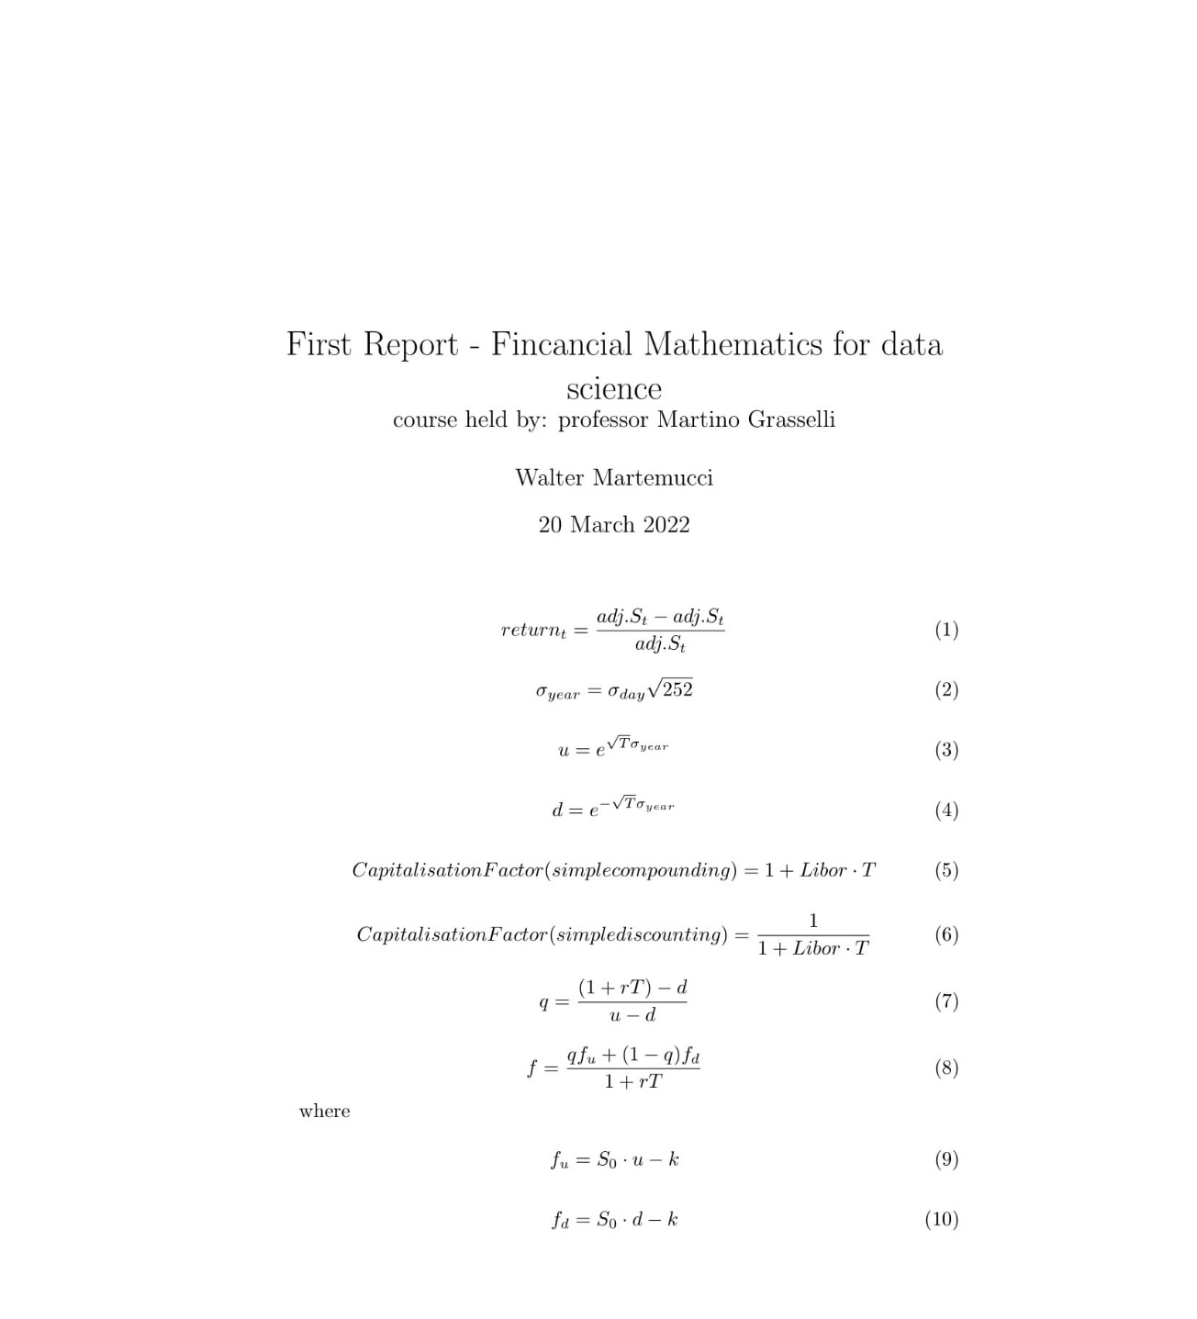
2022-01-24 | 220.220001 | 224.869995 | 214.880005 | 224.690002 | 224.690002 | 1995700 | 0.018909840034
2022-01-25 | 221.160004 | 224.910004 | 218.369995 | 222.309998 | 222.309998 | 1507200 | -0.01059238942
2022-01-26 | 223.139999 | 226.880005 | 218.229996 | 219.600006 | 219.600006 | 1684500 | -0.012190149001
2022-01-27 | 221.259995 | 223.740005 | 218.199997 | 218.940002 | 218.940002 | 1098000 | -0.0030054826137
2022-01-28 | 218.160004 | 225.229996 | 217.919998 | 225.210007 | 225.210007 | 1325600 | 0.028638005585
2022-01-31 | 223.029999 | 228.009995 | 221.880005 | 226 | 226 | 2518500 | 0.0035078059387
2022-02-01 | 227.169998 | 231.220001 | 226.949997 | 229.369995 | 229.369995 | 1049600 | 0.014911482301
2022-02-02 | 228.669998 | 228.770004 | 222.270004 | 224.960007 | 224.960007 | 1083300 | -0.019226525248
2022-02-03 | 215 | 223.139999 | 212.559998 | 220.169998 | 220.169998 | 2005000 | -0.021292713598
2022-02-04 | 215.300003 | 223.100006 | 215.270004 | 221.529999 | 221.529999 | 1265800 | 0.0061770496087
2022-02-07 | 220.740005 | 223.429993 | 219.389999 | 221.300003 | 221.300003 | 832600 | -0.0010382160477
2022-02-08 | 220.369995 | 223.380005 | 216.899994 | 222.389999 | 222.389999 | 991300 | 0.0049254224366
2022-02-09 | 224.330002 | 228.529999 | 222.210007 | 226.809998 | 226.809998 | 989700 | 0.019874989972
2022-02-10 | 224.470001 | 226.970001 | 219.029999 | 220.039993 | 220.039993 | 1316000 | -0.029848794408
2022-02-11 | 219.240005 | 221.580002 | 214.110001 | 214.589996 | 214.589996 | 1118600 | -0.024768211113
2022-02-14 | 214.869995 | 215.369995 | 211.289993 | 214.119995 | 214.119995 | 872900 | -0.0021902279172
2022-02-15 | 214.009995 | 217.869995 | 214.009995 | 217.369995 | 217.369995 | 741500 | 0.015178404987
2022-02-16 | 216.729996 | 216.729996 | 213.389999 | 214.550003 | 214.550003 | 763800 | -0.012973234875
2022-02-17 | 212.600006 | 214.139999 | 209.070007 | 210.600006 | 210.600006 | 1083600 | -0.018410612653
2022-02-18 | 209.279999 | 211.5 | 207.610001 | 209.789993 | 209.789993 | 1053400 | -0.003846215465
6 months
Date | Open | High | Low | Close | Adj Close | Volume | daily returns
2021-09-22 | 289.440002 | 292.170013 | 285.399994 | 289.320007 | 289.320007 | 1420100
2021-09-23 | 293.690002 | 299.829987 | 292.100006 | 293.200012 | 293.200012 | 919300 | 0.013410773213
2021-09-24 | 289.859985 | 293.470001 | 289 | 291.709991 | 291.709991 | 817500 | -0.0050819268043
2021-09-27 | 290.549988 | 291 | 286.160004 | 286.619995 | 286.619995 | 704300 | -0.017448822999
2021-09-28 | 290.820007 | 291.540009 | 284.25 | 284.709991 | 284.709991 | 785100 | -0.0066638895866
2021-09-29 | 285.76001 | 289.329987 | 284.640015 | 285.559998 | 285.559998 | 700700 | 0.0029855186922
2021-09-30 | 286.230011 | 287.799988 | 282.640015 | 282.98999 | 282.98999 | 793900 | -0.0089998880025
2021-10-01 | 281.350006 | 285.410004 | 279.23999 | 283.940002 | 283.940002 | 925800 | 0.0033570516045
2021-10-04 | 281.440002 | 284.559998 | 277.410004 | 278.320007 | 278.320007 | 924900 | -0.019792896247
2021-10-05 | 278.339996 | 282.26001 | 278.339996 | 280.440002 | 280.440002 | 1010500 | 0.0076171132031
2021-10-06 | 280.119995 | 285.570007 | 279.119995 | 283.549988 | 283.549988 | 978600 | 0.01108966616
2021-10-07 | 285.519989 | 290.76001 | 284.579987 | 287.769989 | 287.769989 | 879900 | 0.014882740887
2021-10-08 | 287.440002 | 288.98999 | 284 | 285.829987 | 285.829987 | 629600 | -0.0067415021516
2021-10-11 | 284.649994 | 288.769989 | 283.450012 | 285.589996 | 285.589996 | 620600 | -0.00083962848867
2021-10-12 | 285.480011 | 288.589996 | 283.790009 | 284.790009 | 284.790009 | 616200 | -0.0028011730495
2021-10-13 | 284.899994 | 285.299988 | 280.5 | 283.649994 | 283.649994 | 521400 | -0.0040030020857
2021-10-14 | 286 | 287.929993 | 282.649994 | 285.26001 | 285.26001 | 705300 | 0.0056760656938
2021-10-15 | 285.339996 | 286 | 278.570007 | 281.190002 | 281.190002 | 1299600 | -0.014267713165
2021-10-18 | 279.420013 | 279.5 | 269.190002 | 269.730011 | 269.730011 | 1496100 | -0.040755328847
2021-10-19 | 270 | 271.660004 | 266.299988 | 268.130005 | 268.130005 | 1801700 | -0.0059318797863
2021-10-20 | 270.109985 | 277.869995 | 264.779999 | 266.570007 | 266.570007 | 2153000 | -0.0058180657551
2021-10-21 | 266.299988 | 271.940002 | 266.290009 | 270.209991 | 270.209991 | 1374200 | 0.013654889539
2021-10-22 | 269.380005 | 270.369995 | 264.350006 | 264.799988 | 264.799988 | 873200 | -0.020021476556
2021-10-25 | 266 | 271.51001 | 265 | 269.940002 | 269.940002 | 1092900 | 0.019410929883
2021-10-26 | 269.880005 | 273.640015 | 267.019989 | 271.119995 | 271.119995 | 1453800 | 0.0043713158156
2021-10-27 | 270.170013 | 270.600006 | 259.630005 | 259.950012 | 259.950012 | 1276200 | -0.041199406927
The aim of the report is providing the price of a Call (with maturity 3 or 6 months) by using the static binomial model (references John C. Hull "Options, futures and other derivatives") and compare it with the market quotes.
Every data and tables are taken from Yahoo Finance in the scetions "historical data" and "options", the chosen asset is the BIIB (Biogen Inc.), here there is a first problem to deal with the partial absence of data in the historical section, the last 3 months data cover only 62 days of the market.
At first has been selected a Call with maturity around 3 and 6 months and strike price at the money (close to the current value of the stock), from here the MID PRICE has been defined as the average between BID PRICE and ASK PRICE, this market quote would be the target price of the adopted model.
Then the last 3 and 6 months of daily data have been uploaded to the excel file (attached at the beginning of the report) then it is possible to use the column of "adjusted close price" (that takes into account for dividend splits etc) to calculate the return at time t as shown in equation 1.
The column of daily returns has been used to calculate the daily volatily as the standard deviation of the daily returns and the annual volatily, shown in equation 2.
The parameters u and d of the binomial model are realted to the annual volatility and maturity (3 or 6 months) and can be computed following eq.s 3-4, here we do not expect significant differences between the two maturities.
The next step consist of taking the data of the Libor rate from the global-rate.com site corresponding to maturity 3 and 6 months (USD currency), from here it is plain to calculate the capitalisation factor using simple compounding or discounting, seen in eq.s 5-6.
Finally it is time to calculate the risk neutral probability weight q (eq. 7) and apply the risk neutral pricing formula for the price of the Call (eq. 8) where the payoff for the up\down case are listed in eq.s 9-10 ($s_{0}$ is the most recent close available in the excel data), there is no need to apply the formula for the case of a dividend paying asset.
The obtained results, shown below, are quite different from target price, in the order of 10%, in the 6 months call option, to 45% in the 3 months call option.
It is probably caused by some inefficiency in the model estimate but also due to the difference between historical and implied volatility.
2021-10-28 | 260.450012 | 266.5 | 260.450012 | 264.869995 | 264.869995 | 1273500 | 0.018926650405
2021-10-29 | 264.410004 | 268.320007 | 262.019989 | 266.679993 | 266.679993 | 947600 | 0.0068335335605
2021-11-01 | 266.149994 | 274.75 | 265.5 | 272.100006 | 272.100006 | 1222600 | 0.020324033082
2021-11-02 | 272.269989 | 274.5 | 264.579987 | 272.51001 | 272.51001 | 1839100 | 0.0015068136382
2021-11-03 | 271.529999 | 279.809998 | 269.980011 | 279.589996 | 279.589996 | 1041500 | 0.025980645628
2021-11-04 | 279.589996 | 280.619995 | 275.320007 | 280.410004 | 280.410004 | 949100 | 0.0029328946376
2021-11-05 | 279.309998 | 284.589996 | 276.420013 | 278.679993 | 278.679993 | 833800 | -0.0061695766033
2021-11-08 | 279.51001 | 279.709991 | 268.269989 | 272.700012 | 272.700012 | 1151900 | -0.021458235791
2021-11-09 | 272 | 274.690002 | 267 | 270.029999 | 270.029999 | 894700 | -0.0097910263385
2021-11-10 | 270.029999 | 273.920013 | 266.049988 | 266.929993 | 266.929993 | 708800 | -0.011480228165
2021-11-11 | 266.619995 | 267.609985 | 264 | 266.570007 | 266.570007 | 637700 | -0.0013486157773
2021-11-12 | 270.670013 | 272.549988 | 267.519989 | 270.429993 | 270.429993 | 845000 | 0.014480196191
2021-11-15 | 273.820007 | 276.5 | 270.700012 | 271.820007 | 271.820007 | 756300 | 0.0051400141847
2021-11-16 | 268.269989 | 268.720001 | 260.859985 | 261.549988 | 261.549988 | 1159500 | -0.037782424897
2021-11-17 | 254.559998 | 261.410004 | 252.020004 | 258.380005 | 258.380005 | 1497000 | -0.012119989086
2021-11-18 | 259.980011 | 260.730011 | 253.179993 | 256.790009 | 256.790009 | 975800 | -0.0061537114685
2021-11-19 | 257.709991 | 260.160004 | 254.570007 | 257.190002 | 257.190002 | 898800 | 0.0015576657424
2021-11-22 | 257.970001 | 258.890015 | 250.669998 | 252.210007 | 252.210007 | 1290300 | -0.01936309717
2021-11-23 | 252.070007 | 254.449997 | 249.520004 | 254.149994 | 254.149994 | 799100 | 0.0076919509383
2021-11-24 | 253.179993 | 253.179993 | 247.660004 | 250.130005 | 250.130005 | 1579800 | -0.015817387743
2021-11-26 | 250.779999 | 250.779999 | 242.020004 | 242.899994 | 242.899994 | 1300400 | -0.028905012815
2021-11-29 | 245.360001 | 245.5 | 235.179993 | 236.110001 | 236.110001 | 2229100 | -0.027953862362
2021-11-30 | 236.5 | 239.770004 | 228.679993 | 235.740005 | 235.740005 | 3294300 | -0.0015670492501
2021-12-01 | 236.979996 | 239.580002 | 228.880005 | 229.5 | 229.5 | 1672700 | -0.026469860302
2021-12-02 | 228.550003 | 229.470001 | 224.460007 | 228.520004 | 228.520004 | 1276200 | -0.0042701350763
2021-12-03 | 227.690002 | 229.039993 | 221.720001 | 223.919998 | 223.919998 | 1427700 | -0.020129555048
2021-12-06 | 223.199997 | 226.220001 | 222.149994 | 224.110001 | 224.110001 | 1101800 | 0.00084853073284
2021-12-07 | 225.169998 | 228.800003 | 223.649994 | 226.830002 | 226.830002 | 941300 | 0.012136901467
2021-12-08 | 227.179993 | 235.220001 | 225.899994 | 234.720001 | 234.720001 | 1419100 | 0.034783754047
2021-12-09 | 232.860001 | 236.889999 | 230.809998 | 232.429993 | 232.429993 | 1365200 | -0.0097563394267
2021-12-10 | 232.800003 | 233.690002 | 229.520004 | 232.619995 | 232.619995 | 998800 | 0.00081745904454
2021-12-13 | 231.679993 | 235.800003 | 230.179993 | 234.5 | 234.5 | 1236600 | 0.0080818718958
2021-12-14 | 233.929993 | 236.630005 | 230.169998 | 230.759995 | 230.759995 | 1232500 | -0.015948848614
2021-12-15 | 230.199997 | 236.369995 | 228.949997 | 235.880005 | 235.880005 | 1262400 | 0.022187597985
Returns 3 months
2021-12-16 | 237.289993 | 243.429993 | 234.860001 | 235.520004 | 235.520004 | 1252200 | -0.0015262039697
2021-12-17 | 233 | 239.899994 | 232.580002 | 237.429993 | 237.429993 | 2262900 | 0.008109667831
2021-12-20 | 239.75 | 240 | 234.25 | 236.960007 | 236.960007 | 1127700 | -0.0019794719027
2021-12-21 | 235.050003 | 237.600006 | 230.050003 | 234.649994 | 234.649994 | 1030200 | -0.0097485353298
2021-12-22 | 236.259995 | 236.479996 | 231.289993 | 234.479996 | 234.479996 | 783300 | -0.00072447476815
2021-12-23 | 232.949997 | 236.210007 | 232.039993 | 235.410004 | 235.410004 | 1003300 | 0.0039662573177
2021-12-27 | 235.229996 | 236.699997 | 232.360001 | 234.190002 | 234.190002 | 1744600 | -0.0051824560523
2021-12-28 | 233.339996 | 236.960007 | 233.020004 | 235.990005 | 235.990005 | 775000 | 0.0076860796133
2021-12-29 | 235 | 265.540009 | 234.130005 | 258.309998 | 258.309998 | 6869700 | 0.094580247159
2021-12-30 | 245.190002 | 247 | 237.050003 | 240 | 240 | 4423100 | -0.070883814571
2021-12-31 | 239.759995 | 243.710007 | 239.5 | 239.919998 | 239.919998 | 1532700 | -0.00033334166667
2022-01-03 | 240.149994 | 247.509995 | 238.070007 | 244.139999 | 244.139999 | 1642200 | 0.017589200713
2022-01-04 | 245.130005 | 245.449997 | 239 | 241.729996 | 241.729996 | 1283400 | -0.0098713975992
Returns 6 months
2022-01-05 | 241.729996 | 249 | 239.179993 | 239.270004 | 239.270004 | 1167400 | -0.010176610436
2022-01-06 | 240.300003 | 242.449997 | 236.850006 | 237.300003 | 237.300003 | 1036900 | -0.008233380562
2022-01-07 | 235.550003 | 236.899994 | 231.619995 | 232.600006 | 232.600006 | 1394900 | -0.019806139657
2022-01-10 | 232.75 | 235.550003 | 230.539993 | 235.309998 | 235.309998 | 1754000 | 0.011650868143
2022-01-11 | 235.399994 | 243.710007 | 235 | 241.520004 | 241.520004 | 1557700 | 0.026390744349
2022-01-12 | 223.100006 | 227.589996 | 217.100006 | 225.339996 | 225.339996 | 7511100 | -0.066992413597
2022-01-13 | 225.300003 | 239.639999 | 225.300003 | 236.669998 | 236.669998 | 3781400 | 0.050279587295
2022-01-14 | 235.080002 | 239.470001 | 233.800003 | 239.300003 | 239.300003 | 1768000 | 0.011112540762
2022-01-18 | 238.899994 | 238.899994 | 231.369995 | 233.809998 | 233.809998 | 1631500 | -0.022941934522
2022-01-19 | 235.509995 | 235.509995 | 230.649994 | 230.809998 | 230.809998 | 1258500 | -0.012830931208
2022-01-20 | 231.279999 | 233.119995 | 225.619995 | 225.910004 | 225.910004 | 1471400 | -0.021229556962
2022-01-21 | 225.369995 | 226.369995 | 220.289993 | 220.520004 | 220.520004 | 2205600 | -0.023859058495
2022-01-24 | 220.220001 | 224.869995 | 214.880005 | 224.690002 | 224.690002 | 1995700 | 0.018909840034 | 3months
2022-01-25 | 221.160004 | 224.910004 | 218.369995 | 222.309998 | 222.309998 | 1507200 | -0.01059238942 | bid | ask | mid | strike price (K) | maturity | current value of stock
2022-01-26 | 223.139999 | 226.880005 | 218.229996 | 219.600006 | 219.600006 | 1684500 | -0.012190149001 | 12.6 | 13.7 | 13.15 | 210 | 2022-05-20 | 209.79
2022-01-27 | 221.259995 | 223.740005 | 218.199997 | 218.940002 | 218.940002 | 1098000 | -0.0030054826137 | sigma_day(standard deviation of daily returns) | sigma_year(annual volatily) | maturity | u | d | interest rate
2022-01-28 | 218.160004 | 225.229996 | 217.919998 | 225.210007 | 225.210007 | 1325600 | 0.028638005585 | 0.023852579555 | 0.37864796178 | 0.25 | 1.2084323981 | 0.82751836313 | -0.0021
2022-01-31 | 223.029999 | 228.009995 | 221.880005 | 226 | 226 | 2518500 | 0.0035078059387
2022-02-01 | 227.169998 | 231.220001 | 226.949997 | 229.369995 | 229.369995 | 1049600 | 0.014911482301
2022-02-02 | 228.669998 | 228.770004 | 222.270004 | 224.960007 | 224.960007 | 1083300 | -0.019226525248 | Libor
2022-02-03 | 215 | 223.139999 | 212.559998 | 220.169998 | 220.169998 | 2005000 | -0.021292713598 | 0.958%
2022-02-04 | 215.300003 | 223.100006 | 215.270004 | 221.529999 | 221.529999 | 1265800 | 0.0061770496087 | capitalisation factor(simple compounding)
2022-02-07 | 220.740005 | 223.429993 | 219.389999 | 221.300003 | 221.300003 | 832600 | -0.0010382160477 | 1.002395
2022-02-08 | 220.369995 | 223.380005 | 216.899994 | 222.389999 | 222.389999 | 991300 | 0.0049254224366 | capitalisation factor(simple discounting)
2022-02-09 | 224.330002 | 228.529999 | 222.210007 | 226.809998 | 226.809998 | 989700 | 0.019874989972 | 0.99761072232
2022-02-10 | 224.470001 | 226.970001 | 219.029999 | 220.039993 | 220.039993 | 1316000 | -0.029848794408 | q(risk neutral probability weight)
2022-02-11 | 219.240005 | 221.580002 | 214.110001 | 214.589996 | 214.589996 | 1118600 | -0.024768211113 | 0.45143161212
2022-02-14 | 214.869995 | 215.369995 | 211.289993 | 214.119995 | 214.119995 | 872900 | -0.0021902279172 | Option Price(risk neutral pricing formula for the price of the call)
2022-02-15 | 214.009995 | 217.869995 | 214.009995 | 217.369995 | 217.369995 | 741500 | 0.015178404987 | 19.655279471
2022-02-16 | 216.729996 | 216.729996 | 213.389999 | 214.550003 | 214.550003 | 763800 | -0.012973234875
2022-02-17 | 212.600006 | 214.139999 | 209.070007 | 210.600006 | 210.600006 | 1083600 | -0.018410612653 | 6months
2022-02-18 | 209.279999 | 211.5 | 207.610001 | 209.789993 | 209.789993 | 1053400 | -0.003846215465 | bid | ask | mid | strike price | maturity | current value of stock
2022-02-22 | 208.309998 | 212.259995 | 208.309998 | 209.809998 | 209.809998 | 1254000 | 9.5357265206E-05 | 24.8 | 32.1 | 28.45 | 210 | 2022-10-21 | 210.88
2022-02-23 | 210.070007 | 211.550003 | 208.940002 | 209.080002 | 209.080002 | 964600 | -0.0034793194174 | sigma_day(standard deviation of daily returns) | sigma_year(annual volatily) | maturity | u | d | interest rate
2022-02-24 | 204.860001 | 207.050003 | 200.360001 | 203.119995 | 203.119995 | 1883300 | -0.028505868294 | 0.020267119981 | 0.32173055556 | 0.5 | 1.25545475 | 0.79652412801 | 0.0088
2022-02-25 | 204.490005 | 209.929993 | 203.880005 | 207.380005 | 207.380005 | 1035200 | 0.020972873695
2022-02-28 | 204.399994 | 211.169998 | 202.580002 | 211.009995 | 211.009995 | 1395300 | 0.017504050113
2022-03-01 | 210.580002 | 213.800003 | 209.410004 | 210.339996 | 210.339996 | 804400 | -0.0031752003027 | Libor
2022-03-02 | 210.339996 | 211.059998 | 206.429993 | 207.789993 | 207.789993 | 1108400 | -0.012123243551 | 1.336%
2022-03-03 | 213.029999 | 213.710007 | 209.190002 | 211.229996 | 211.229996 | 942100 | 0.016555190894 | capitalisation factor(simple compounding)
2022-03-04 | 208.940002 | 211.360001 | 208.940002 | 209.449997 | 209.449997 | 708800 | -0.0084268287351 | 1.0066807
2022-03-07 | 208.229996 | 218.220001 | 205.009995 | 205.779999 | 205.779999 | 1309700 | -0.017522072345 | capitalisation factor(simple discounting)
2022-03-08 | 201.300003 | 209.830002 | 201.009995 | 202.009995 | 202.009995 | 1407100 | -0.018320556023 | 0.99336363556
2022-03-09 | 206.139999 | 209.699997 | 201.490005 | 202.270004 | 202.270004 | 1236900 | 0.0012871095809 | q(risk neutral probability weight)
2022-03-10 | 201 | 203.360001 | 194.940002 | 198.639999 | 198.639999 | 1166200 | -0.017946333753 | 0.45295707462
2022-03-11 | 201.130005 | 201.660004 | 197.25 | 197.669998 | 197.669998 | 787400 | -0.0048832108583 | Option Price(risk neutral pricing formula for the price of the call)
2022-03-14 | 198.589996 | 201.520004 | 192.669998 | 193.770004 | 193.770004 | 1475800 | -0.019729822631 | 27.239860558
2022-03-15 | 193.210007 | 197.419998 | 193.089996 | 197.360001 | 197.360001 | 1306300 | 0.018527103916
2022-03-16 | 201.229996 | 204.25 | 198.059998 | 203.800003 | 203.800003 | 1075000 | 0.032630735546
2022-03-17 | 203.039993 | 206.600006 | 202.009995 | 205.320007 | 205.320007 | 1057100 | 0.0074583119609
2022-03-18 | 204.389999 | 208.880005 | 203.070007 | 208.570007 | 208.570007 | 2102800 | 0.015828949392
2022-03-21 | 207.699997 | 209.029999 | 203.990005 | 206.809998 | 206.809998 | 1284400 | -0.0084384568295

