Foglio1
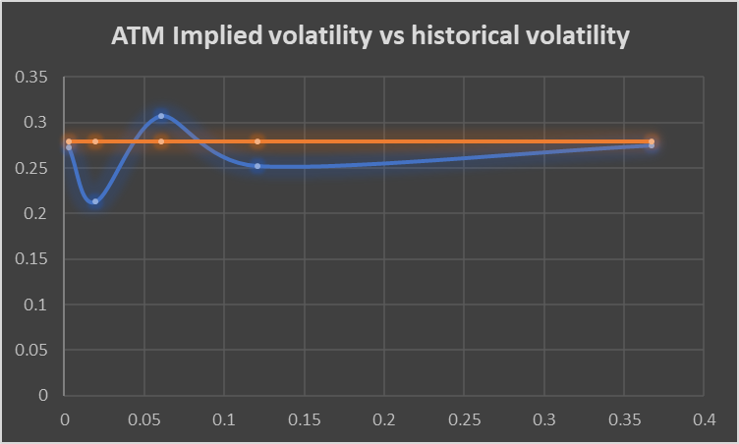
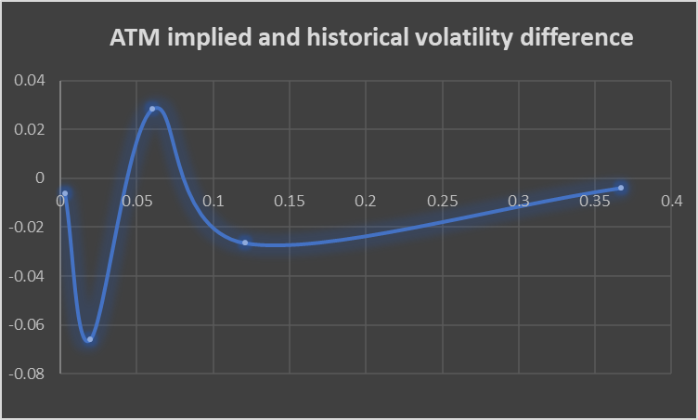
Fourth report
Financial mathematics for data science
Walter Martemucci
The report is divided into three sections, the first one, more theoretical, aims to show the reader the possibility to compute the Greeks values for different strike prices and times to maturity then the surface of this 3d function has been plotted.
The second part, empirical, deals with the computation of the implied volatility surface, as a function of strikes and time to maturity, for a non dividend paying asset using the call prices.
The second part aim to show the reader the inadequacy of the Black&Scholes model which relies on the assumption of a constant volatility, the falseness can be proven due to the presence of the so-called volatility smile.
Also the Greeks are plotted against the time to maturity to check their smoothness over time.
The third part resumes data about the precious to estimate the historical volatility and to compare it with the ATM implied volatility found on Yahoo Finance.
Prices of the ATM call options are computed with the Black&Scholes formula at different maturities with historical volatility and provided interest rates then compared to the actual call values.
1. The Option Greek formulae express the change in the option price with respect to a parameter change taking as fixed all the other inputs.
The increase in the volatility tends to increase the smootheness of the Greeks plots and their characteristic are heavily affected over maturity.
High volatility tends to lower the guarantee of success, low probability of an ITM strikes expires ITM (delta decreases) and increase the probability of an OTM strike expires ITM (delta increases).
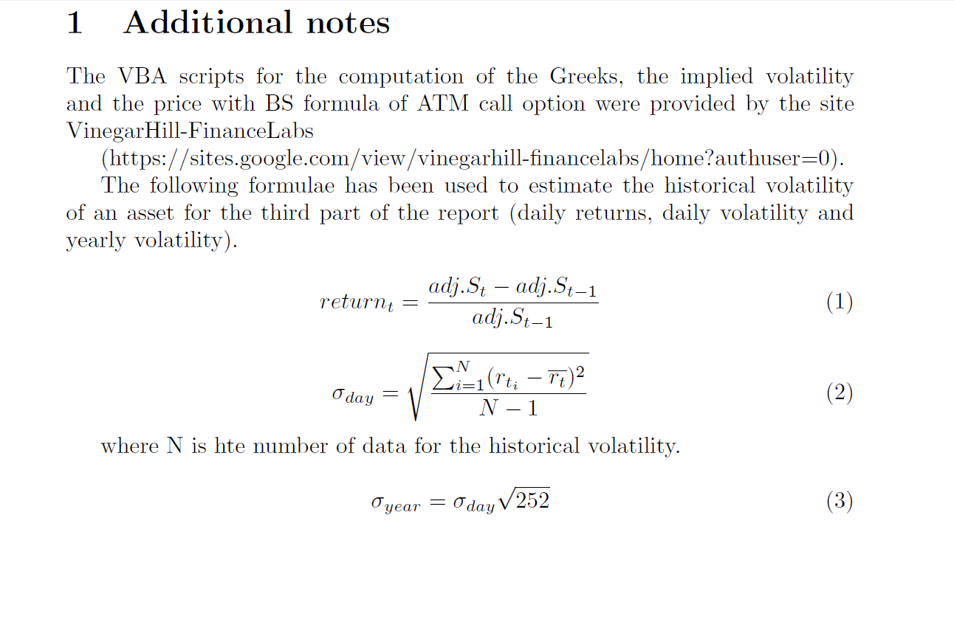

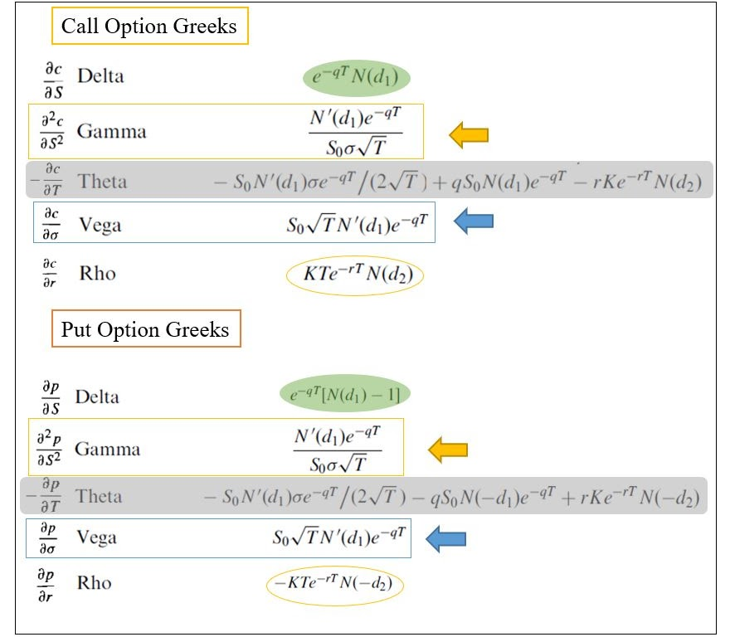

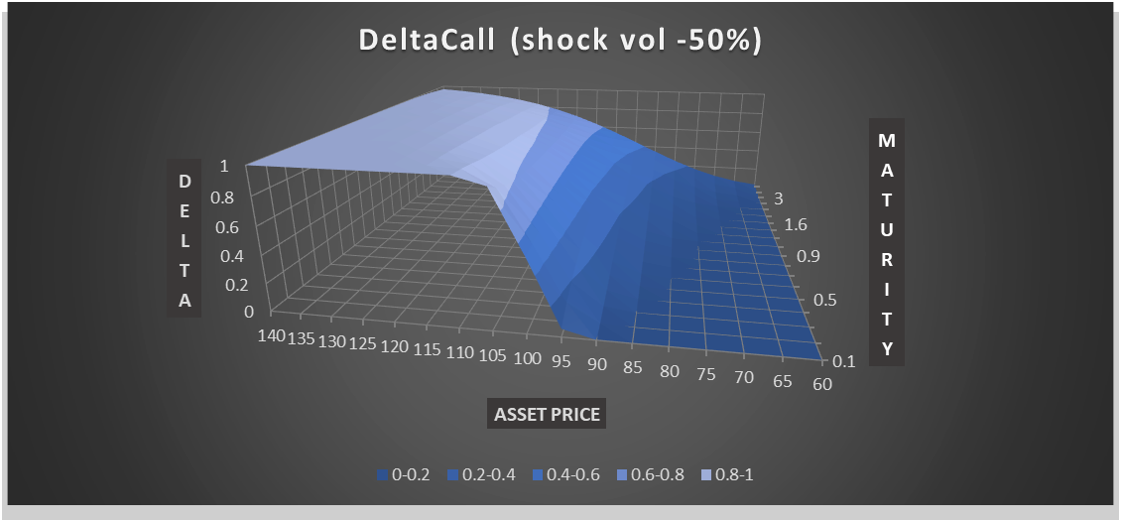

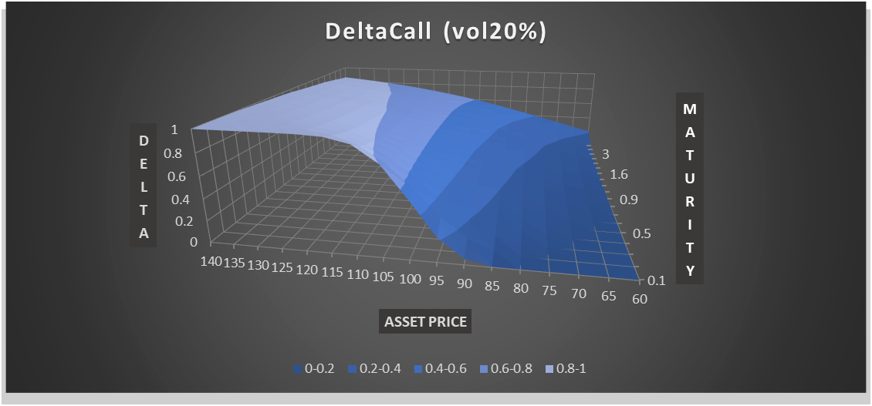

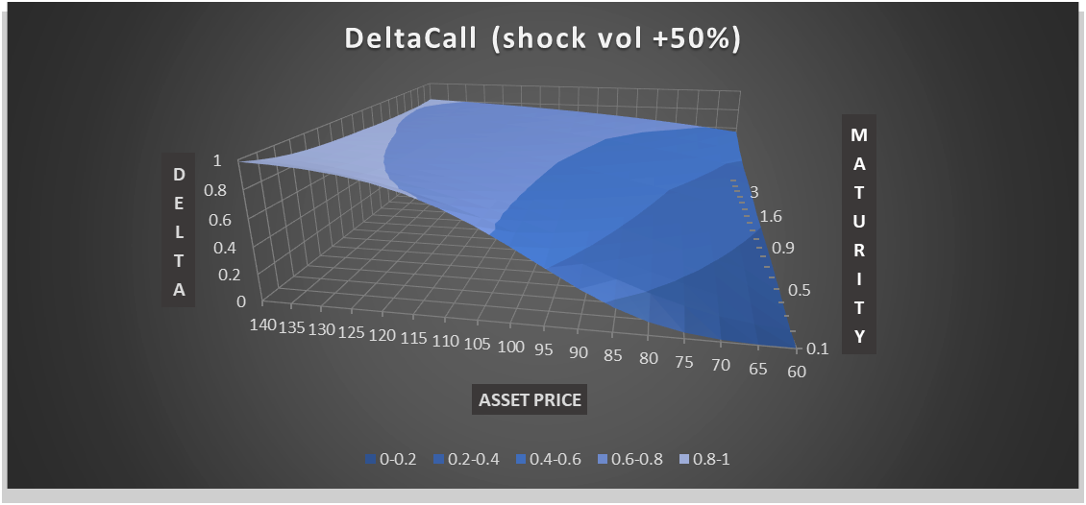

Gamma is higher for options that are ATM and closer to expiration. A front-month, ATM option will have bigger Gamma than a long-term option with the same strike.
Gamma is lower in the longer-dated options as more strikes remain possibilities for being ITM at expiration because of the amount of time remaining.

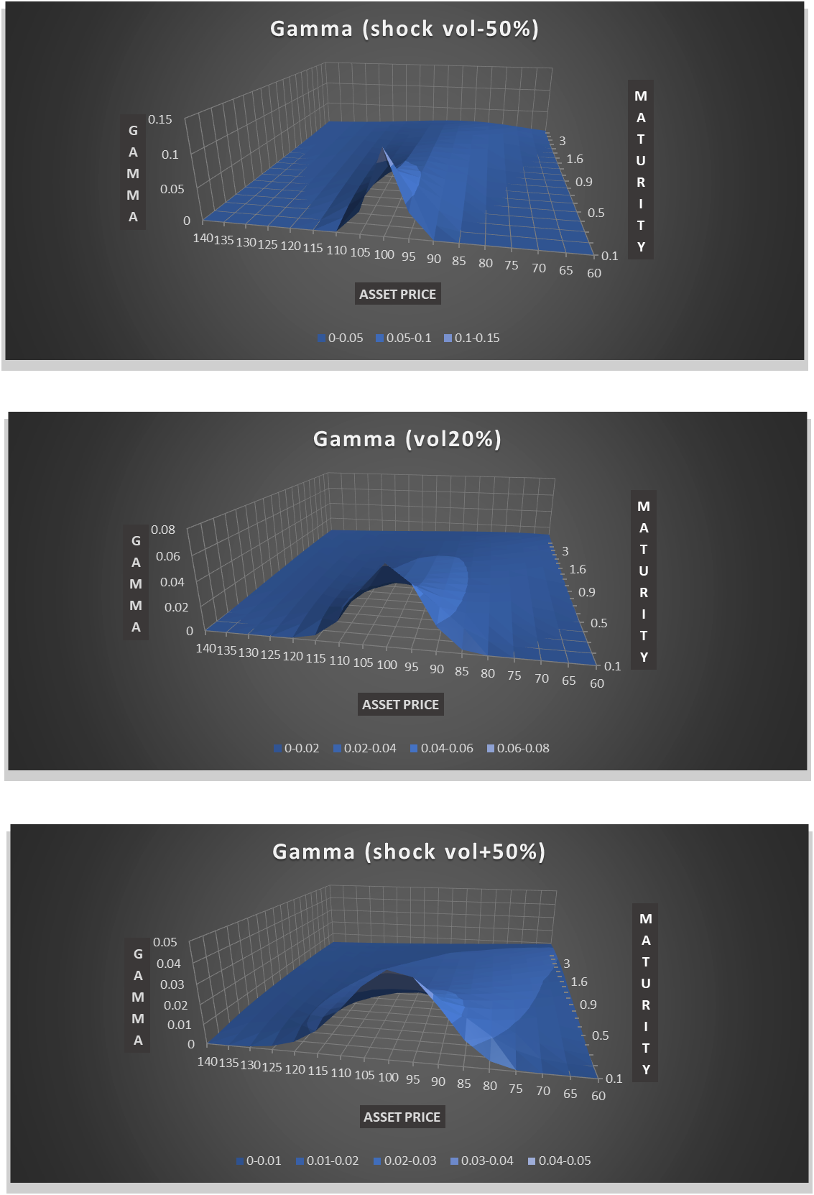

When the stock is far away from the strike, the extrinsic value is low and an increase in volatility would not affect the payoffs by much, so the vega is low.
When the stock is near the strike, an increase in volatility has a direct effect on the payoffs. Hence the extrinsic value will increase significantly, so the vega is higher.
Time amplifies the effect of volatility changes, so vega is greater for long date options.

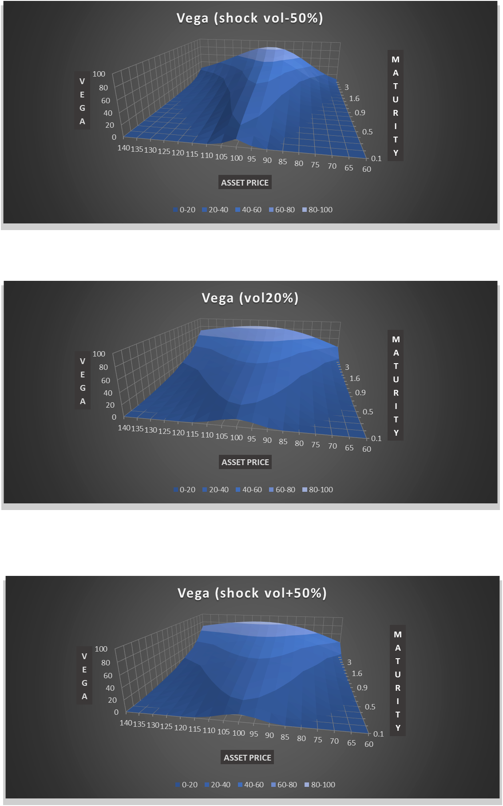

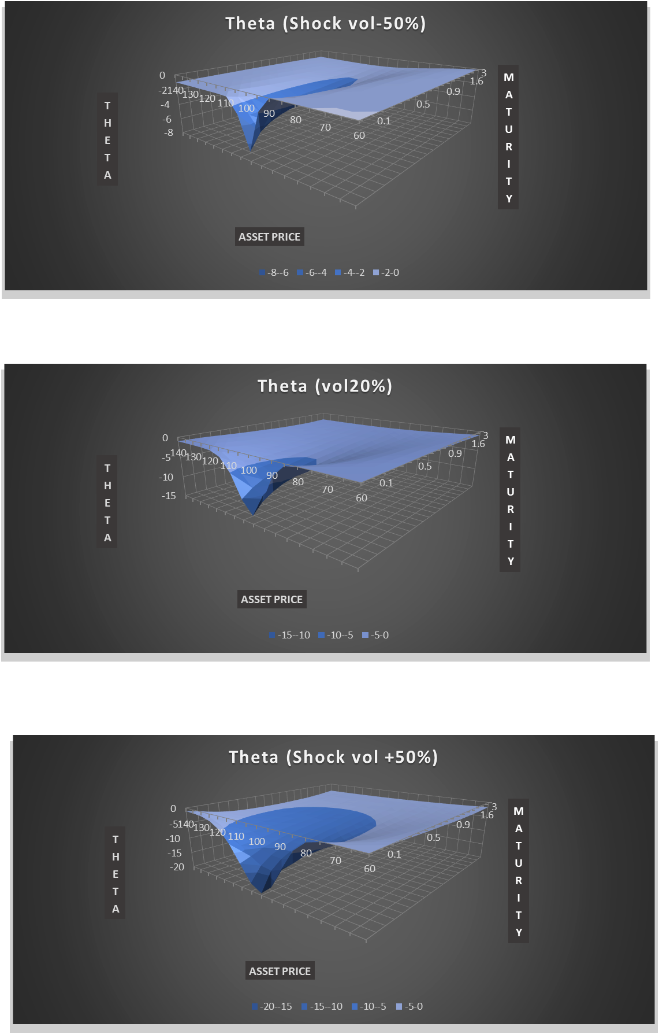

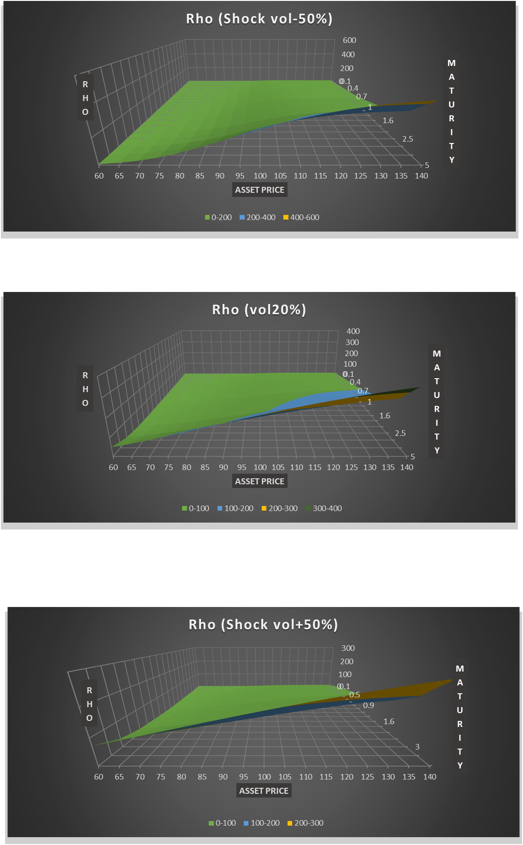

2. The non dividend paying asset chosen is Boston Scientific Corporation (BSX) with a book of American Options.
To estimate Implied Volatility is fundamental to set up a fully functional Option Pricing model.
The implied volatility of an option is that value of the volatility of the underlying, when input in an option pricing model (such as Black–Scholes), will return a theoretical value equal to the current market price of that option.
The implied volatility surface is generally set up as a 3-D plot that maps out the smile/skew/smirk and term structure of volatility implied from option chain data. This surface is normally developed by taking option market data relating to prices, bids and offers and interpolating that data using Black Scholes.

Implied volatility "smile"
 | 1 | 7 | 22 | 43 | 134
40 | 2.8281 | 1.4756 | 0.7603 | 0.3677 | 0.3303
41 | 1.3516 | 0.9424 | 0.5625 | 0.3389 | 0.1738
42 | 1.9434 | 1.1094 | 0.5059 | 0.3242 | 0.2976
43 | 0.5742 | 0.2373 | 0.6582 | 0.2998 | 0.2864
44 | 0.2109 | 0.2813 | 0.3364 | 0.2661 | 0.2899
45 | 0.2725 | 0.2129 | 0.3071 | 0.2524 | 0.2749
46 | 0.3672 | 0.3164 | 0.3091 | 0.2886 | 0.2689
47 | 0.543 | 0.2969 | 0.4941 | 0.2871 | 0.2675
48 | 0.6016 | 0.4492 | 0.3169 | 0.2603 | 0.2661

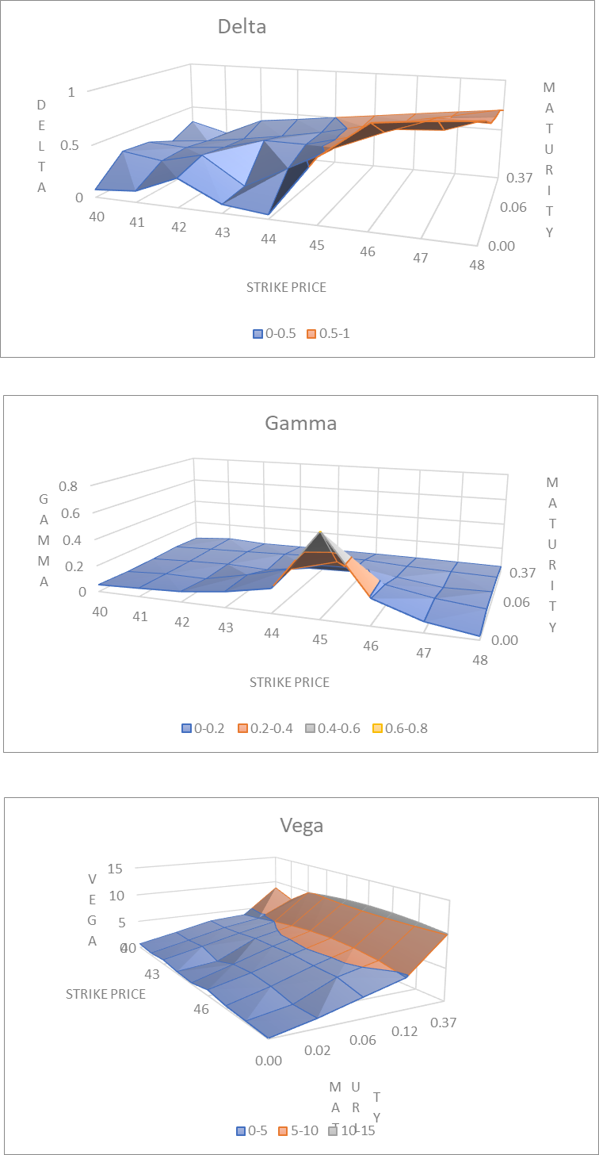

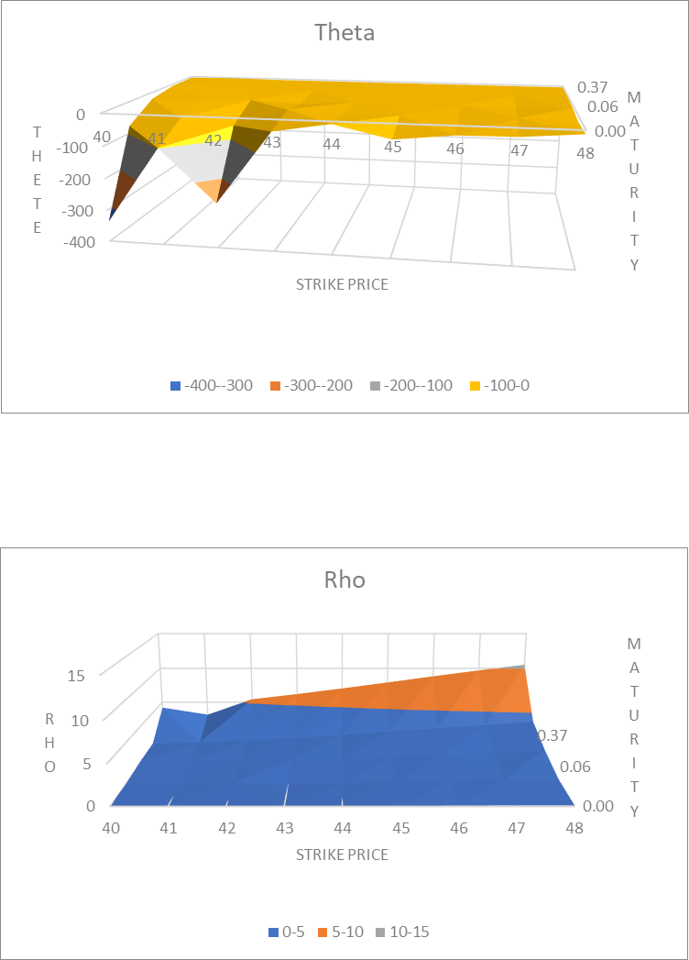

3. For the estimate of the historical volatility of the BSX asset historical data are grossed up to compute the daily returns column and with that the annual volatility, that
will be compared with the implied volatilities.
Then estimate the prices for the CALL options ATM with the Black&Scholes formula which relies on the assumption of a constant volatility.
The strike price are not perfectly centered ATM so the differences between the B&S prices and the actual prices are definitely sharper, moreover if we move OTM or ITM the values clearly diverges.

Call values: Black&Scholes vs ActualYahoo
0.0027397260274 | 0.33823712413 | 0.25
0.019178082192 | 0.76879001332 | 0.85
0.060273972603 | 1.3115507926 | 1.3
0.12054794521 | 1.8115765121 | 1.6
0.36712328767 | 3.1728421932 | 2.6

