Foglio1
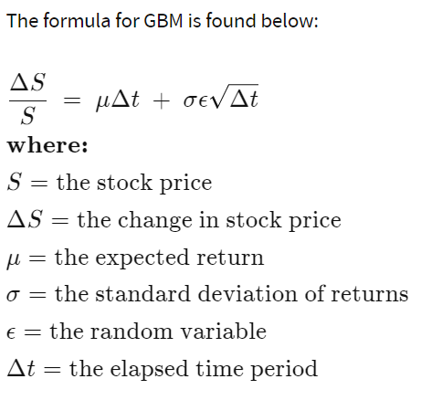
S_0=100, | sigma=20%, | r=1%, | T=1 yr | K=99 | dt=1 day | N | we will use the geometric Brownian motion (GBM), which is technically a Markov process. This means the stock price follows a random walk and is consistent with (at the very least) the weak form of the efficient market hypothesis (EMH)—past price information is already incorporated, and the next price movement is "conditionally independent" of past price movements.
100 | 20% | 1% | 1 | 99 | 1 | 100

1) simulate N trajectories (N free input of the script) for the GBM through a VBA code and visualise the paths in a figure for N=100 |  |  |  |  |  |  |  | ​If we rearrange the formula to solve just for the change in stock price, we see that GBM says the change in stock price is the stock price "S" multiplied by the two terms found inside the parenthesis below:

 |  |  |  |  |  |  |  | The first term is a "drift" and the second term is a "shock." For each time period, our model assumes the price will "drift" up by the expected return. But the drift will be shocked (added or subtracted) by a random shock. The random shock will be the standard deviation "s" multiplied by a random number "e." This is simply a way of scaling the standard deviation.

 |  |  |  |  |  |  | The Black-Scholes model or Black-Scholes-Merton model is a mathematical model for pricing an options contract. The model is based on geometric Brownian motion (GBM) with constant drift and volatility. The Black–Scholes equation is a second order partial differential equation, which gives a theoretical estimate of the price of European options over time.

 |  |  |  |  |  |  | where S(t) is the spot price of the underlying asset at time t; V(S, t) is the price of the option as a function of the underlying asset S, at time t; r is the risk-free interest rate; 𝜎 is the volatility of returns of the underlying asset; t is current time in years. By solving the equation for the corresponding terminal and boundary conditions, we have the solution as the price of a European call option C(S, t) and the price of a European put option P(S, t) are:
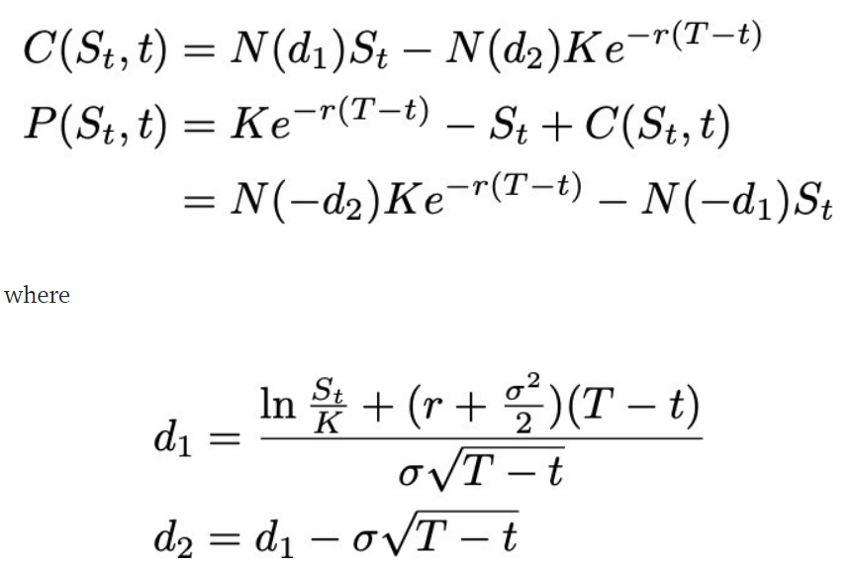

 |  |  |  |  |  |  | where K is the strike price or exercise price of the option; N(･) denotes the cumulative distribution function (CDF) of the standard normal distribution; T is expiry or maturity and T-t is time to maturity in years.

 |  |  |  |  |  |  | The underlying stock S follows a GBM, which satisfies the stochastic differential equation (SDE):

 |  |  |  |  |  |  | where 𝜇 represents the drift rate of growth of the underlying stock, and W denotes a Weiner process (one-dimensional Brownian motion). By using Ito’s lemma, the analytic solution of the SDE can be solved as:

 |  |  |  |  |  |  | where Z is a standard normal random variable.

 |  |  |  |  |  |  | The model assumes underlying asset prices follow a lognormal distribution. Asset prices are often observed to have significant right skewness and some degree of kurtosis. This implies the market is pricing in a greater likelihood of a high volatility move to the downside.

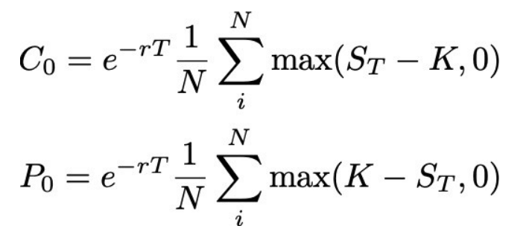
# S_t: the spot price of the underlying asset at time t |  |  |  |  |  |  | For European option, the buyer elects to exercise the option on the maturity date T, the seller is obligated to sell/buy the inderlying stock to/from the buyer at the strike price K. Thus, the call/input option price at time t = 0 is
# r: the risk-free interest rate
# sigma: the volatility of returns of the underlying asset
# K: the strike price or exercise price of the option
# C0: the price of a European call option at time t = 0
# t: current time in years
# T: expiry or maturity date
# N: number of realizations for Monte Carlo simulation

# lognormal distribution of the price
S0 = 100
r = 0.05
sigma = 0.25
K = 105
T = 1.0
N = 10000
Z = np.random.normal(size=N)
ST = S0*np.exp((r-0.5*sigma**2)*T+sigma*np.sqrt(T)*Z) |  |  |  |  |  |  | the simulated paths over time can be plotted to understand the behavior of this stochastic process.
plt.hist(ST, bins='auto')
plt.xlabel('price')
plt.ylabel('ferquency')

# Monte Carlo simulation
weeks = 52
dt = T/weeks
S = np.zeros((weeks+1, N))
S[0] = S0
for t in range(1, weeks+1):
Z = np.random.normal(size=N)
S[t] = S[t-1]*np.exp((r-0.5*sigma**2)*dt+sigma*np.sqrt(dt)*Z)

Foglio2
2) Build up a pricer of vanillas (call/put) through MC by 1 step simulation (that is by simulating N>500 values of the random variable S_T not the entire path)
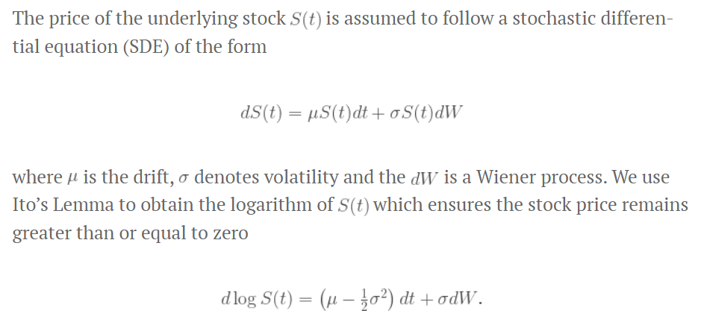

In a Monte Carlo simulation we generate a large number of stock price estimates using the above expression which we then use to estimate the option price. The option price is determined by calculating the expected value (denoted by ) of some pay-off function and then discounting by the increase in value due to the risk-free interest rate

where the pay-off function depends on the stock price and the strike price {K}. A call option is only exercised if the asset price at maturity is greater than the strike price, whereas a put option is only exercised if the asset price is less than the strike price, therefore, the pay-off function is defined as {\max(S(T)-K, 0)} and {\max(K-S(T), 0)} respectively.

Foglio3
3) Same as in 2) but using multiple step Euler-scheme based simulation with N>500 and compare the results

As stated, we start by implementing the Euler method to simulate the stock price’s time series. This is done simply by assuming that the stock price follows the process given below in a discrete aproximation. Being φ a random variable drawn from a standardized Normal distribution.

This process also has an exact solution to keep in mind. We’ll simulate both the discrete approximation and the exact formula, so we can later compare results. This will be specially interesting when valuing path dependent options, given we can show just how path dependency affects the results. We’ll start by, again, modeling our underlying process as a Geometric Brownian Motion with a drift, which means that the log of the returns is normally distributed and Markov properties apply. Therefore, we consider the following process for our stock.

Solving this equation requires us to apply Ito’s lemma to a process that satisfies the lognormal random walk above. Consider V(S,t) = ln(𝑆𝑡). Then, by Ito’s, we have:

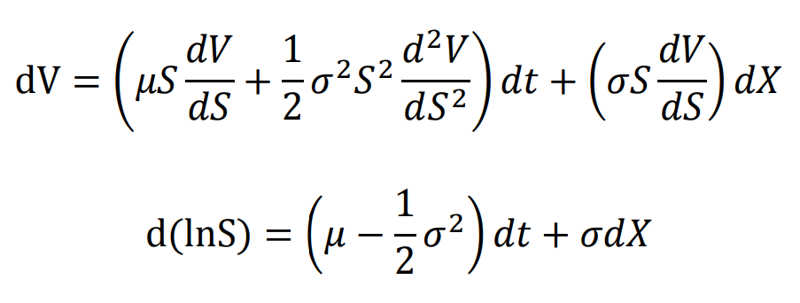

Now that we have our exact solution, as our Monte Carlo algorithm for option pricing requires, we must replace the drift for the risk-free rate and discretize the equation, so we can simulate what happens with our prices when t → t + dt.

Foglio5
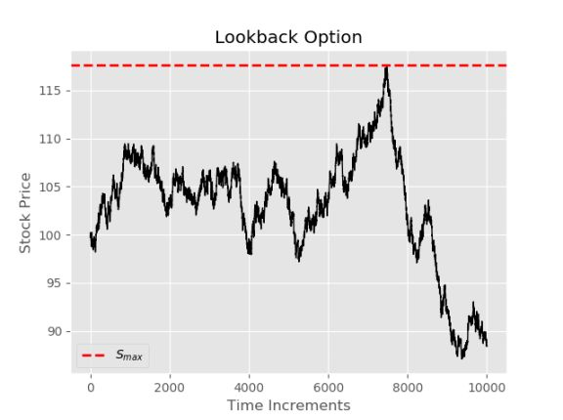
5) (OPTIONAL) Modify the existing codes in order to deal with other path dependent options, like e.g. lookback options with payoff = S_T - Min(S_t, t<=T)
 | The lookback options depend on the paths (history) travelled by the underlying security. Thus, they are also called path-dependent exotic options. One of them is named floating strikes. The payoff function of a call when the exercise price is the minimum price achieved during the life of the option is given as follows

It may seem like the above was largely unnecessary since we have the Black-Scholes equation, since it takes longer and is less accurate. However, there are a number of cases where a closed form solution is not readily available. Consider again the plot of paths at the beginning of the document. Let's say for some reason someone wants to buy an option that allows the holder to exercise at the most favorable price throughout the specified time interval. Take for example, if the stock in question follows the path below, the holder of this option would be able to choose SmaxSmax (dashed red line below).

Foglio6
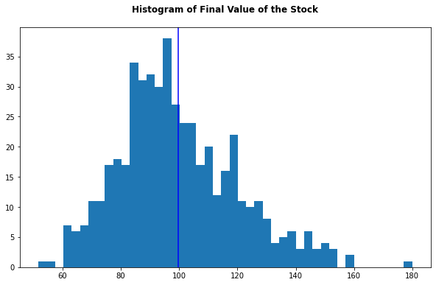
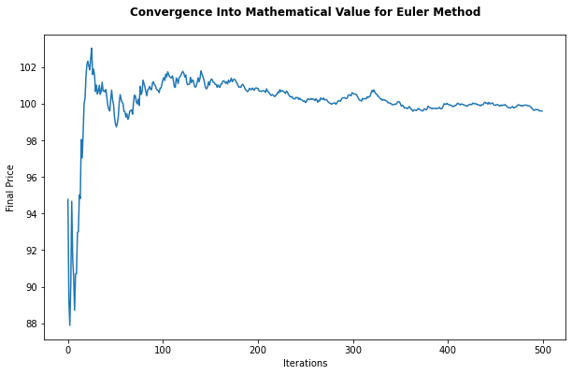
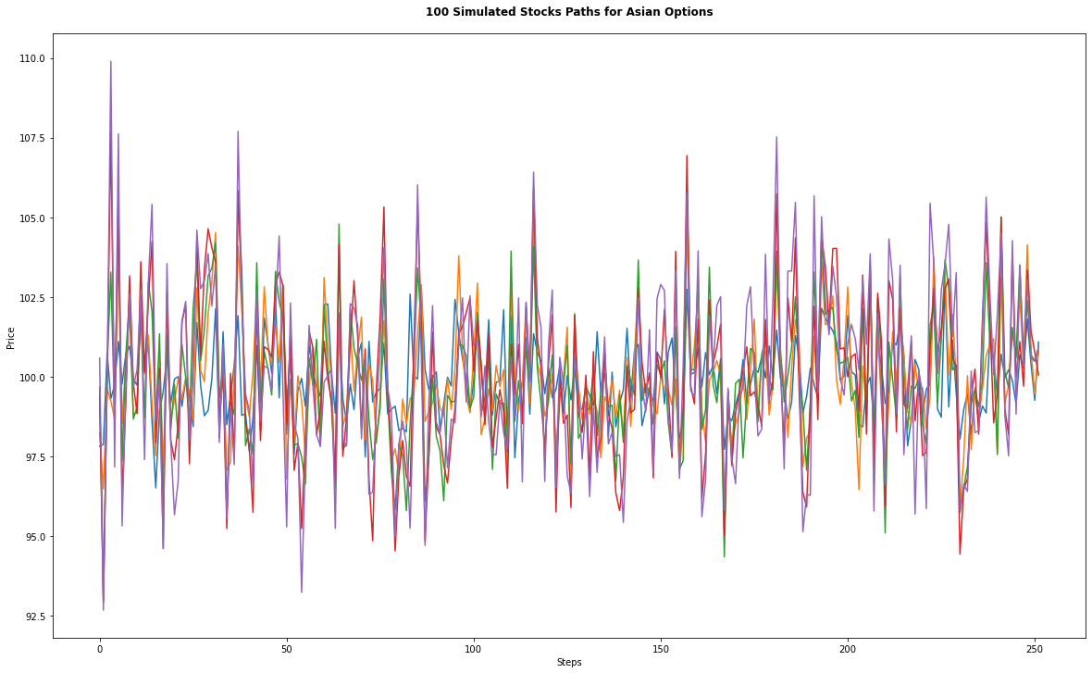
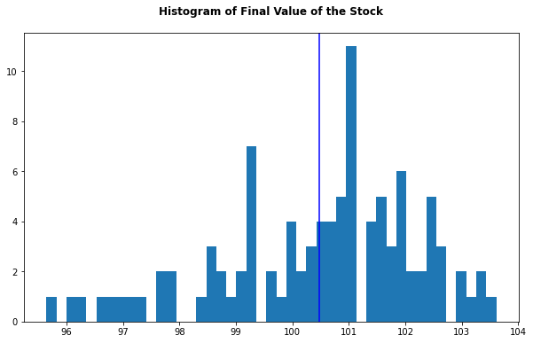
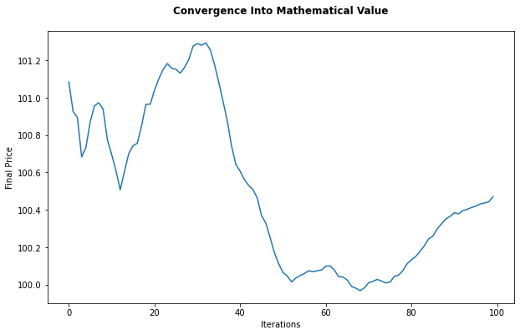
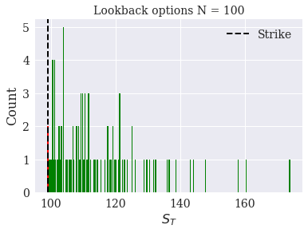
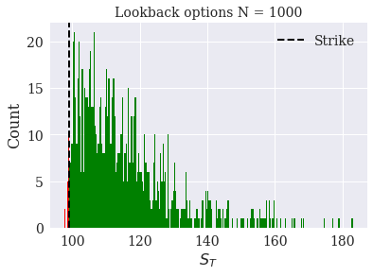
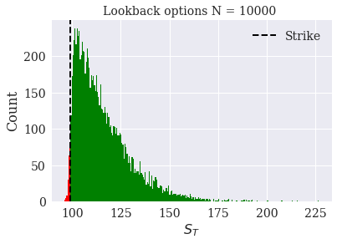
Report 6
Walter Martemucci
2057975
Stochatic Methods for Finance
link to GitHub repository: https://github.com/waltermartemucci/StochasticMethodsforFinance
Fix some generic parameters for the BS market model (e.g S_0=100, sigma=20%, r=1%, T=1 year, K=99 and the time step in the discretisation is dt=1 day ).
1. Simulate N trajectories (N free input of the script) for the GBM through a VBA code and visualise the paths in a figure for N=100.
We will use the geometric Brownian motion (GBM),which is technically a Markov process. This means the stock price follows a random walk and is consistent with the weak form of the efficient market hypothesis past price information is already incorporated, and the next price movement is "conditionally independent" of past price movements.
​If we rearrange the formula to solve just for the change in stock price, we see that GBM says the change in stock price is the stock price "S" multiplied by the two terms found inside the parenthesis below:
The first term is a "drift" and the second term is a "shock." For each time period, our model assumes the price will "drift" up by the expected return. But the drift will be shocked (added or subtracted) by a random shock. The random shock will be the standard deviation multiplied by a random number. This is simply a way of scaling the standard deviation.
The Black-Scholes model is a mathematical model for pricing an options contract. The model is based on geometric Brownian motion (GBM) with constant drift and volatility. The Black–Scholes equation is a second order partial differential equation, which gives a theoretical estimate of the price of European options over time.
where S(t) is the spot price of the underlying asset at time t; V(S, t) is the price of the option as a function of the underlying asset S, at time t; r is the risk-free interest rate; 𝜎 is the volatility of returns of the underlying asset; t is current time in years.
By solving the equation for the corresponding terminal and boundary conditions, we have the solution as the price of a European call option C(S, t) and the price of a European put option P(S, t).
The underlying stock S follows a GBM, which satisfies the stochastic differential equation (SDE):
where 𝜇 represents the drift rate of growth of the underlying stock, and W denotes a Weiner process (one-dimensional Brownian motion). By using Ito’s lemma, the analytic solution of the SDE can be solved as:
where Z is a standard random variable.
The model assumes underlying asset prices follow a lognormal distribution. Asset prices are often observed to have significant right skewness and some degree of kurtosis. This implies the market is pricing in a greater likelihood of a high volatility move to the downside.
For European option, the buyer elects to exercise the option on the maturity date T, the seller is obligated to sell/buy the inderlying stock to/from the buyer at the strike price K. Thus, the call/input option price at time t = 0 is

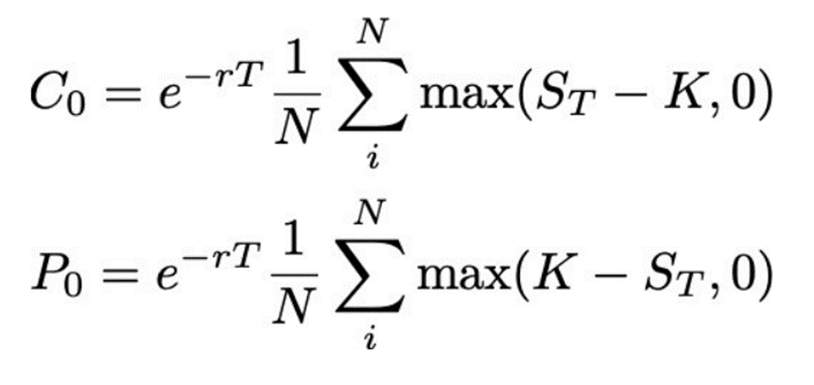

The simulated paths over time can be plotted to understand the behavior of this stochastic process, this has been done in Python

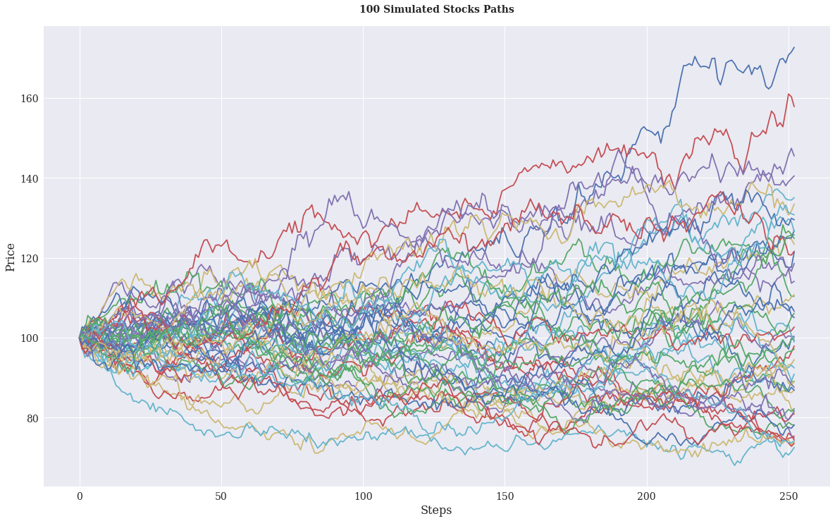

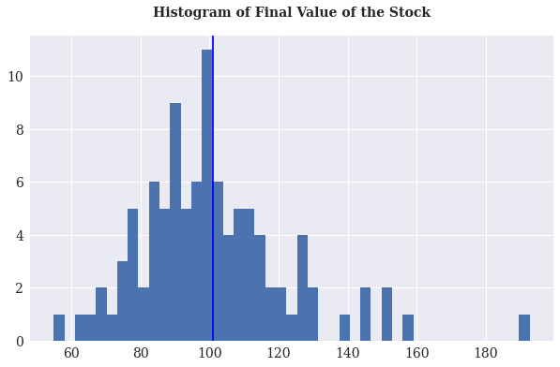

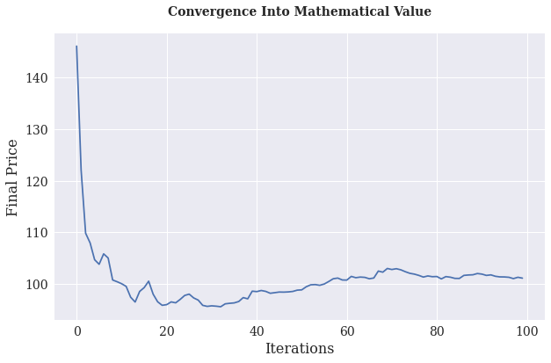

2. Build up a pricer of vanillas (call/put) through MC by 1 step simulation (that is by simulating N>500 values of the random variable S_T not the entire path)
In a Monte Carlo simulation we generate a large number of stock price estimates using the above expression for S(t) which we then use to estimate the option price. The option price is determined by calculating the expected value (denoted by ) of some pay-off function and then discounting by the increase in value due to the risk-free interest rate.
Once the risky asset paths is done, we proceed to do the same for the contingent option. For this example, we valued a European call option with a strike price of 99 (𝐾=99).
We derived an alternative to the traditional BSM model. Nevertheless, given the model's assumptions and the number of the trajectory N=100, it is more accurate to calculate the option theoretically than in a simulated fashion.
However, we can improve the simulation by improving the number of free inputs N, as we are going to show.
The same could be done for the Put options.
The results for the case N=10000.
As we increase N towards infinity the price approaches the Black-Scholes price, due to Central Limit Theorem as shown below.

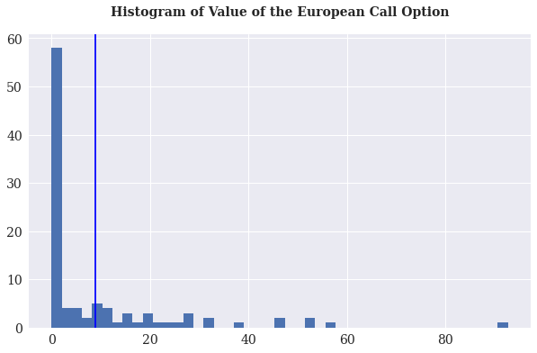

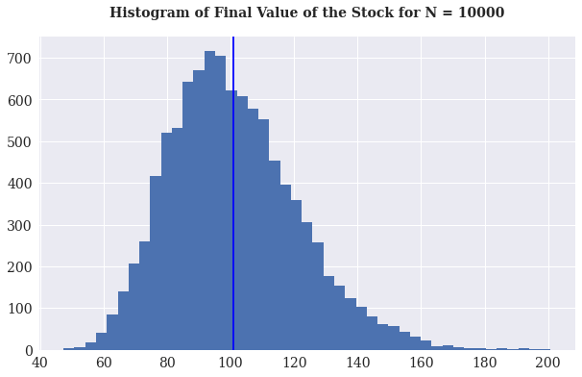

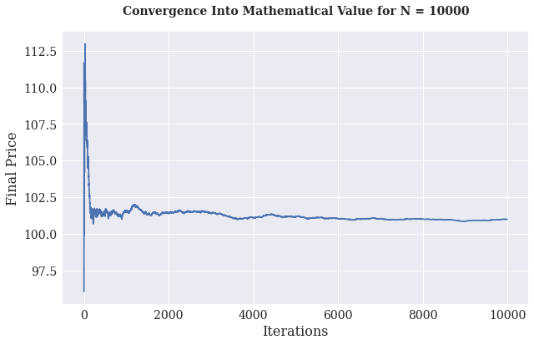

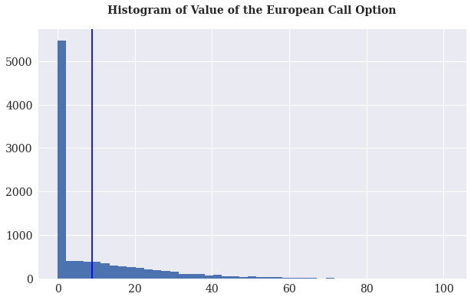

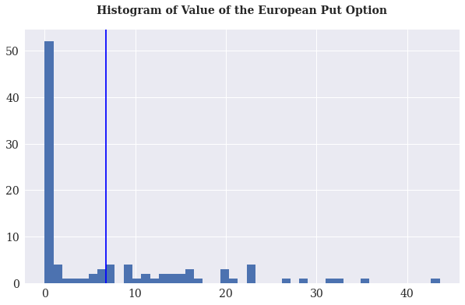

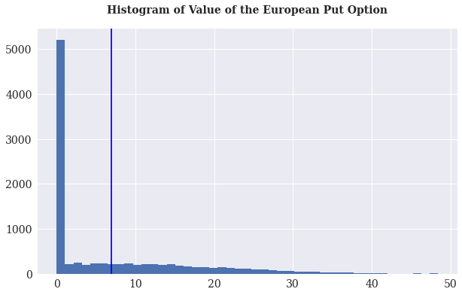

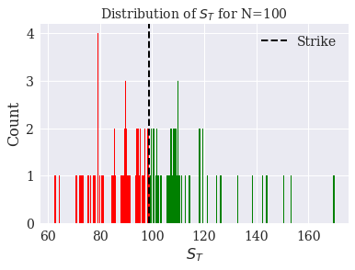
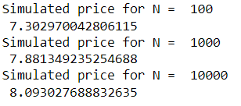

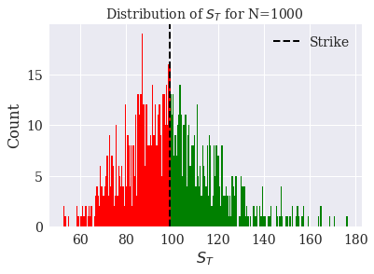

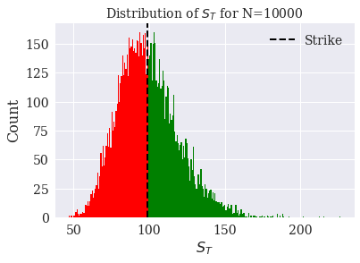

3. Same as in 2) but using multiple step Euler-scheme based simulation with N>500 and compare the results
As stated, we start by implementing the Euler method to simulate the stock price’s time series. This is done simply by assuming that the stock price follows the process given below in a discrete aproximation. Being φ a random variable drawn from a standardized Normal distribution.
This process also has an exact solution to keep in mind. We’ll simulate both the discrete approximation and the exact formula, so we can later compare results. This will be specially interesting when valuing path dependent options, given we can show just how path dependency affects the results. We’ll start by, again, modeling our underlying process as a Geometric Brownian Motion with a drift, which means that the log of the returns is normally distributed and Markov properties apply. Therefore, we consider the following process for our stock.
Solving this equation requires us to apply Ito’s lemma to a process that satisfies the lognormal random walk above. Consider V(S,t) = ln(𝑆𝑡). Then, by Ito’s, we have:
Now that we have our exact solution, as our Monte Carlo algorithm for option pricing requires, we must replace the drift for the risk-free rate and discretize the equation, so we can simulate what happens with our prices when t → t + dt.

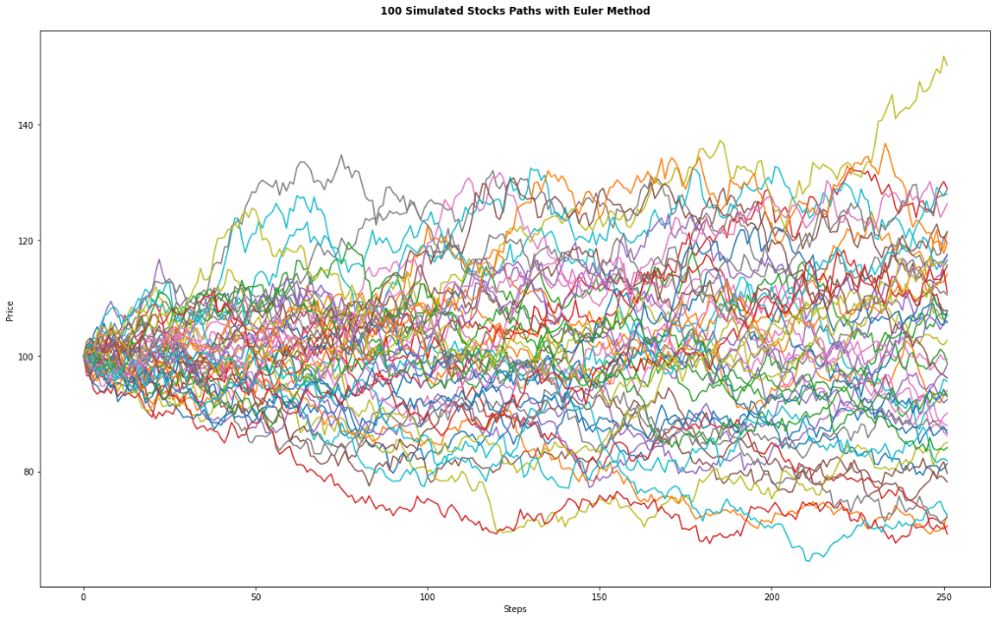

4. Same as in 3) but applied to Asian options, i.e. path-dependent options with payoff = (1/T\int_0^T S_tdt - K)^+
Asian options are popular hedging instruments in the hands of financial risk managers, owing to their special payout structure and cost-effectiveness. With regard to exercise behavior, these options are “European”, in the sense that they can be exercised only at a pre-agreed (maturity) date; however, as opposed to (plain) vanilla products, Asian options have an “exotic” payout at maturity
where K stands for the pre-agreed strike price and Avf stands for the time average of the underlying asset’s prices from time 0 to time T (i.e. during the lifetime of the option).
The above equation implies that Asian options are path-dependent; moreover, since their value depends on the average of all underlying prices during the option’s lifetime, they may be considered as the quintessence of path-dependent derivatives.
The exotic nature of this option type has important financial and mathematical implications for us. From a financial (or practical) perspective, the stabilizing effect of averaging makes Asian options a cheaper, yet more reliable alternative to their vanilla counterparts for financial risk managers.
5. Modify the existing codes in order to deal with other path dependent options, like e.g. lookback options with payoff = S_T - Min(S_t, t<=T)
The lookback options depend on the paths of the underlying, like asian options.
The payoff function of a call when the exercise price is the minimum price achieved during the life of the option is given as follows:
The price is calculated similarly to vanilla options:
This type of option reduces uncertainties associated with the timing of market entry and reduces the chances the option will expire worthless. Lookback options are expensive to execute, so these advantages come at a cost.
When using a fixed strike lookback option, the strike price is set or fixed at purchase, similar to most other types of option trades.
When using a floating strike lookback option, the strike price is set automatically at maturity to the most favorable underlying price reached during the contract's life.
It is possible to price the lookback options with Euler methods.
Change N to obtain a satisfactory amount of simulations to price the lookback options.

