Eglass-Epoxy-Conductivity
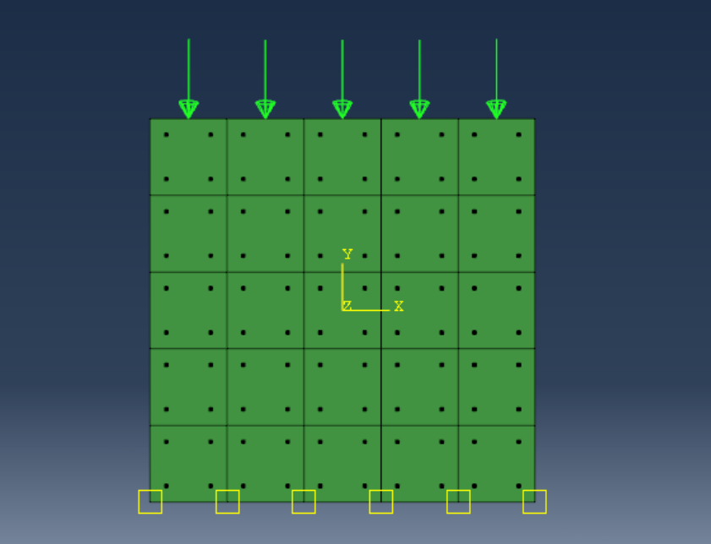
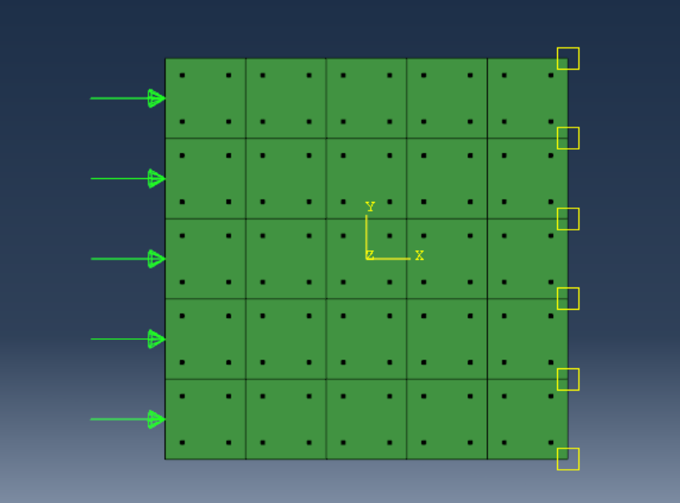
RVE Micromechanics | RVE 1-2 | RVE 2-3 | RVE Micromechanics | RVE 1-2 | RVE 2-3
Q (W/m^2) | 23986.509524 | 25921.471429 | Q (W/m^2) | 37549.042857 | 26142.731111
dT/dy (Celcius/m) | 131578.94737 | 131578.94737 | dT/dx (Celcius/m) | 131578.94737 | 131578.94737
ky (W/C*m) | 0.18229747238 | 0.19700318286 | kx (W/C*m) | 0.28537272571 | 0.19868475644
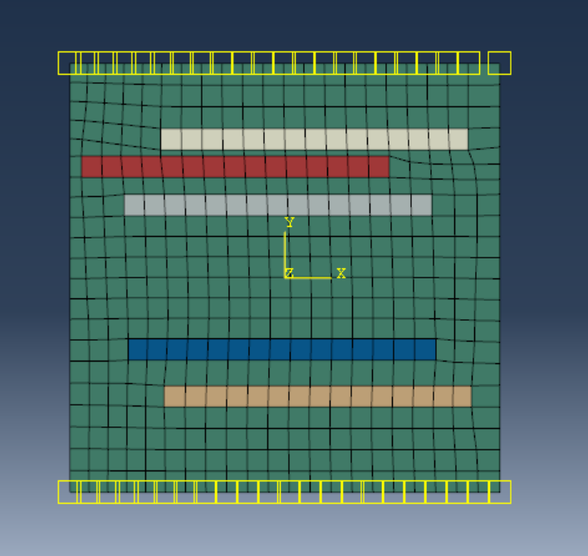
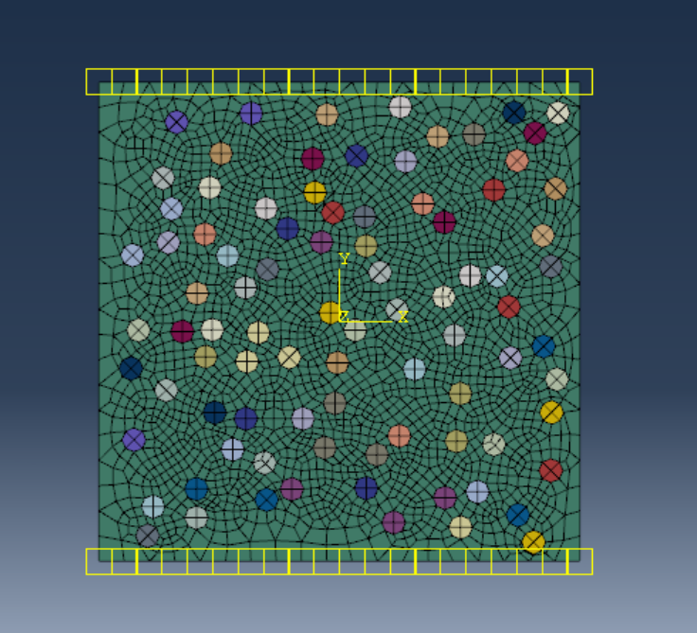
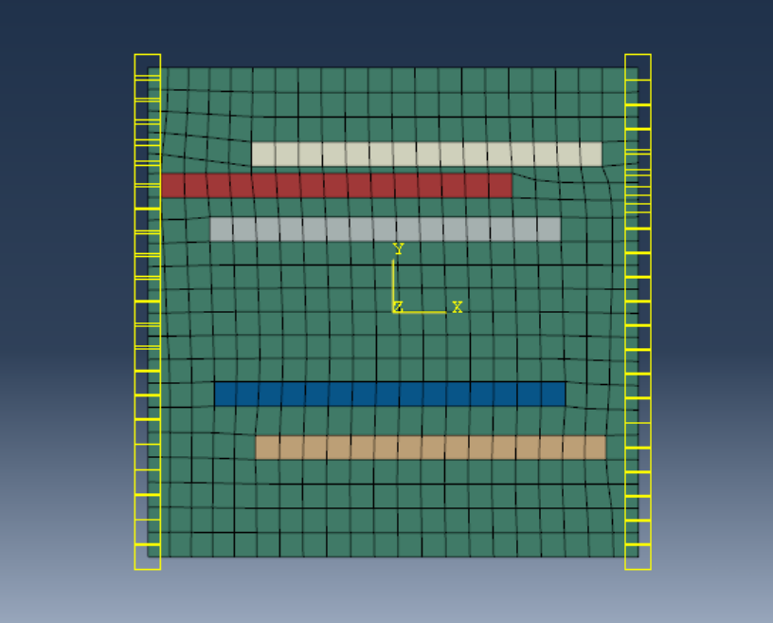
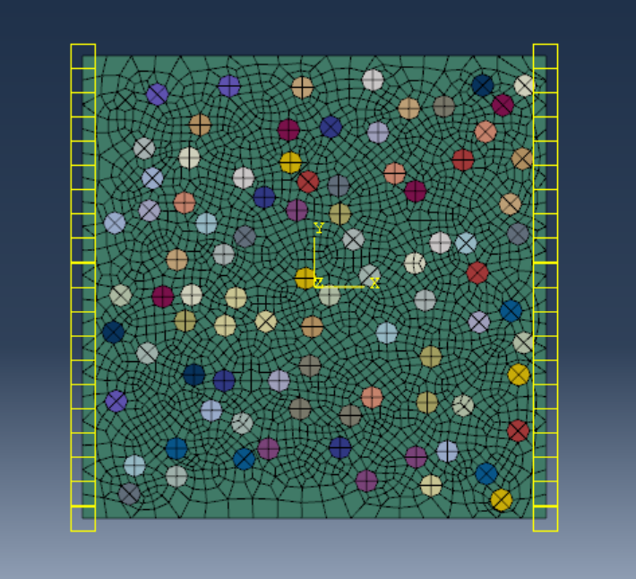

RVE 1-2 |  | RVE 2-3 | RVE 1-2 |  | RVE 2-3

Direct FE2 | RVE 1-2 | RVE 2-3 | Direct FE2 | RVE 1-2 | RVE 2-3
Q (W/m^2) | 1000 | 1000 | Q (W/m^2) | 1000 | 1000
dT/dy (Celcius/m) | 5485.915 | 5054.825 | dT/dx (Celcius/m) | 3553.8 | 5071.55
ky (W/C*m) | 0.18228499712 | 0.19783078544 | kx (W/C*m) | 0.28138893579 | 0.19717837742

