TEMPLATE
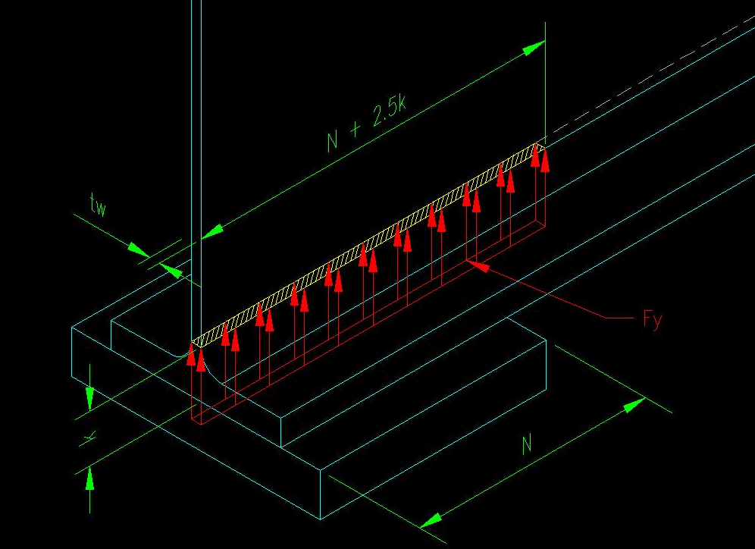
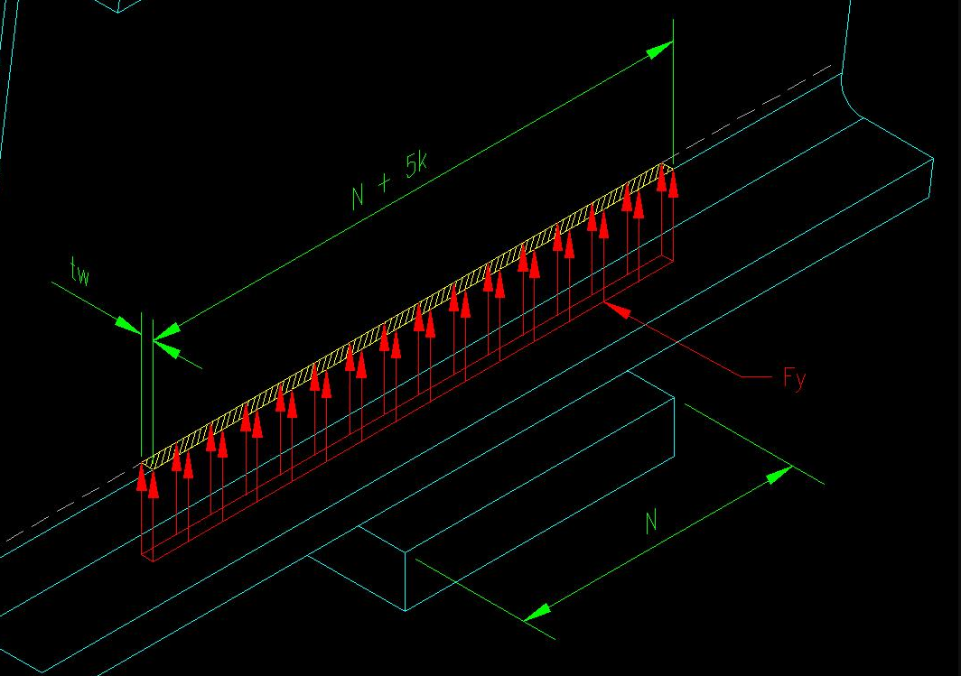
Code |  |  | AISC 9th Edition - Allowable Stress Design
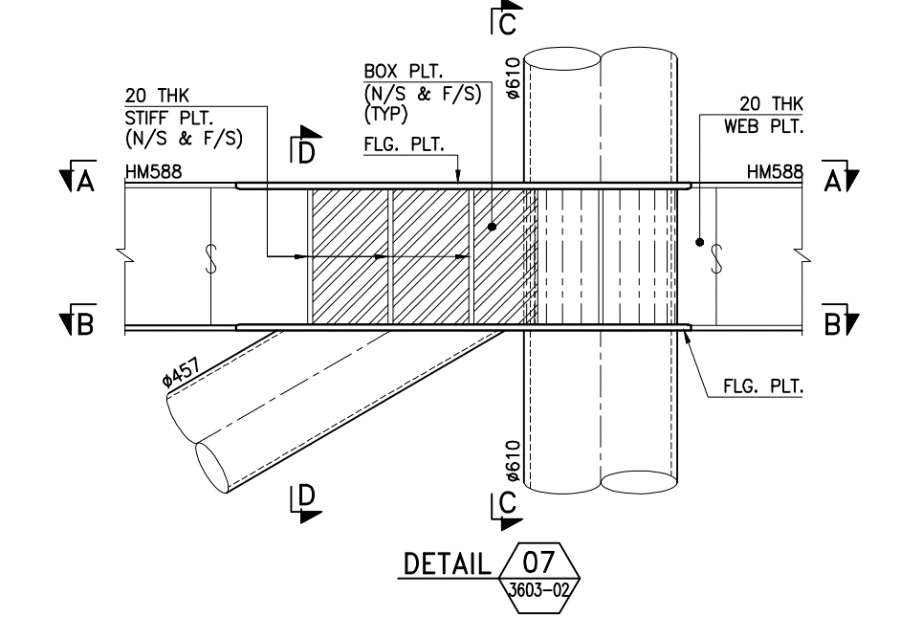
a1
a2
N
75
a1
a2
N
75
 |  |  |  |  |  | DETAIL 08 & 12

1 | Load Information
 | Bracing (RR5) axial load |  |  |  |  |  | Fx_RR1 = |  | kN | (Lifting) | L01 (NPCM)
 | Bracing (RR5) angle |  |  |  |  |  | qRR1 = |  | °
 | Bracing (RR6) axial load |  |  |  |  |  | Fx_RR9 = |  | kN | (Lifting) | L01 (NPCM)
 | Bracing (RR6) angle |  |  |  |  |  | qRR9 = |  | °
 | Design Load |  |  |  |  |  | P = | 0 | kN |  |  | 0.00 | kips
 |  |  |  |  |  |  | Fh = | 0 | kN
 | Bearing Length (length of bearing - not less than k for end reactions) : |  |  |  |  |  | N = |  | mm |  |  | 0.00 | in
 | Unbraced length (largest laterally unbraced length along either flange |  |  |  |  |  | l = |  | mm |  |  | 0.00 | in
 | at the point of load):
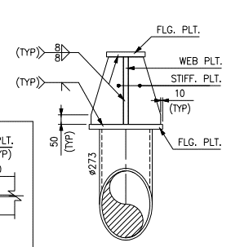
 | SACS Output: Governing Member |  |  |  |  | Brace diameter: | Db |  | mm
 | Member Group/End = B2/2085 |  |  |  |  | Brace thickness: | tb |  | mm
 | At Beam: HEB300 |  |  |  |  | Brace tension Capacity: | Ft | 0 | kN | Not Okay | P < Ft
2 | Beam and Stiffener Properties Input
2.1 | Beam Properties
 | Yield Strength of Beam: |  |  |  |  |  | Fy = |  | Mpa |  |  | 0.00 | ksi
k
 | Utimate tension strength: |  |  |  |  |  | Fu = |  | MPa |  |  | 0.00 | ksi
 | Beam Width |  |  |  |  |  | bf = |  | mm |  |  | 0.00 | in
 | Beam Depth |  |  |  |  |  | d = |  | mm |  |  | 0.00 | in
 | Beam Flange thickness: |  |  |  |  |  | tf = |  | mm |  |  | 0.00 | in
 | Beam Web Thickness: |  |  |  |  |  | tw = |  | mm |  |  | 0.00 | in
k
 | Moment of Inertia in Major Axis: |  |  |  |  |  | Ixx | 0 | cm4
 | Moment of Inertia in Minor Axis: |  |  |  |  |  | Iyy | 0 | cm4
 | Fillet Radius of Beam |  |  |  |  |  |  |  | mm
 | Distance from outer face of flange to web toe of fillet: |  |  |  |  |  | k = | 0 | mm |  |  | 0.00 | in
 | Elastic sectional Modulus: |  |  |  |  |  | S = | #DIV/0! | cm3
 | Web Height clear of flanges: |  |  |  |  |  | h = | 0 | mm |  |  | 0.00 | in
 | Web Height clear of fillets: |  |  |  |  |  | dc = | 0 | mm |  |  | 0.00 | in
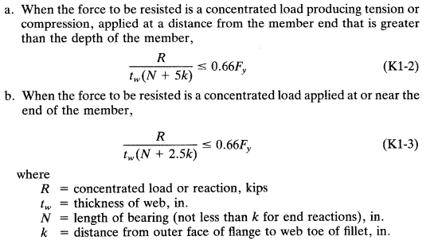
3 | Beam Web Check (wo Stiffener)
3.1 | Beam Web Yielding

 | D = |  | mm ( distance of force applied from the member end ) |  |  |  | Col. Dia.= |  | mm |  |  | 0.00 | in
 |  |  |  |  |  |  | Gap= |  | mm
 | a. | D > d | Pa < | tw x ( N + 5k ) x 0.66 Fy |  |  | Ellipse brace end= | 0 | mm | (AISC 9th Ed., K1-2)

 | b. | D < d | Pa < | tw x ( N + 2.5k ) x 0.66 Fy |  |  |  |  |  | (AISC 9th Ed., K1-3)

 |  |  | Pa = | 0.00 | kN |  |  |  |  |  |  | 0.00 | kips
 |  |  | P/Pa = | #DIV/0! |  | #DIV/0!

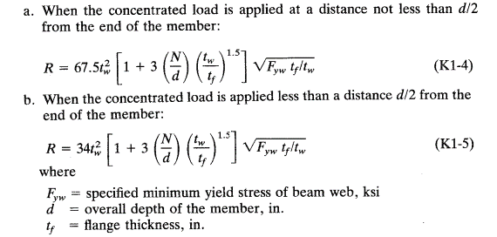
3.2 | Beam Web Crippling

 | a. | D > 0.5 d | Pa < | 67.5 tw2 x [ 1 + 3 ( N / d ) x ( tw / tf )1.5] x ( Fy tf / tw )0.5 |  |  |  |  |  | (AISC 9th Ed., K1-4)

 | b. | D < 0.5 d | Pa < | 34 tw2 x [ 1 + 3 ( N / d ) x ( tw / tf )1.5] x ( Fy tf / tw )0.5 |  |  |  |  |  | (AISC 9th Ed., K1-5)

 |  |  | Pa = | #DIV/0! | kN |  |  |  |  |  |  | #DIV/0! | kips
 |  |  | P/Pa = | #DIV/0! |  | #DIV/0!

3.3 | Beam Sidesway Buckling

 | a. | Loaded flange is restaint against rotation and (dc / tw) / (l / bf) < 2.3
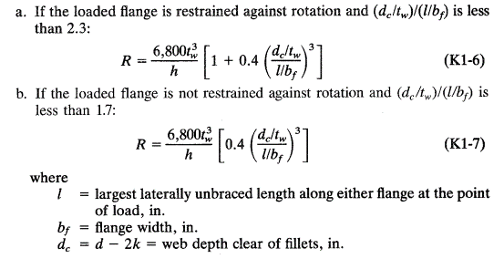
 |  |  | (dc / tw) / (l / bf) = | #DIV/0! | #DIV/0! | 2.3

 |  |  | Pa < | 6,800 tw3 x {1+ 0.4 [ (dc/tw) / (l/bf) ]3} / h |  |  |  |  |  | (AISC 9th Ed., K1-6)

 |  |  | Pa < | #DIV/0! |  |  |  |  |  |  |  | #DIV/0! | kips
 |  |  | P/Pa = | #DIV/0! |  | #DIV/0!

 | b. | Loaded flange is not restaint against rotation and (dc / tw) / (l / bf) < 1.7

 |  |  | (dc / tw) / (l / bf) = | #DIV/0! | #DIV/0! | 1.7

 |  |  | Pa < | 6,800 tw3 x { 0.4 [ (dc/tw) / (l/bf) ]3 } / h |  |  |  |  |  | (AISC 9th Ed., K1-7)

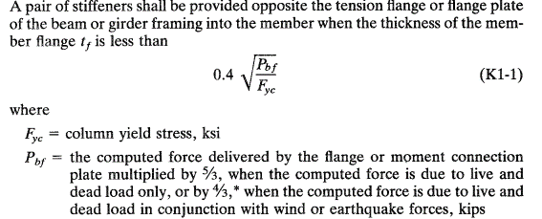
 |  |  | Pa < | #DIV/0! |  |  |  |  |  |  |  | #DIV/0! | kips
 |  |  | P/Pa = | #DIV/0! |  | #DIV/0!

3.4 | Compression Buckling of the Web

 |  |  | dc < | 4100 tw3 Fy0.5 / Pbf |  |  |  |  |  | (AISC 9th Ed., K1-8)

 |  |  | Pa < | 0.6 * 4100 tw3 Fy0.5 / dc
Pbf = 5/3 P
Pbf = 5/3 P
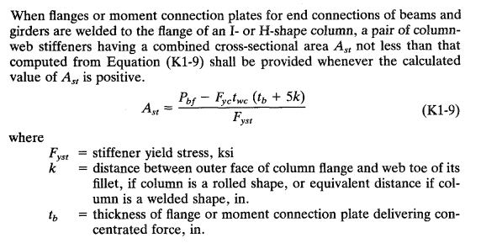
 |  |  | Pa < | #DIV/0! |  |  |  |  |  |  |  | #DIV/0! | kips
 |  |  | P/Pa = | #DIV/0! |  | #DIV/0!

3.4 | Stiffener Cross Sectional Area Required

 |  |  | Ast = | Pbf - Fyc twc ( tb + 5k ) / Fyst |  |  |  |  |  | (AISC 9th Ed., K1-9)
 |  |  | Pbf = | 5/3 P kips

 |  |  | Ast = | #DIV/0! | mm2 | #DIV/0! |  |  |  |  |  | #DIV/0! | in2

4 | Stiffener Design
 | Web - Stiffeneners as Axially Loaded Column
4.1 | Stiffener Properties:
 | Yield Strength of stiffener: |  |  |  |  |  | Fyst = |  | Mpa |  |  | 0.00 | ksi
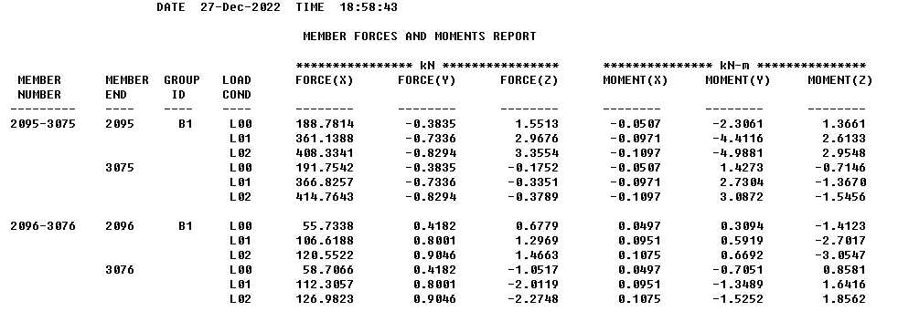
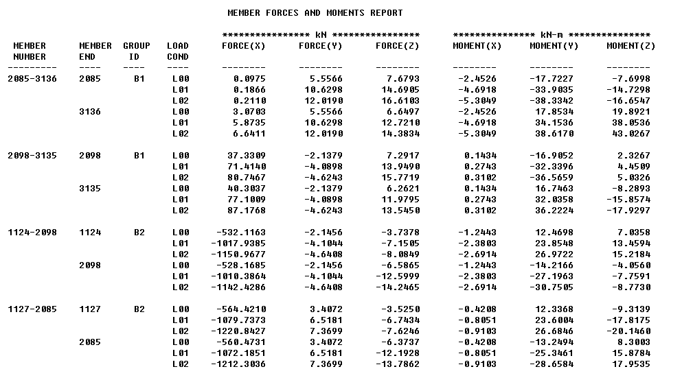
 | Utimate tension strength: |  |  |  |  |  | Fust = |  | MPa |  |  | 0.00 | ksi
 | Young Modulus: |  |  |  |  |  | Est = |  | MPa |  |  | 0.00 | ksi
 | Effective beam web length: |  |  |  |  |  | Lw = 25 tw = | 0 | mm |  |  | 0.00 | in
 | Length of the stiffener: |  |  |  |  |  | a1 = |  | mm |  |  | 0.00 | in
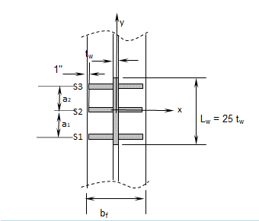
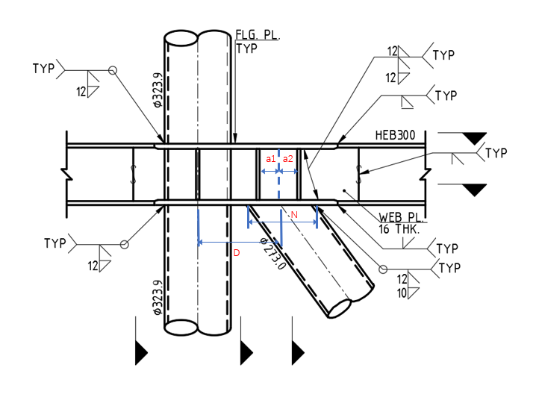
 |  |  |  |  |  |  | a2 = |  | mm |  |  | 0.00 | in
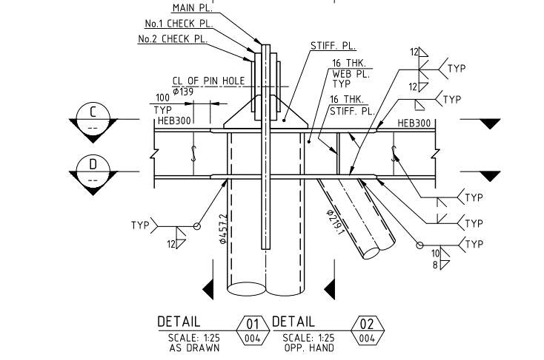
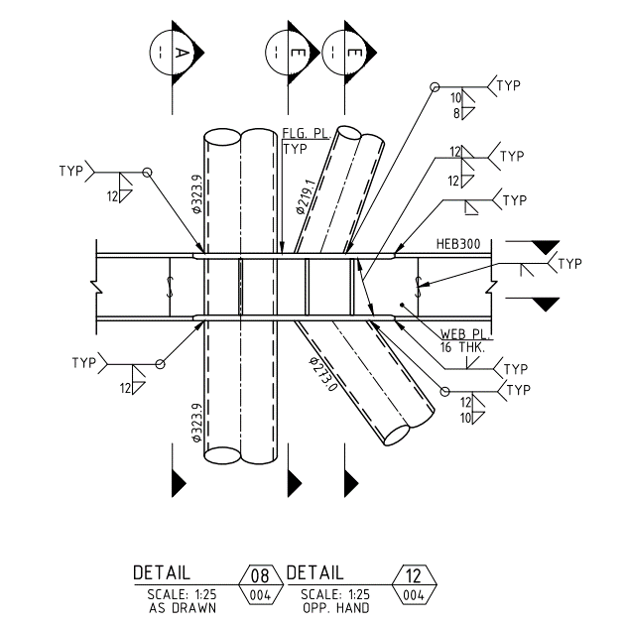

 |  |  |  |  |  |  |  |  | TYP
4.2 | Minimum Stiffener width
 |  | bst,min = | bf /3 - tw /2
 |  | = | 0 | mm | (minimum)
 |  | bst = | (bf - tw)/2 - 25.4
 |  | = | -25 | mm | NOT OK |  |  |  |  |  |  | -1.00 | in

4.3 | Minimun Stiffener thickness
 | Width-thickness ratio
 |  | bst / tst.min = | 95 / (Fyst)0.5 |  |  |  |  |  |  | (AISC 9th Ed., Table B5.1)
 |  | tst.min = | bst/ (95 / (Fyst)0.5)
 |  | = | #DIV/0! | mm | (minimum)
 |  | tst = |  | mm | #DIV/0! |  |  |  |  |  |  | 0.00 | in

4.4 | Web Stiffener Data

 | Plate | Thickness (mm) | Width (mm) | Area (mm2) | y (mm) | Ay2 (mm4) | x (mm) | Ax2 (mm4) | Ixx (mm4) | Iyy (mm4)
 | Web (Lw) | 0 | 0 | 0 | 0 | 0.00E+00 | 0 | 0.00E+00 | 0.00E+00 | 0.00E+00
 | S1 | 20 | -25 | -1016 | 0 | 0.00E+00 | -12.7 | -1.64E+05 | -3.39E+04 | -2.18E+05
 | S2 | 0 | -25 | 0 | 0 | 0.00E+00 | -12.7 | 0.00E+00 | 0.00E+00 | 0.00E+00
 | S3 | 20 | -25 | -1016 | 0 | 0.00E+00 | -12.7 | -1.64E+05 | -3.39E+04 | -2.18E+05
 |  |  | Total Area = | -2032 |  |  |  | Total Ixx / Iyy= | -6.77E+04 | -4.37E+05

 | Effective area |  |  |  | Ac = |  |  | -2032 | mm2 |  |  | -3.15 | in2
 | Moment of Inertia |  |  |  | Ixx = |  |  | -6.77E+04 | mm4 |  |  | -0.16 | in4
 | Radiu of gyration |  |  |  | rx = (Ixx/Ac)0.5 = |  |  | 6 | mm |  |  | 0.23 | in
 | Moment of Inertia |  |  |  | Iyy = |  |  | -4.37E+05 | mm4 |  |  | -1.05 | in4
 | Radiu of gyration |  |  |  | ry = (Iyy/Ac)0.5 = |  |  | 15 | mm |  |  | 0.58 | in
4.5 | Axial Stress
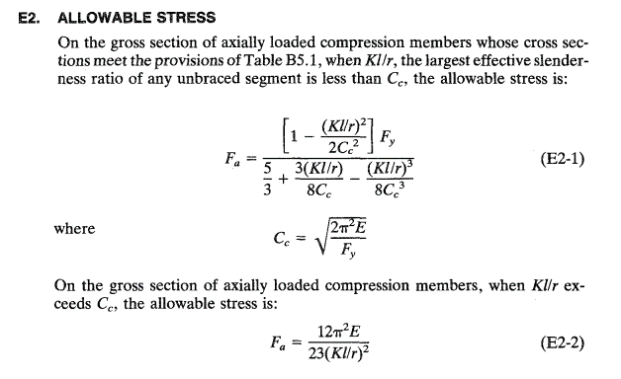
 | Axial Allowable Stress

 |  | Kl/r = | 0.00 | #DIV/0! | #DIV/0! |  |  |  |  |  |  | 0.00 | in

 | a. | When Kl/r < Cc |  |  |  |  |  |  |  | (AISC 9th Ed., E2-1)

 |  | Fa = | [ 1 - (kl/r)2 / 2 Cc2 ] Fy
 |  |  | 5/3 + 3 (kl/r) / ( 8 Cc ) - (kl/r)3 / ( 8Cc3)

 |  | = | #DIV/0! |  |  |  |  |  |  |  |  | #DIV/0! | ksi

 | a. | When Kl/r > Cc |  |  |  |  |  |  |  | (AISC 9th Ed., E2-2)

 |  | Fa = | 12 ∏2 E
 |  |  | 23 (Kl/r)2
 |  | = | #DIV/0! |  |  |  |  |  |  |  |  | #DIV/0! | ksi

 | Where,
 |  | Q = | 1
 |  | Cc = | #DIV/0! | (2p2E/Qfy)0.5
 |  | k =
 |  | l = | 0 | mm |  |  |  |  |  |  |  | 0.00 | in
 |  | r = | 5.77 | mm |  |  |  |  |  |  |  | 0.23 | in

 | Axial Stress Check
 |  | fa = | P / Ac
 |  | = | 0.00 | MPa

 |  | fa / Fa = | #DIV/0! |  | #DIV/0!

4.6 | Weld Size
 | Welding Properties

 | Welding between stiffener and beam flange: |  |  |  |  |  | tw1 = |  | mm | fillet weld |  | 0.00 | in
 |  |  |  |  |  |  | twb = |  | mm | Full penetration weld |  | 0.00 | in
 | Welding between stiffener and beam web: |  |  |  |  |  | tw2 = |  | mm | fillet weld |  | 0.00 | in
 | Welding classification number: |  |  |  |  |  | Fexx = |  | MPa |  |  | 0.00 | ksi
 | Allowable welding stress |  |  |  |  |  | Fexx,all = 0.3 Fexx = | 0.00 | MPa |  |  | 0.00 | ksi

4.6.1 | Weld of Stiffener to beam flange( Bevel weld)

 | Welding area to flange:(Area of Bevel weld) |  |  |  |  | Aw1 = 2 x 6 (0.707tw1) x bst = |  | 0.00 | mm2 |  |  | 0.00 | in2
 |  |  |  |  |  | fw1 = Fh / Aw1 = |  | #DIV/0! | MPa |  |  | #DIV/0! | ksi
 |  |  |  |  |  | fw1 / Fexx,all |  | #DIV/0! |  | #DIV/0!

4.6.2 | Fillet Weld of Stiffener to beam web
 | Load taken by stiffener PL |  |  |  |  | Ps = P - Pamin |  | #DIV/0! | kN
 | Welding Area to web: |  |  |  |  | Aw2 = 2 x 3 (0.707tw2) x h = |  | 0.00 | mm2 |  |  | 0.00 | in2
 |  |  |  |  |  | fw2 = Ps / Aw2 = |  | #DIV/0! | MPa |  |  | #DIV/0! | ksi
 |  |  |  |  |  | fw2 / Fexx,all |  | #DIV/0! |  | #DIV/0!

