Sheet2
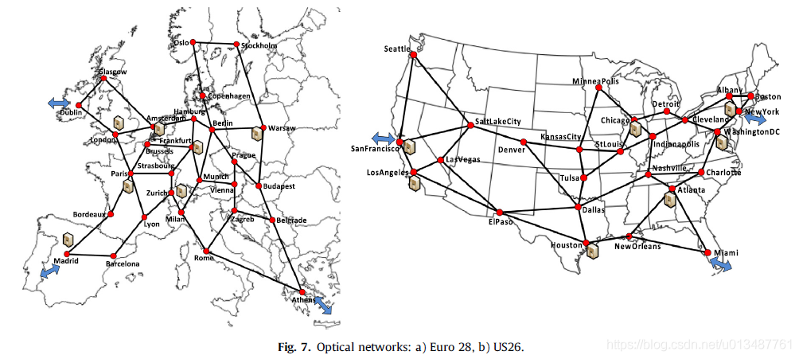
from | to | distances(m) | from | to | distances(m) | city | number | from | to | distance
Glasgow | Dublin | 308032.65786 | 0 | 1 | 308032.65786 | Glasgow | 0 | 0 | 1 | 308032.65786
Glasgow | Amsterdam | 710707.01542 | 0 | 3 | 710707.01542 | Dublin | 1 | 0 | 3 | 710707.01542
Dublin | London | 463317.29825 | 1 | 2 | 463317.29825 | London | 2 | 1 | 2 | 463317.29825
Dublin | Glasgow | 308032.65786 | 1 | 0 | 308032.65786 | Amsterdam | 3 | -1 | -1 | 308032.65786
London | Amsterdam | 357365.16517 | 2 | 3 | 357365.16517 | Brusssels | 4 | 2 | 3 | 357365.16517
London | Dublin | 463317.29825 | 2 | 1 | 463317.29825 | Paris | 5 | -1 | -1 | 463317.29825
London | Paris | 343549.66632 | 2 | 5 | 343549.66632 | Frankfurt | 6 | 2 | 5 | 343549.66632
Paris | London | 343549.66632 | 5 | 2 | 343549.66632 | Strasbourg | 7 | -1 | -1 | 343549.66632
Paris | Brusssels | 263689.49684 | 5 | 4 | 263689.49684 | Zurich | 8 | -1 | -1 | 263689.49684
Paris | Strasbourg | 397338.73685 | 5 | 7 | 397338.73685 | Bordeaux | 9 | 5 | 7 | 397338.73685
Paris | Lyon | 391494.03059 | 5 | 10 | 391494.03059 | Lyon | 10 | 5 | 10 | 391494.03059
Paris | Bordeaux | 499300.49215 | 5 | 9 | 499300.49215 | Madrid | 11 | 5 | 9 | 499300.49215
Bordeaux | Paris | 499300.49215 | 9 | 5 | 499300.49215 | Barcelona | 12 | -1 | -1 | 499300.49215
Bordeaux | Madrid | 553979.97495 | 9 | 11 | 553979.97495 | Milan | 13 | 9 | 11 | 553979.97495
Madrid | Bordeaux | 553979.97495 | 11 | 9 | 553979.97495 | Munich | 14 | -1 | -1 | 553979.97495
Madrid | Barcelona | 505443.23869 | 11 | 12 | 505443.23869 | Hamburg | 15 | 11 | 12 | 505443.23869
Barcelona | Madrid | 505443.23869 | 12 | 11 | 505443.23869 | Berlin | 16 | -1 | -1 | 505443.23869
Barcelona | Lyon | 531977.90851 | 12 | 10 | 531977.90851 | Copenhagen | 17 | -1 | -1 | 531977.90851
Lyon | Barcelona | 531977.90851 | 10 | 12 | 531977.90851 | Oslo | 18 | 10 | 12 | 531977.90851
Lyon | Paris | 391494.03059 | 10 | 5 | 391494.03059 | Stockholm | 19 | -1 | -1 | 391494.03059
Lyon | Zurich | 335235.60061 | 10 | 8 | 335235.60061 | Warsaq | 20 | -1 | -1 | 335235.60061
Zurich | Lyon | 335235.60061 | 8 | 10 | 335235.60061 | Prague | 21 | 8 | 10 | 335235.60061
Zurich | Strasbourg | 145449.31013 | 8 | 7 | 145449.31013 | Vienna | 22 | -1 | -1 | 145449.31013
Zurich | Milan | 218407.06274 | 8 | 13 | 218407.06274 | Budapest | 23 | 8 | 13 | 218407.06274
Milan | Zurich | 218407.06274 | 13 | 8 | 218407.06274 | Zagreb | 24 | -1 | -1 | 218407.06274
Milan | Munich | 348320.95962 | 13 | 14 | 348320.95962 | Belgrade | 25 | 13 | 14 | 348320.95962
Milan | Rome | 476886.17932 | 13 | 27 | 476886.17932 | Athens | 26 | 13 | 27 | 476886.17932
Rome | Milan | 476886.17932 | 27 | 13 | 476886.17932 | Rome | 27 | -1 | -1 | 476886.17932
Rome | Zagreb | 516928.52361 | 27 | 24 | 516928.52361 |  |  | -1 | -1 | 516928.52361
Rome | Athens | 1050866.4806 | 27 | 26 | 1050866.4806 |  |  | -1 | -1 | 1050866.4806
Athens | Rome | 1050866.4806 | 26 | 27 | 1050866.4806 |  |  | 26 | 27 | 1050866.4806
Athens | Belgrade | 804180.14554 | 26 | 25 | 804180.14554 |  |  | -1 | -1 | 804180.14554
Belgrade | Athens | 804180.14554 | 25 | 26 | 804180.14554 |  |  | 25 | 26 | 804180.14554
Belgrade | Zagreb | 367556.06415 | 25 | 24 | 367556.06415 |  |  | -1 | -1 | 367556.06415
Belgrade | Budapest | 320412.54256 | 25 | 23 | 320412.54256 |  |  | -1 | -1 | 320412.54256
Budapest | Belgrade | 320412.54256 | 23 | 25 | 320412.54256 |  |  | 23 | 25 | 320412.54256
Budapest | Prague | 442397.63206 | 23 | 21 | 442397.63206 |  |  | -1 | -1 | 442397.63206
Budapest | Warsaq | 545246.48048 | 23 | 20 | 545246.48048 |  |  | -1 | -1 | 545246.48048
Warsaq | Budapest | 545246.48048 | 20 | 23 | 545246.48048 |  |  | 20 | 23 | 545246.48048
Warsaq | Stockholm | 809788.9306 | 20 | 19 | 809788.9306 |  |  | -1 | -1 | 809788.9306
Warsaq | Berlin | 516857.36985 | 20 | 16 | 516857.36985 |  |  | -1 | -1 | 516857.36985
Berlin | Warsaq | 516857.36985 | 16 | 20 | 516857.36985 |  |  | 16 | 20 | 516857.36985
Berlin | copenhagen | 355148.75201 | 16 | 17 | 355148.75201 |  |  | 16 | 17 | 355148.75201
Berlin | Hamburg | 255247.57031 | 16 | 15 | 255247.57031 |  |  | -1 | -1 | 255247.57031
Berlin | Munich | 504413.42711 | 16 | 14 | 504413.42711 |  |  | -1 | -1 | 504413.42711
Berlin | Prague | 281130.64656 | 16 | 21 | 281130.64656 |  |  | 16 | 21 | 281130.64656
Prague | Berlin | 281130.64656 | 21 | 16 | 281130.64656 |  |  | -1 | -1 | 281130.64656
Prague | Budapest | 442397.63206 | 21 | 23 | 442397.63206 |  |  | 21 | 23 | 442397.63206
Prague | Vienna | 250875.28135 | 21 | 22 | 250875.28135 |  |  | 21 | 22 | 250875.28135
Vienna | Munich | 355379.1492 | 22 | 14 | 355379.1492 |  |  | -1 | -1 | 355379.1492
Vienna | Prague | 250875.28135 | 22 | 21 | 250875.28135 |  |  | -1 | -1 | 250875.28135
Vienna | Zagreb | 267760.74079 | 22 | 24 | 267760.74079 |  |  | 22 | 24 | 267760.74079
Zagreb | Vienna | 267760.74079 | 24 | 22 | 267760.74079 |  |  | -1 | -1 | 267760.74079
Zagreb | Belgrade | 367556.06415 | 24 | 25 | 367556.06415 |  |  | 24 | 25 | 367556.06415
Zagreb | Rome | 516928.52361 | 24 | 27 | 516928.52361 |  |  | 24 | 27 | 516928.52361
Munich | Berlin | 504413.42711 | 14 | 16 | 504413.42711 |  |  | 14 | 16 | 504413.42711
Munich | Hamburg | 612424.29626 | 14 | 15 | 612424.29626 |  |  | 14 | 15 | 612424.29626
Munich | Vienna | 355379.1492 | 14 | 22 | 355379.1492 |  |  | 14 | 22 | 355379.1492
Munich | Milan | 348320.95962 | 14 | 13 | 348320.95962 |  |  | -1 | -1 | 348320.95962
Strasbourg | Paris | 397338.73685 | 7 | 5 | 397338.73685 |  |  | -1 | -1 | 397338.73685
Strasbourg | Zurich | 145449.31013 | 7 | 8 | 145449.31013 |  |  | 7 | 8 | 145449.31013
Strasbourg | Frankfurt | 183758.33998 | 7 | 6 | 183758.33998 |  |  | -1 | -1 | 183758.33998
Frankfurt | Strasbourg | 183758.33998 | 6 | 7 | 183758.33998 |  |  | 6 | 7 | 183758.33998
Frankfurt | Brusssels | 316800.54941 | 6 | 4 | 316800.54941 |  |  | -1 | -1 | 316800.54941
Brusssels | Frankfurt | 316800.54941 | 4 | 6 | 316800.54941 |  |  | 4 | 6 | 316800.54941
Brusssels | Strasbourg | 351319.2089 | 4 | 7 | 351319.2089 |  |  | 4 | 7 | 351319.2089
Amsterdam | Hamburg | 365769.12677 | 3 | 15 | 365769.12677 |  |  | 3 | 15 | 365769.12677
Amsterdam | Glasgow | 710707.01542 | 3 | 0 | 710707.01542 |  |  | -1 | -1 | 710707.01542
Amsterdam | London | 357365.16517 | 3 | 2 | 357365.16517 |  |  | -1 | -1 | 357365.16517
Hamburg | Frankfurt | 392983.97158 | 15 | 6 | 392983.97158 |  |  | -1 | -1 | 392983.97158
Hamburg | Amsterdam | 365769.12677 | 15 | 3 | 365769.12677 |  |  | -1 | -1 | 365769.12677
Hamburg | Berlin | 255247.57031 | 15 | 16 | 255247.57031 |  |  | 15 | 16 | 255247.57031
Copenhagen | Berlin | 355148.75201 | 17 | 16 | 355148.75201 |  |  | -1 | -1 | 355148.75201
Copenhagen | Oslo | 483305.51242 | 17 | 18 | 483305.51242 |  |  | 17 | 18 | 483305.51242
Oslo | Copenhagen | 483305.51242 | 18 | 17 | 483305.51242 |  |  | -1 | -1 | 483305.51242
Oslo | Stockholm | 416294.33872 | 18 | 19 | 416294.33872 |  |  | 18 | 19 | 416294.33872
Stockholm | Oslo | 416294.33872 | 19 | 18 | 416294.33872 |  |  | -1 | -1 | 416294.33872
Stockholm | Warsaq | 809788.9306 | 19 | 20 | 809788.9306 |  |  | 19 | 20 | 809788.9306
Munich | Frankfurt | 304582.9213 | 14 | 6 | 304582.9213 | 50.110924
Frankfurt | Hamburg | 392983.97158 | 6 | 15 | 392983.97158 | 53.551086
Brusssels | Amsterdam | 173579.62341 | 4 | 3 | 173579.62341 | 52.370216

