Screenshots
Feedback ID | Submitted At (EAT) | Screen | Screenshot
FBK0000089 | 24/09/2026 | Projects › Nothing | 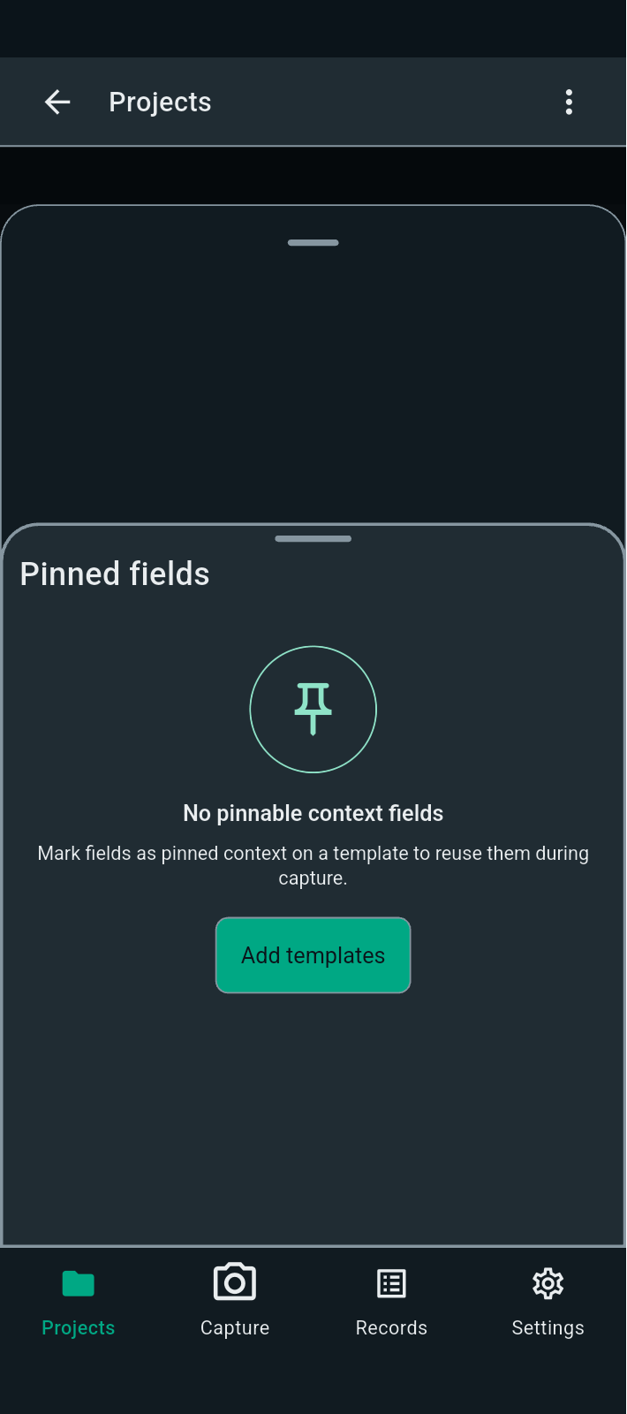
FBK0000088 | 24/09/2026 | Projects › Nothing › Templates | 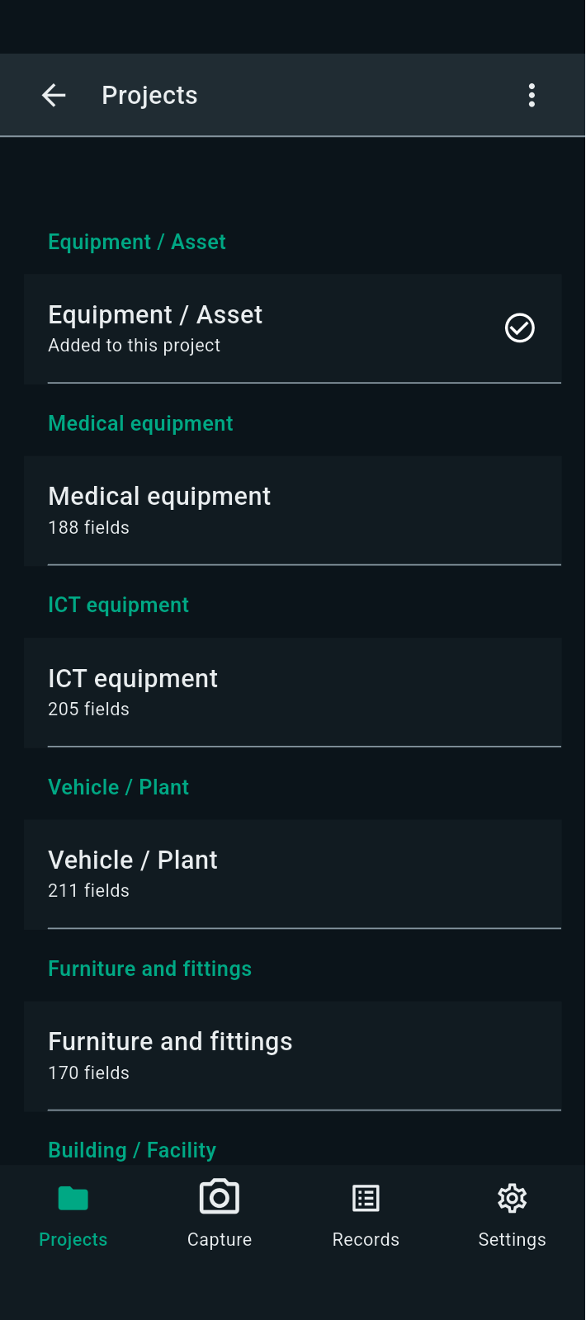
FBK0000087 | 24/09/2026 | Projects | 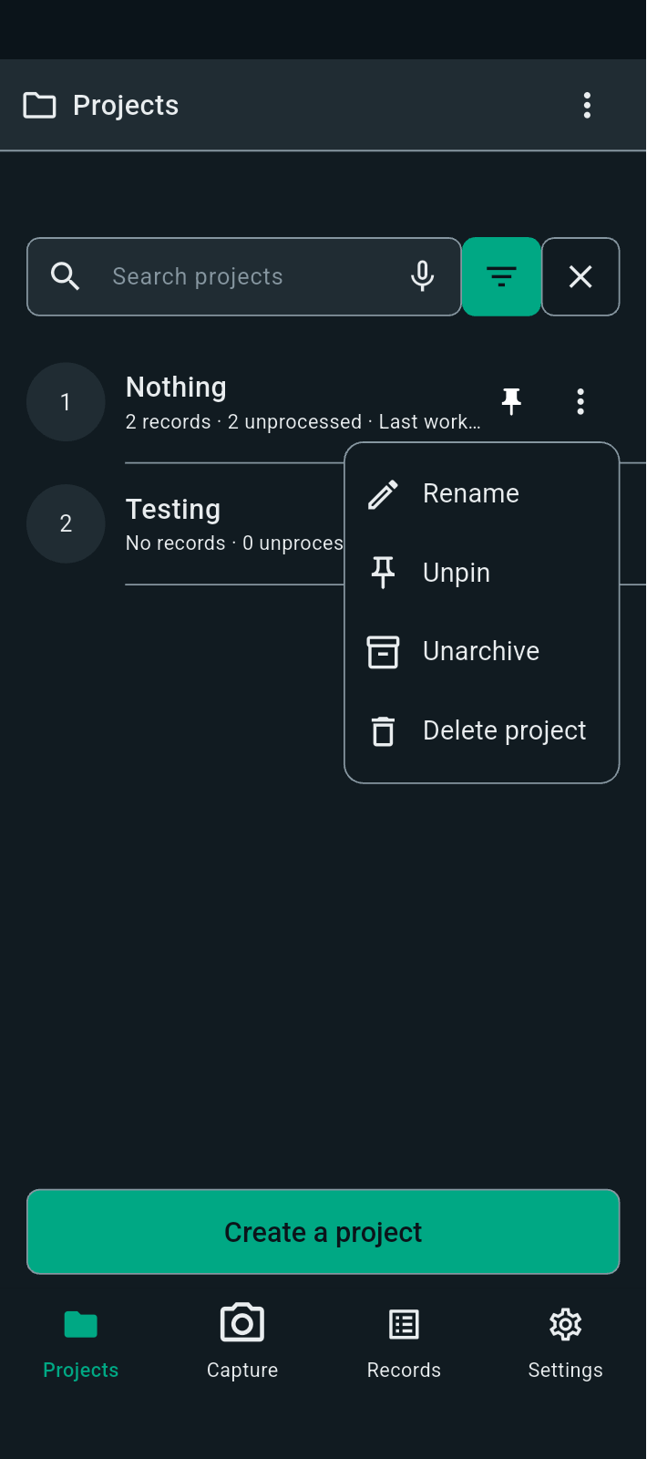
FBK0000087-2 | 24/09/2026 | Projects | 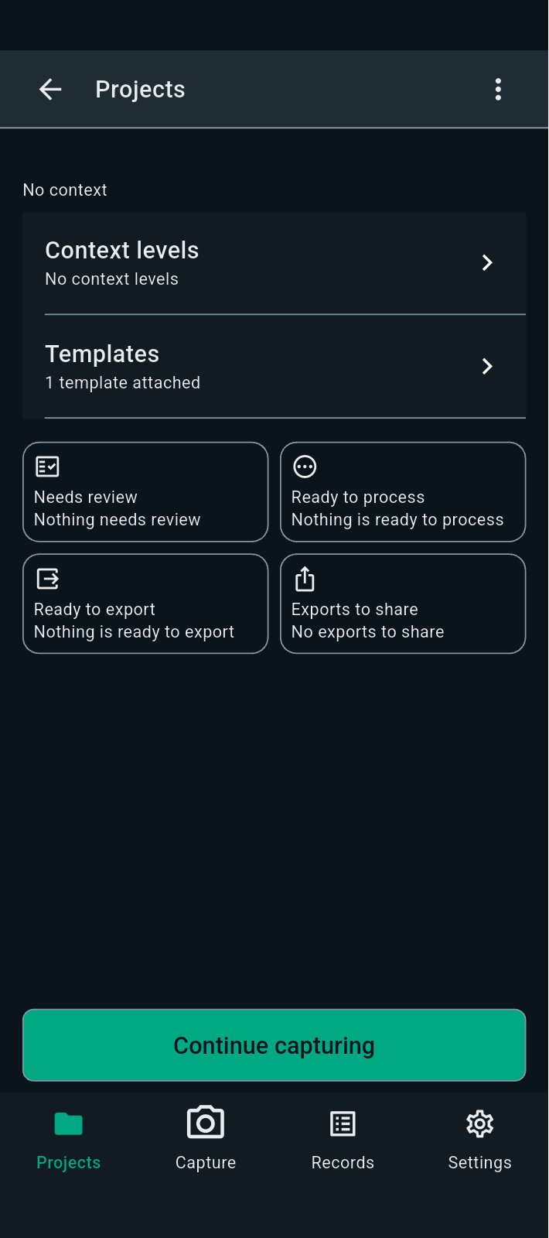
FBK0000086 | 24/09/2026 | Projects
FBK0000085 | 24/09/2026 | Projects | 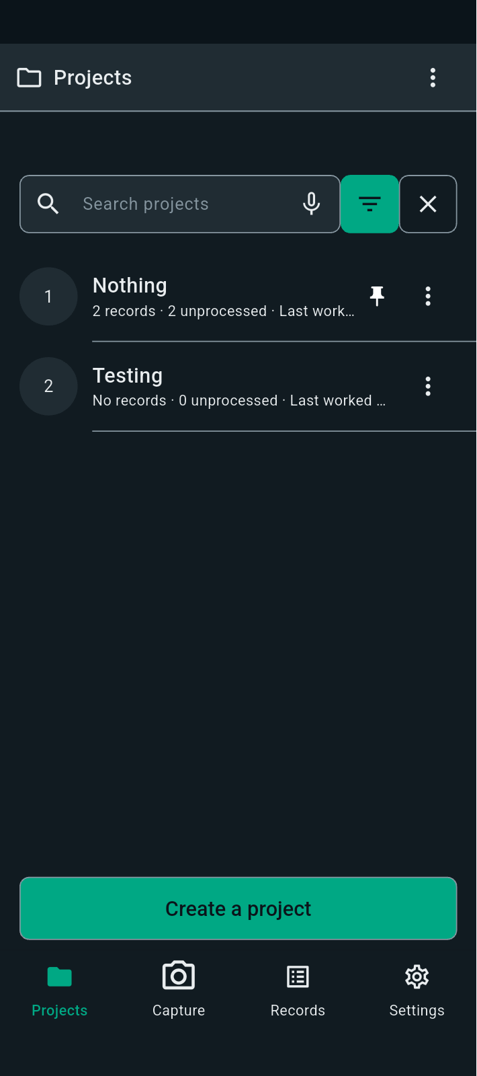
FBK0000085-2 | 24/09/2026 | Projects
FBK0000084 | 24/09/2026 | Projects › Nothing › Capture | 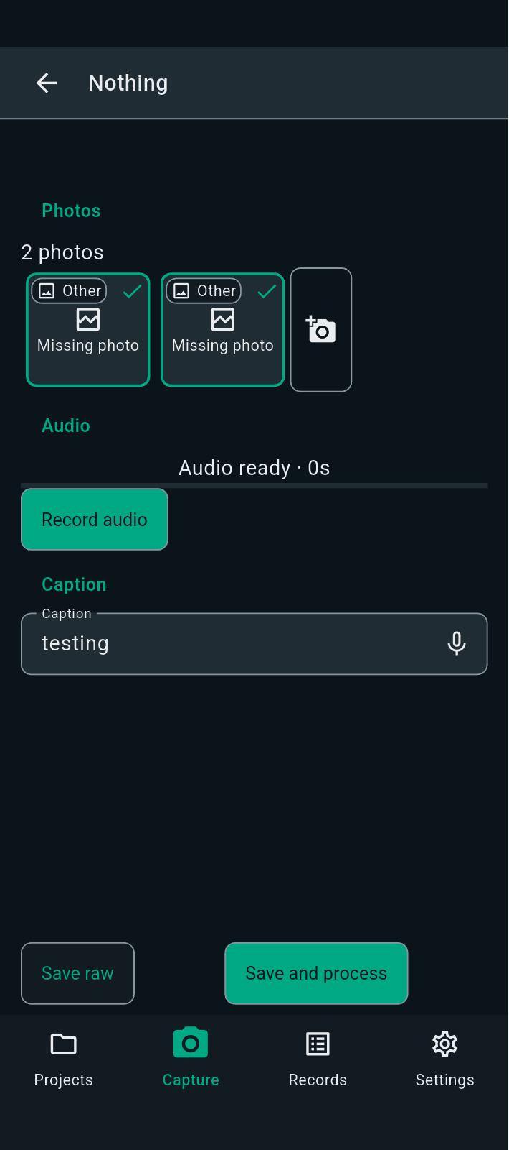
FBK0000083 | 24/09/2026 | Projects › Nothing › Capture | 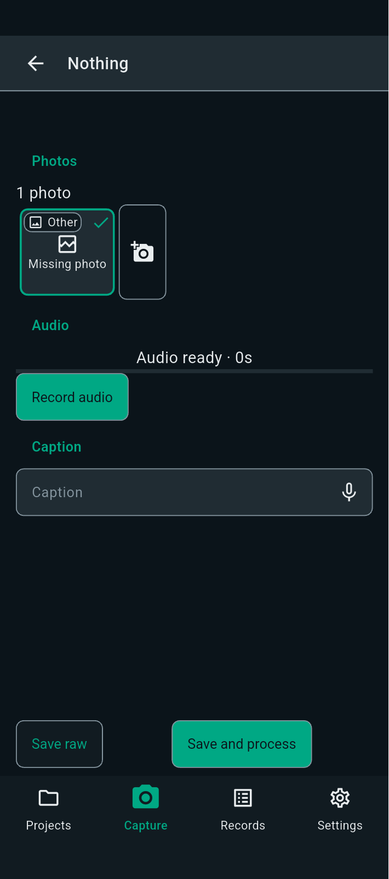
FBK0000082 | 24/09/2026 | Projects › Nothing › Capture | 
FBK0000082-2 | 24/09/2026 | Projects › Nothing › Capture | 
FBK0000081 | 24/09/2026 | Projects › Nothing › Capture | 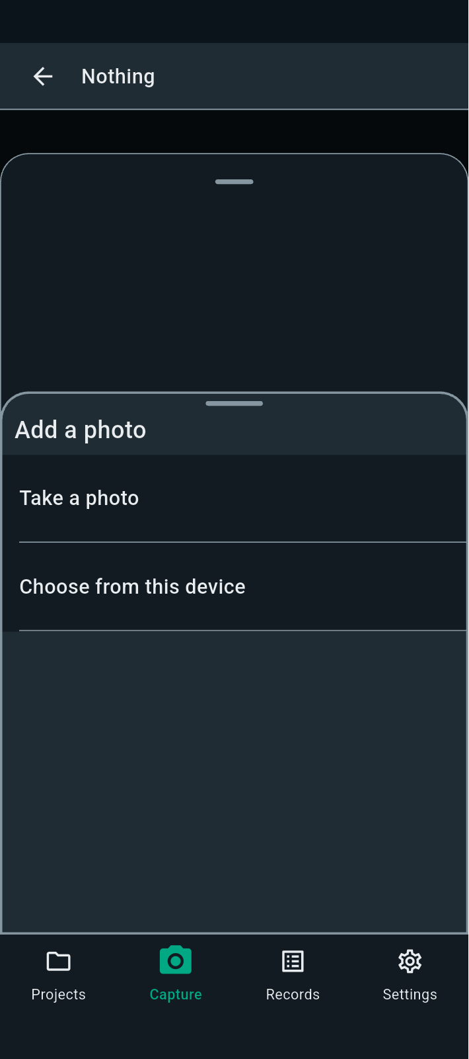
FBK0000080 | 24/09/2026 | Projects › Nothing | 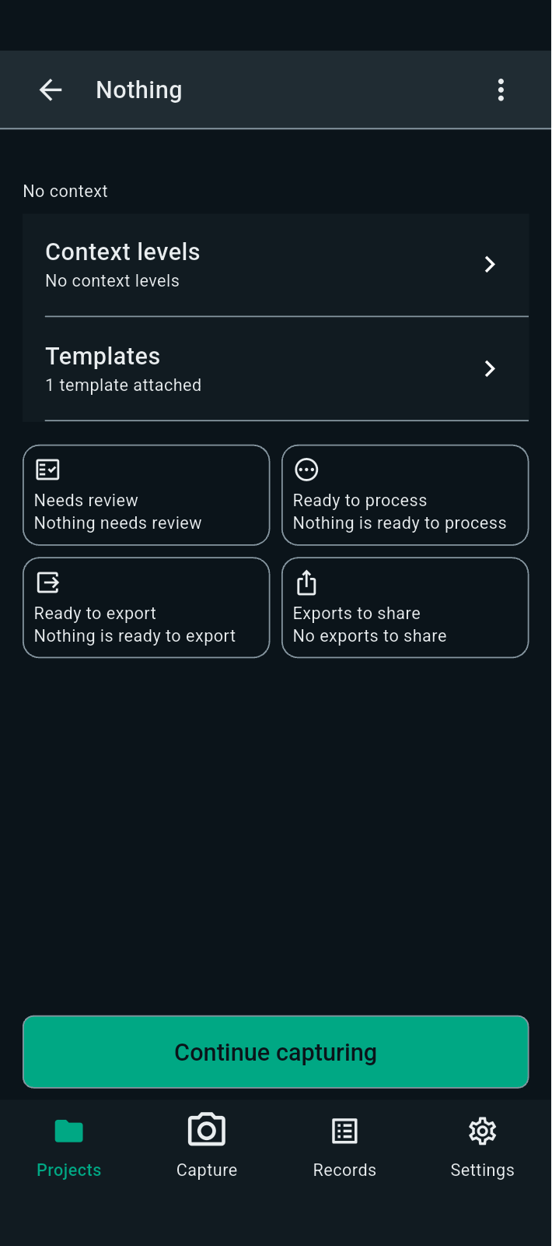
FBK0000079 | 24/09/2026 | Projects › Nothing
FBK0000078 | 24/09/2026 | Projects | 
FBK0000077 | 24/09/2026 | Projects
FBK0000076 | 24/09/2026 | Projects | 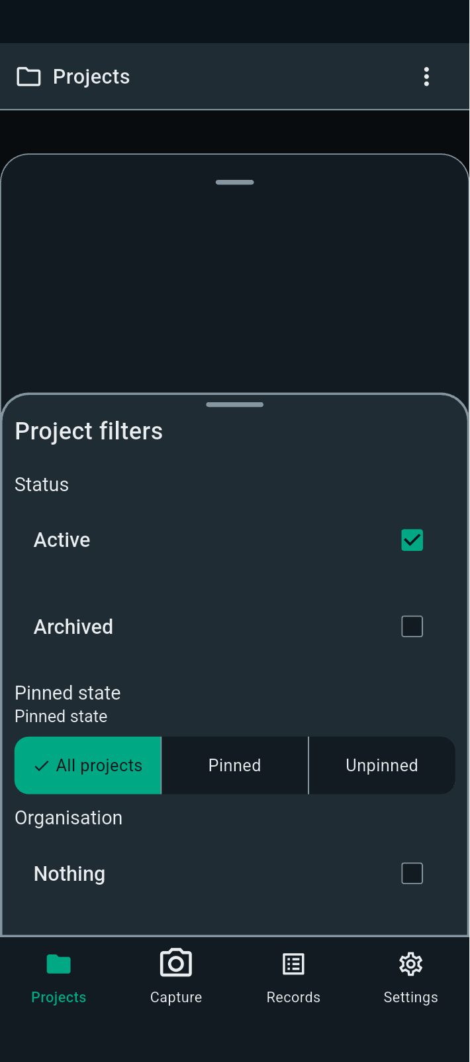
FBK0000075 | 24/09/2026 | Projects | 