Screenshots
Feedback ID | Submitted At (EAT) | Screen | Screenshot
FBK0000209 | 09/10/2026 | Capture | 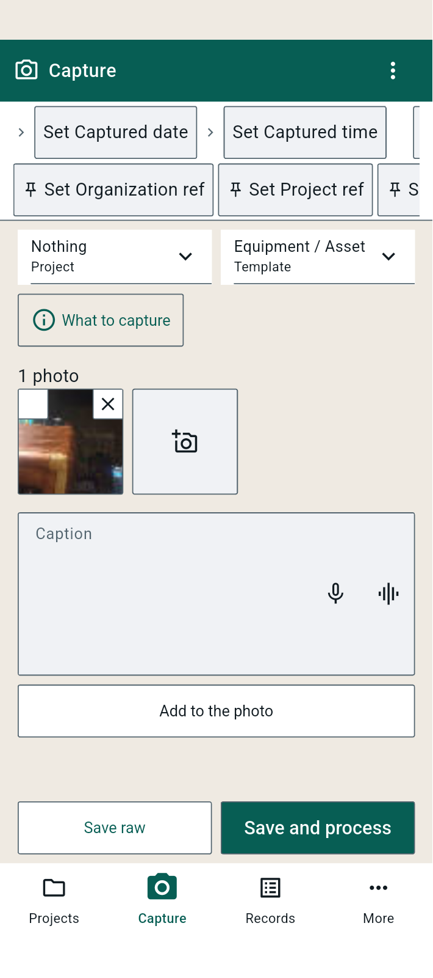
FBK0000208 | 09/10/2026 | Capture | 
FBK0000207 | 09/10/2026 | Capture | 