Screenshots
Feedback ID | Submitted At (EAT) | Screen | Screenshot
FBK0000042 | 22/09/2026 | Capture | 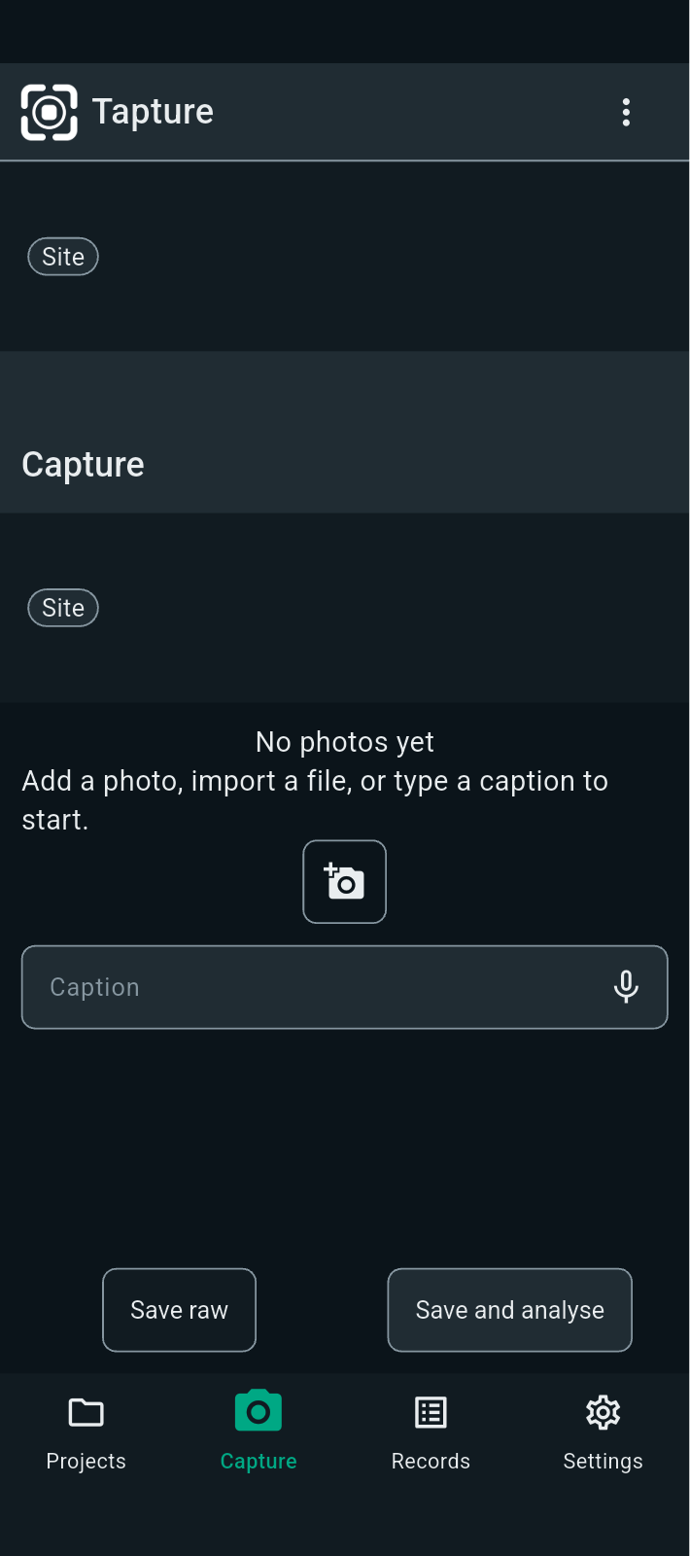
FBK0000041 | 22/09/2026 | About | 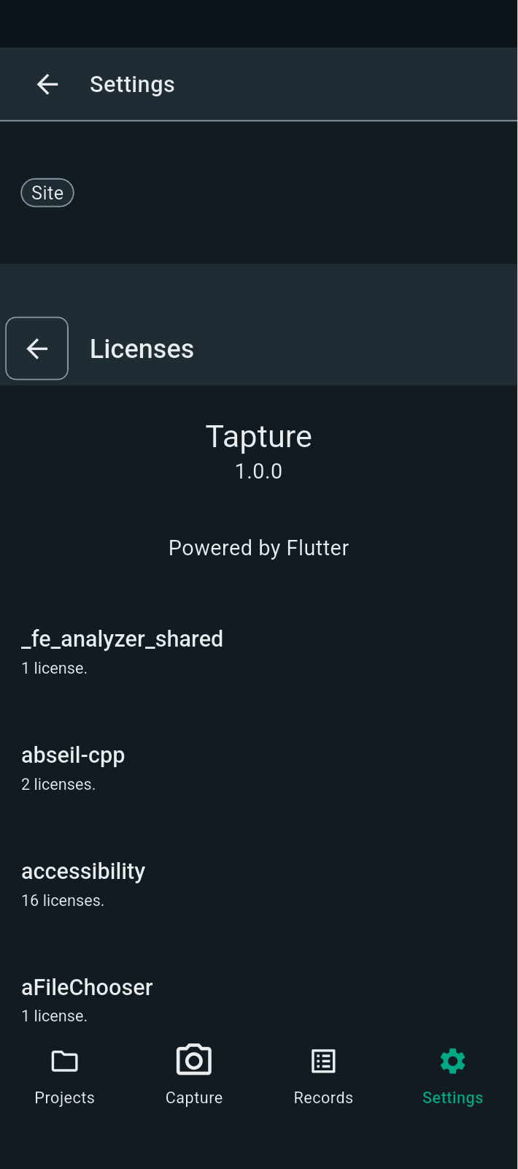
FBK0000040 | 22/09/2026 | About | 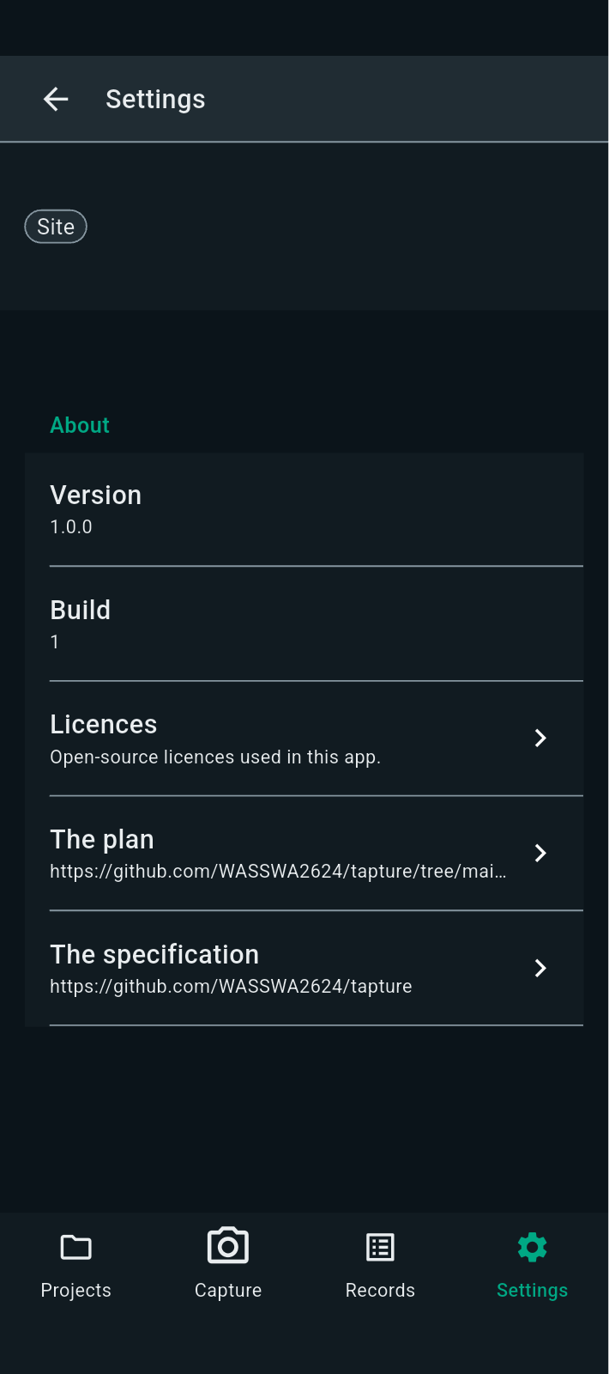
FBK0000039 | 22/09/2026 | App lock | 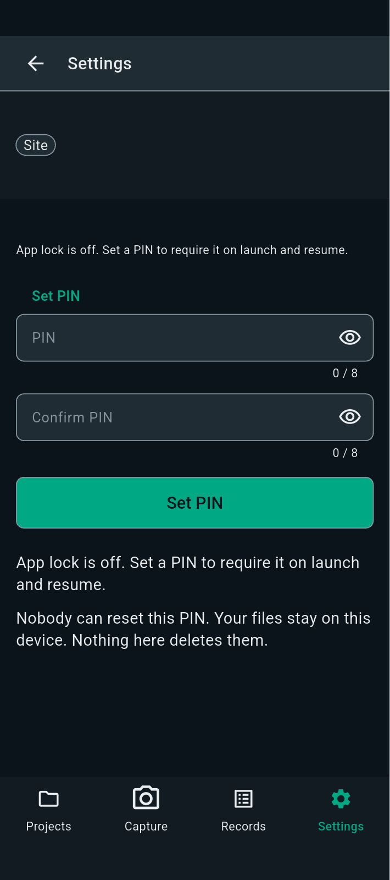
FBK0000038 | 22/09/2026 | Storage | 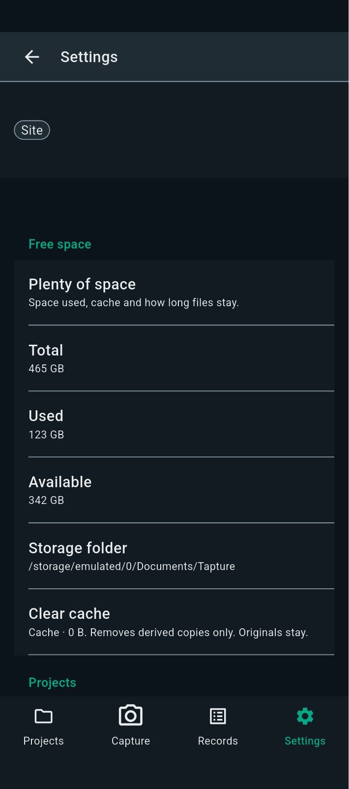
FBK0000037 | 22/09/2026 | Appearance | 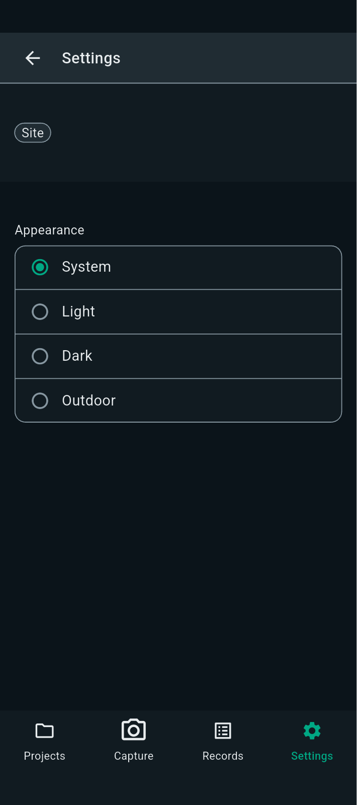
FBK0000036 | 22/09/2026 | Camera | 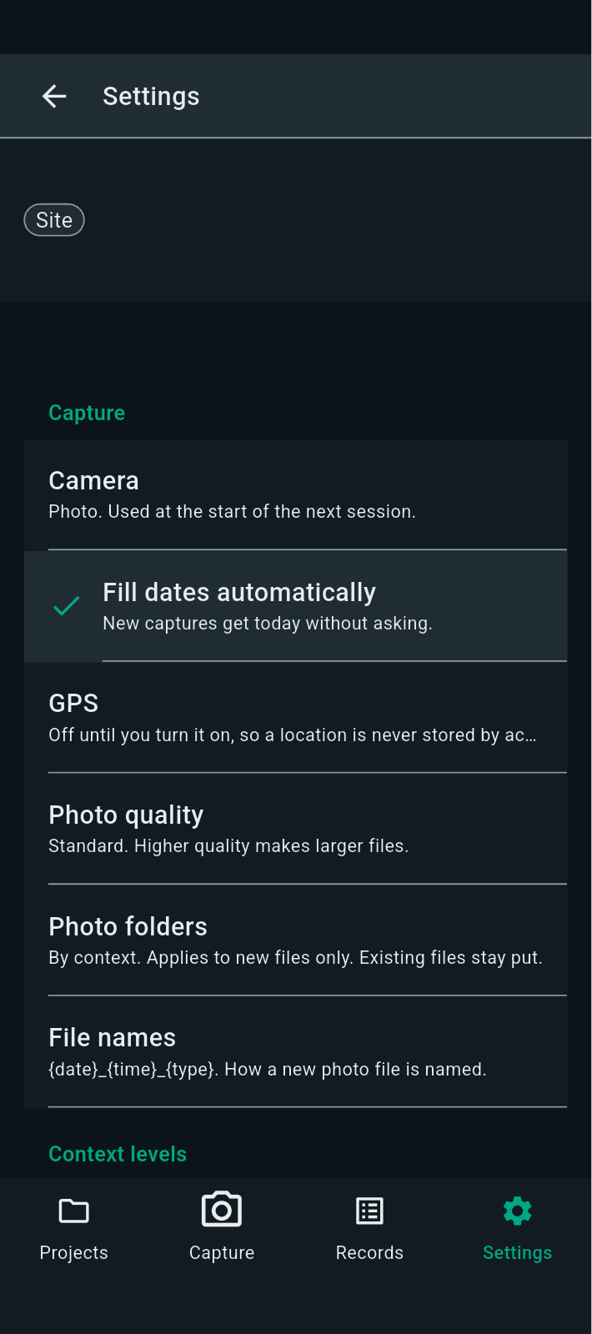
FBK0000035 | 22/09/2026 | Operator | 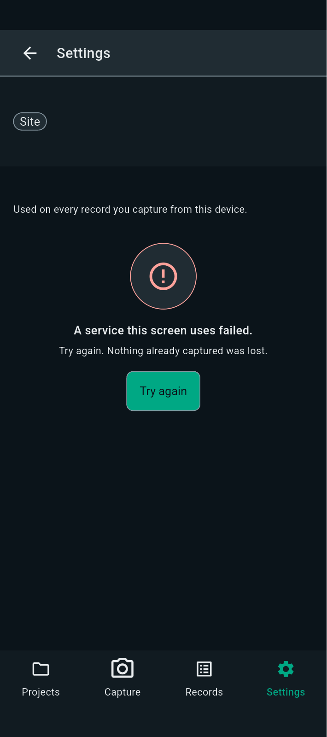
FBK0000034 | 22/09/2026 | Projects | 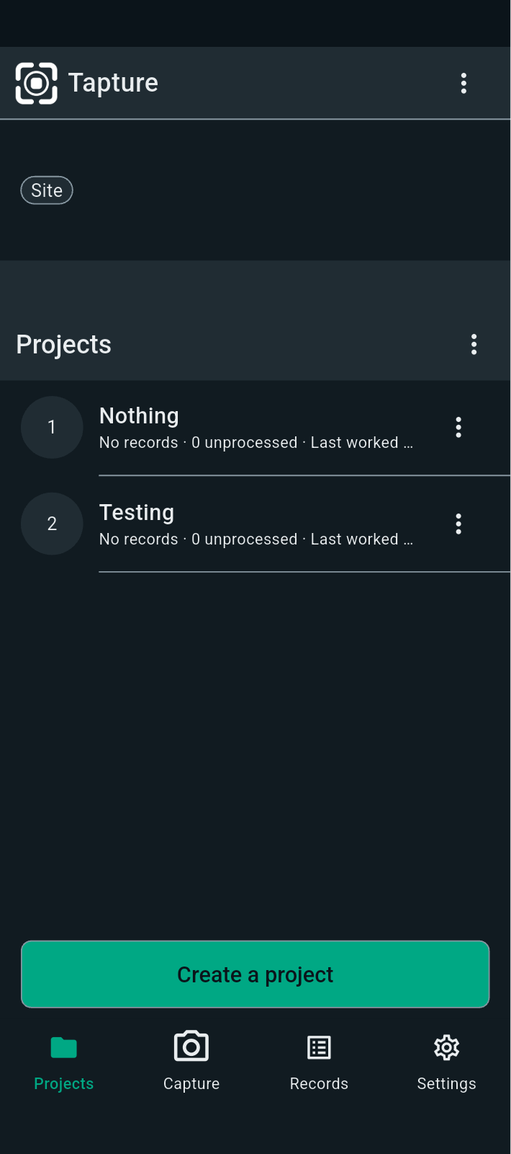
FBK0000034-2 | 22/09/2026 | Projects | 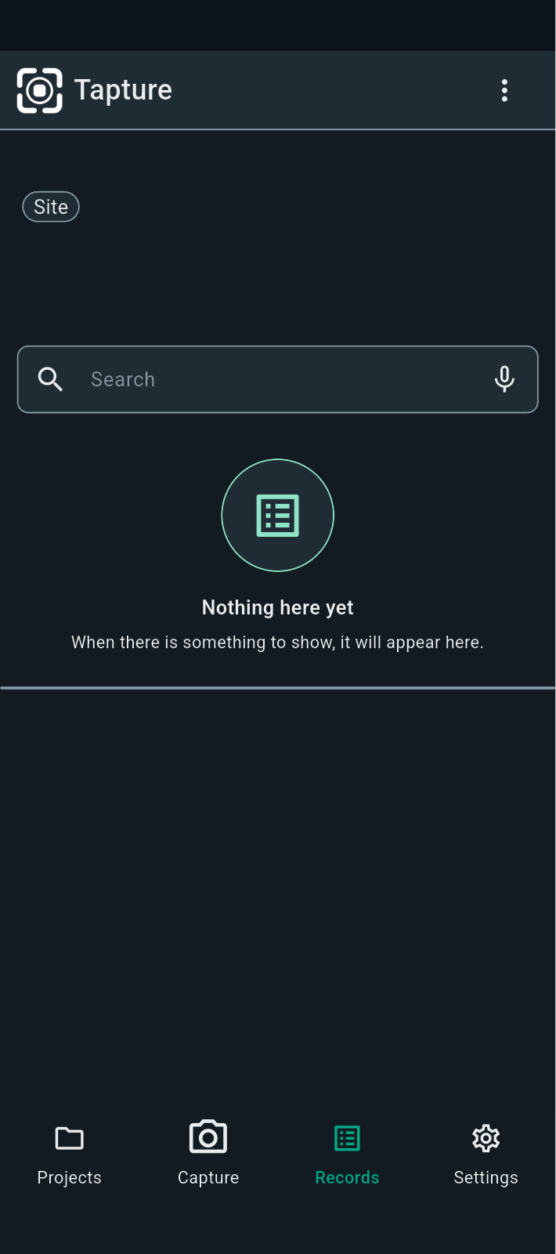
FBK0000034-3 | 22/09/2026 | Projects | 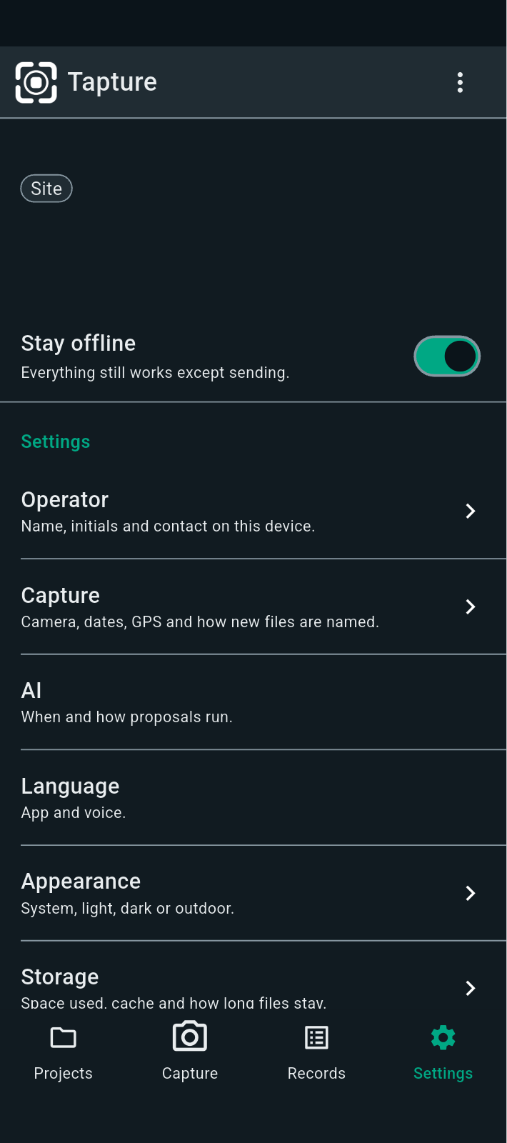
FBK0000033 | 22/09/2026 | Capture | 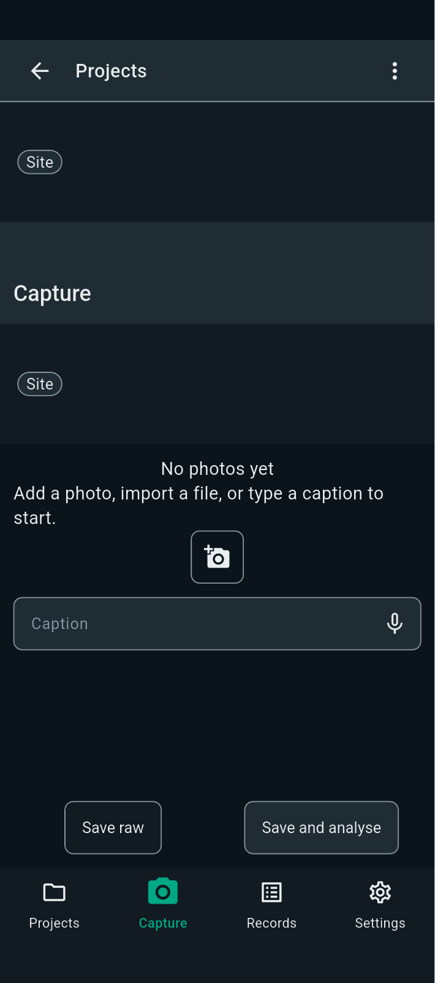
FBK0000032 | 22/09/2026 | Nothing | 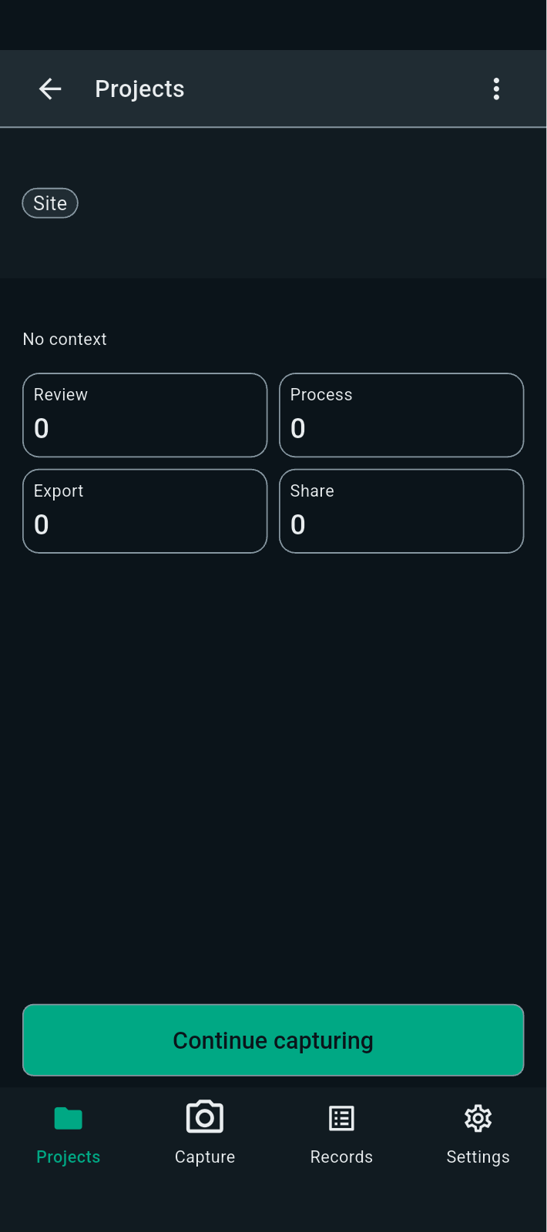
FBK0000031 | 22/09/2026 | Projects
FBK0000031-2 | 22/09/2026 | Projects | 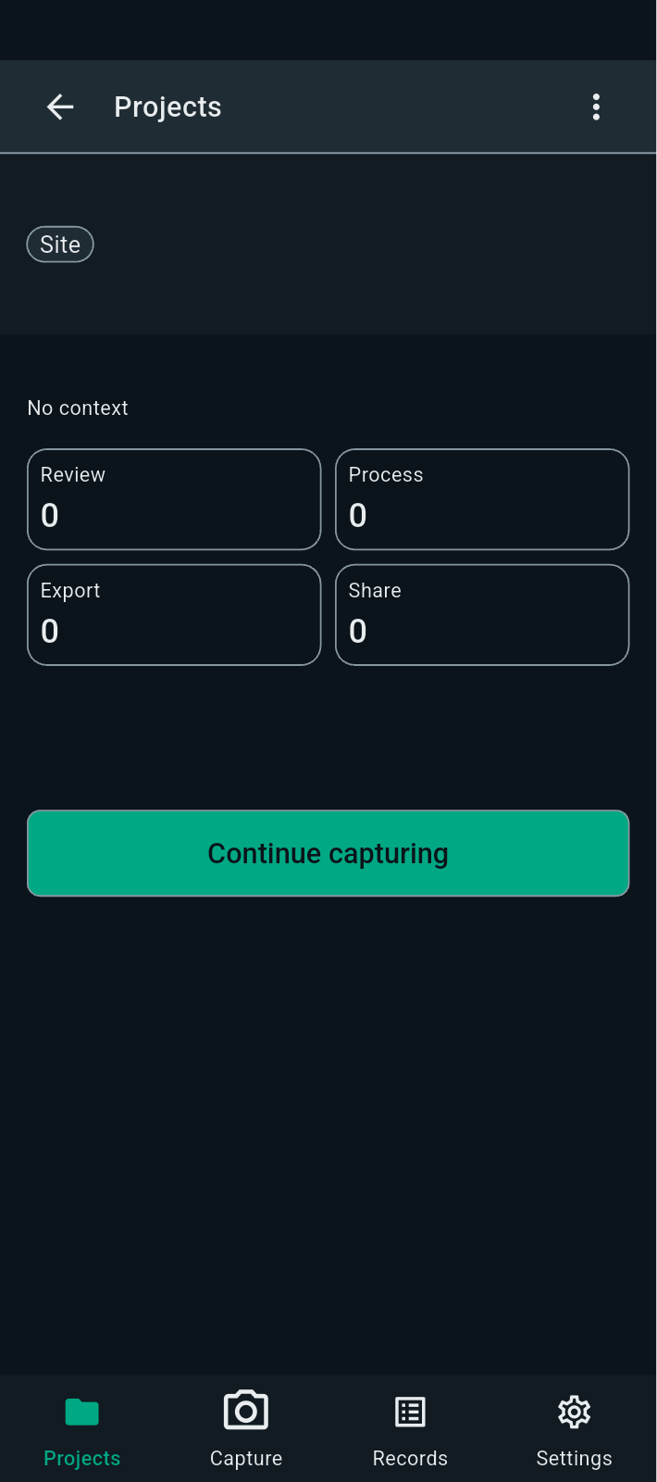
FBK0000030 | 22/09/2026 | Nothing | 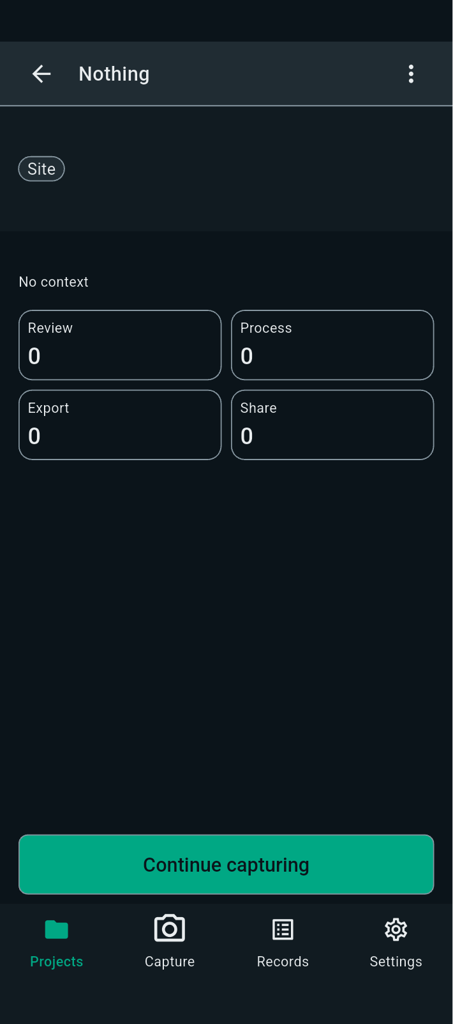
FBK0000030-2 | 22/09/2026 | Nothing | 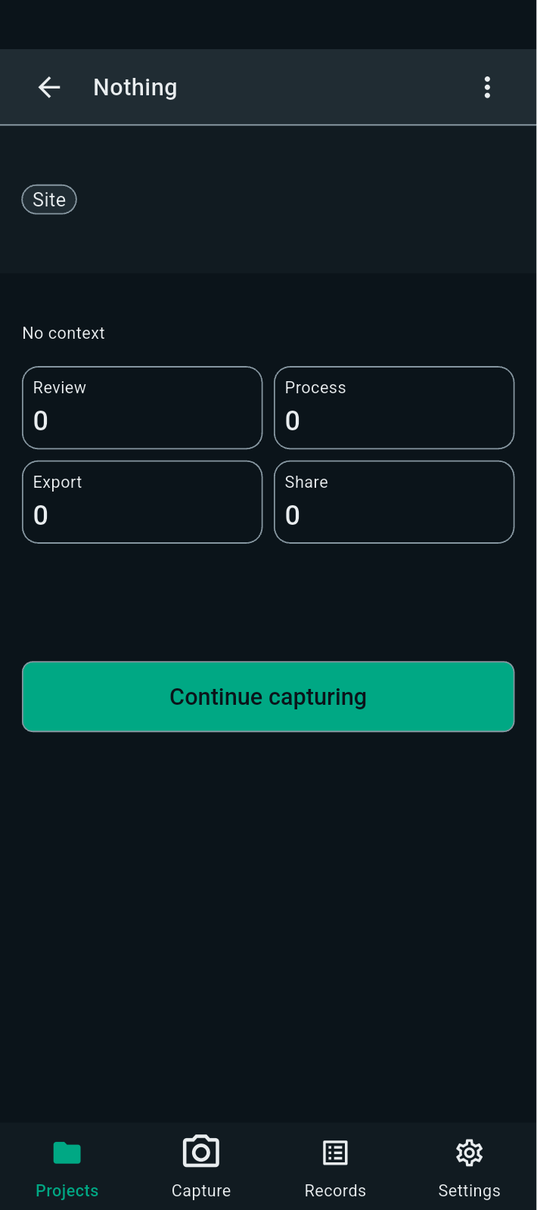
FBK0000029 | 22/09/2026 | Projects

