Screenshots
Feedback ID | Submitted At (EAT) | Screen | Screenshot
FBK0000212 | 09/10/2026 | Projects › Nothing › Capture | 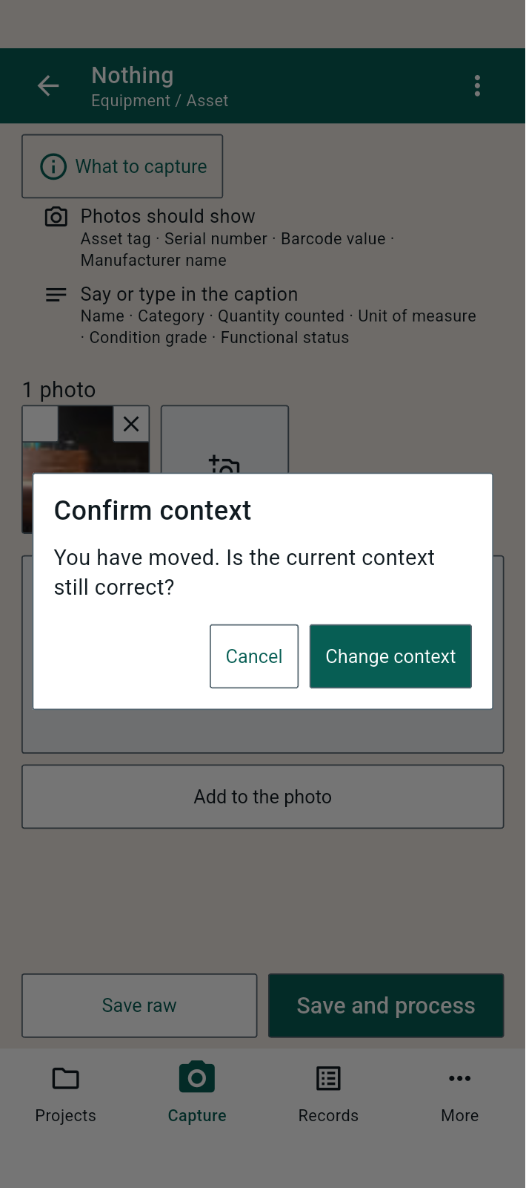
FBK0000211 | 09/10/2026 | Projects › Nothing › Capture | 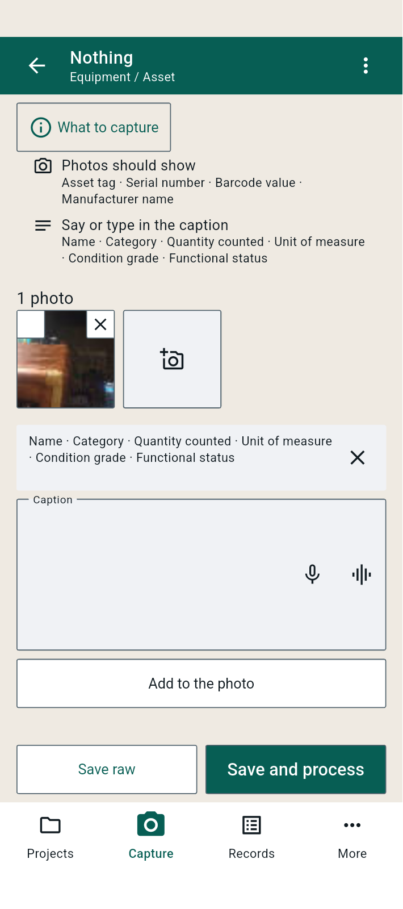
FBK0000210 | 09/10/2026 | Capture | 