Screenshots
Feedback ID | Submitted At (EAT) | Screen | Screenshot
FBK0000017 | 19/09/2026 | Projects | 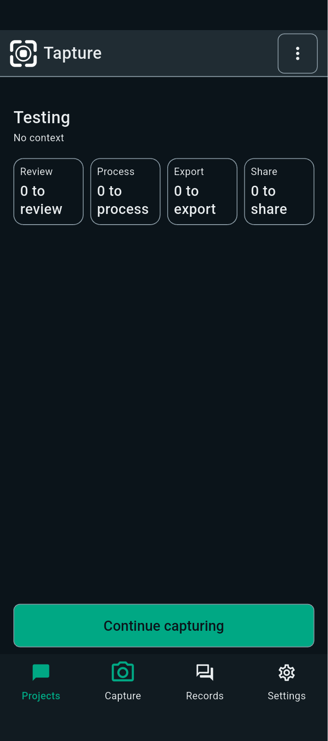
FBK0000016 | 19/09/2026 | Projects
FBK0000015 | 19/09/2026 | Projects
FBK0000014 | 19/09/2026 | Projects
FBK0000014-2 | 19/09/2026 | Projects | 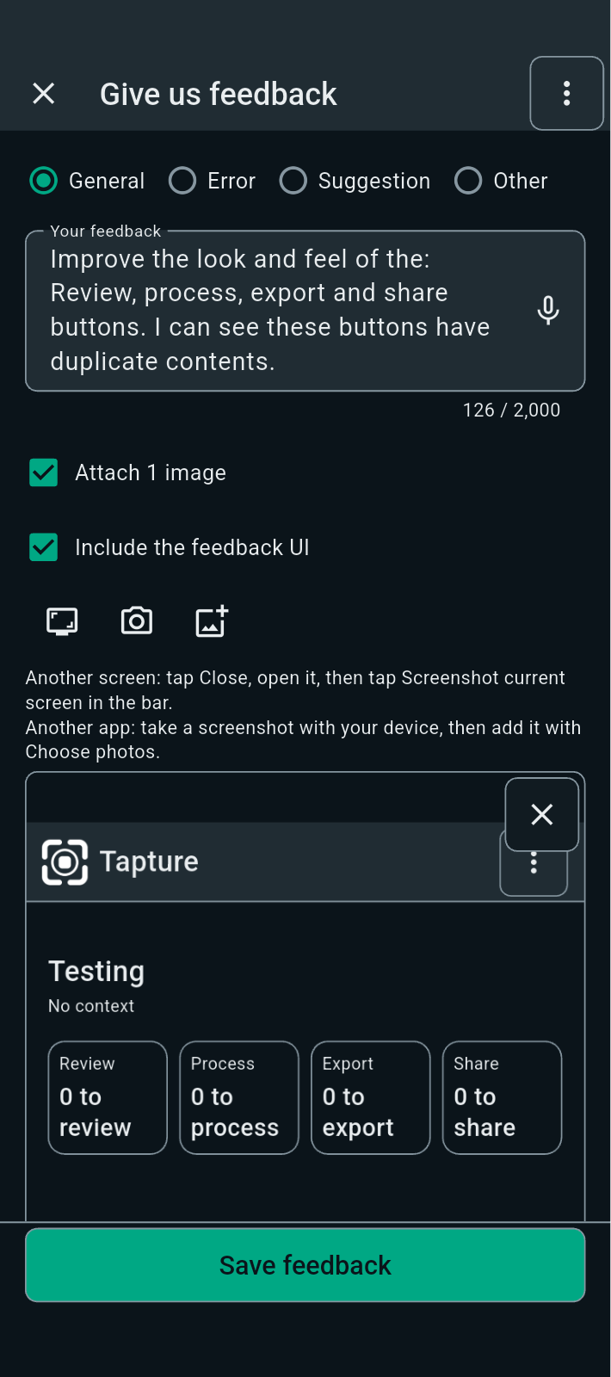
FBK0000013 | 19/09/2026 | Projects | 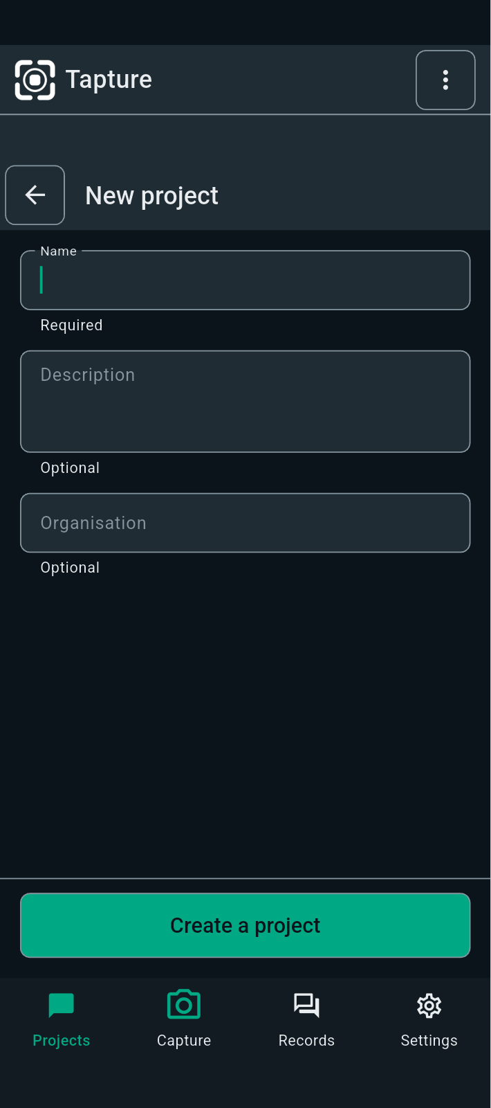
FBK0000012 | 19/09/2026 | Projects | 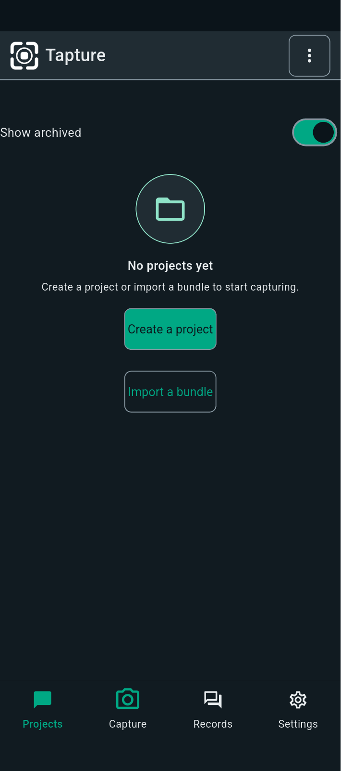
FBK0000011 | 19/09/2026 | Projects | 