Screenshots
Feedback ID | Submitted At (EAT) | Screen | Screenshot
FBK0000028 | 21/09/2026 | Projects | 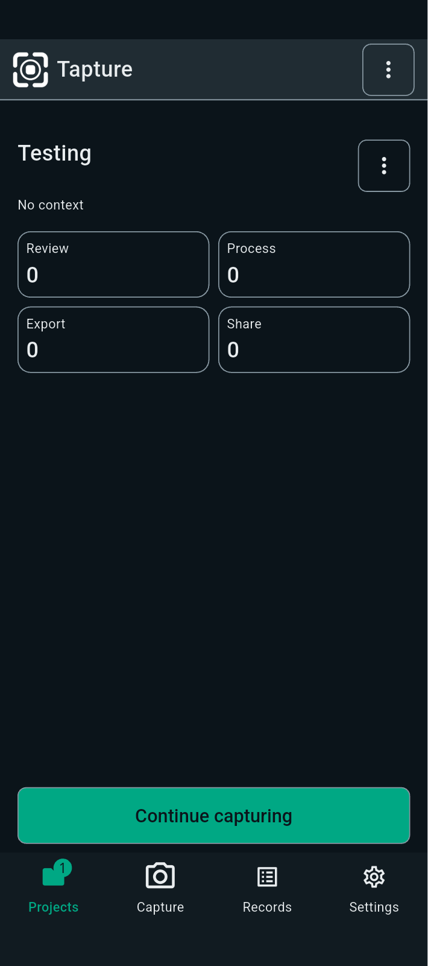
FBK0000027 | 21/09/2026 | Projects
FBK0000026 | 21/09/2026 | Storage | 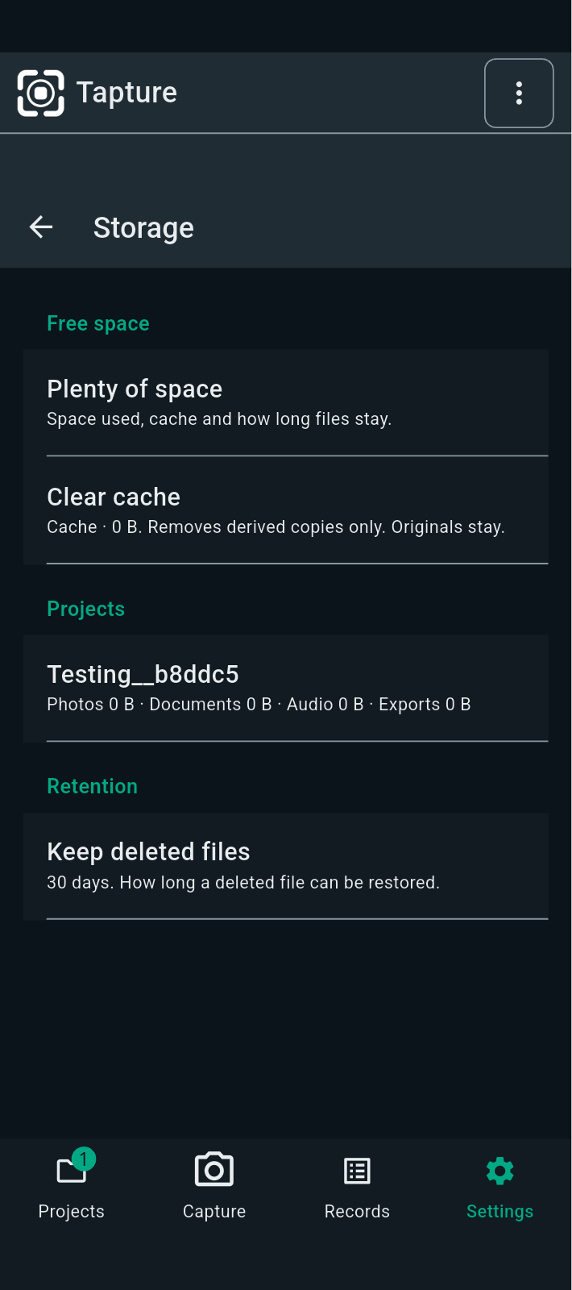
FBK0000025 | 21/09/2026 | Projects | 
FBK0000024 | 21/09/2026 | Projects
FBK0000023 | 21/09/2026 | Projects
FBK0000022 | 21/09/2026 | Projects
FBK0000021 | 20/09/2026 | Records | 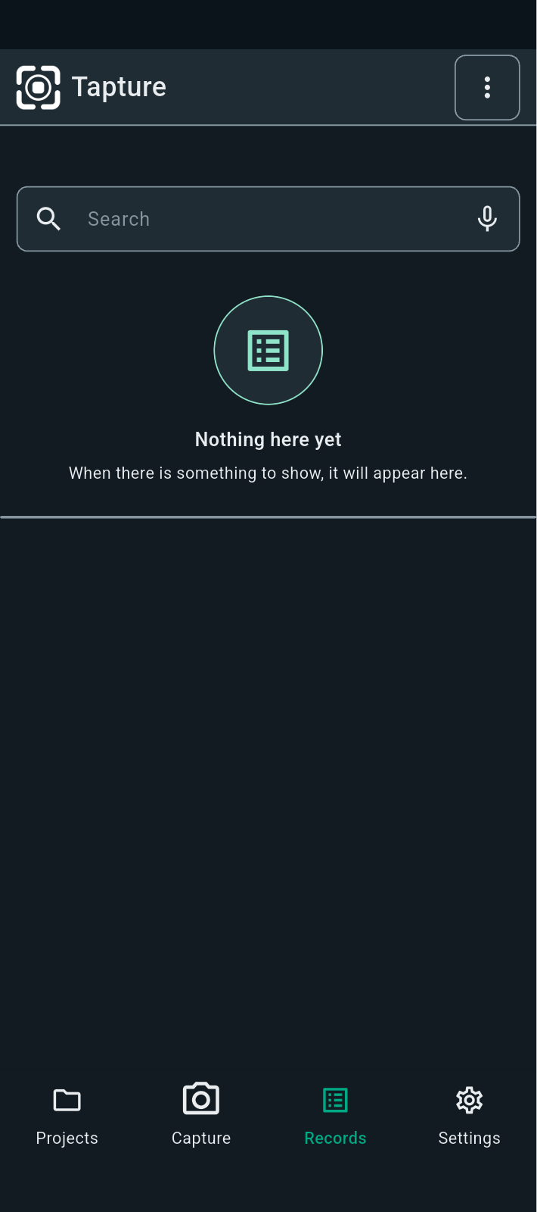
FBK0000020 | 20/09/2026 | Projects | 
FBK0000020-2 | 20/09/2026 | Projects

