Screenshots
Feedback ID | Submitted At (EAT) | Screen | Screenshot
FBK0000199 | 08/10/2026 | Unprocessed | 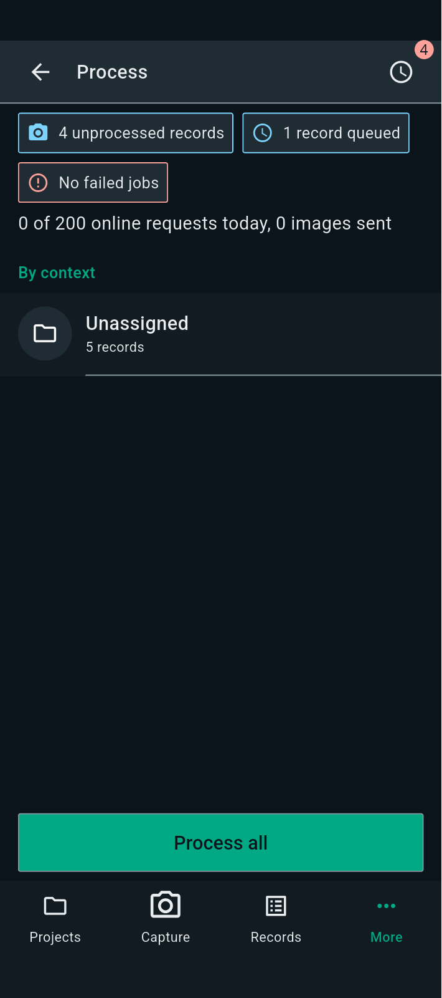
FBK0000198 | 08/10/2026 | Check files | 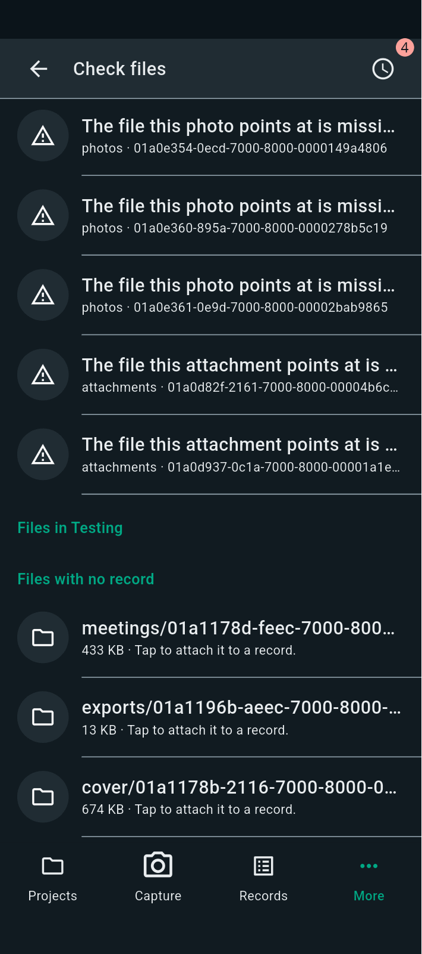
FBK0000197 | 08/10/2026 | Recycle bin | 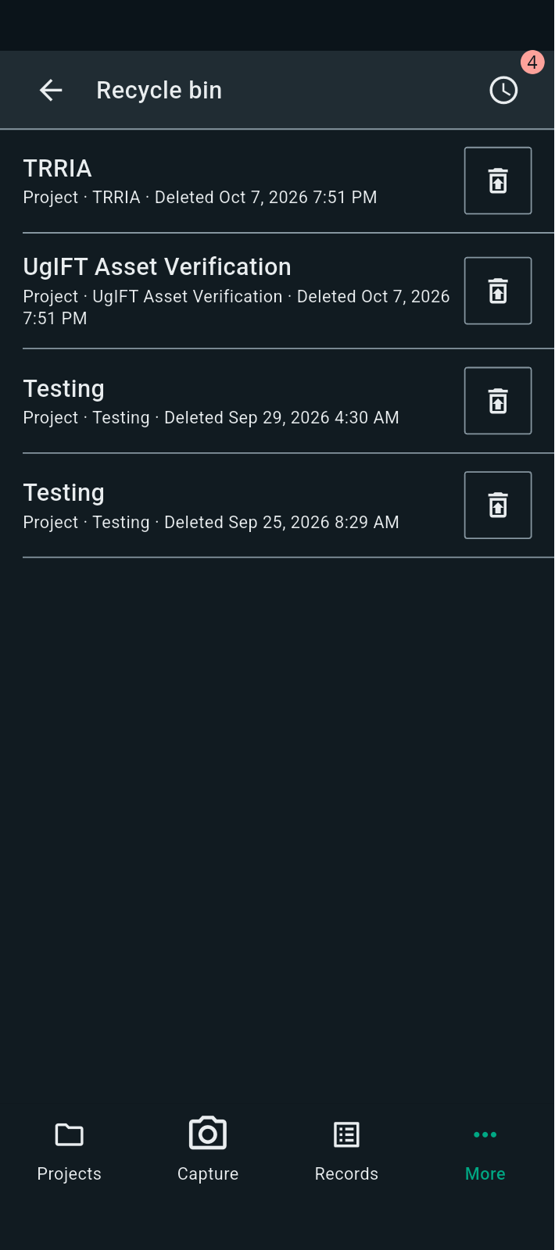
FBK0000196 | 08/10/2026 | Language | 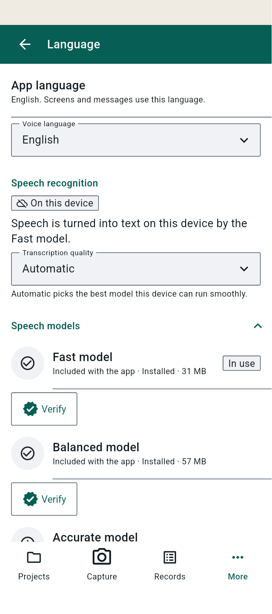
FBK0000195 | 08/10/2026 | Language | 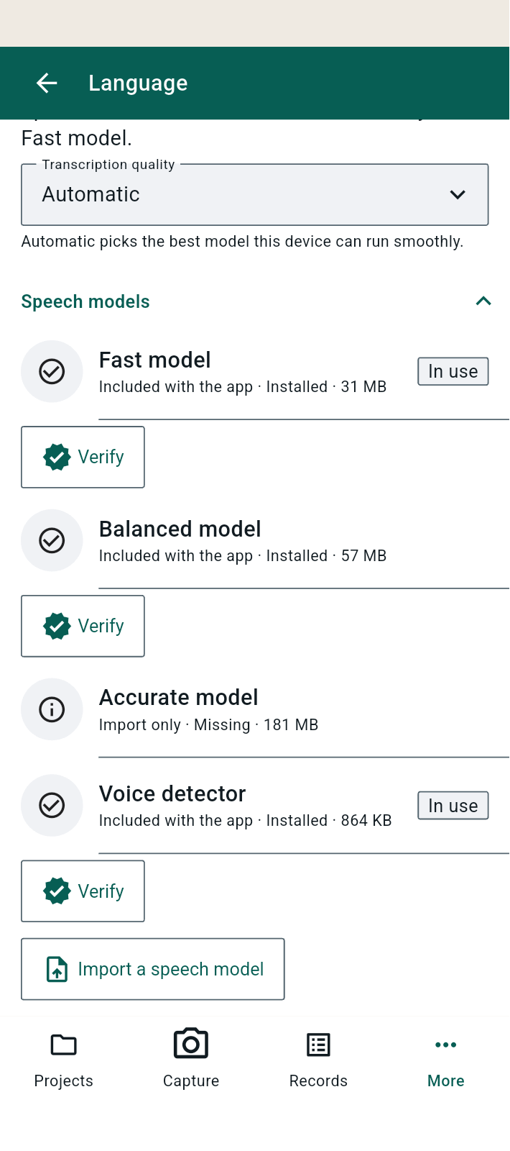
FBK0000194 | 08/10/2026 | Organisation | 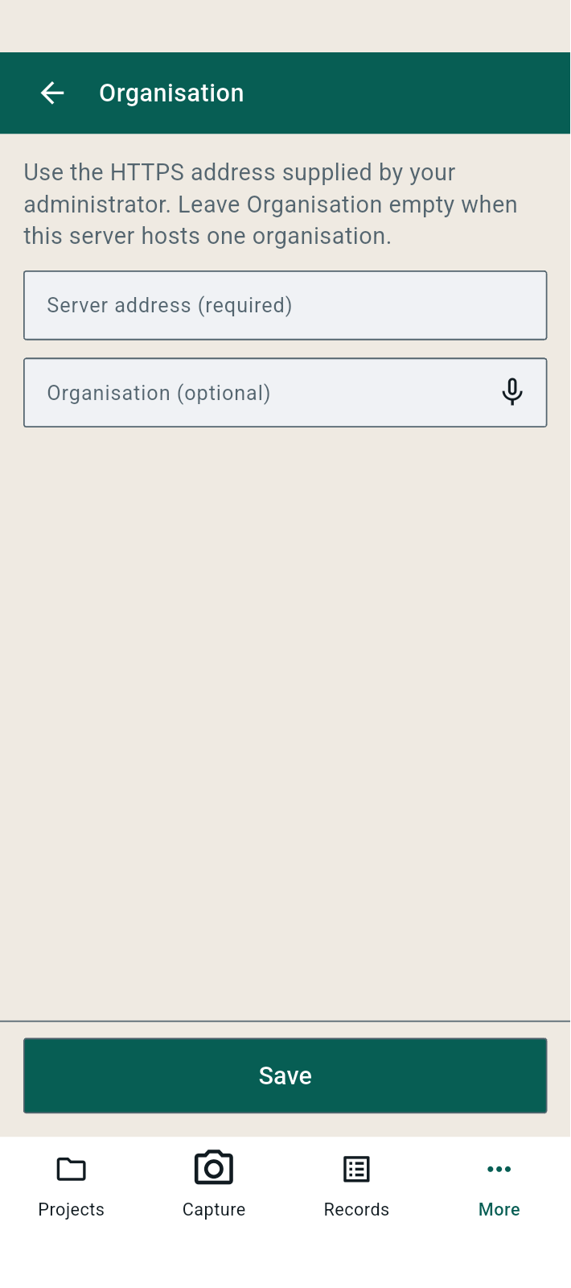
FBK0000193 | 08/10/2026 | AI | 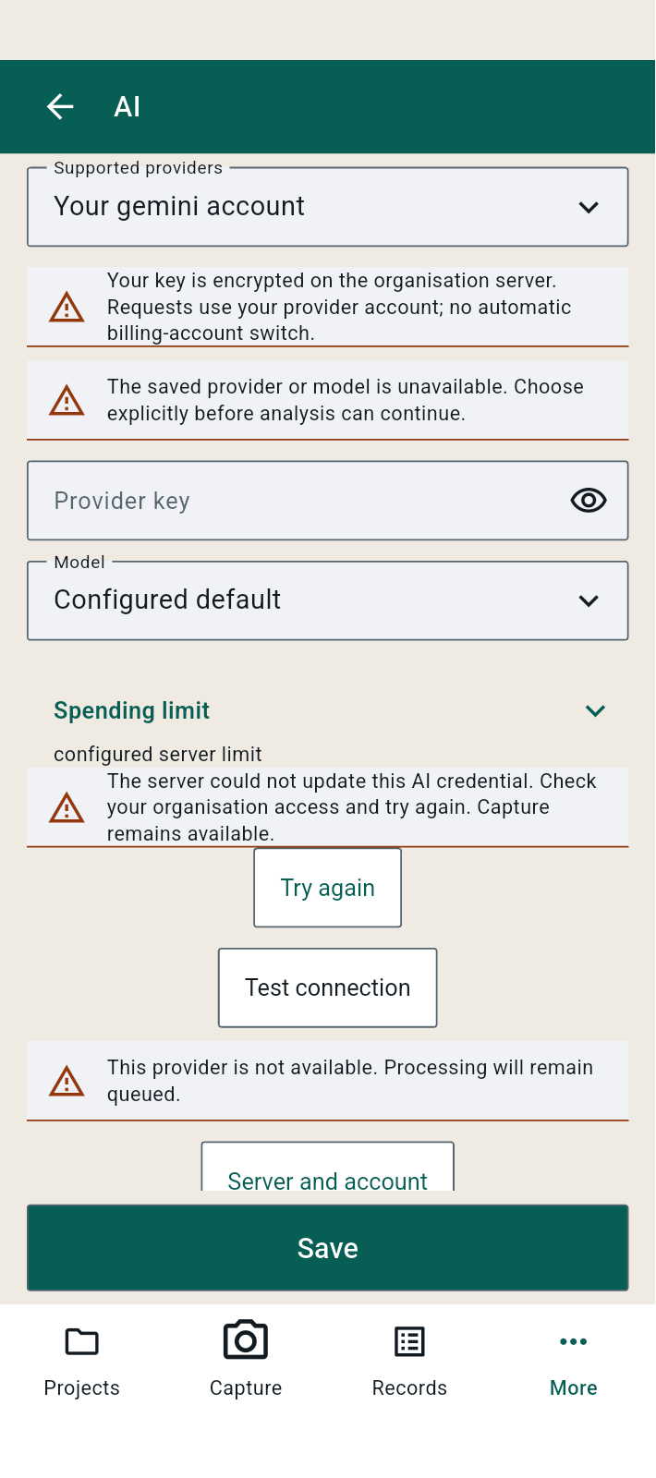
FBK0000193-2 | 08/10/2026 | AI | 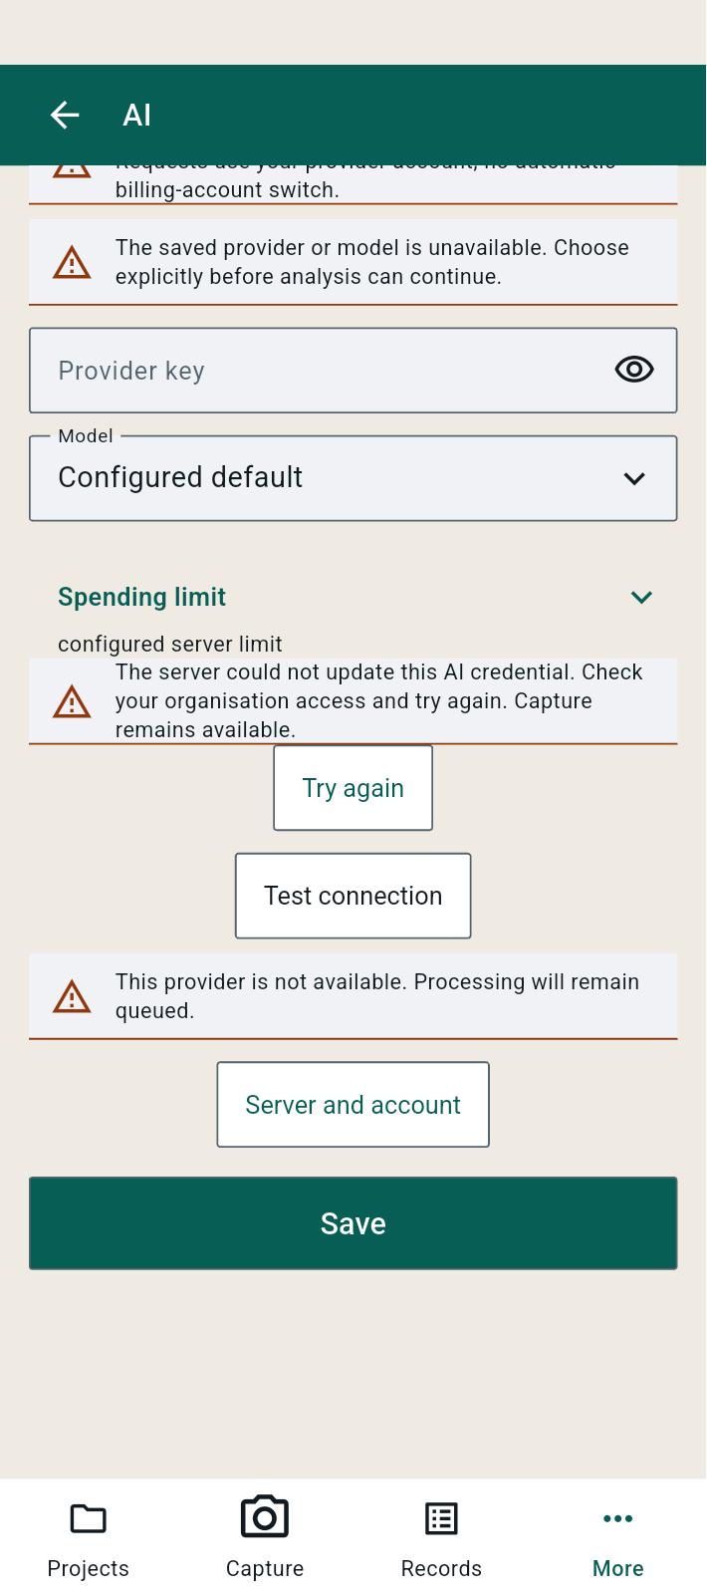
FBK0000193-3 | 08/10/2026 | AI | 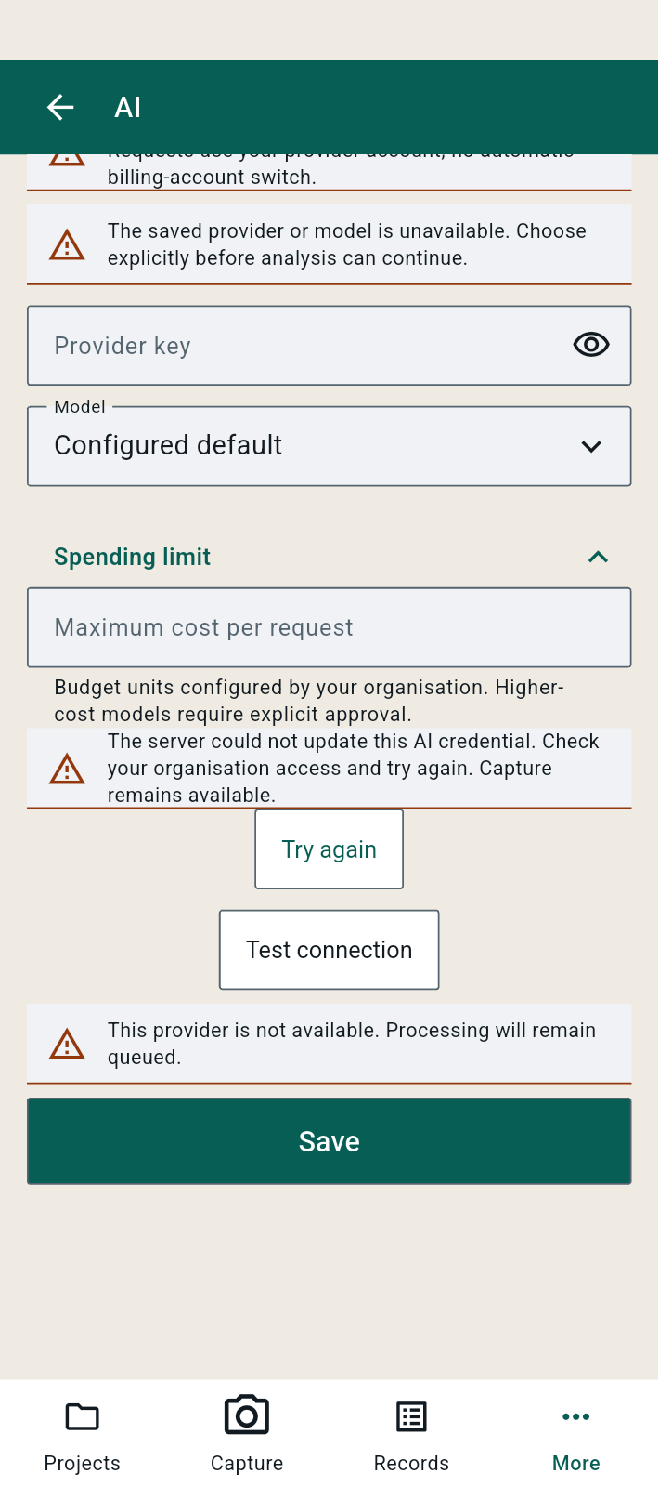
FBK0000192 | 08/10/2026 | AI | 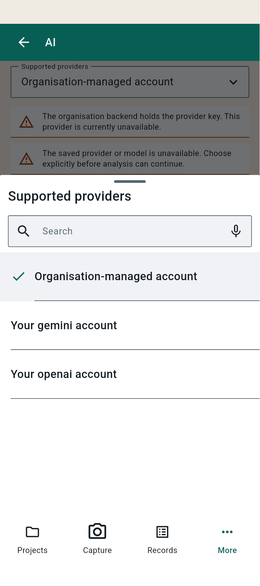
FBK0000191 | 08/10/2026 | Projects › Testing › Capture | 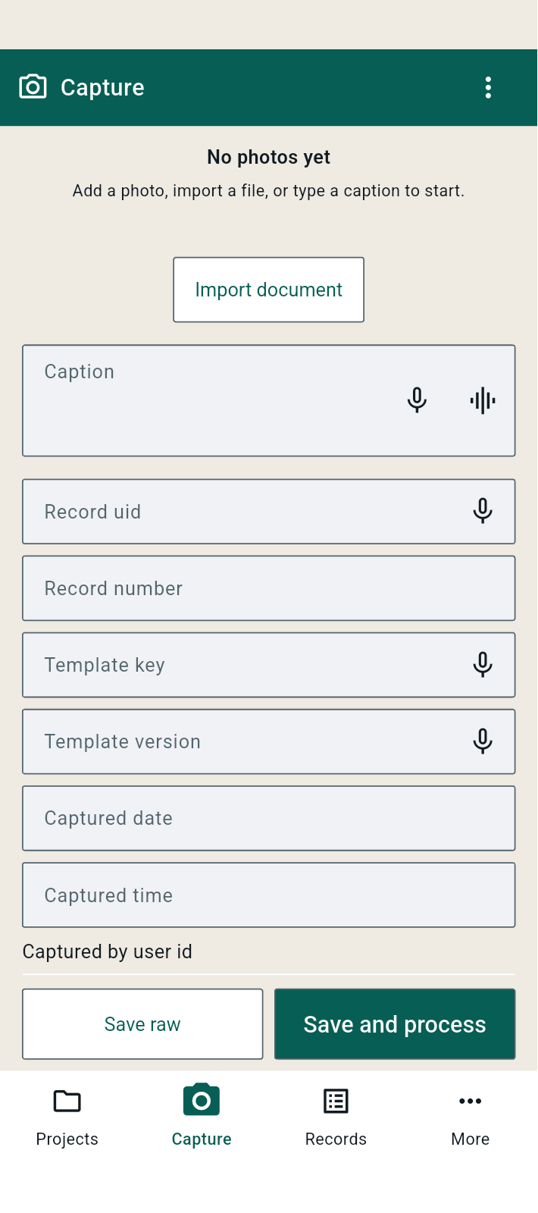
FBK0000190 | 08/10/2026 | Capture | 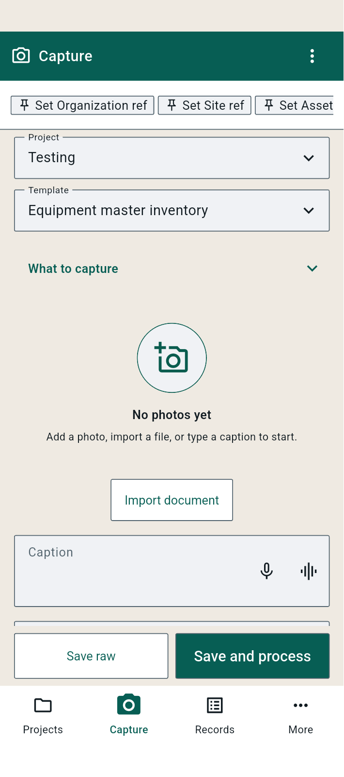
FBK0000190-2 | 08/10/2026 | Capture | 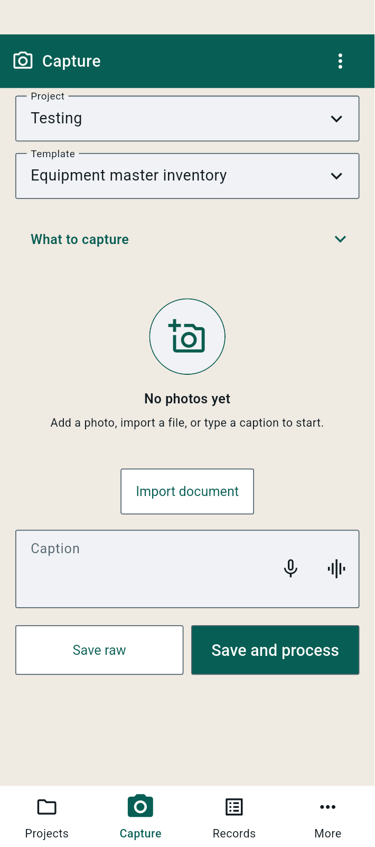
FBK0000190-3 | 08/10/2026 | Capture | 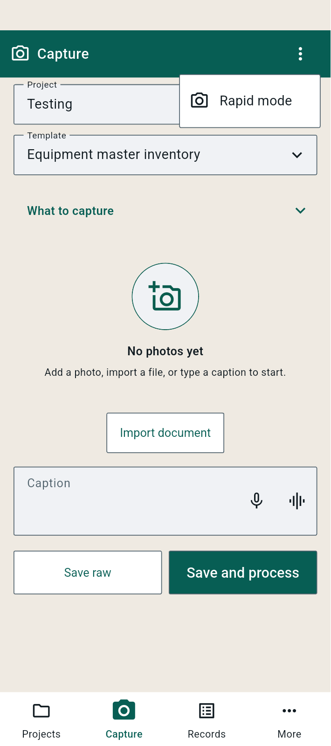
FBK0000190-4 | 08/10/2026 | Capture | 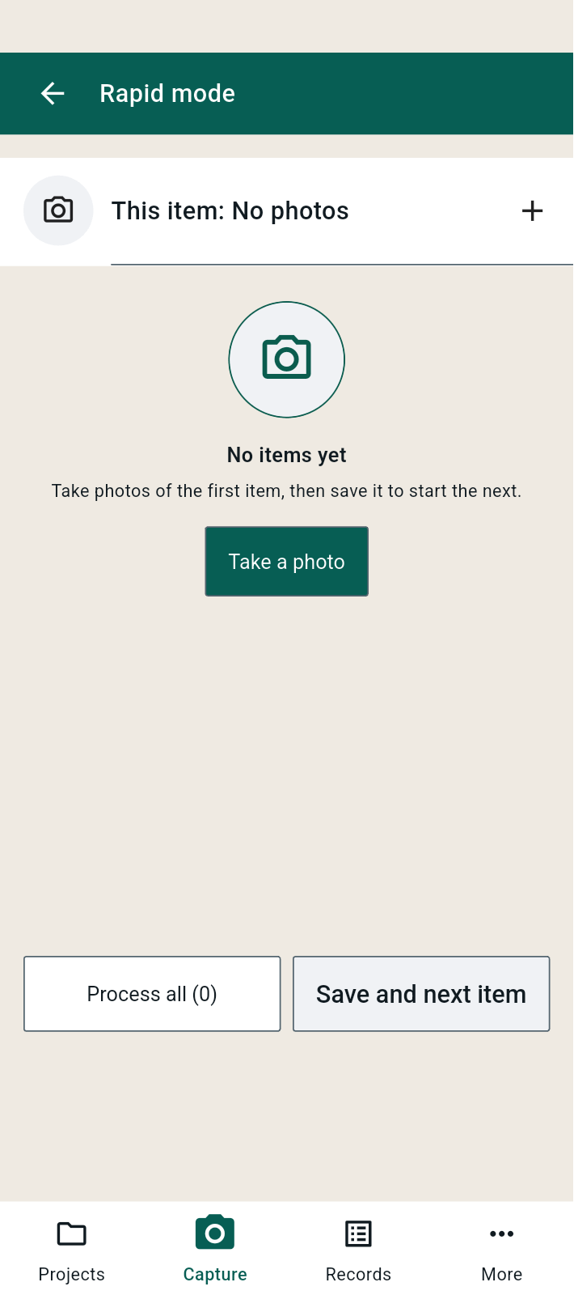
FBK0000189 | 08/10/2026 | Projects › Testing › Export project | 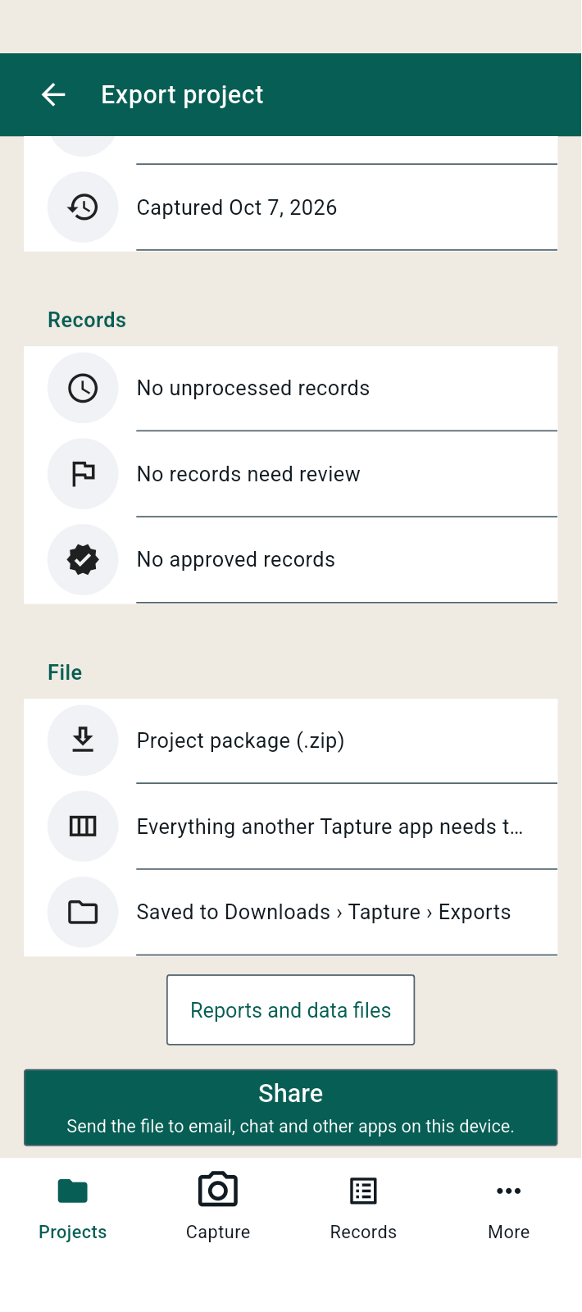
FBK0000188 | 08/10/2026 | Projects › Testing › Export project | 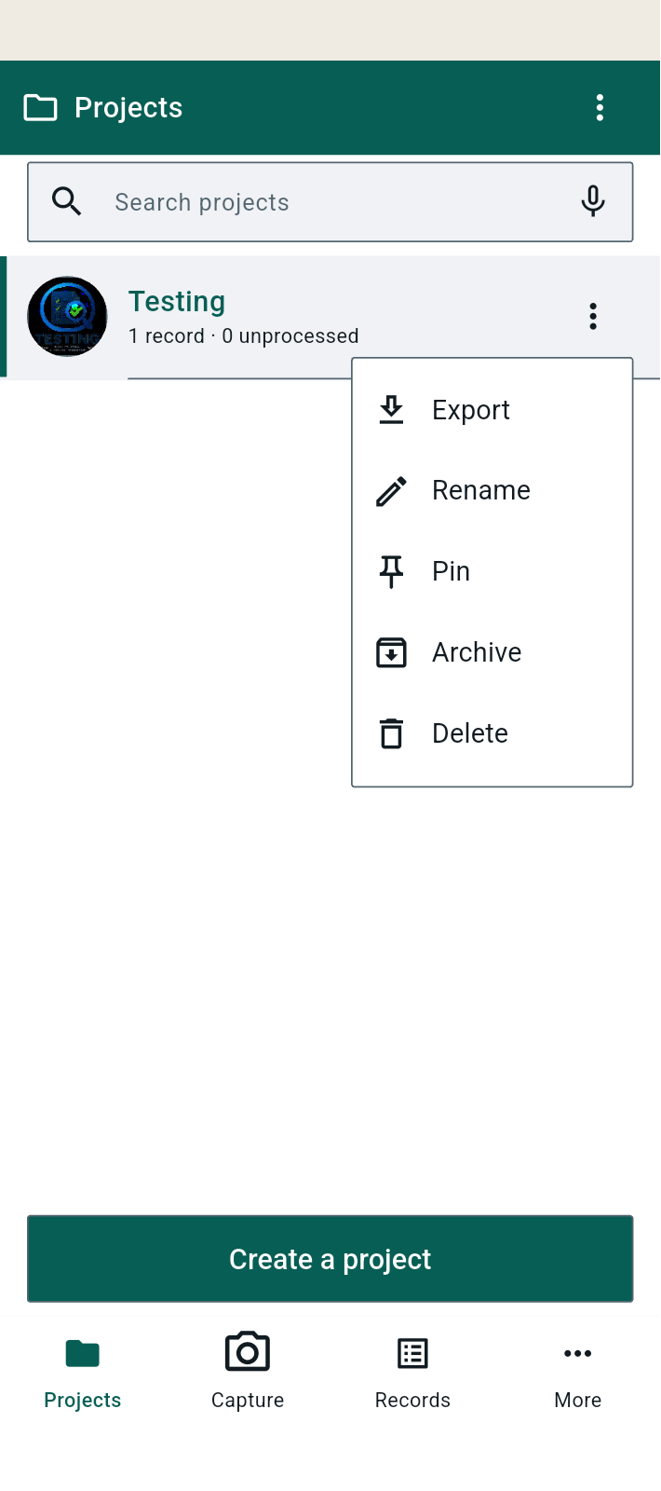
FBK0000188-2 | 08/10/2026 | Projects › Testing › Export project | 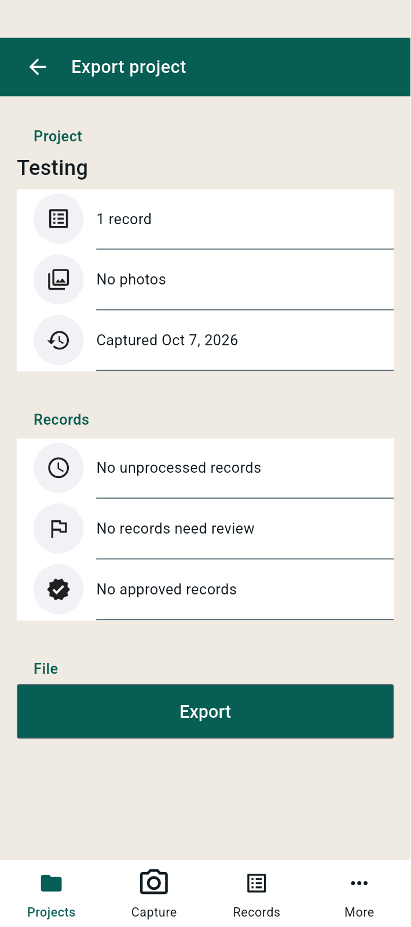
FBK0000188-3 | 08/10/2026 | Projects › Testing › Export project | 