Screenshots
Feedback ID | Submitted At (East Africa Time) | Screen | Screenshot
FBK0000008 | 20/09/2026 | Projects | 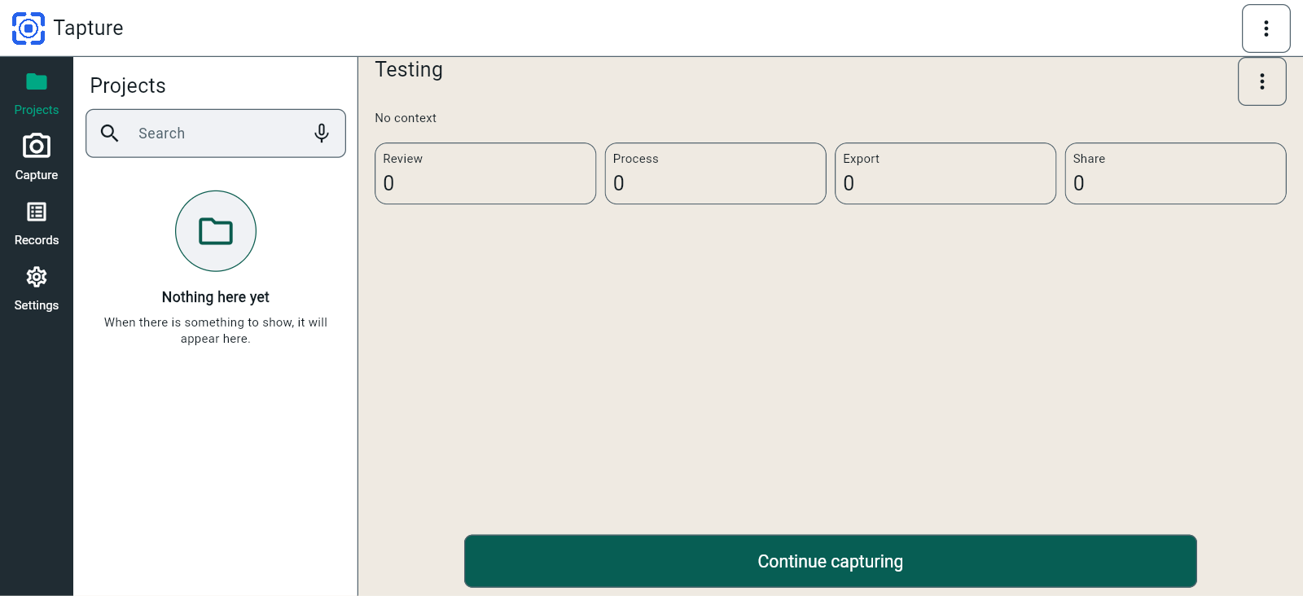
FBK0000007 | 20/09/2026 | Projects
FBK0000007-2 | 20/09/2026 | Projects | 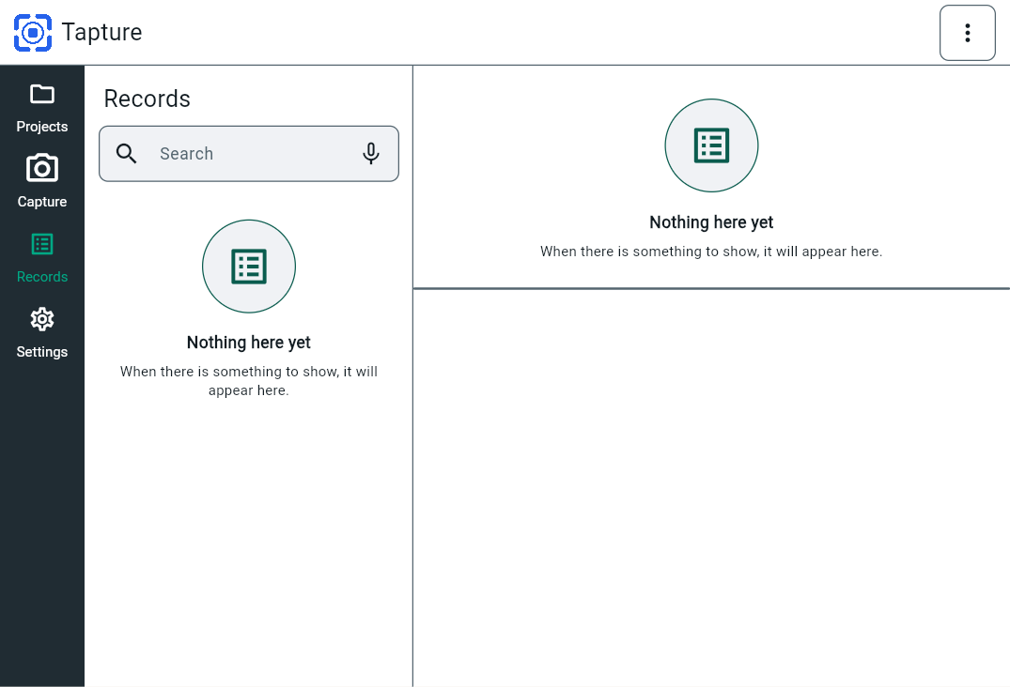
FBK0000007-3 | 20/09/2026 | Projects | 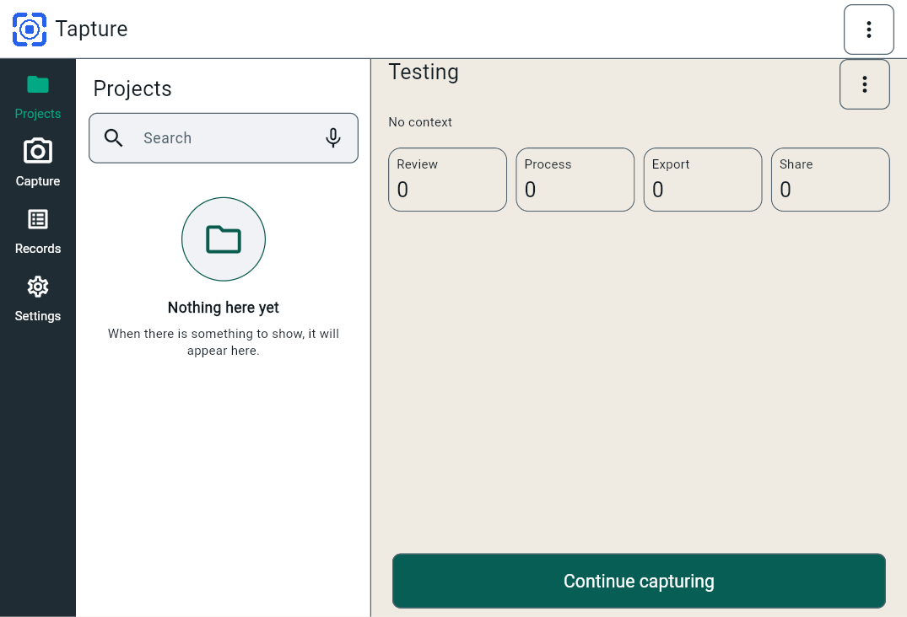
FBK0000007-4 | 20/09/2026 | Projects
FBK0000007-5 | 20/09/2026 | Projects | 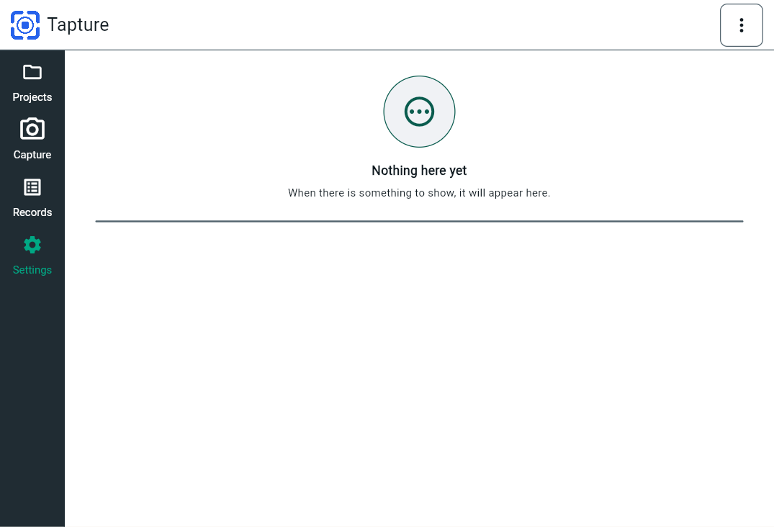
FBK0000007-6 | 20/09/2026 | Projects
FBK0000007-7 | 20/09/2026 | Projects | 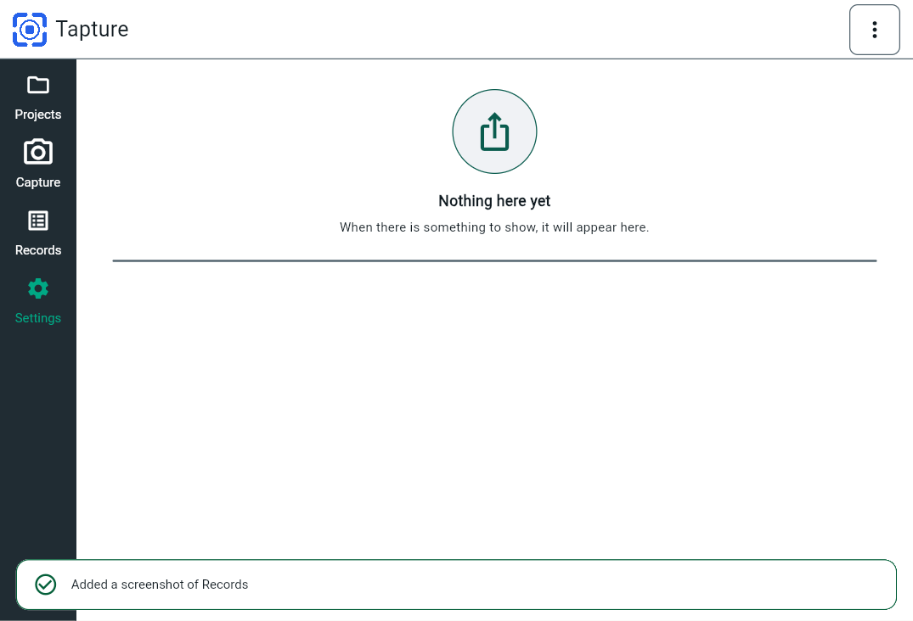
FBK0000006 | 20/09/2026 | Projects | 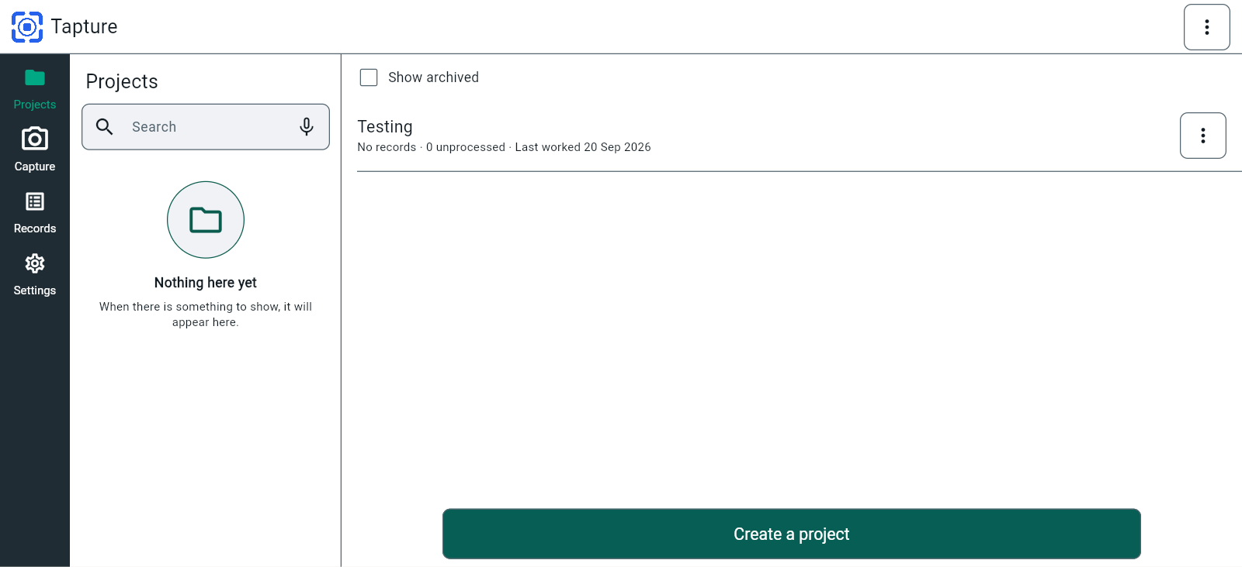
FBK0000006-2 | 20/09/2026 | Projects | 