Screenshots
Feedback ID | Submitted At (EAT) | Screen | Screenshot
FBK0000187 | 07/10/2026 | Projects › Testing › Review meeting | 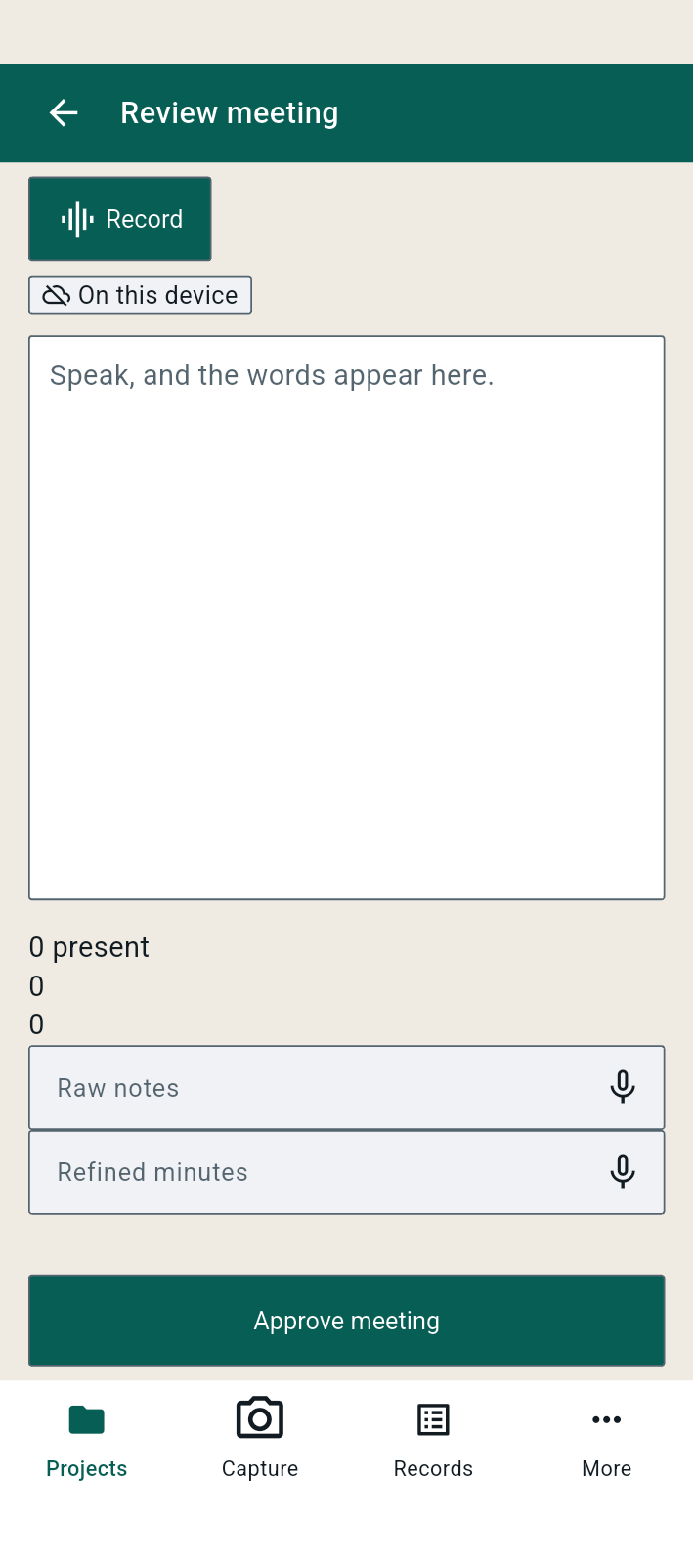
FBK0000186 | 07/10/2026 | Projects › Testing | 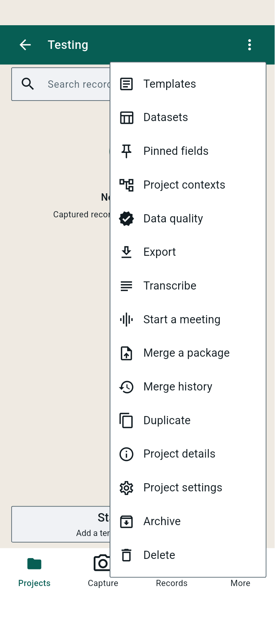
FBK0000185 | 07/10/2026 | Projects › Testing | 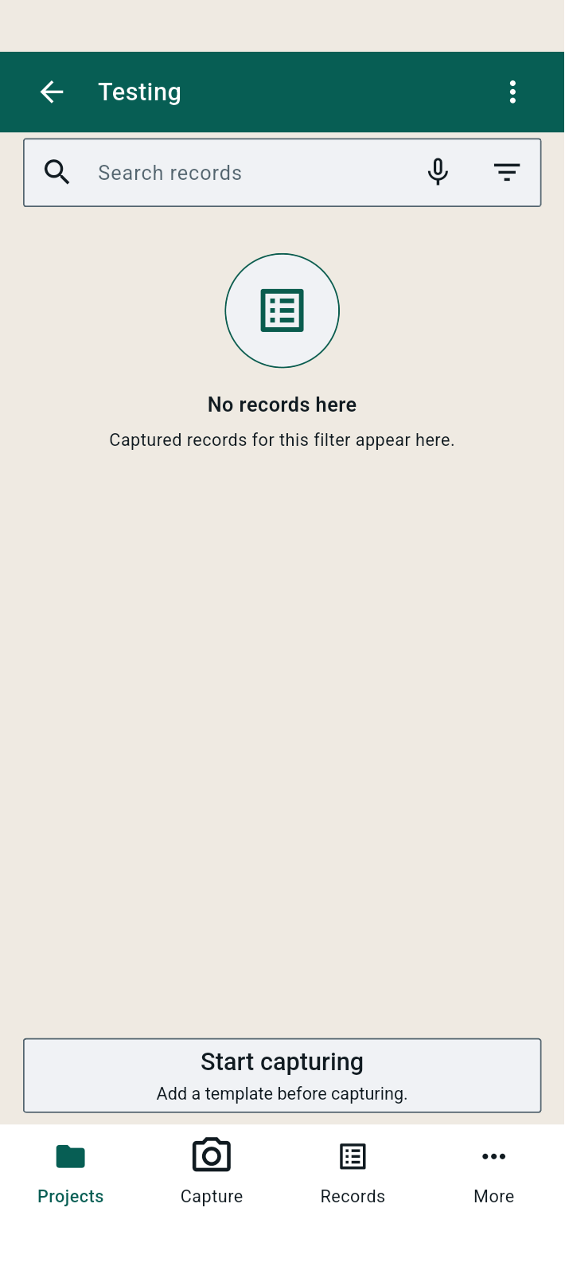
FBK0000184 | 07/10/2026 | Create project | 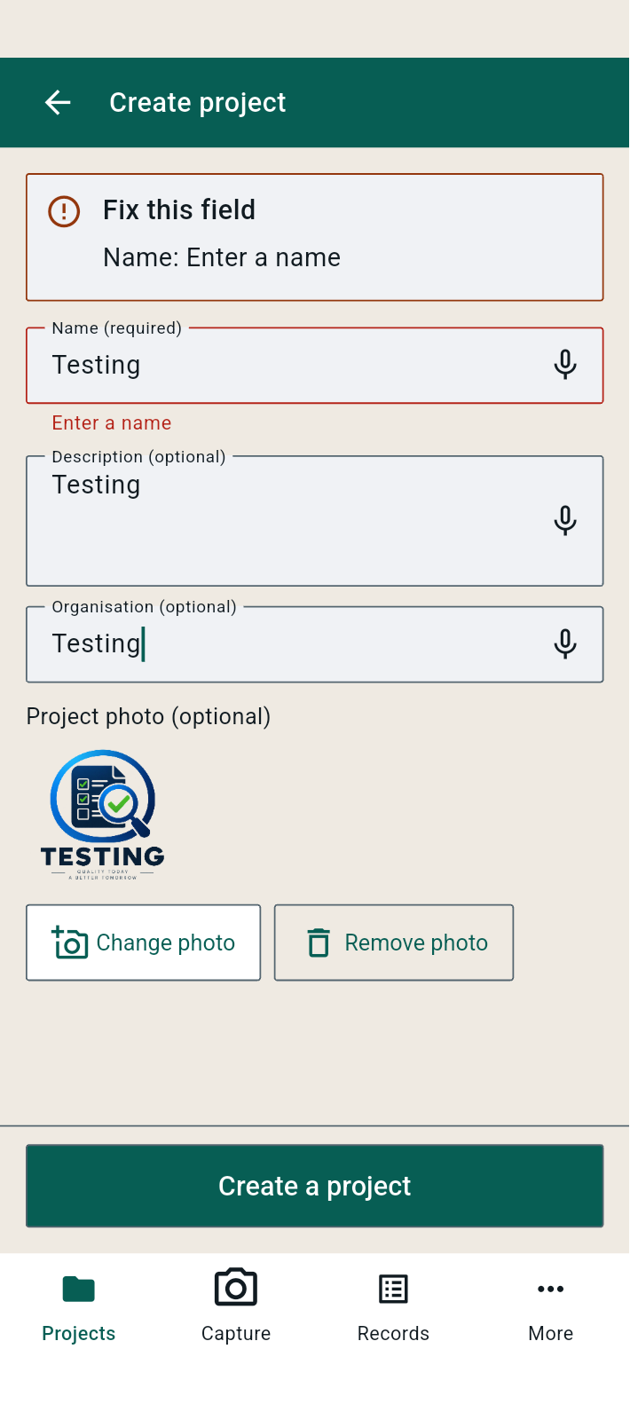
FBK0000183 | 07/10/2026 | About | 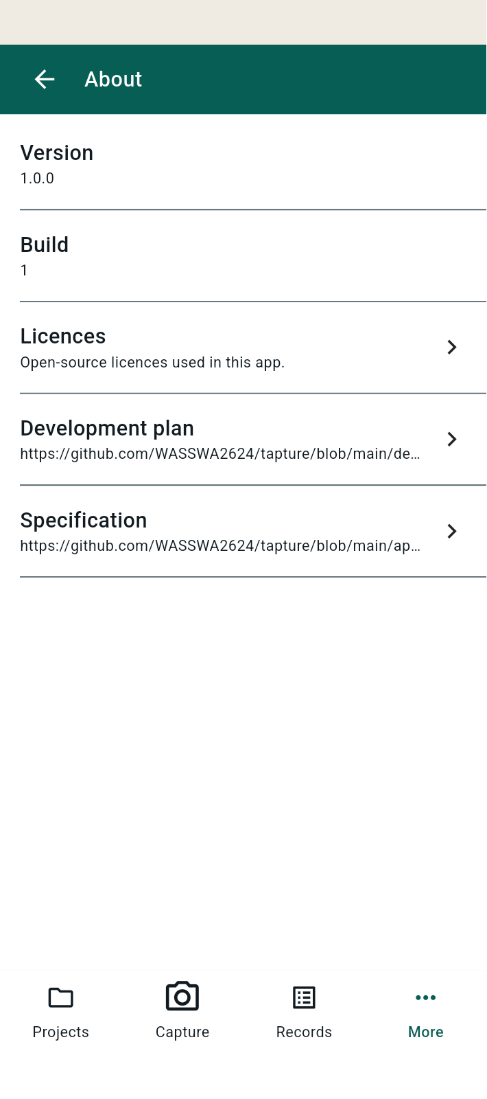
FBK0000182 | 07/10/2026 | Language | 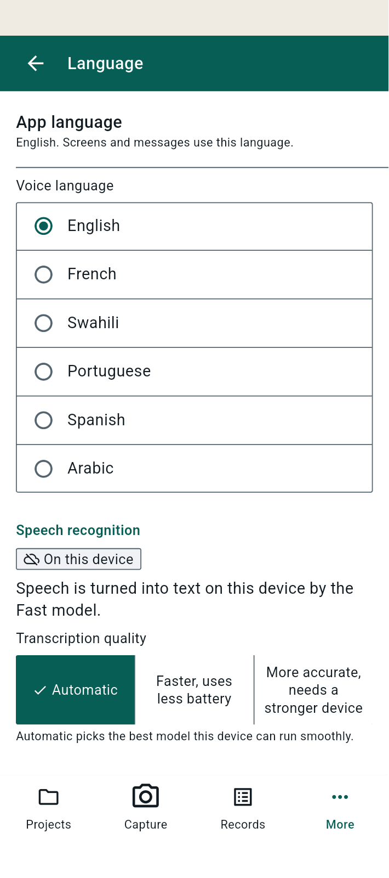
FBK0000182-2 | 07/10/2026 | Language | 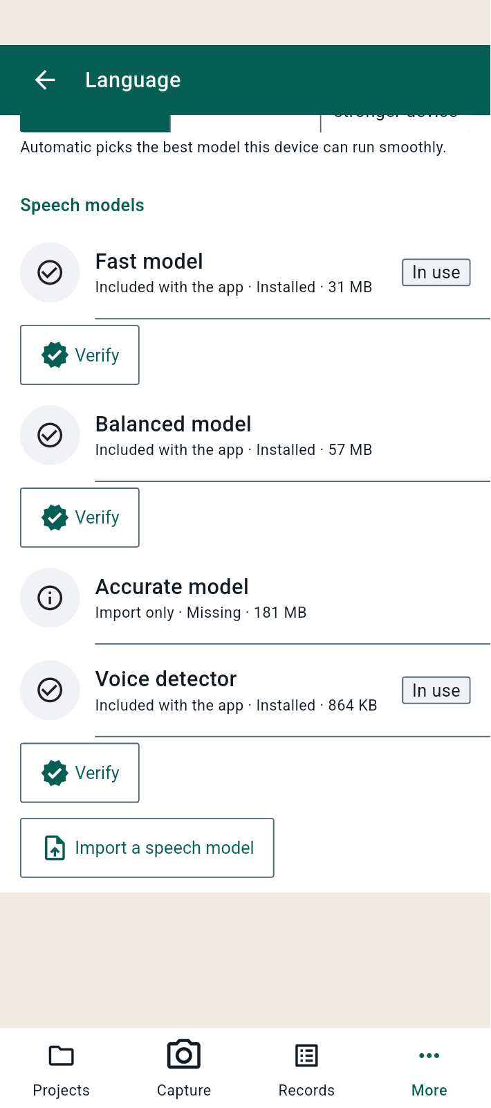
FBK0000181 | 07/10/2026 | Capture defaults | 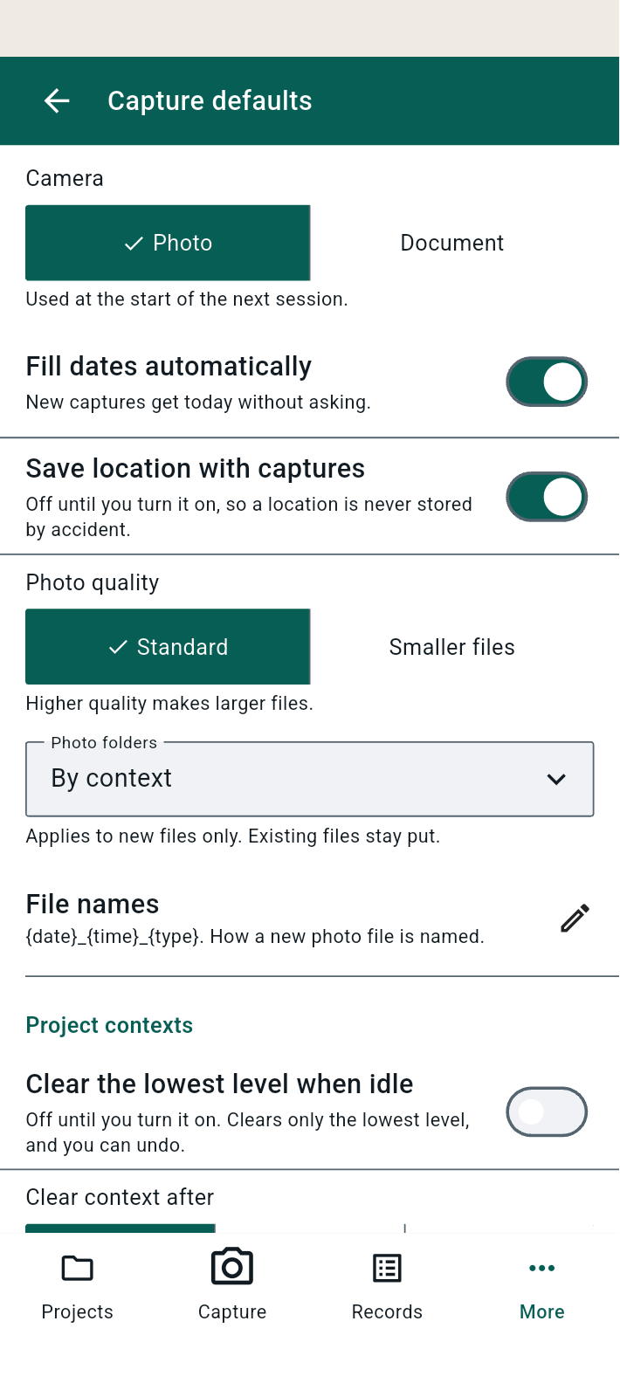
FBK0000180 | 07/10/2026 | Change relay | 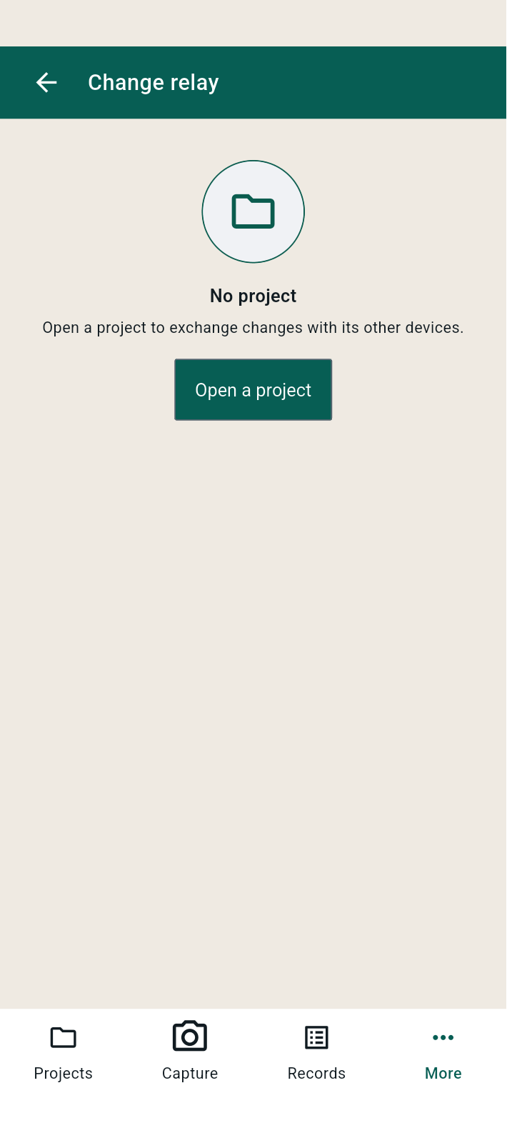
FBK0000179 | 07/10/2026 | Organisation | 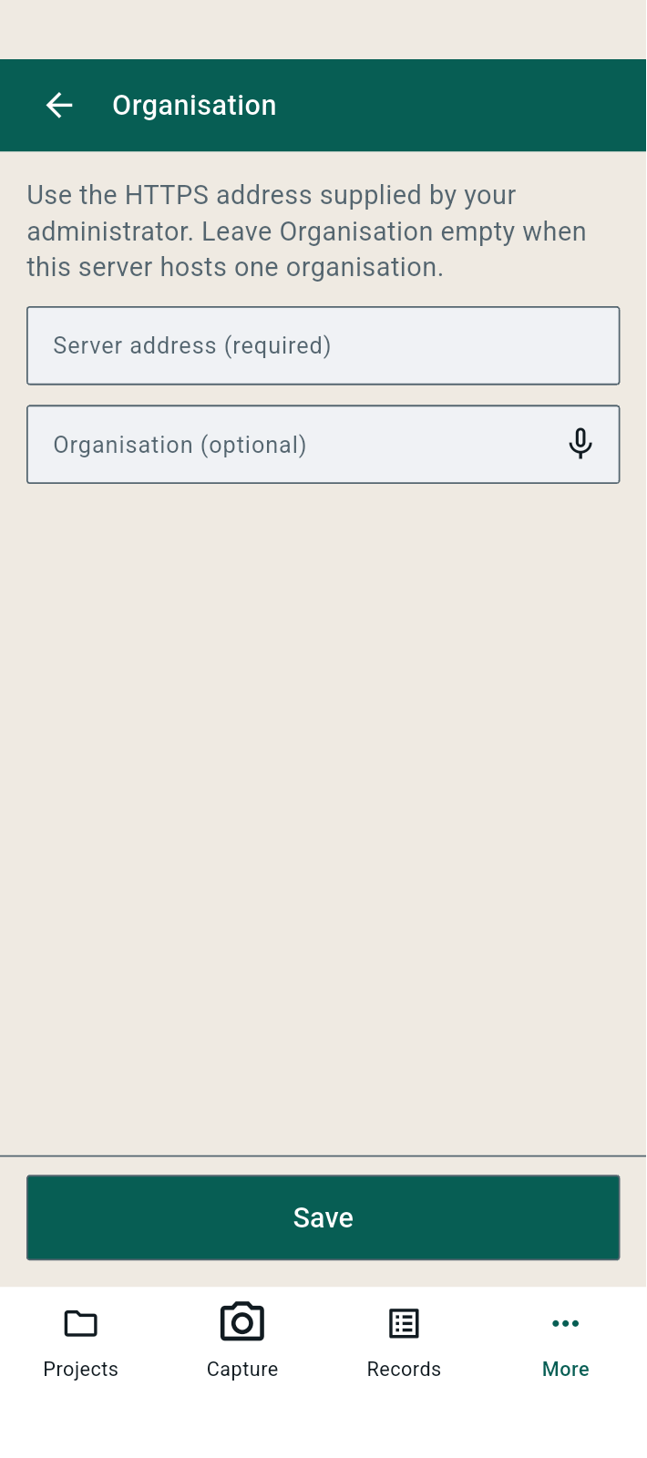
FBK0000178 | 07/10/2026 | AI | 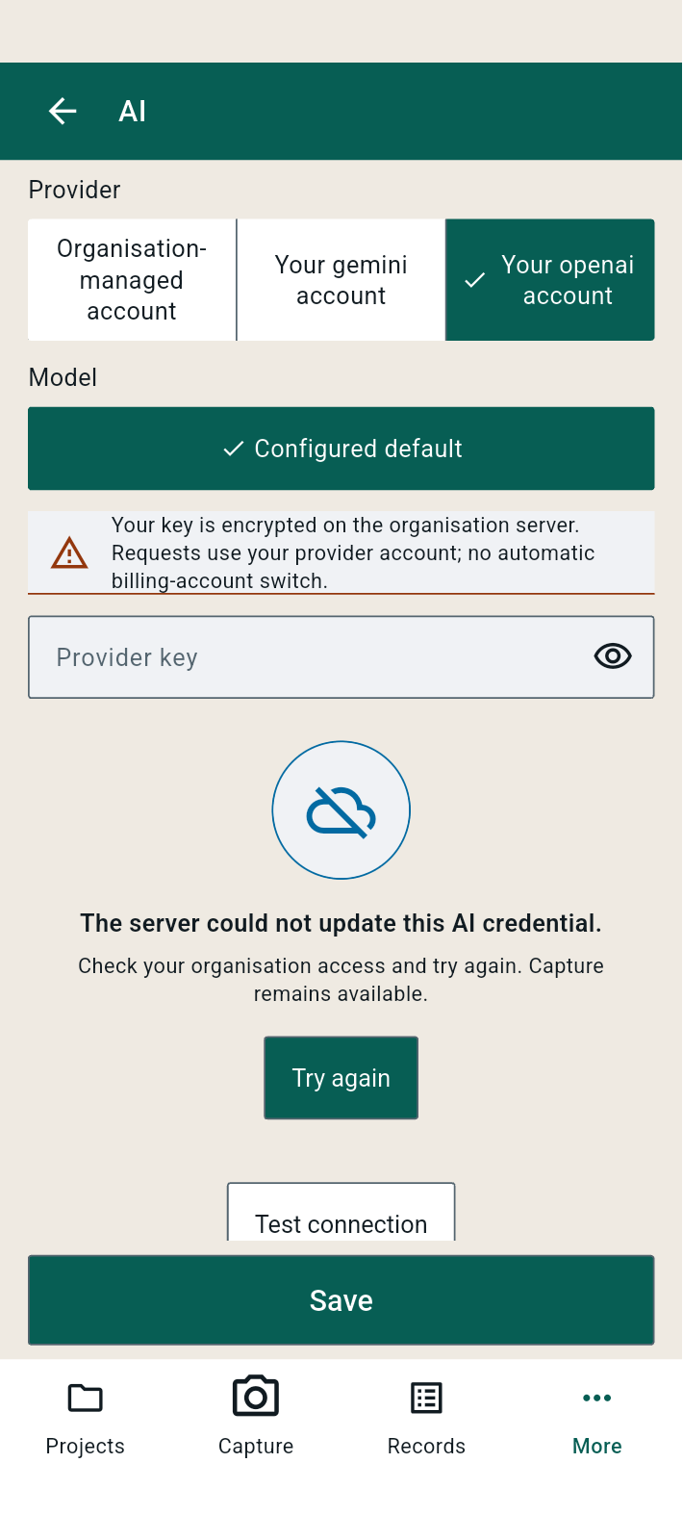
FBK0000177 | 07/10/2026 | AI
FBK0000176 | 07/10/2026 | Recycle bin | 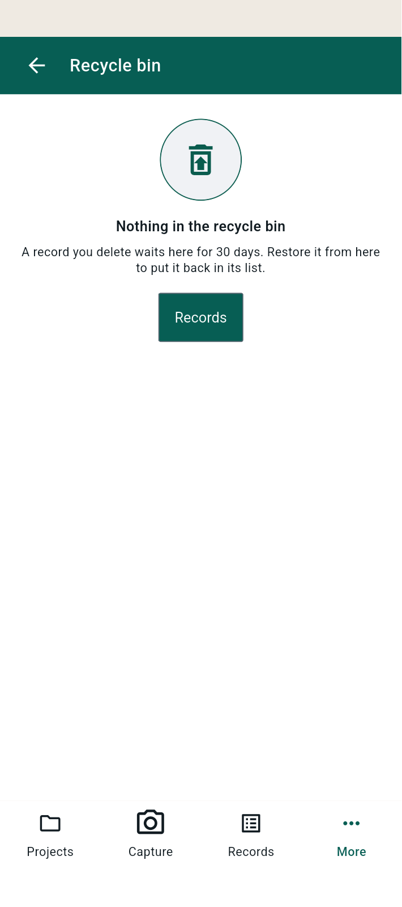
FBK0000175 | 07/10/2026 | Projects | 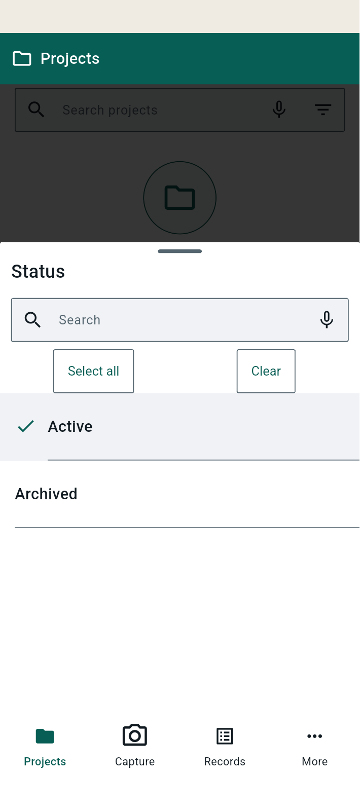
FBK0000174 | 07/10/2026 | Projects | 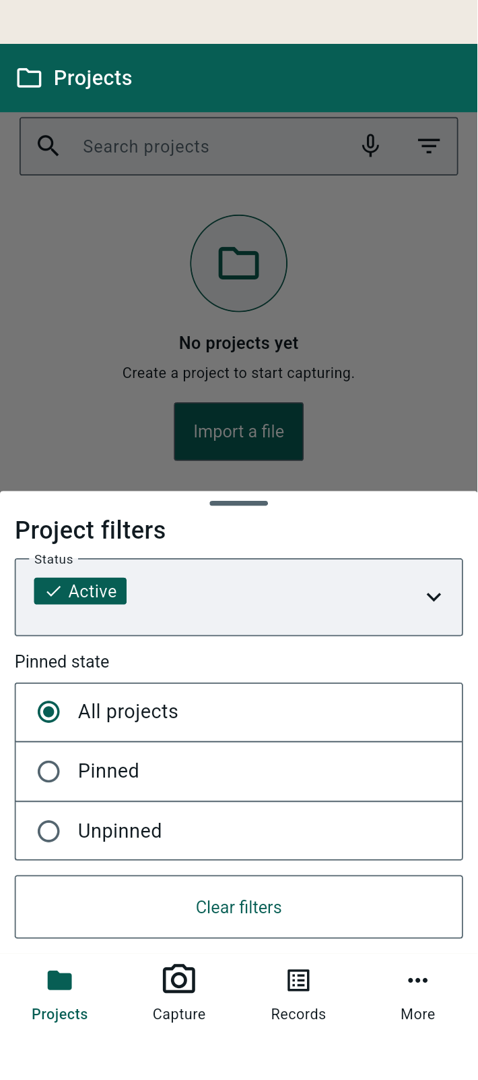
FBK0000173 | 07/10/2026 | Projects | 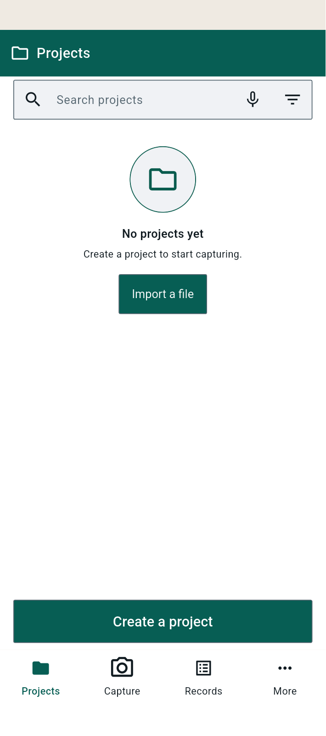
FBK0000172 | 07/10/2026 | Transcripts | 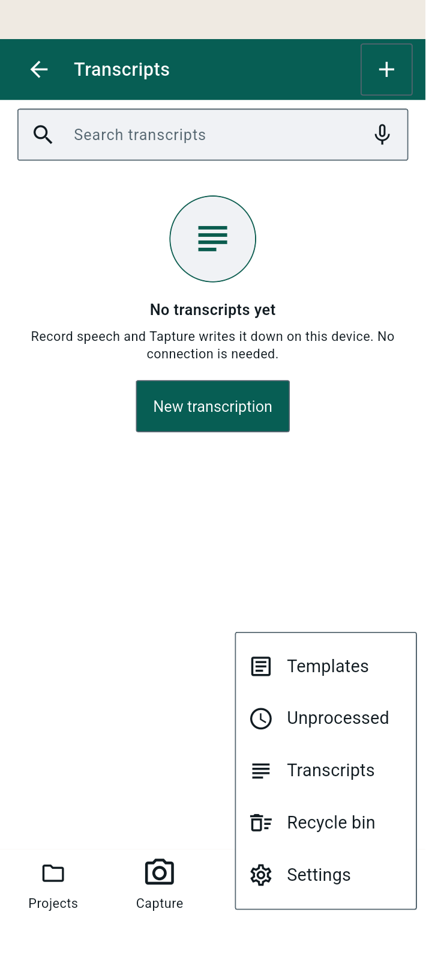
FBK0000171 | 07/10/2026 | Transcripts
FBK0000170 | 07/10/2026 | Templates | 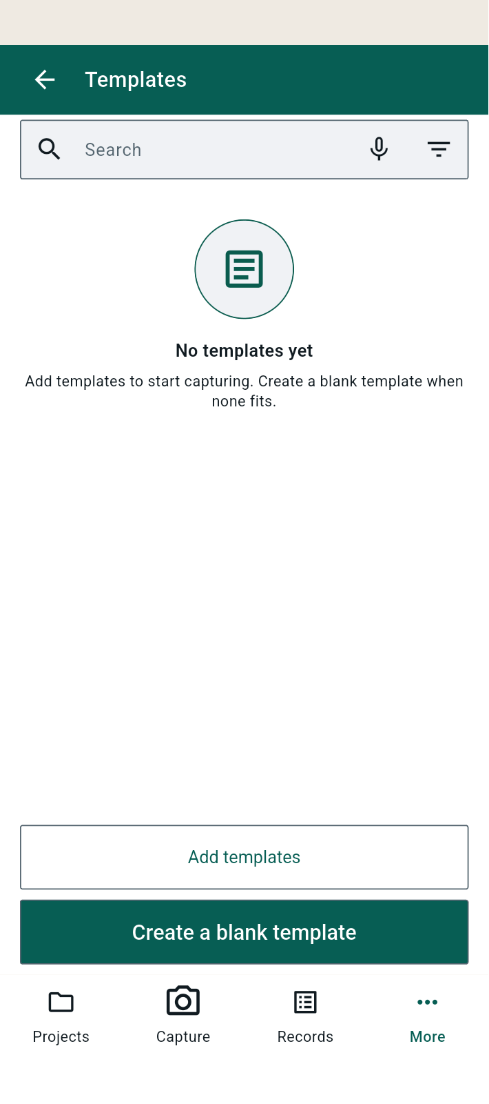
FBK0000169 | 07/10/2026 | Projects | 
FBK0000168 | 07/10/2026 | Import | 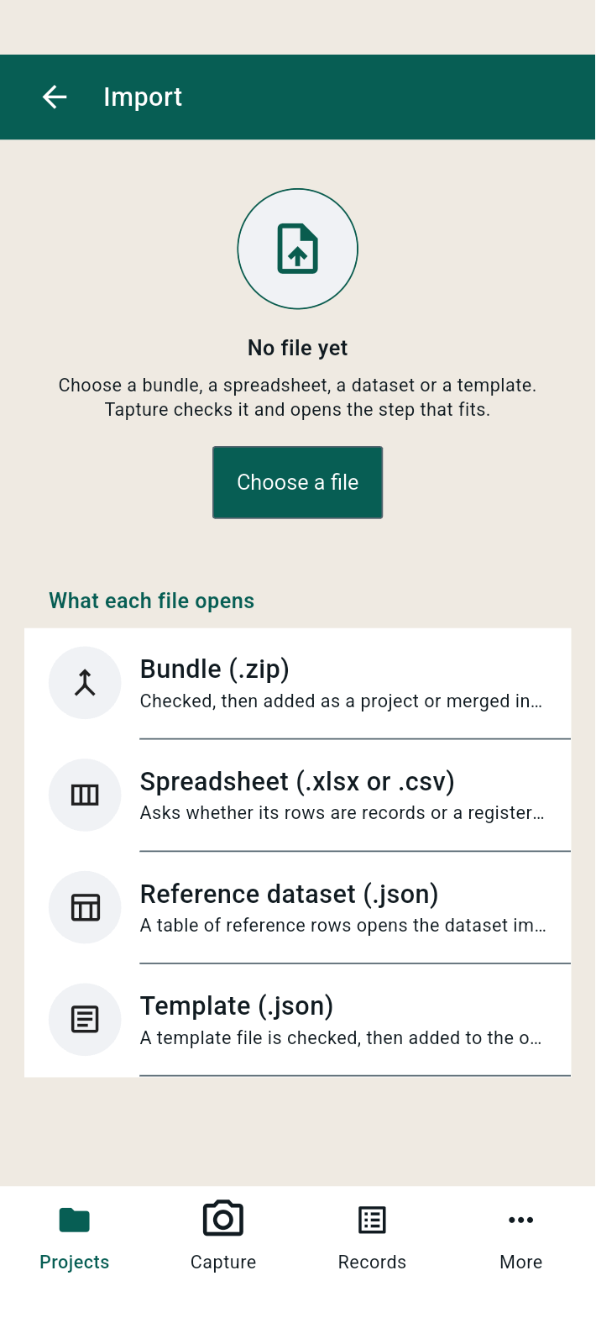
FBK0000167 | 07/10/2026 | Projects | 
FBK0000167-2 | 07/10/2026 | Projects | 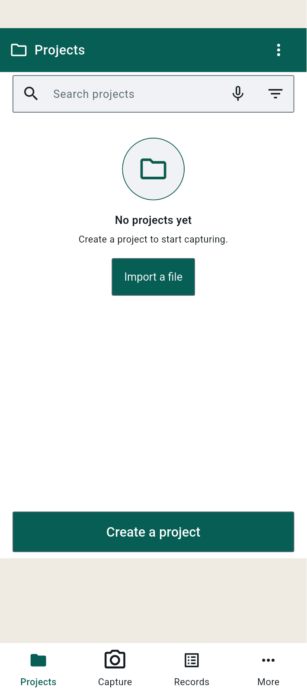
FBK0000166 | 07/10/2026 | Projects
FBK0000165 | 07/10/2026 | Projects | 