Screenshots
Feedback ID | Submitted At (EAT) | Screen | Screenshot
FBK0000219 | 10/10/2026 | Projects › Testing › Capture | 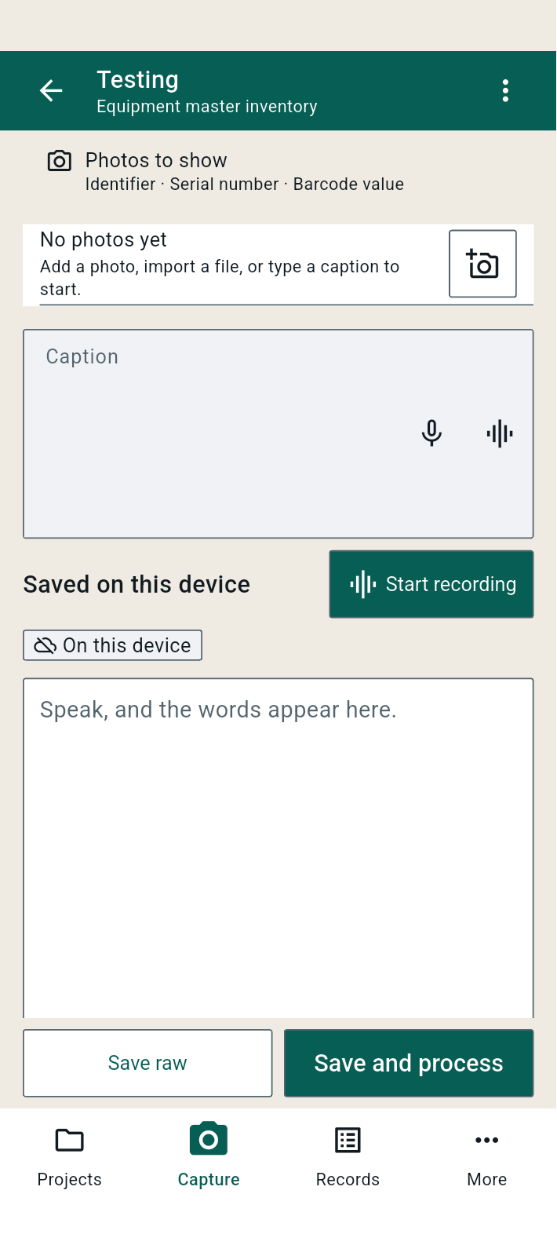
FBK0000218 | 10/10/2026 | Projects › Testing › Capture
FBK0000217 | 10/10/2026 | Projects › Testing › Capture
FBK0000216 | 10/10/2026 | Projects › Testing › Capture | 

