Screenshots
Feedback ID | Submitted At (East Africa Time) | Screen | Screenshot
FBK0000005 | 19/09/2026 | Settings | 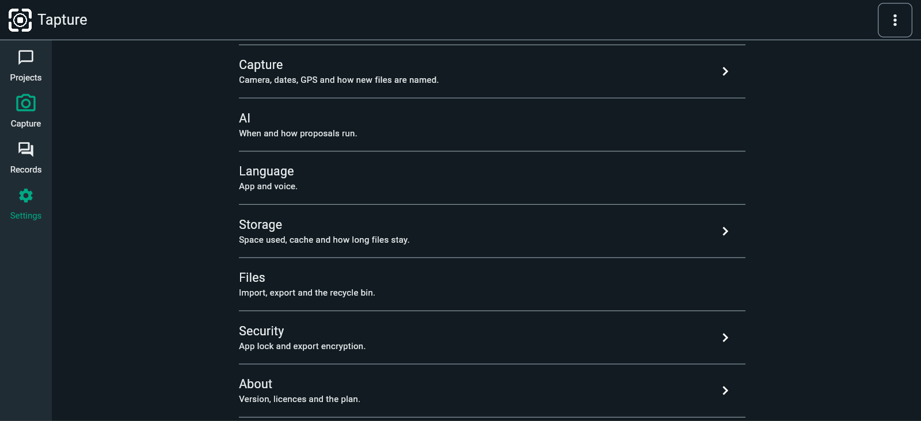
FBK0000005-2 | 19/09/2026 | Settings | 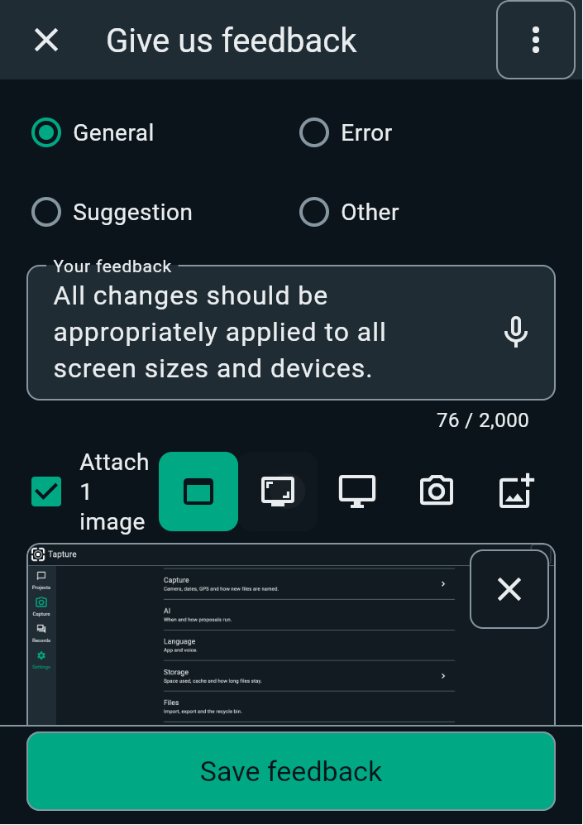
FBK0000003 | 19/09/2026 | Settings
FBK0000003-2 | 19/09/2026 | Settings | 