Screenshots
Feedback ID | Submitted At (EAT) | Screen | Screenshot
FBK0000155 | 26/09/2026 | Projects › Eficon › Capture | 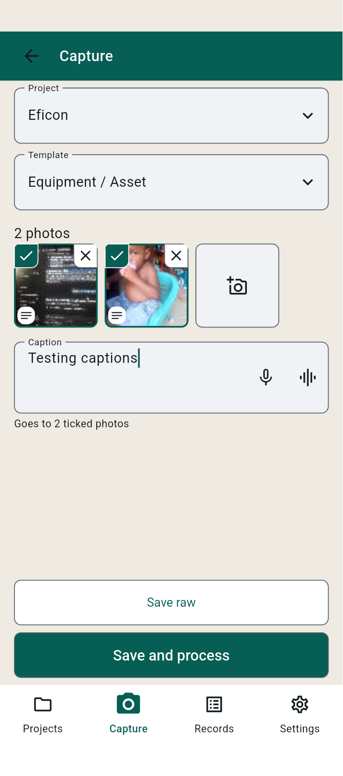
FBK0000154 | 26/09/2026 | Projects | 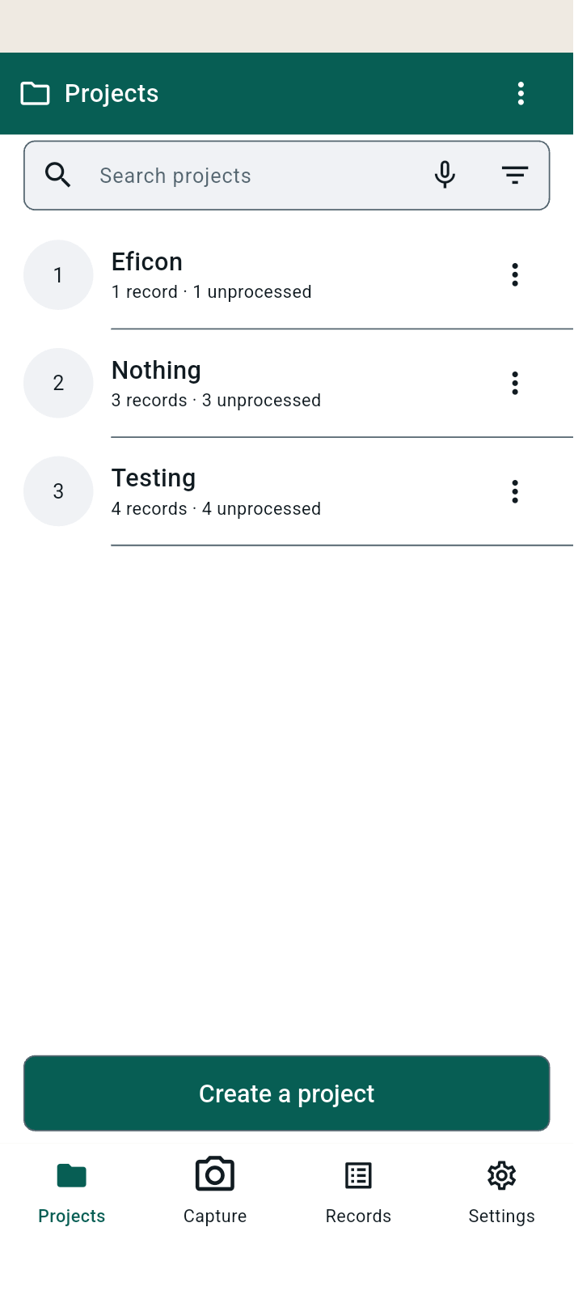
FBK0000153 | 26/09/2026 | Capture | 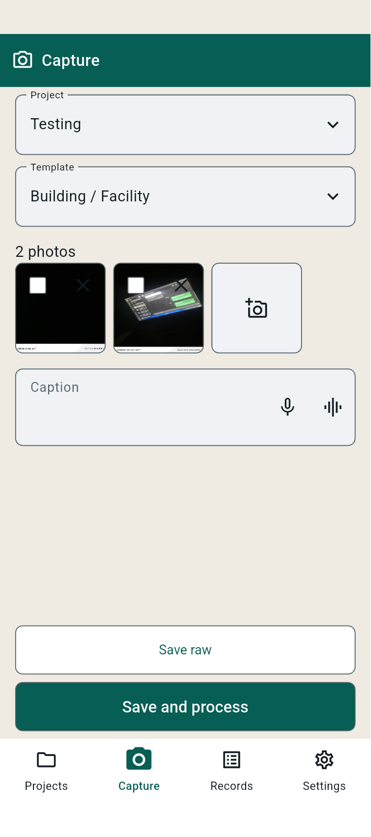
FBK0000152 | 26/09/2026 | Capture | 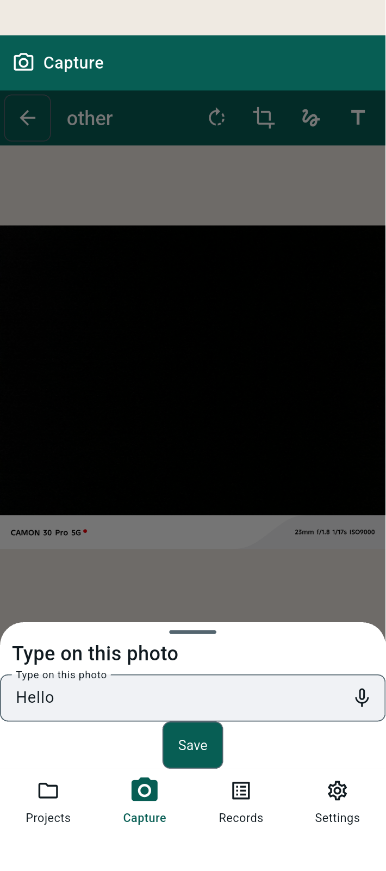
FBK0000151 | 26/09/2026 | Capture | 
FBK0000150 | 26/09/2026 | Capture | 
FBK0000149 | 26/09/2026 | Capture | 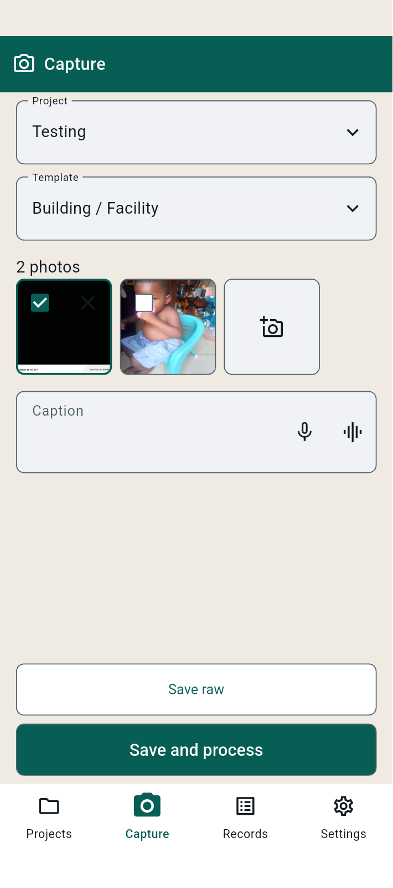
FBK0000148 | 26/09/2026 | Projects › Testing › Records | 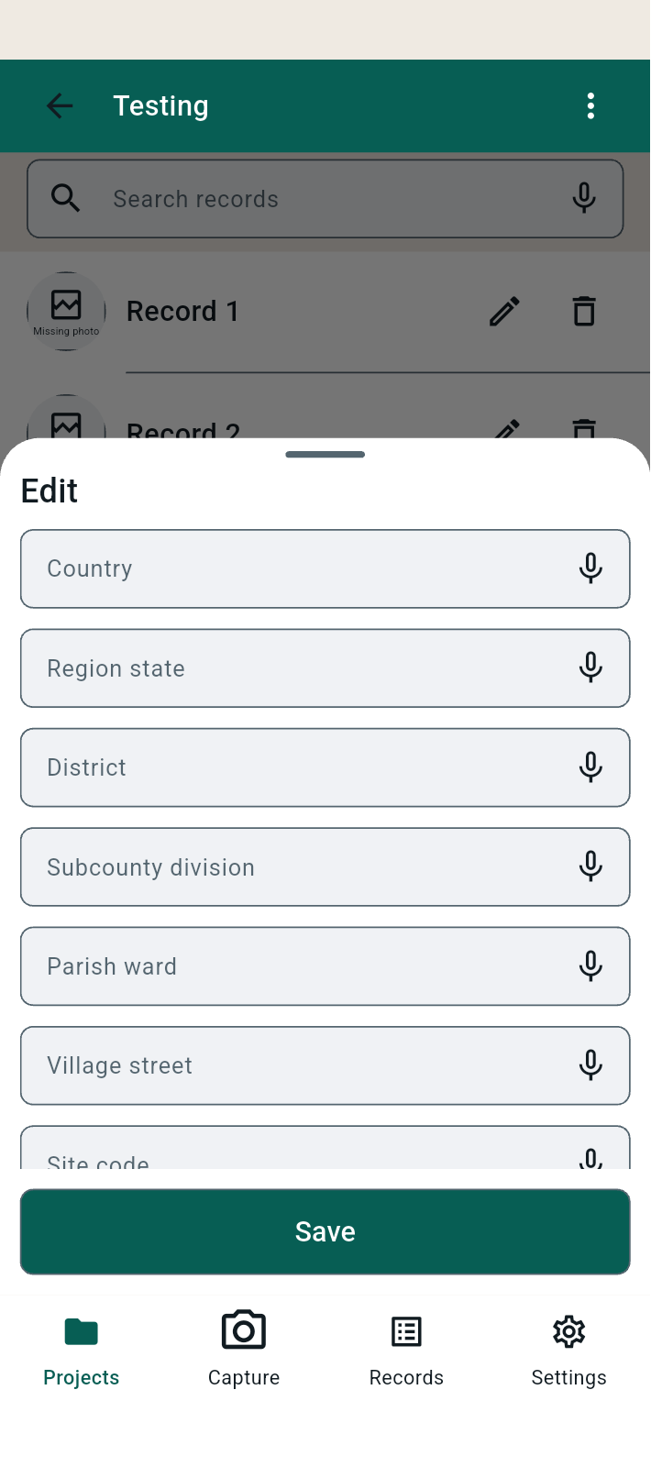
FBK0000148-2 | 26/09/2026 | Projects › Testing › Records | 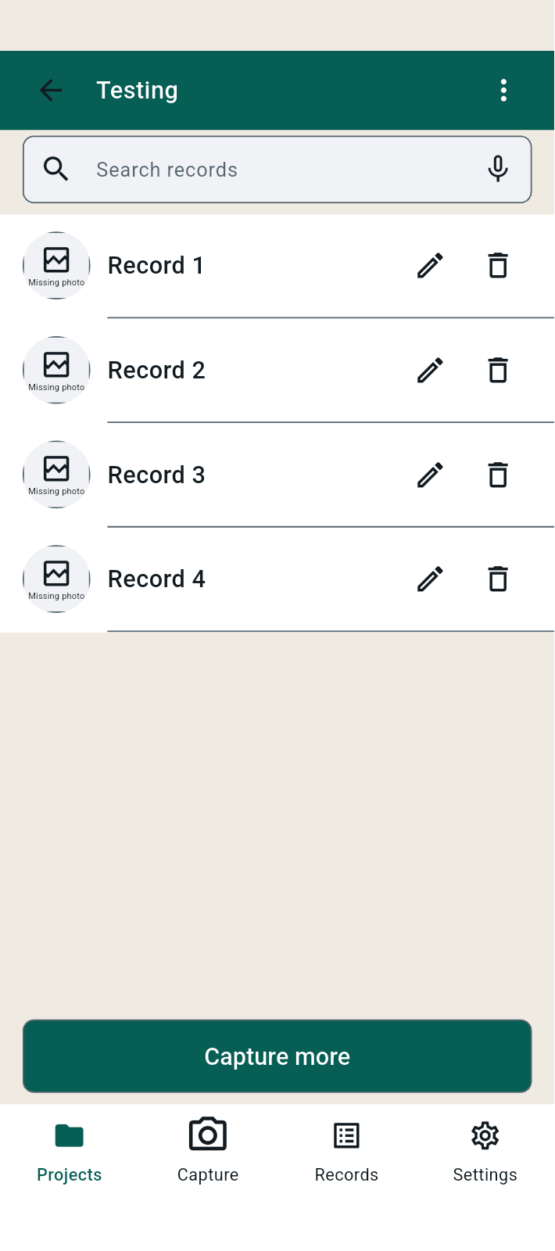
FBK0000147 | 26/09/2026 | Projects › Testing › Records | 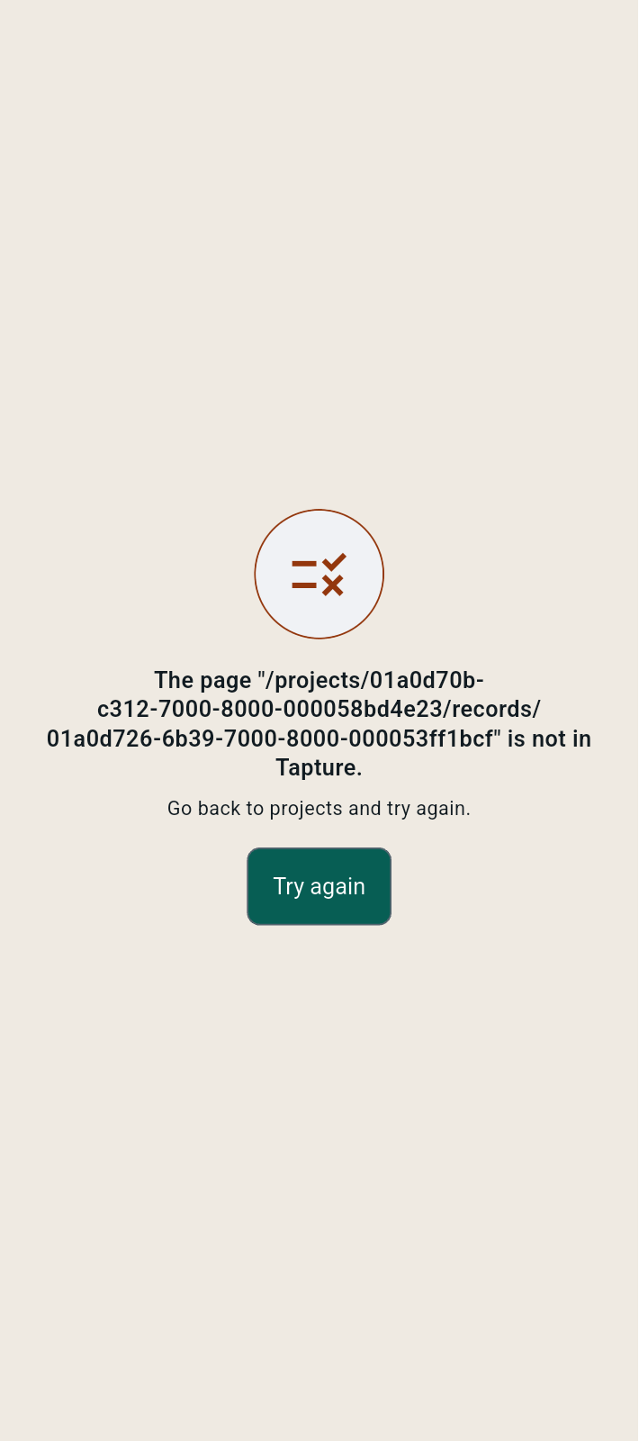
FBK0000147-2 | 26/09/2026 | Projects › Testing › Records
FBK0000146 | 26/09/2026 | Projects › Testing
FBK0000145 | 26/09/2026 | Projects › Testing
FBK0000145-2 | 26/09/2026 | Projects › Testing | 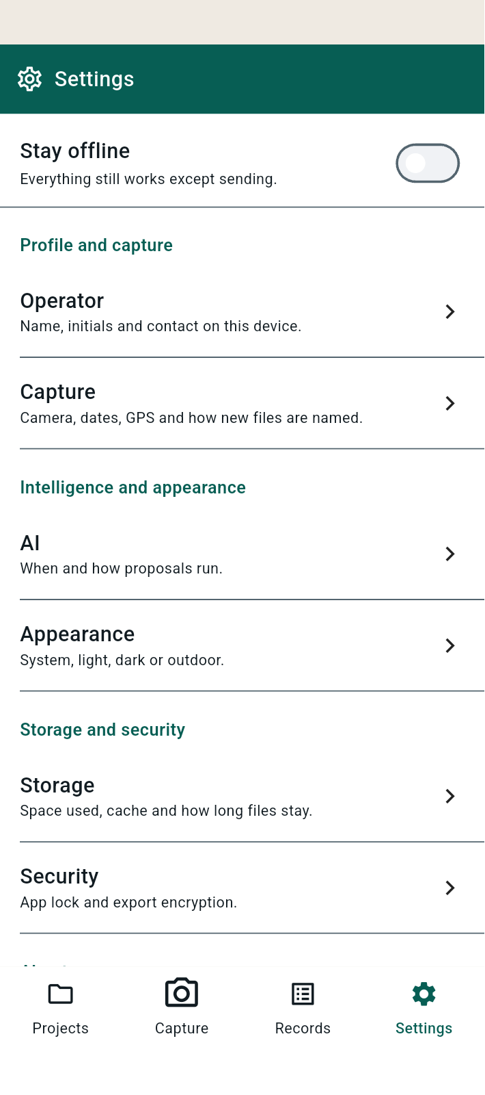
FBK0000145-3 | 26/09/2026 | Projects › Testing | 