Screenshots
Feedback ID | Submitted At (EAT) | Screen | Screenshot
FBK0000116 | 24/09/2026 | Projects › Projects › Ready to export | 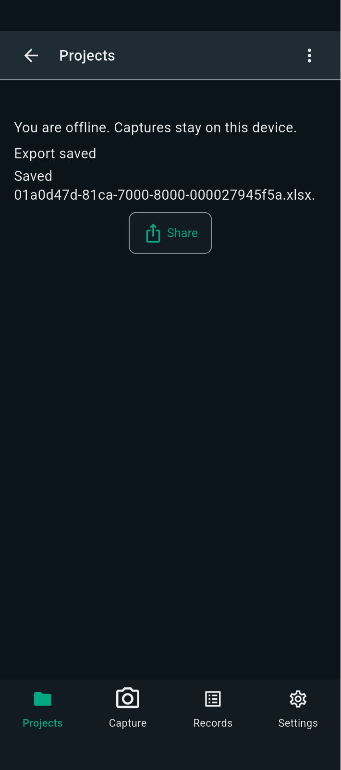
FBK0000115 | 24/09/2026 | Projects › Projects › Ready to export
FBK0000114 | 24/09/2026 | Projects › Projects › Ready to export
FBK0000113 | 24/09/2026 | Projects › Nothing | 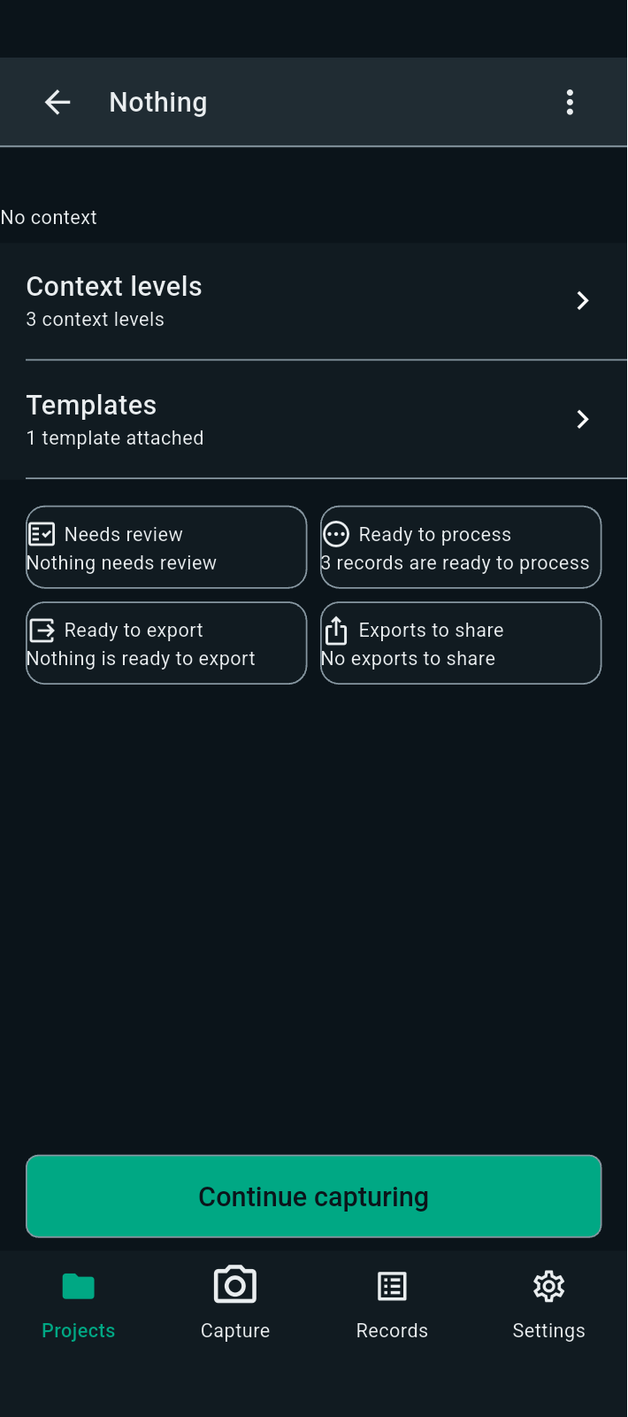
FBK0000112 | 24/09/2026 | Projects › Nothing › Capture | 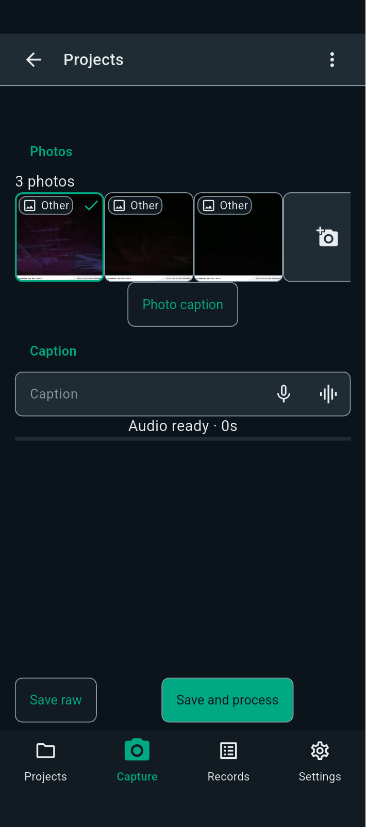
FBK0000111 | 24/09/2026 | Projects › Nothing › Capture | 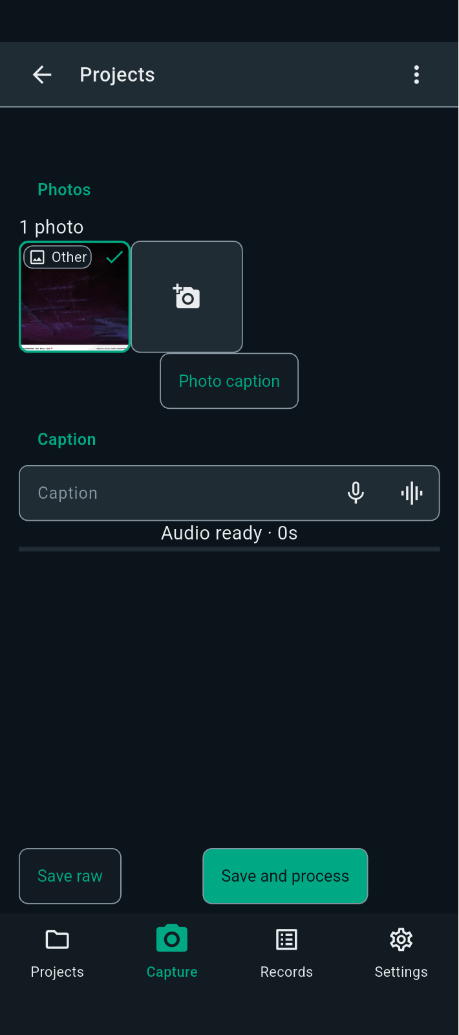
FBK0000110 | 24/09/2026 | Projects › Nothing › Capture | 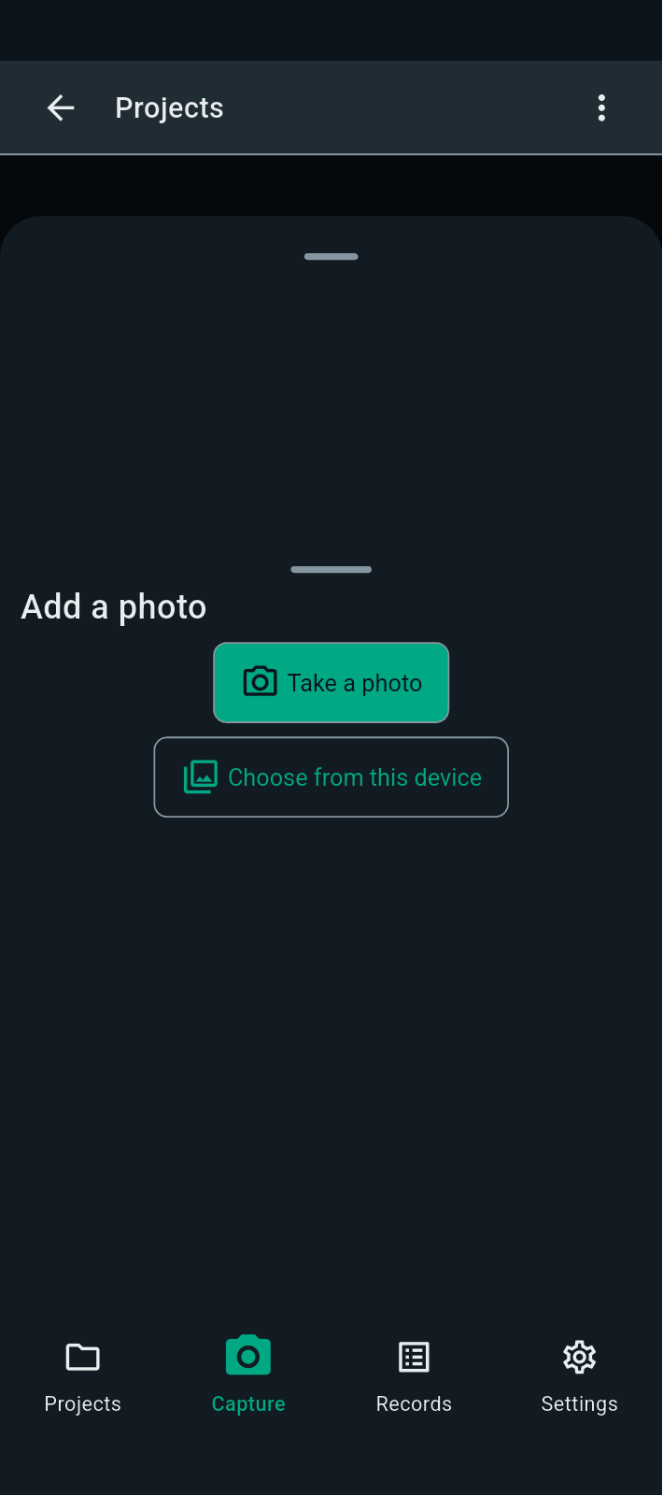
FBK0000109 | 24/09/2026 | Projects › Nothing › Capture | 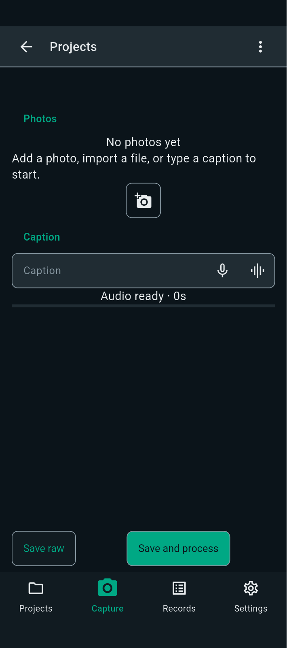
FBK0000108 | 24/09/2026 | Projects › Nothing › Capture
FBK0000107 | 24/09/2026 | Projects › Nothing | 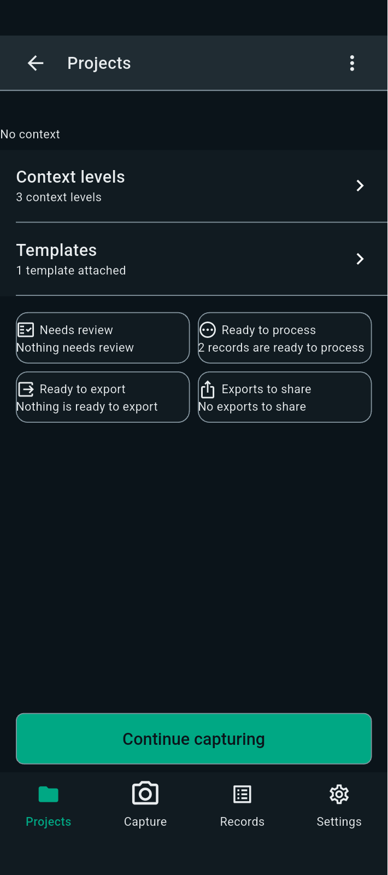
FBK0000106 | 24/09/2026 | Projects › Nothing › Templates | 
FBK0000105 | 24/09/2026 | Projects › Nothing › Templates
FBK0000104 | 24/09/2026 | Projects › Nothing › Templates
FBK0000103 | 24/09/2026 | Projects › Nothing › Templates | 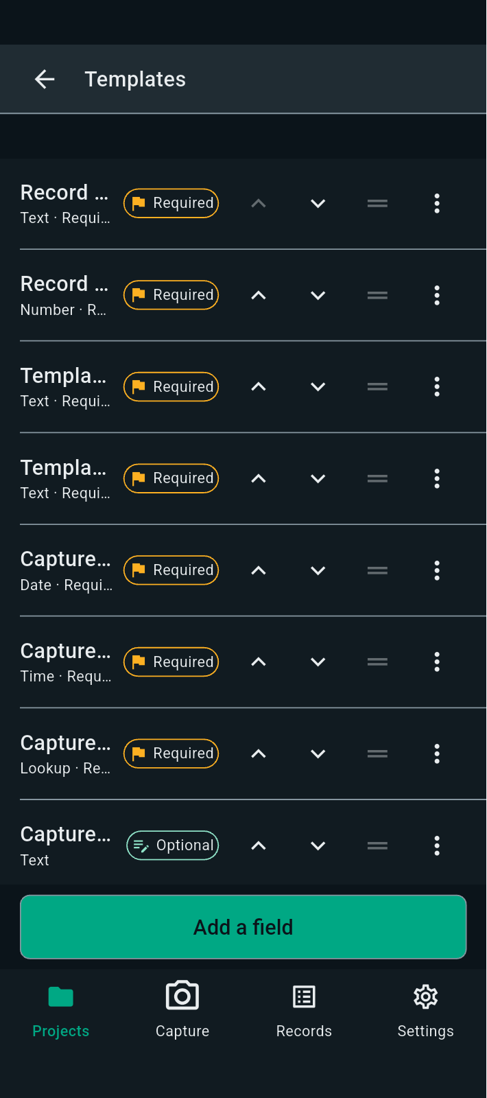
FBK0000102 | 24/09/2026 | Projects › Nothing › Templates | 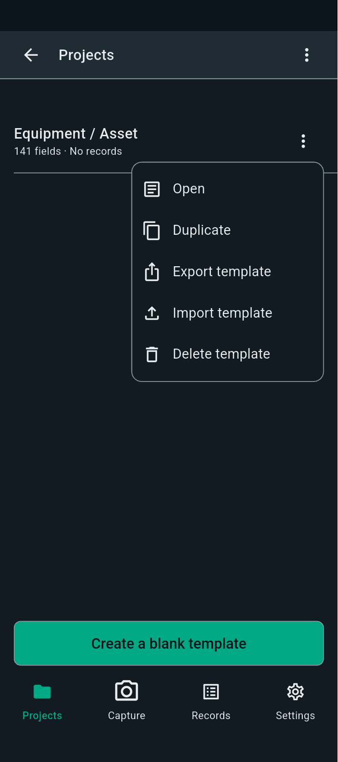
FBK0000101 | 24/09/2026 | Projects › Nothing › Templates | 
FBK0000100 | 24/09/2026 | Projects › Nothing › Context levels | 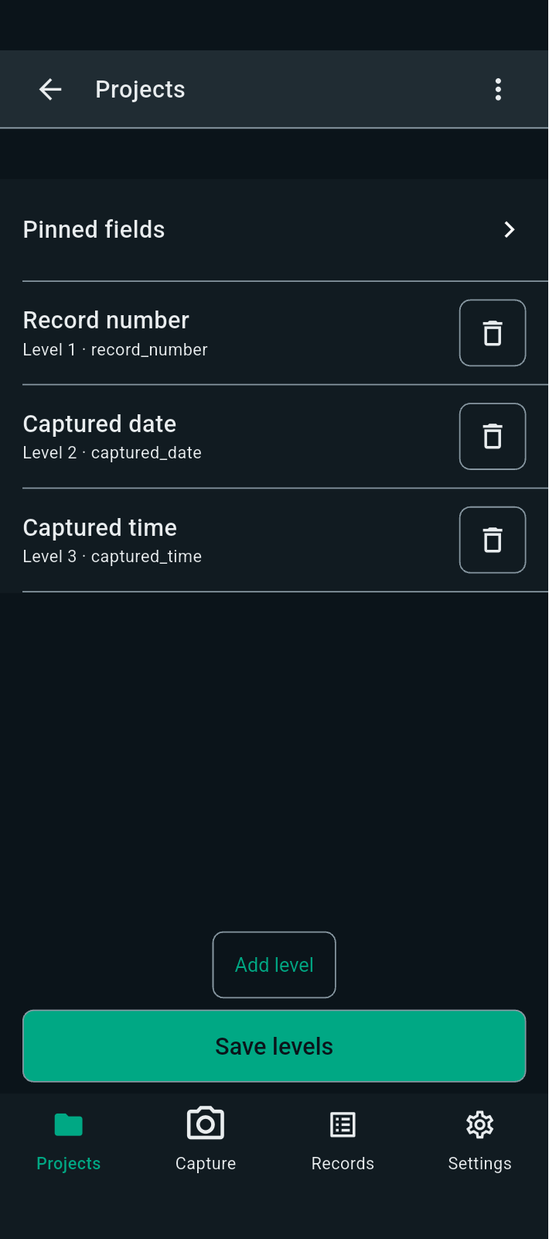
FBK0000099 | 24/09/2026 | Projects › Nothing › Context levels
FBK0000098 | 24/09/2026 | Projects › Nothing | 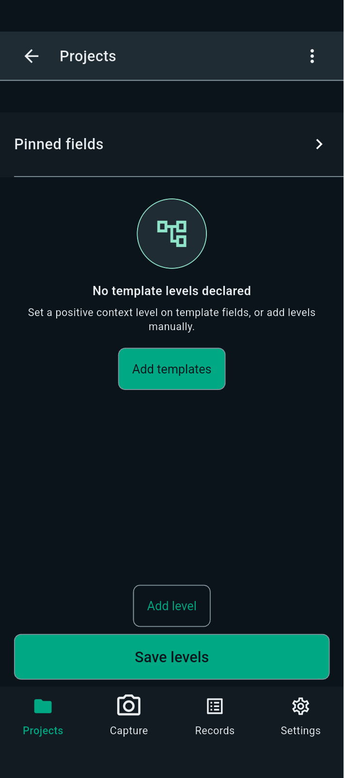
FBK0000097 | 24/09/2026 | Projects › Nothing | 
FBK0000096 | 24/09/2026 | Projects | 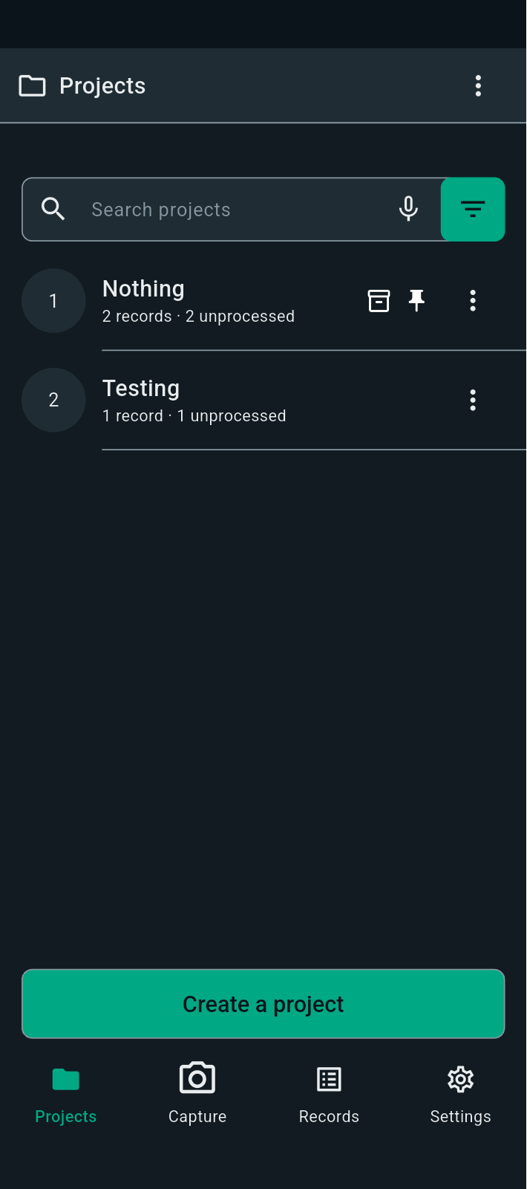
FBK0000095 | 24/09/2026 | Projects › Nothing › Unprocessed
FBK0000094 | 24/09/2026 | New project | 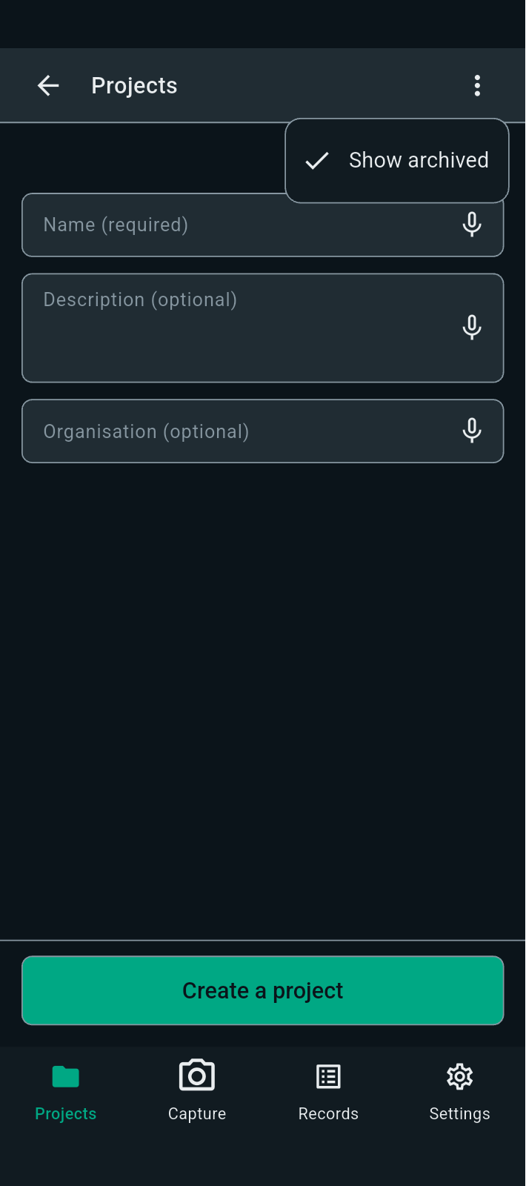
FBK0000093 | 24/09/2026 | Projects › Project filters | 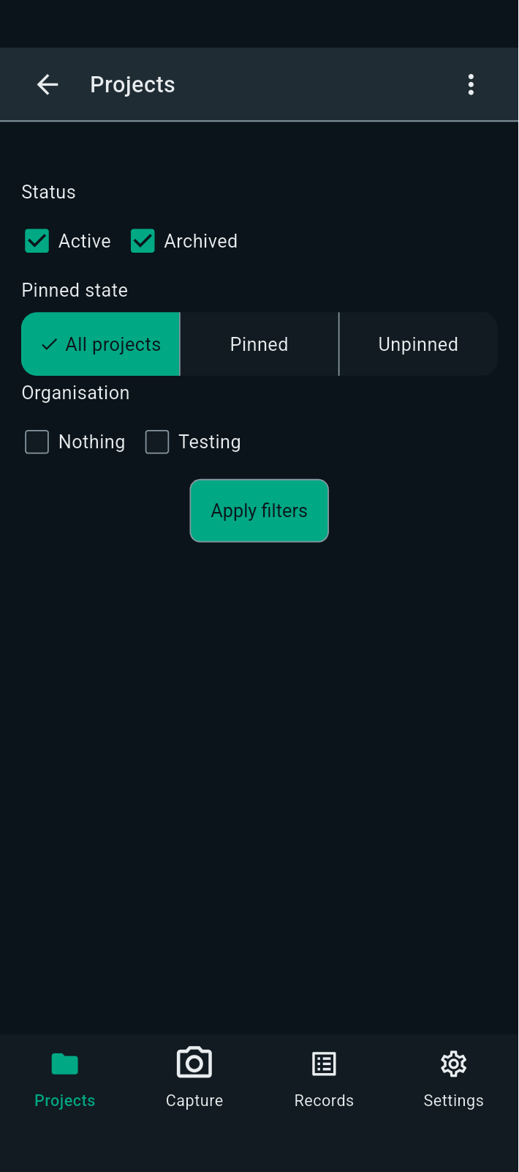
FBK0000093-2 | 24/09/2026 | Projects › Project filters | 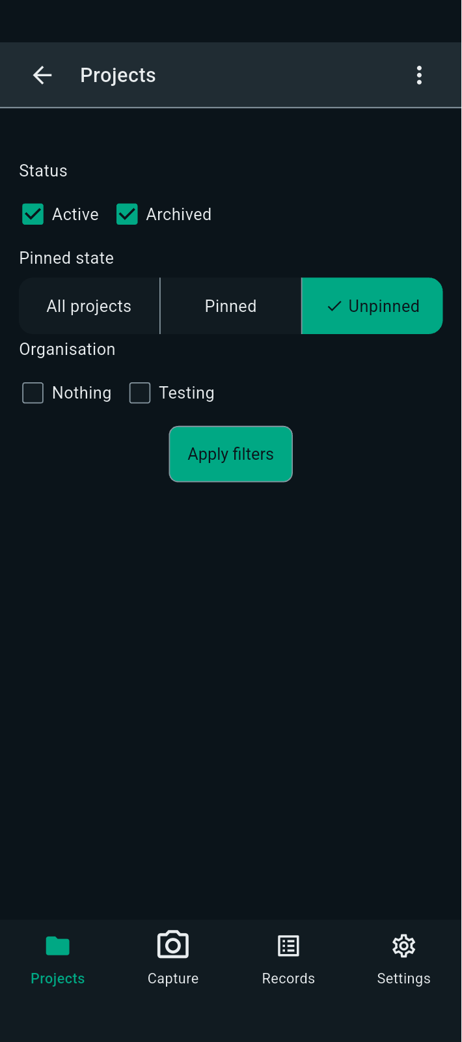
FBK0000092 | 24/09/2026 | Projects | 