Screenshots
Feedback ID | Submitted At (EAT) | Screen | Screenshot
FBK0000010 | 19/09/2026 | Projects | 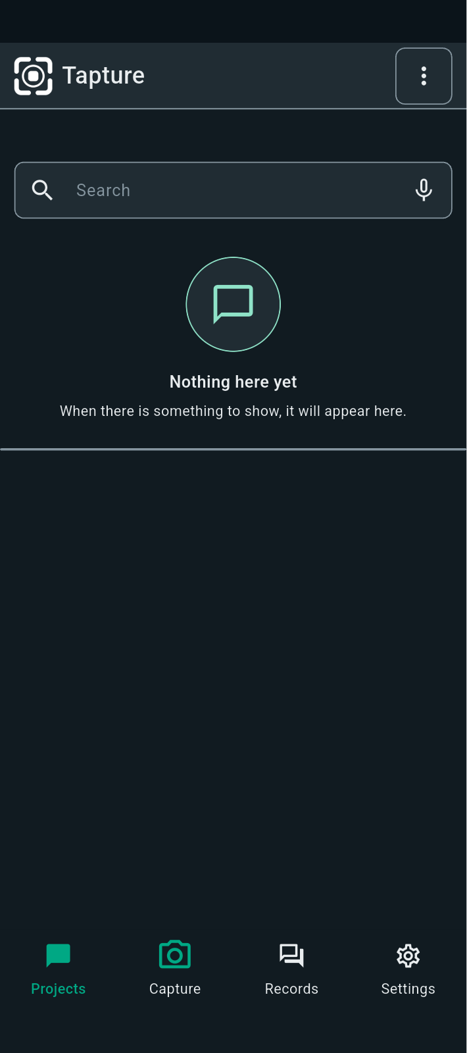
FBK0000007 | 19/09/2026 | Settings | 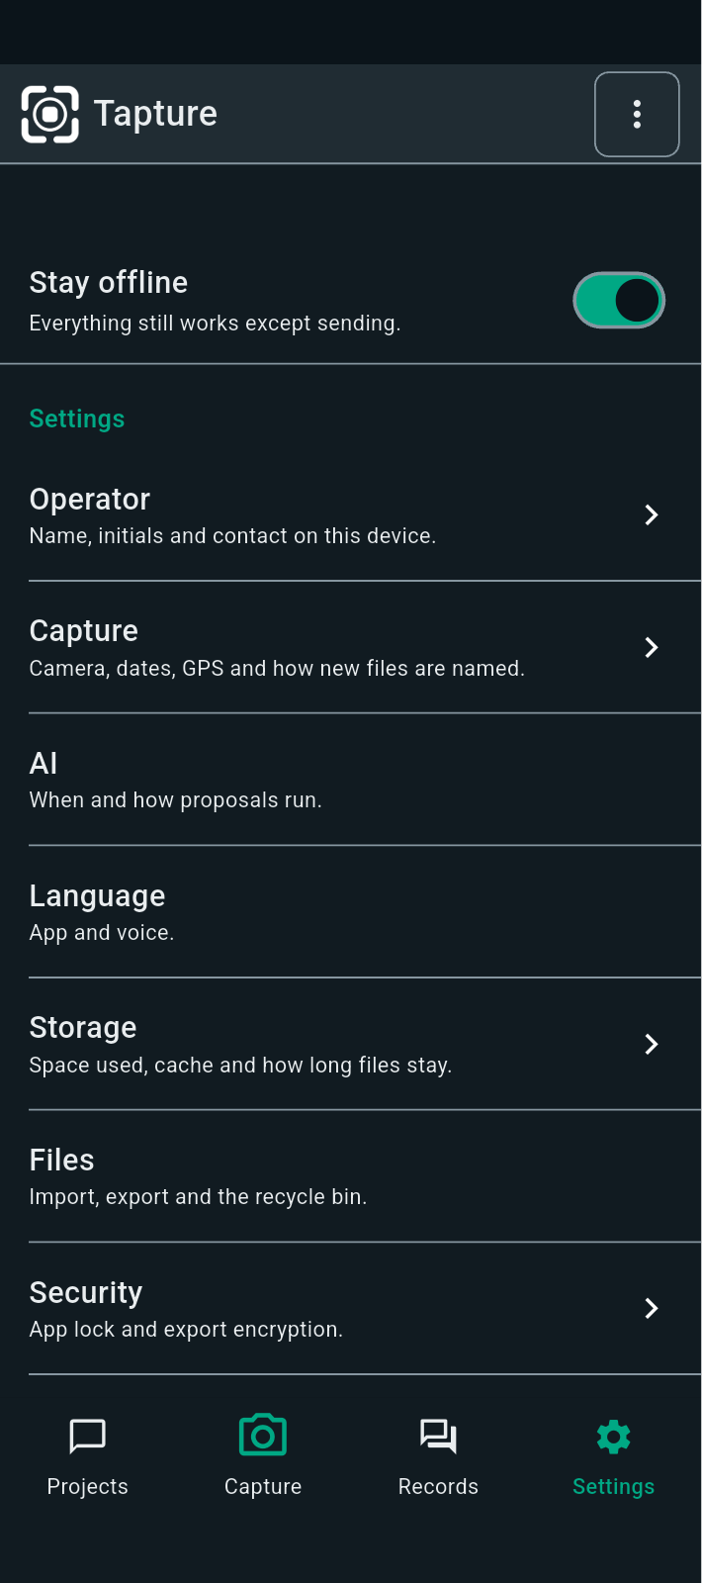
FBK0000006 | 19/09/2026 | Storage | 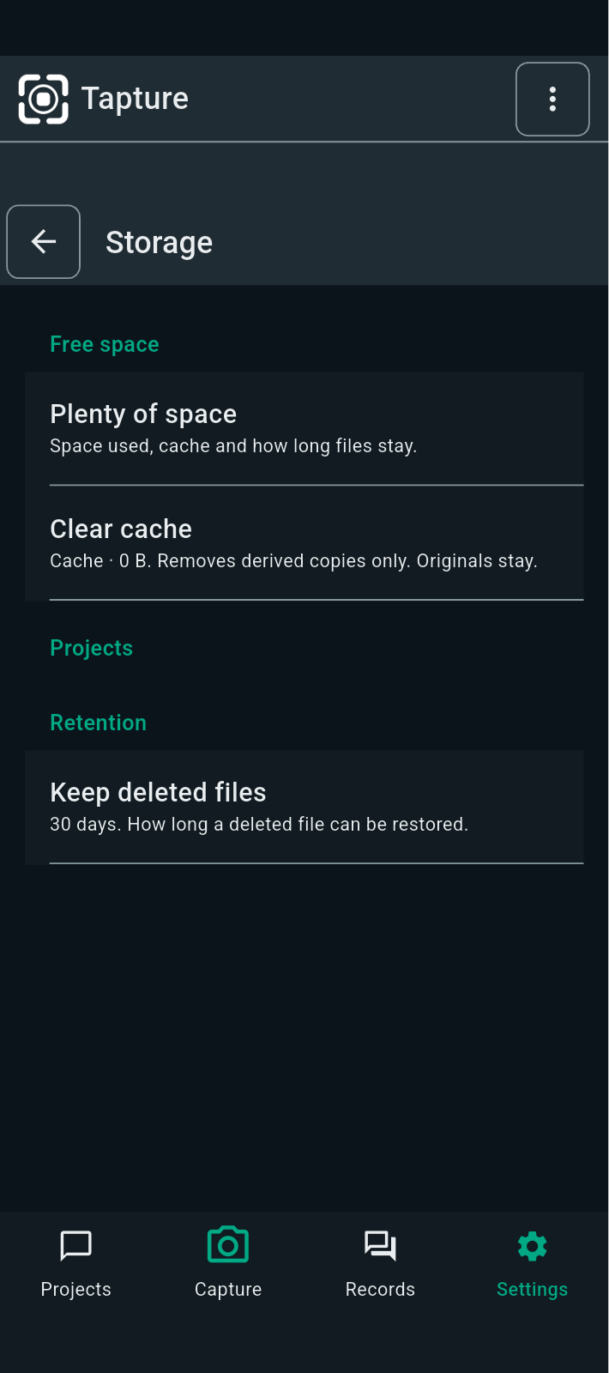
FBK0000003 | 19/09/2026 | Settings | 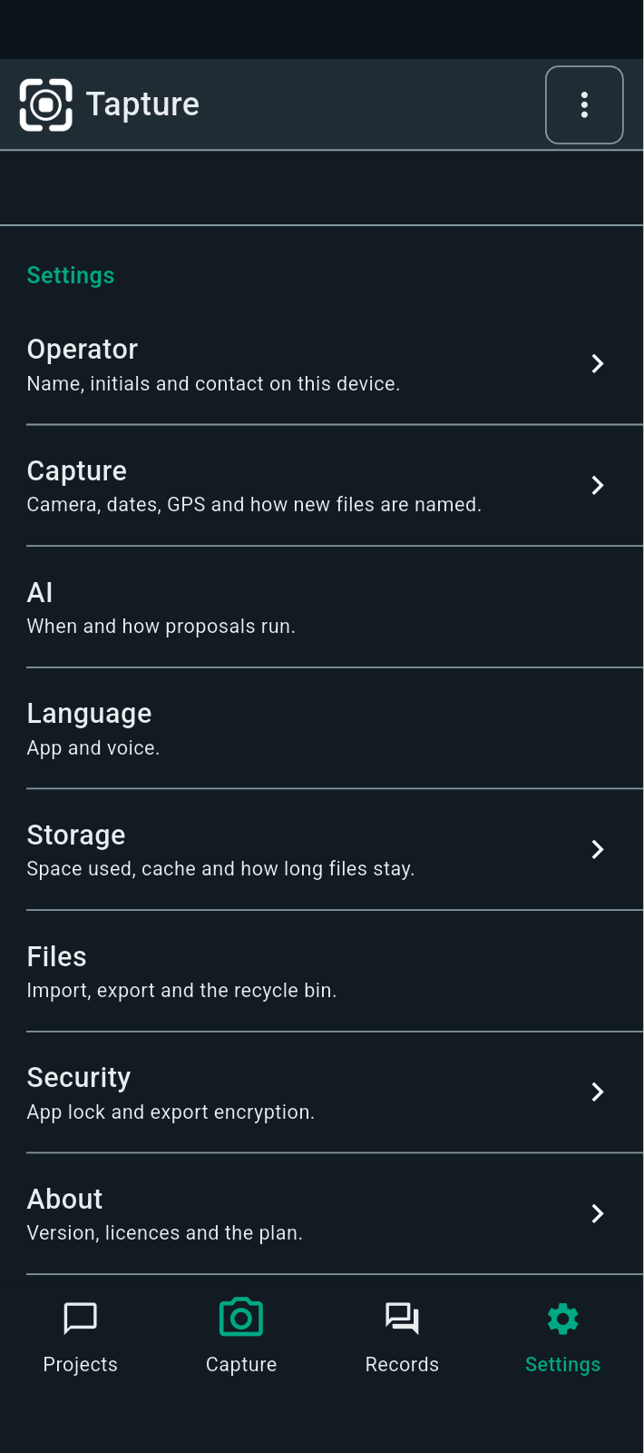
FBK0000002 | 18/09/2026 | Storage | 