Screenshots
Feedback ID | Submitted At (EAT) | Screen | Screenshot
FBK0000206 | 08/10/2026 | Capture | 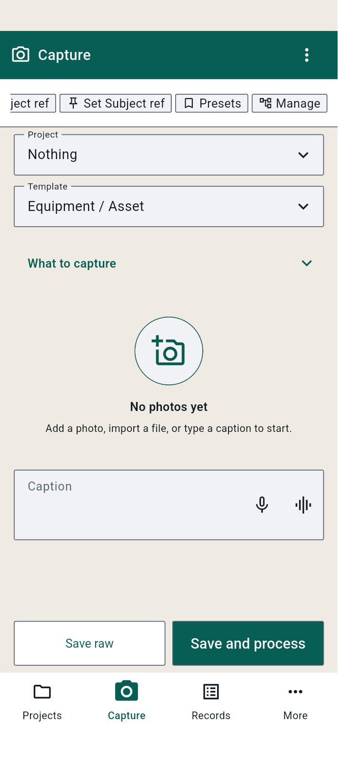
FBK0000205 | 08/10/2026 | Capture | 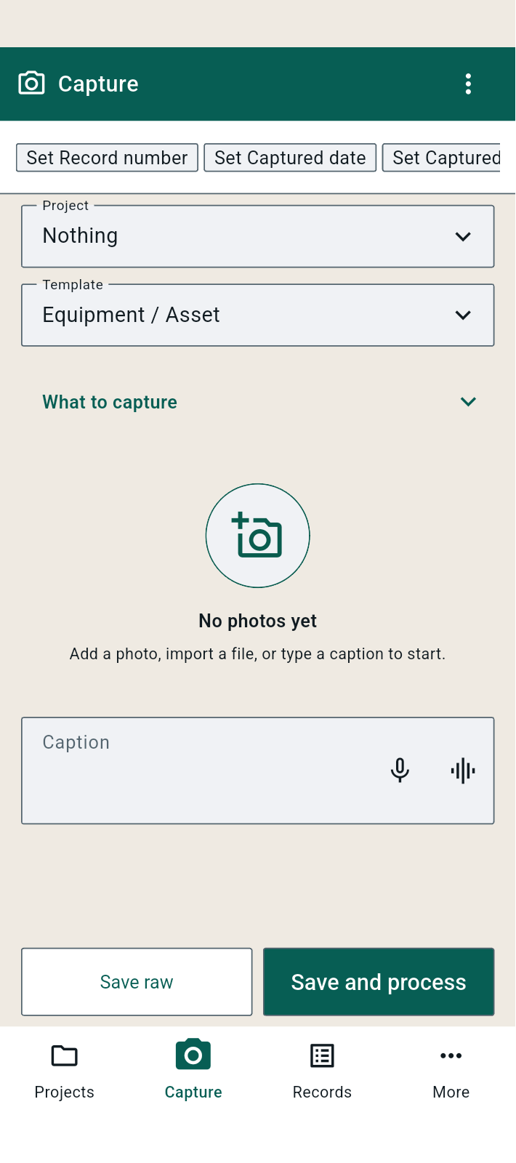
FBK0000204 | 08/10/2026 | Capture
FBK0000203 | 08/10/2026 | Capture | 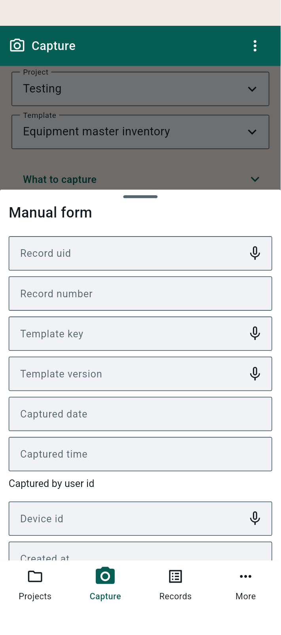
FBK0000202 | 08/10/2026 | Capture | 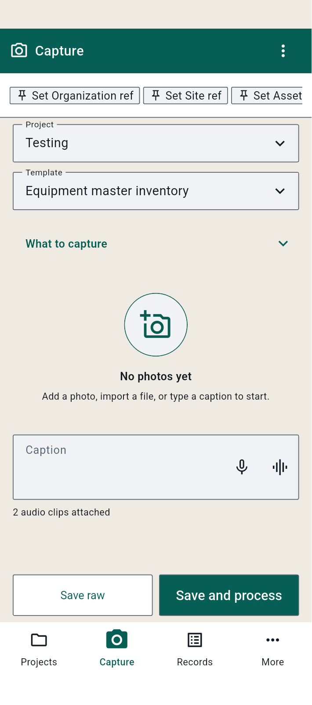
FBK0000201 | 08/10/2026 | Capture
FBK0000200 | 08/10/2026 | Capture | 