Screenshots
Feedback ID | Submitted At (EAT) | Screen | Screenshot
FBK0000215 | 09/10/2026 | Projects › Nothing › Capture | 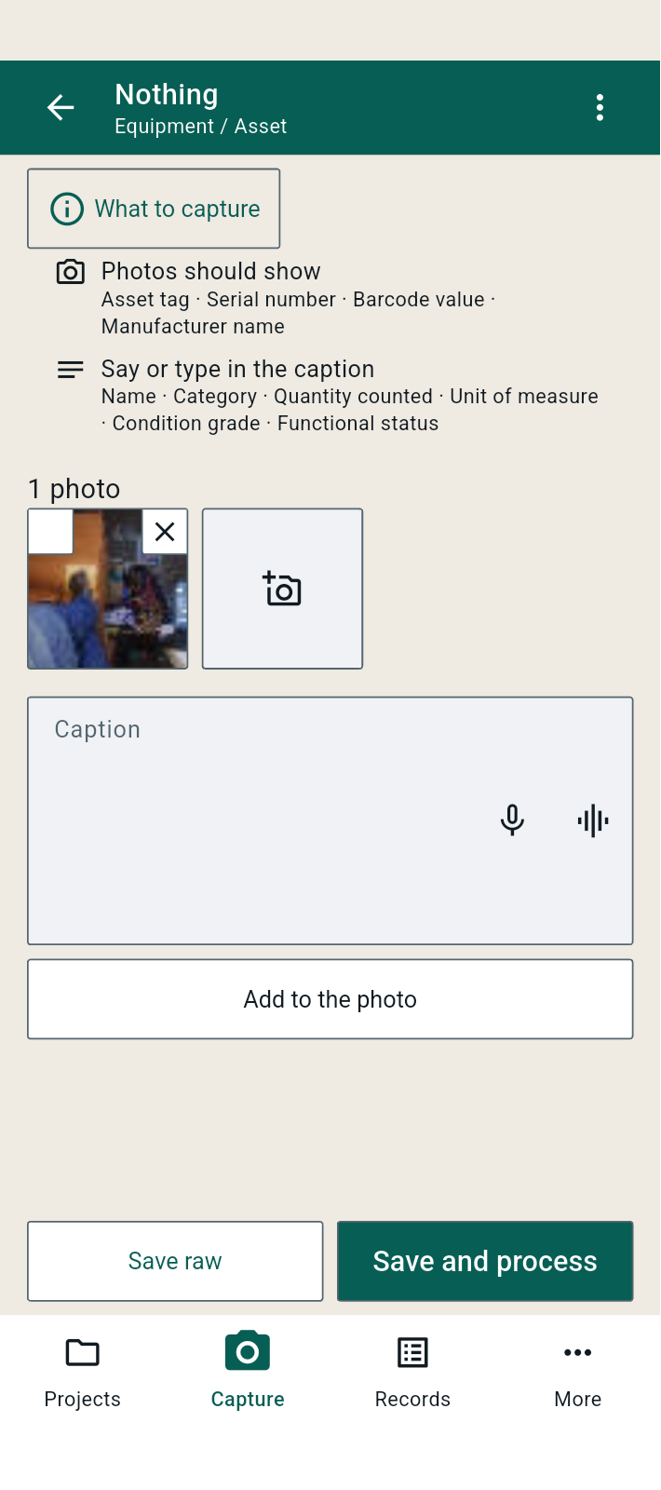
FBK0000214 | 09/10/2026 | Projects › Nothing › Capture | 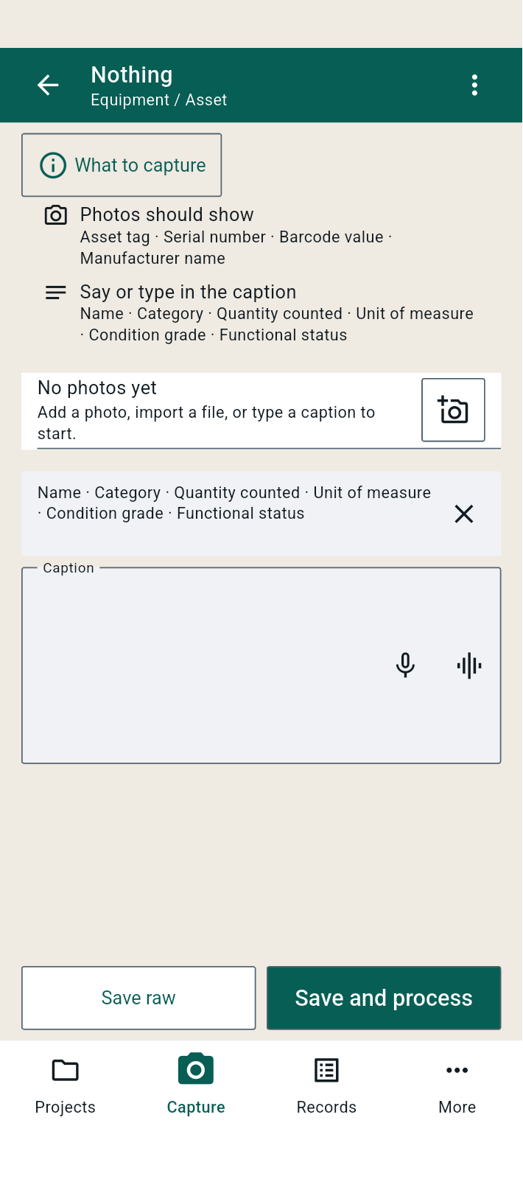
FBK0000213 | 09/10/2026 | Projects › Nothing › Capture | 