Screenshots
Feedback ID | Submitted At (EAT) | Screen | Screenshot
FBK0000056 | 23/09/2026 | Settings | 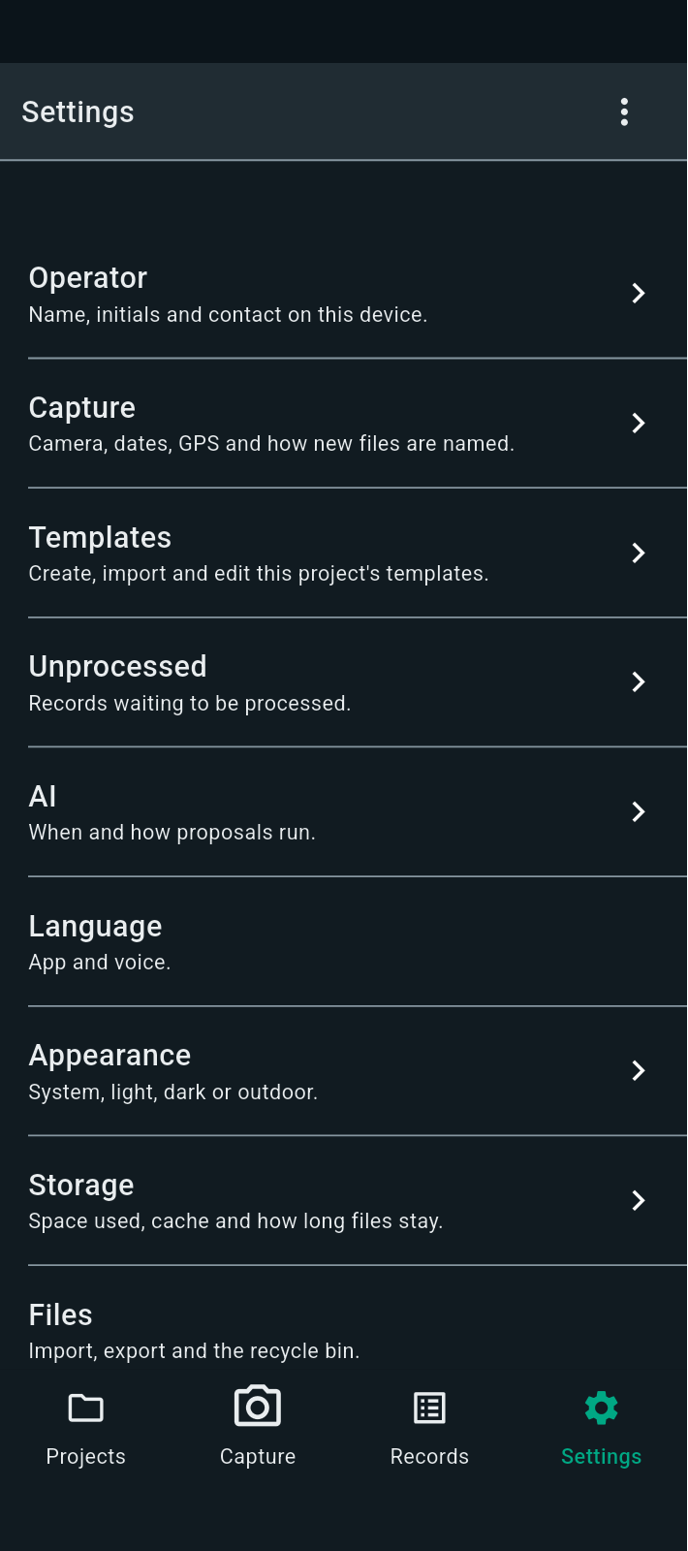
FBK0000056-2 | 23/09/2026 | Settings | 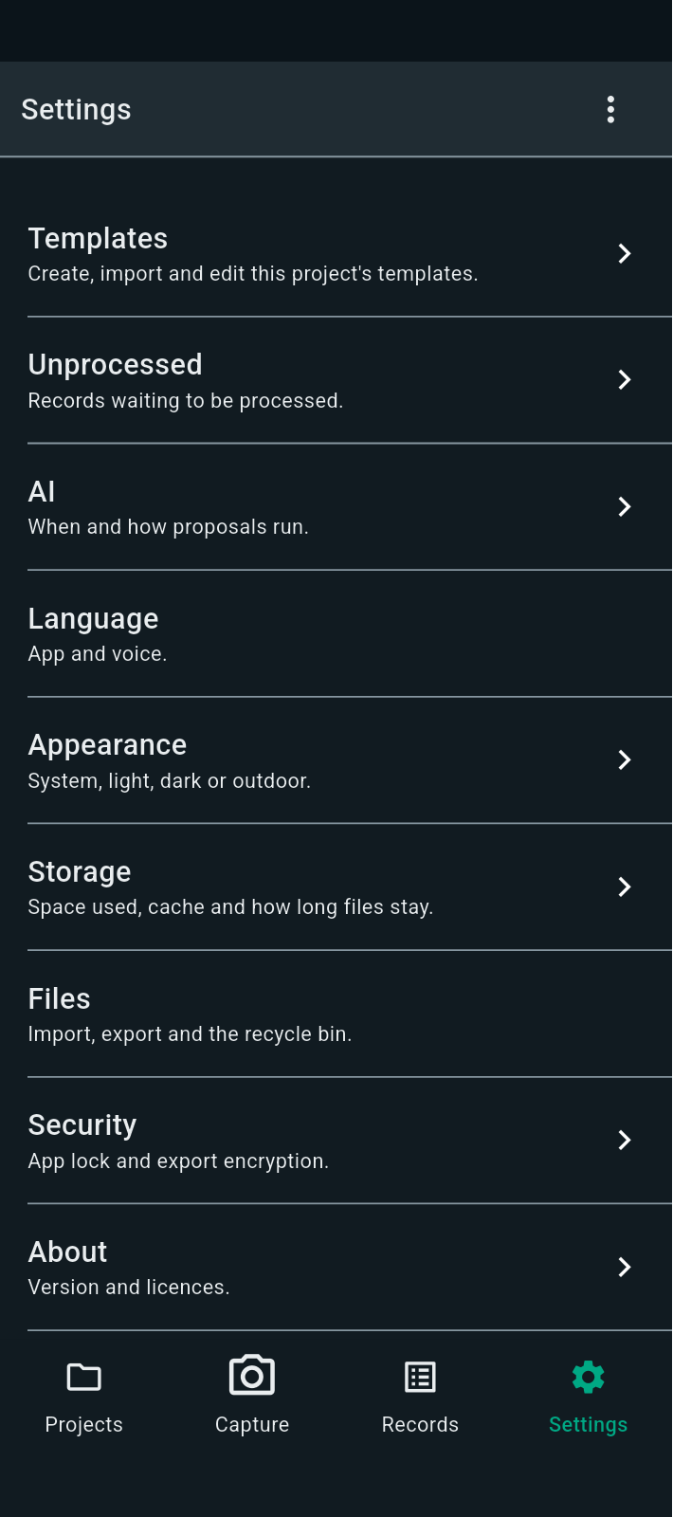
FBK0000055 | 23/09/2026 | Settings
FBK0000055-2 | 23/09/2026 | Settings | 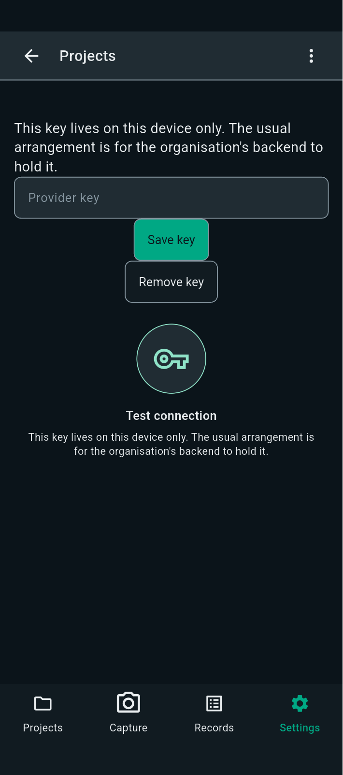
FBK0000054 | 23/09/2026 | Nothing | 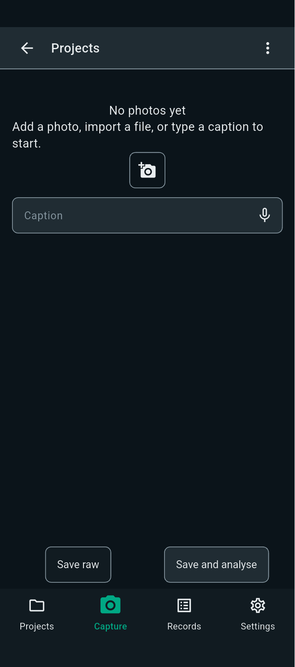
FBK0000053 | 23/09/2026 | Nothing
FBK0000052 | 23/09/2026 | Settings | 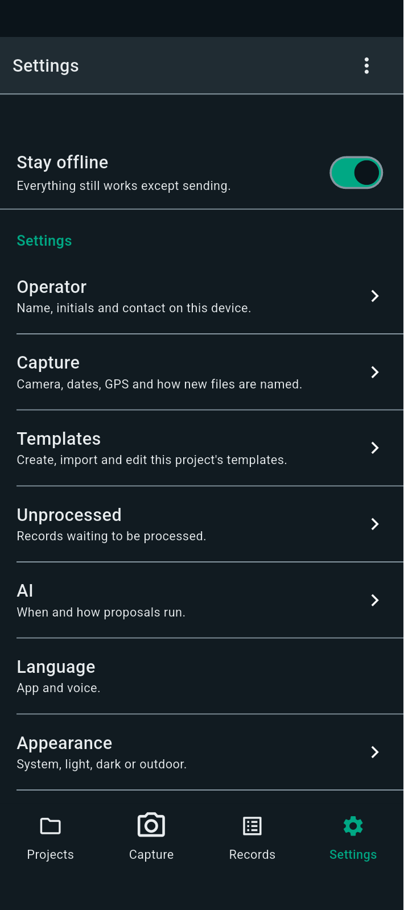
FBK0000051 | 23/09/2026 | Templates | 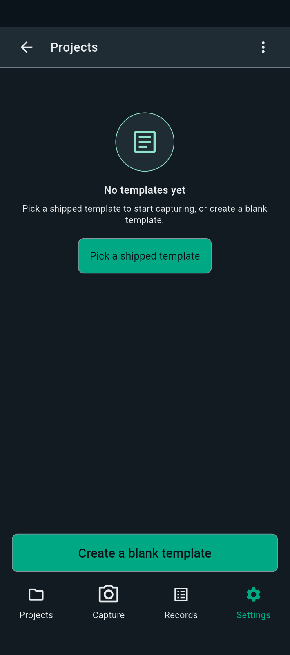
FBK0000050 | 23/09/2026 | Nothing | 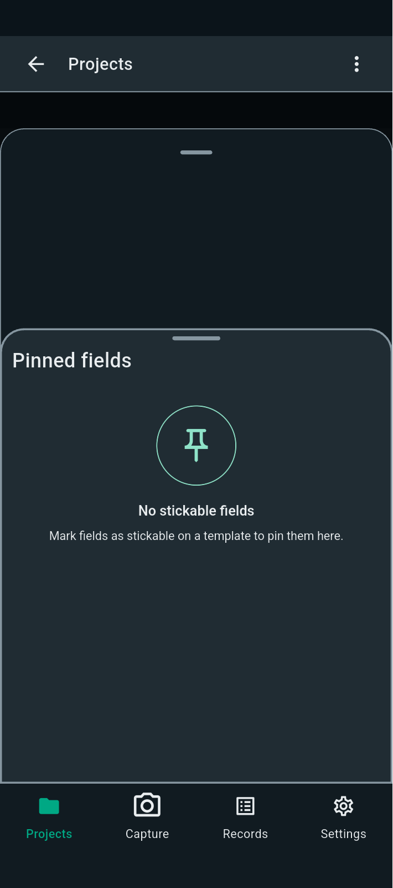
FBK0000049 | 23/09/2026 | Nothing | 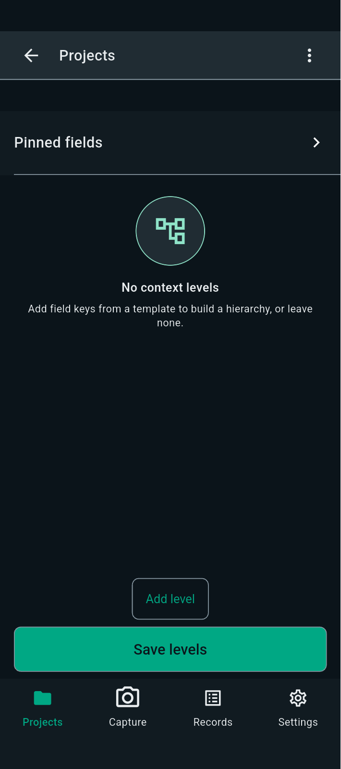
FBK0000048 | 23/09/2026 | Nothing
FBK0000047 | 23/09/2026 | Nothing | 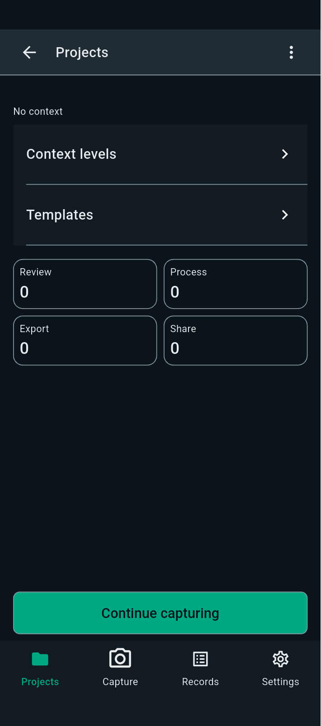
FBK0000046 | 23/09/2026 | Testing | 
FBK0000045 | 23/09/2026 | Projects | 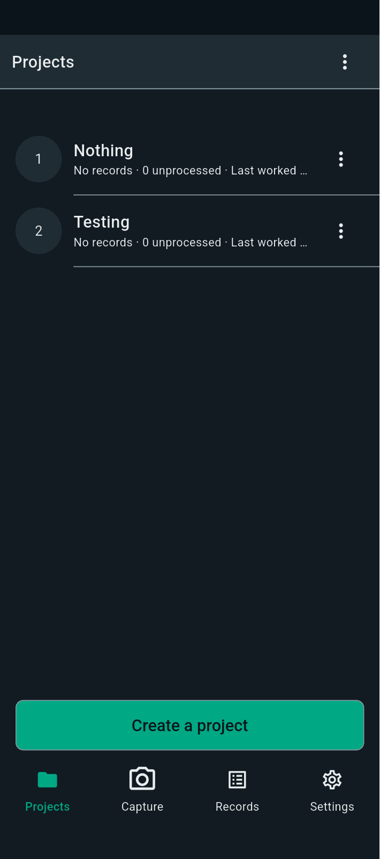
FBK0000045-2 | 23/09/2026 | Projects | 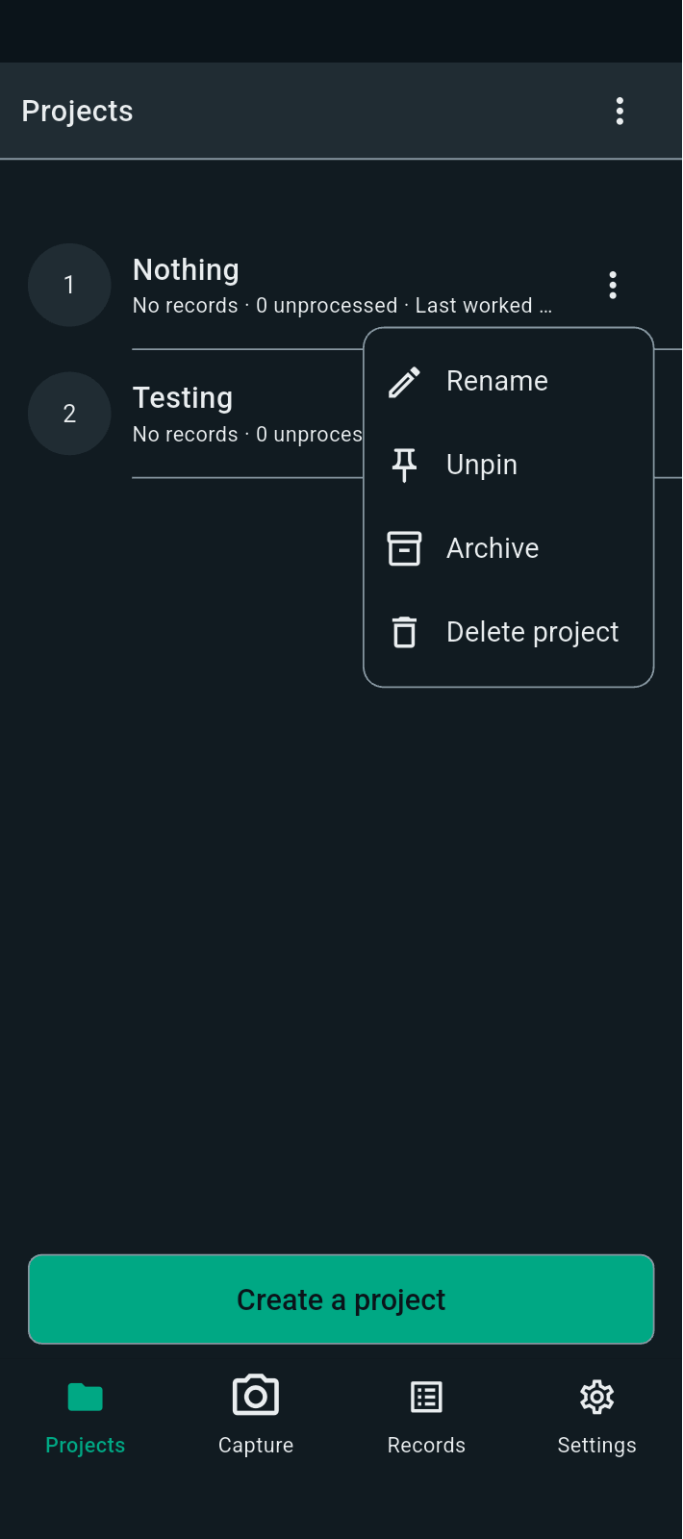
FBK0000044 | 23/09/2026 | Projects | 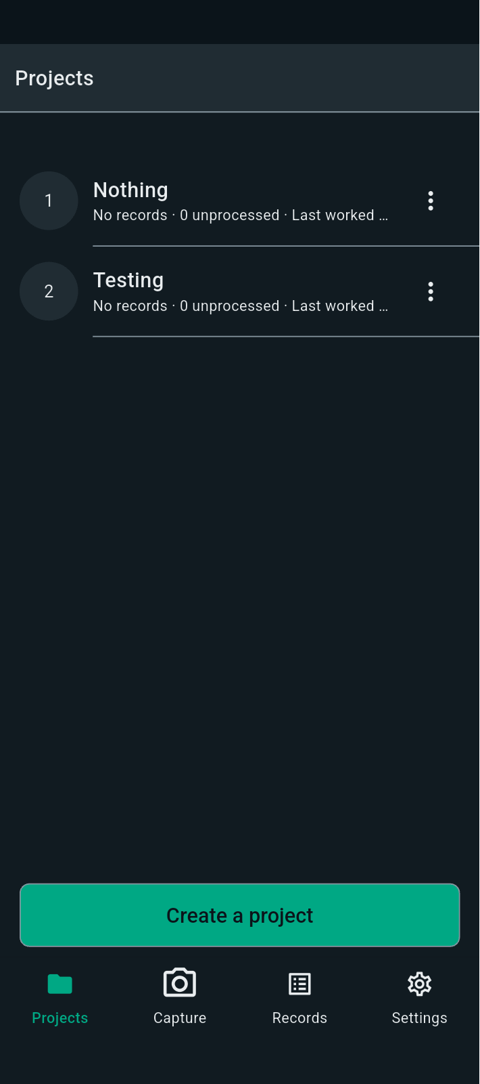
FBK0000043 | 23/09/2026 | Projects
FBK0000043-2 | 23/09/2026 | Projects | 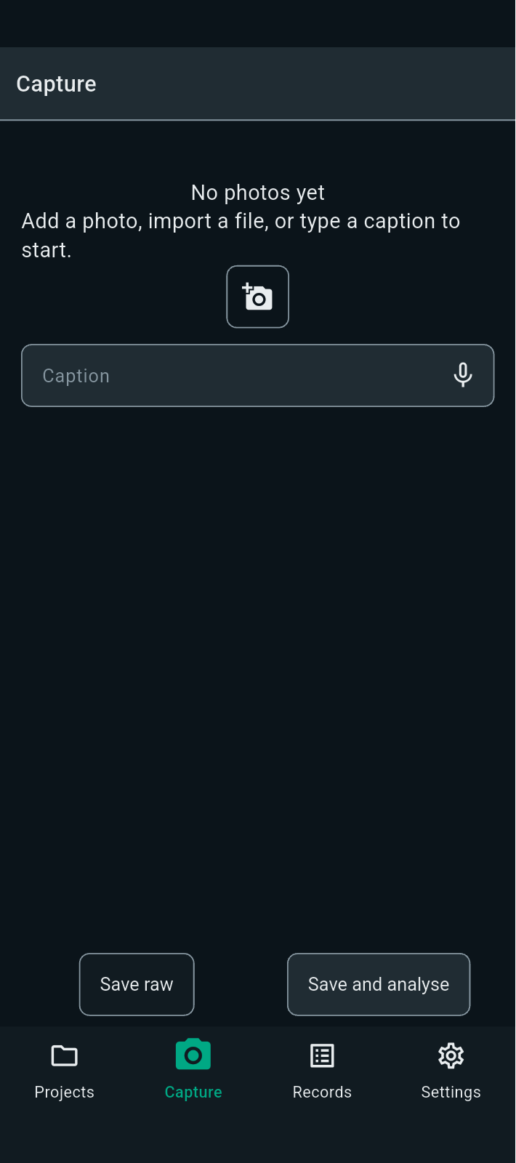
FBK0000043-3 | 23/09/2026 | Projects | 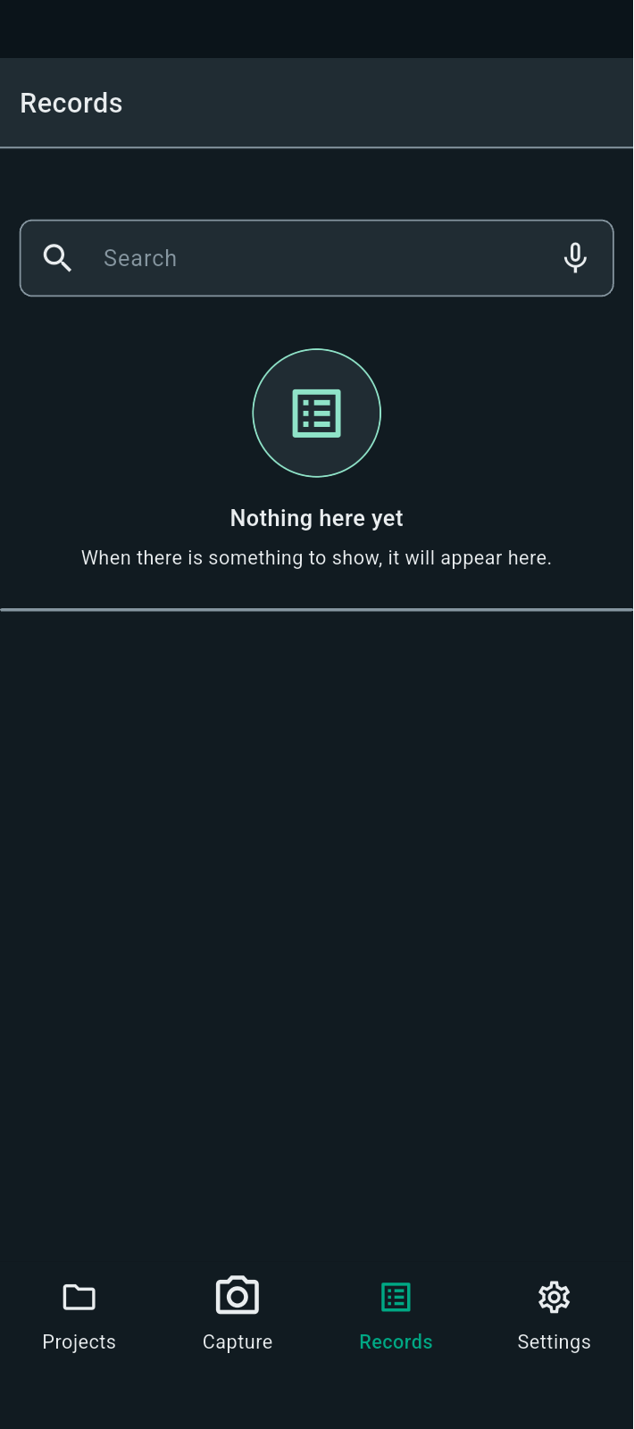
FBK0000043-4 | 23/09/2026 | Projects | 

