Screenshots
Feedback ID | Submitted At (EAT) | Screen | Screenshot
FBK0000223 | 13/10/2026 | Projects › Testing › Records | 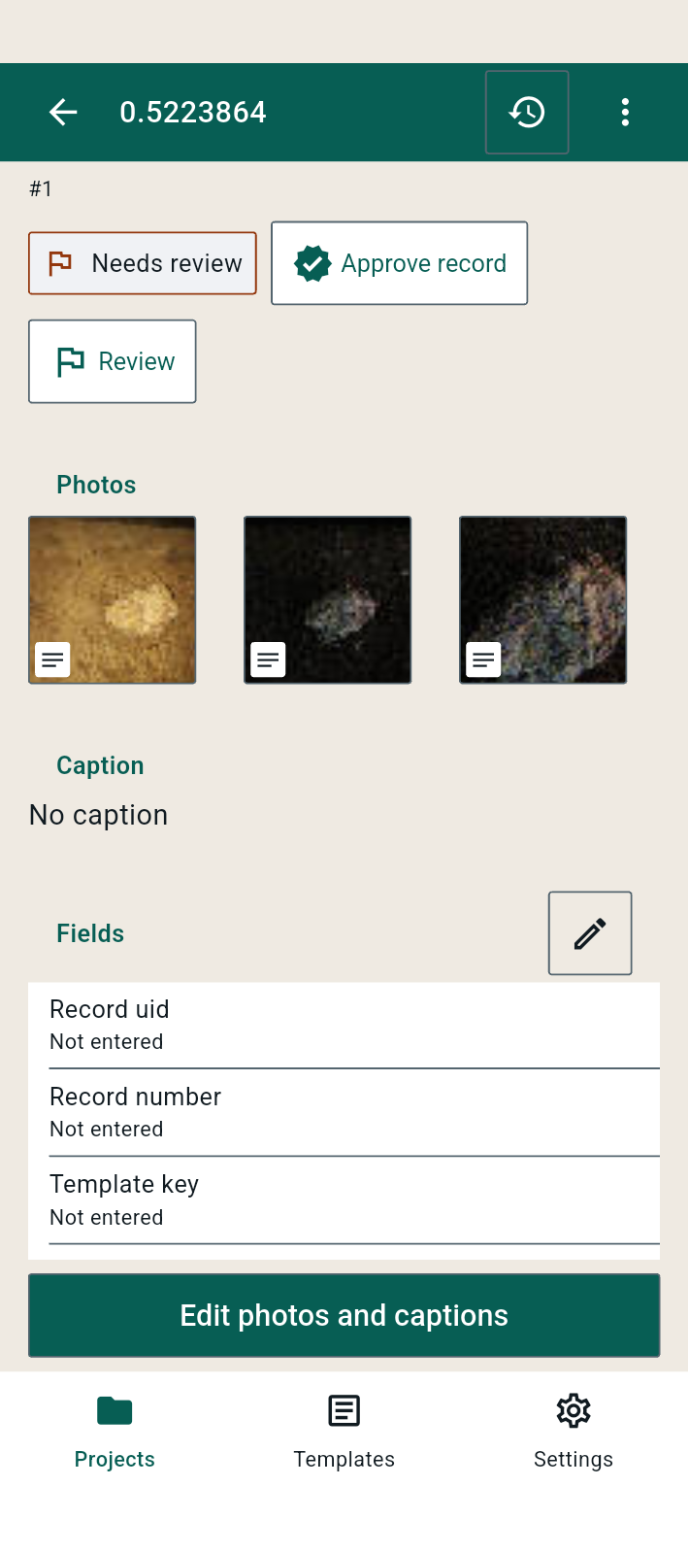
FBK0000222 | 13/10/2026 | Projects › Testing › Records | 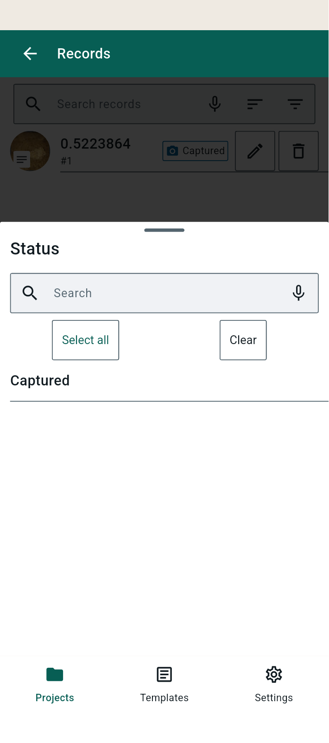
FBK0000221 | 13/10/2026 | Projects › Testing › Records | 
FBK0000220 | 10/10/2026 | Projects › Testing › Capture | 