Screenshots
Feedback ID | Submitted At (EAT) | Screen | Screenshot
FBK0000131 | 25/09/2026 | Projects › Testing | 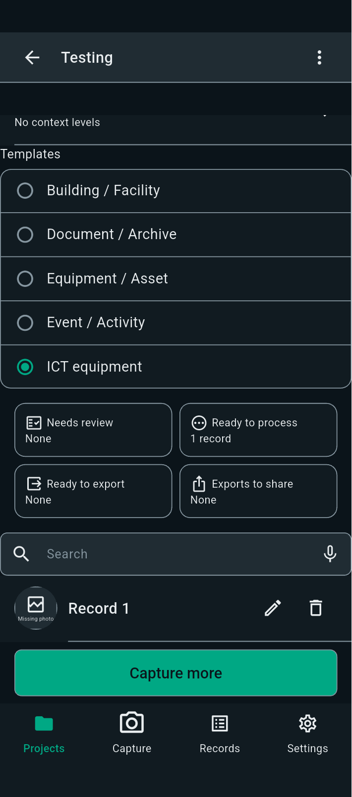
FBK0000131-2 | 25/09/2026 | Projects › Testing | 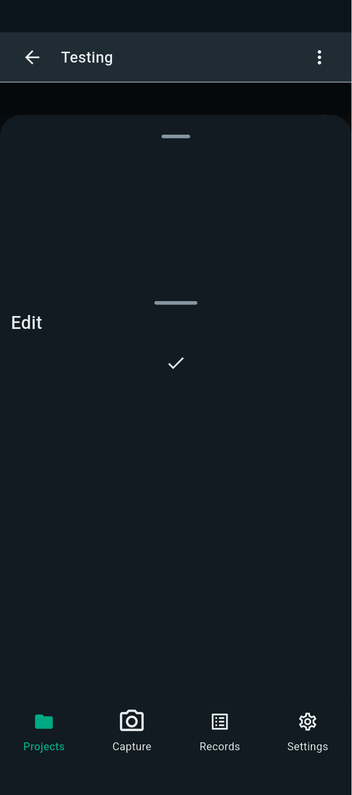
FBK0000130 | 25/09/2026 | Capture | 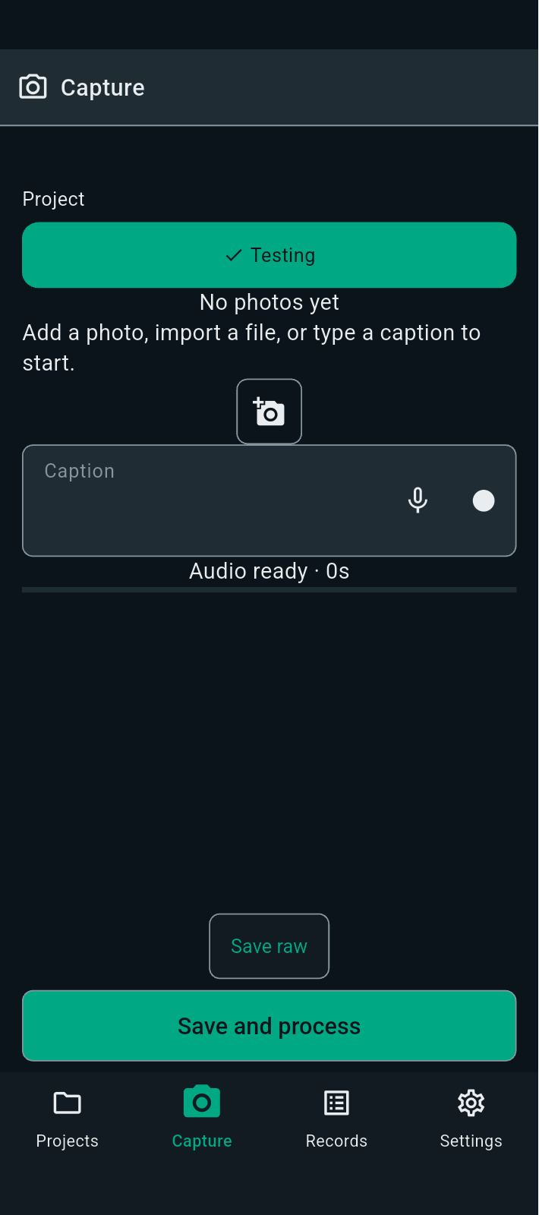
FBK0000129 | 25/09/2026 | Projects › Testing › Capture | 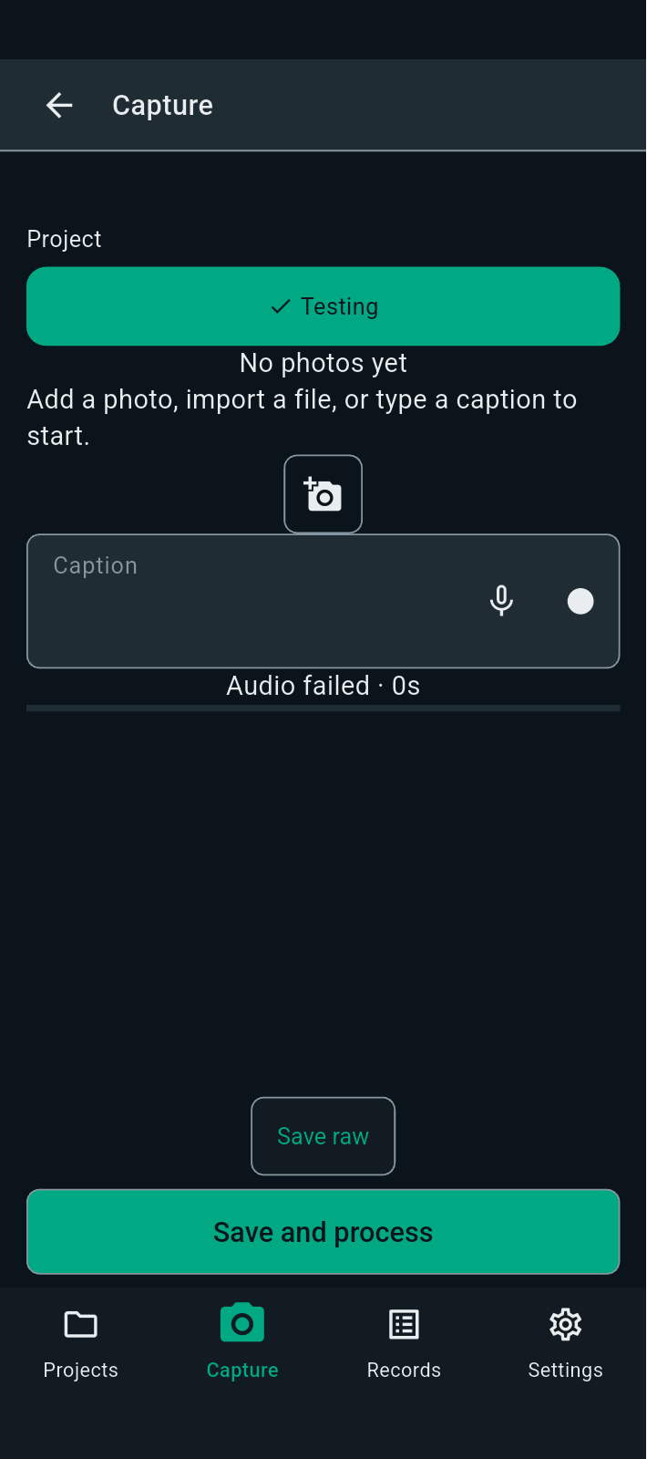
FBK0000128 | 25/09/2026 | Projects › Testing › Capture
FBK0000127 | 25/09/2026 | Projects › Testing › Capture
FBK0000126 | 25/09/2026 | Projects › Testing | 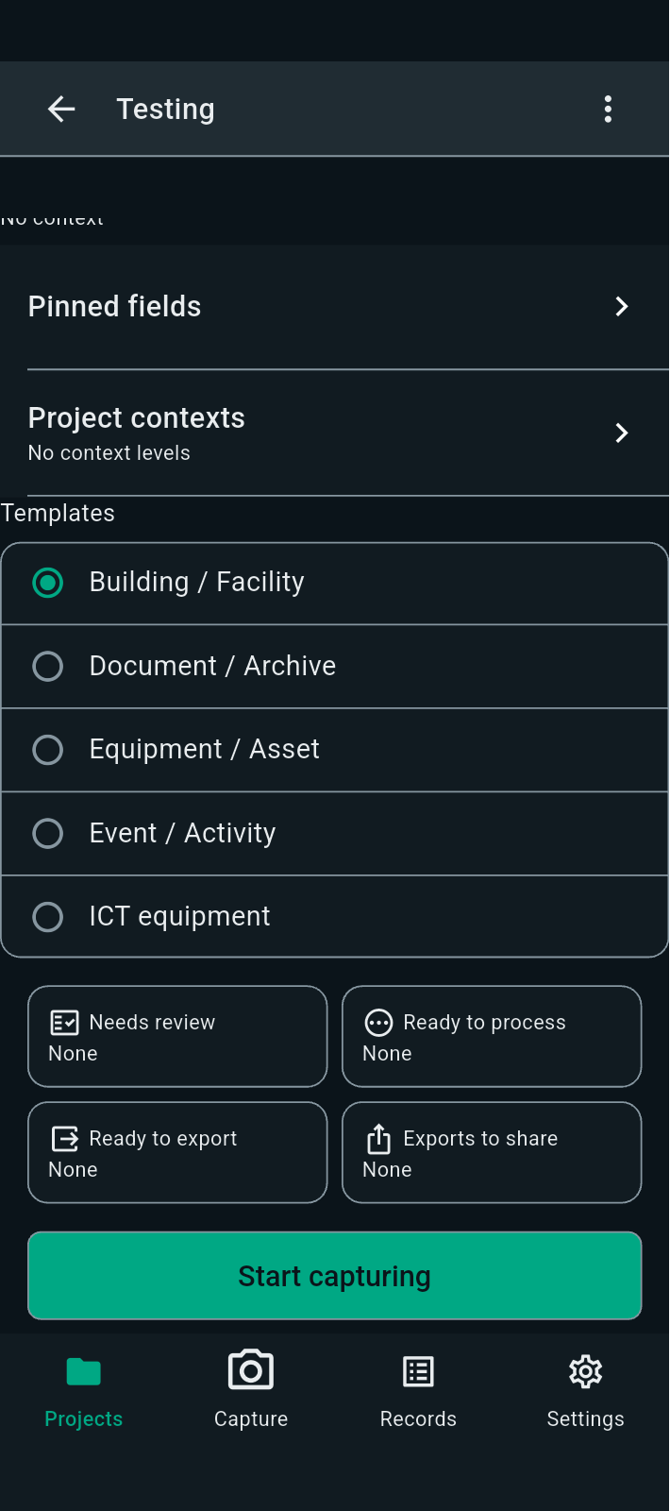
FBK0000124 | 25/09/2026 | Projects › Testing › Templates | 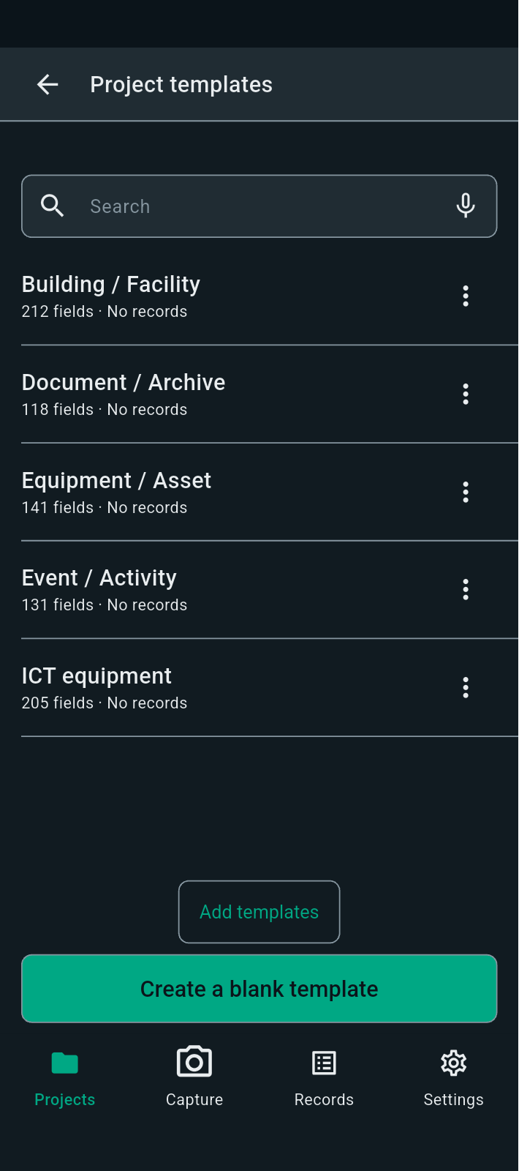
FBK0000123 | 25/09/2026 | Projects › Testing › Templates | 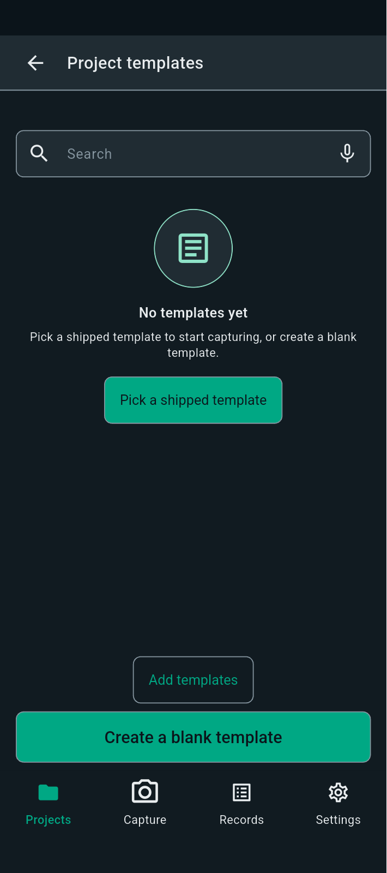
FBK0000122 | 25/09/2026 | Projects › Testing › Templates | 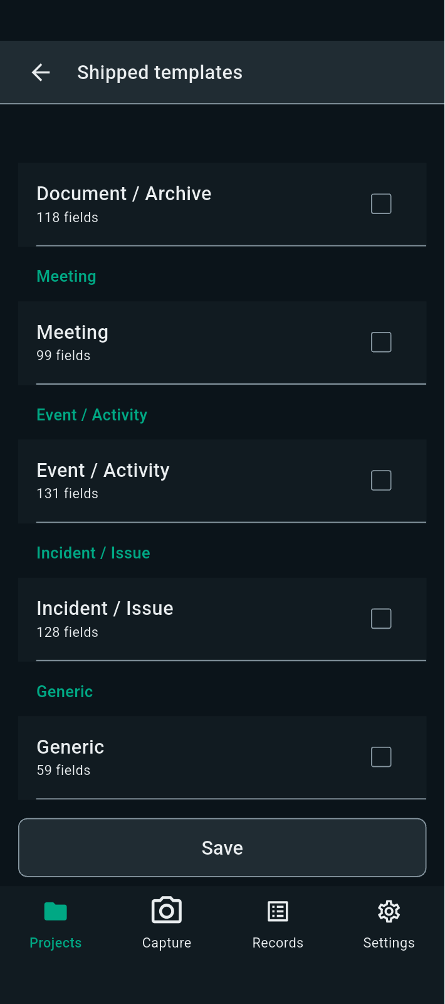
FBK0000121 | 25/09/2026 | Projects › Testing › Templates | 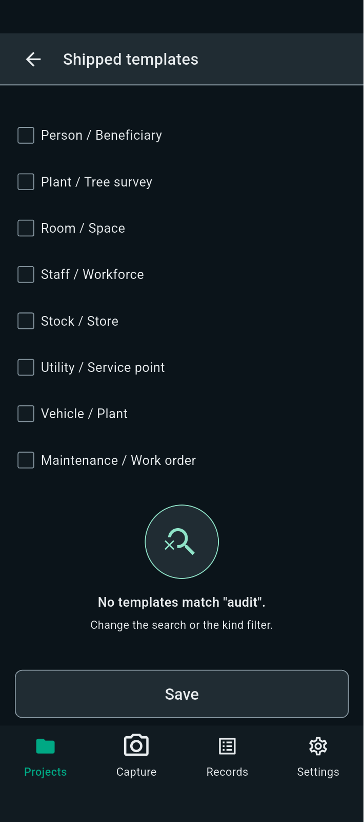
FBK0000120 | 25/09/2026 | Projects › Testing › Templates
FBK0000119 | 25/09/2026 | Projects › Testing › Templates
FBK0000118 | 25/09/2026 | Projects › Testing | 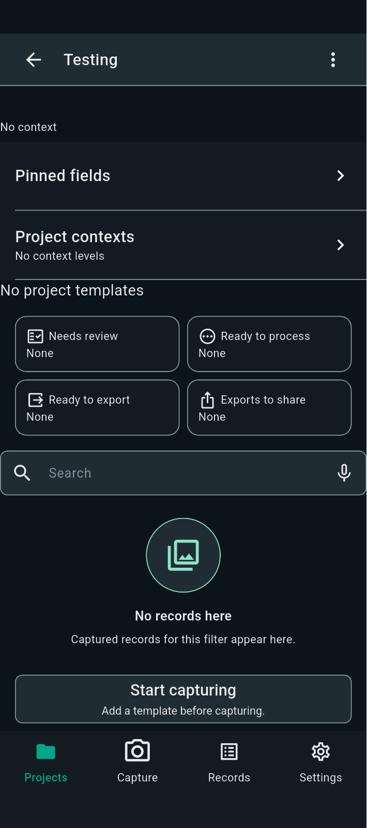
FBK0000117 | 25/09/2026 | Projects › Testing
FBK0000117-2 | 25/09/2026 | Projects › Testing | 