Screenshots
Feedback ID | Submitted At (EAT) | Screen | Screenshot
FBK0000144 | 25/09/2026 | Projects › Eficon › Templates | 
FBK0000142 | 25/09/2026 | Capture | 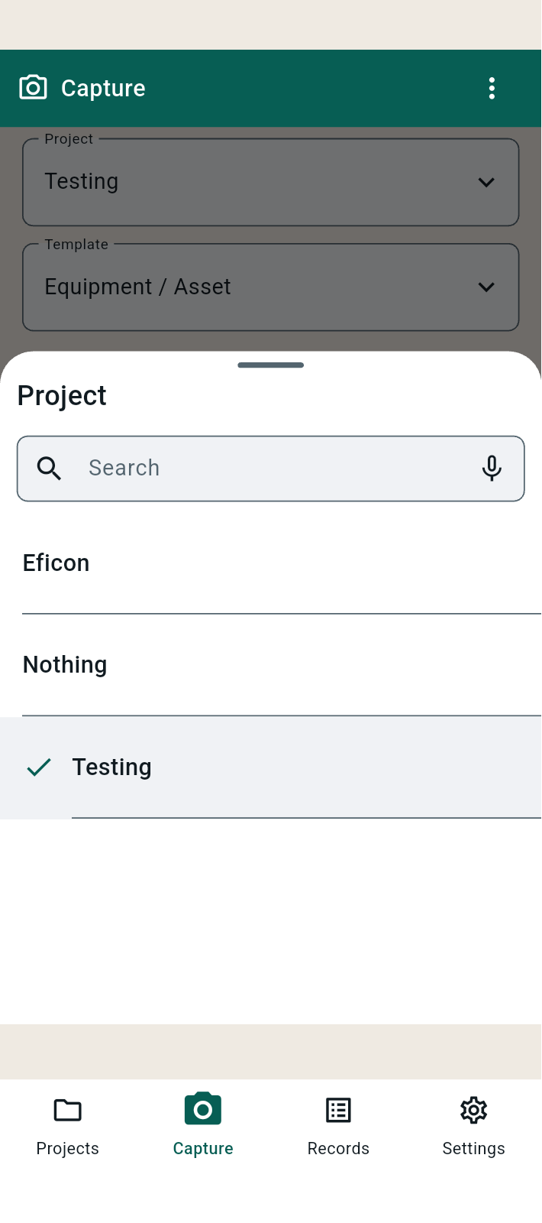
FBK0000141 | 25/09/2026 | Projects › Eficon | 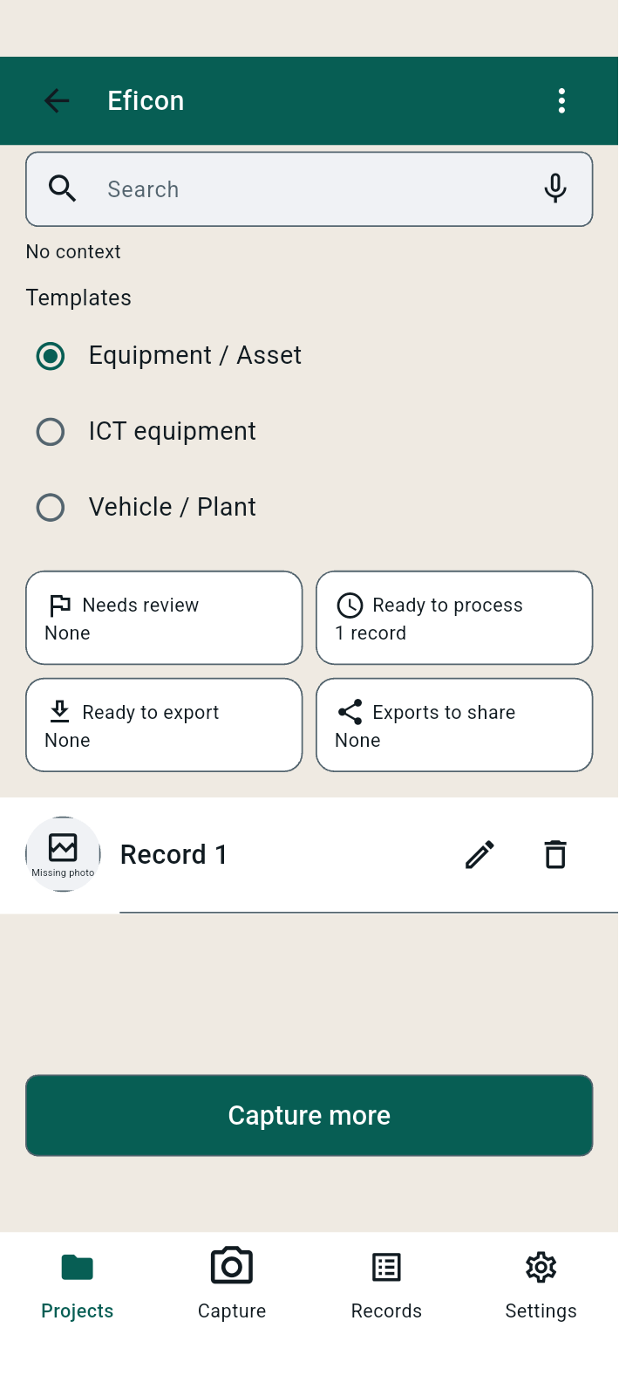
FBK0000140 | 25/09/2026 | Projects › Testing › Templates | 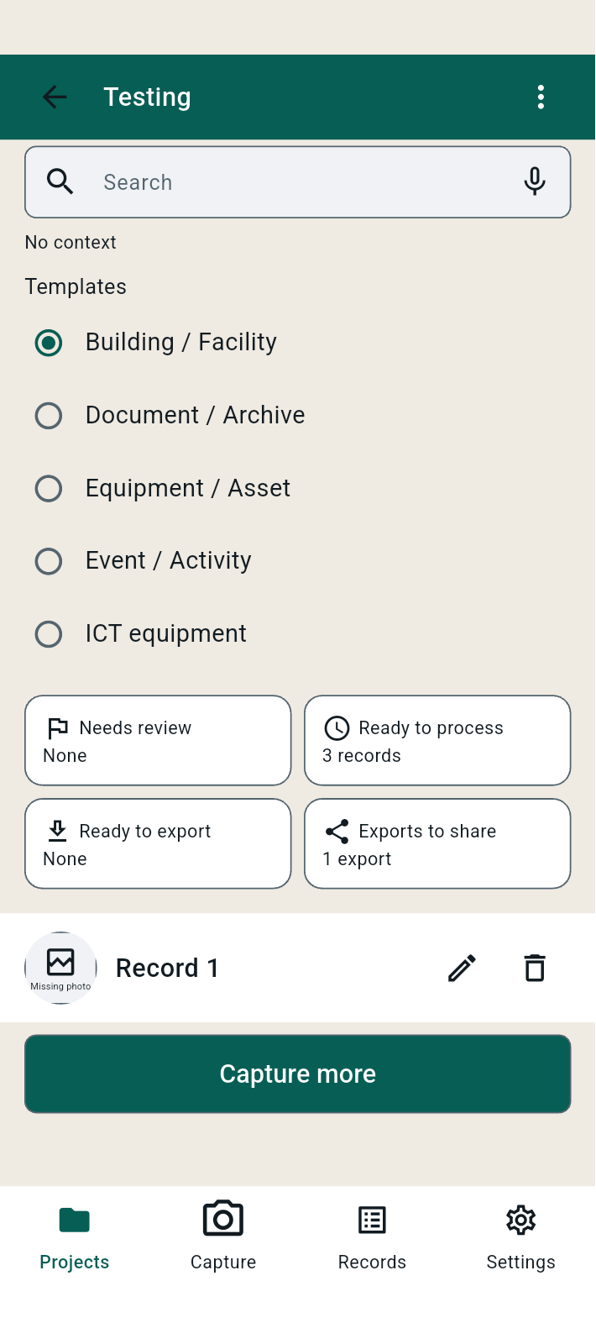
FBK0000140-2 | 25/09/2026 | Projects › Testing › Templates | 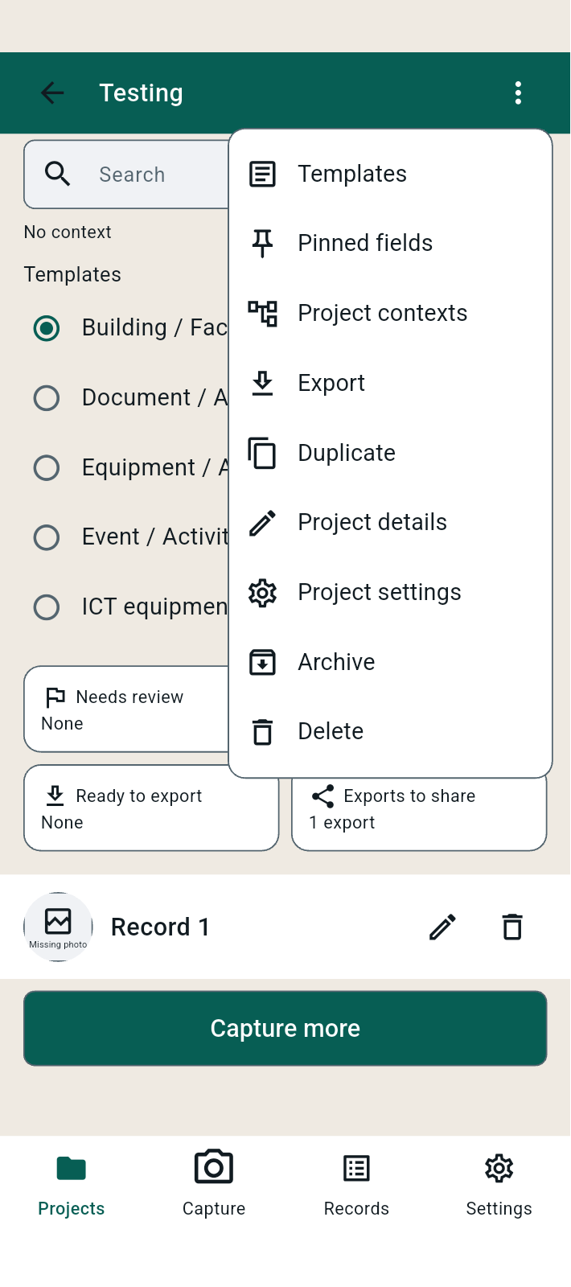
FBK0000139 | 25/09/2026 | Projects | 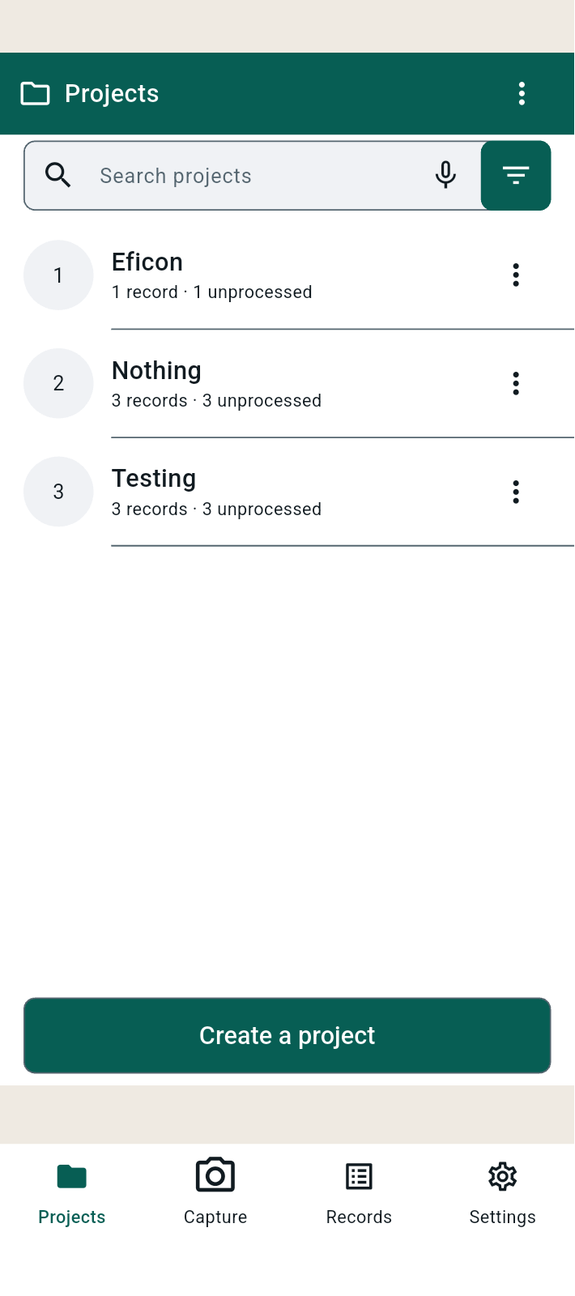
FBK0000139-2 | 25/09/2026 | Projects | 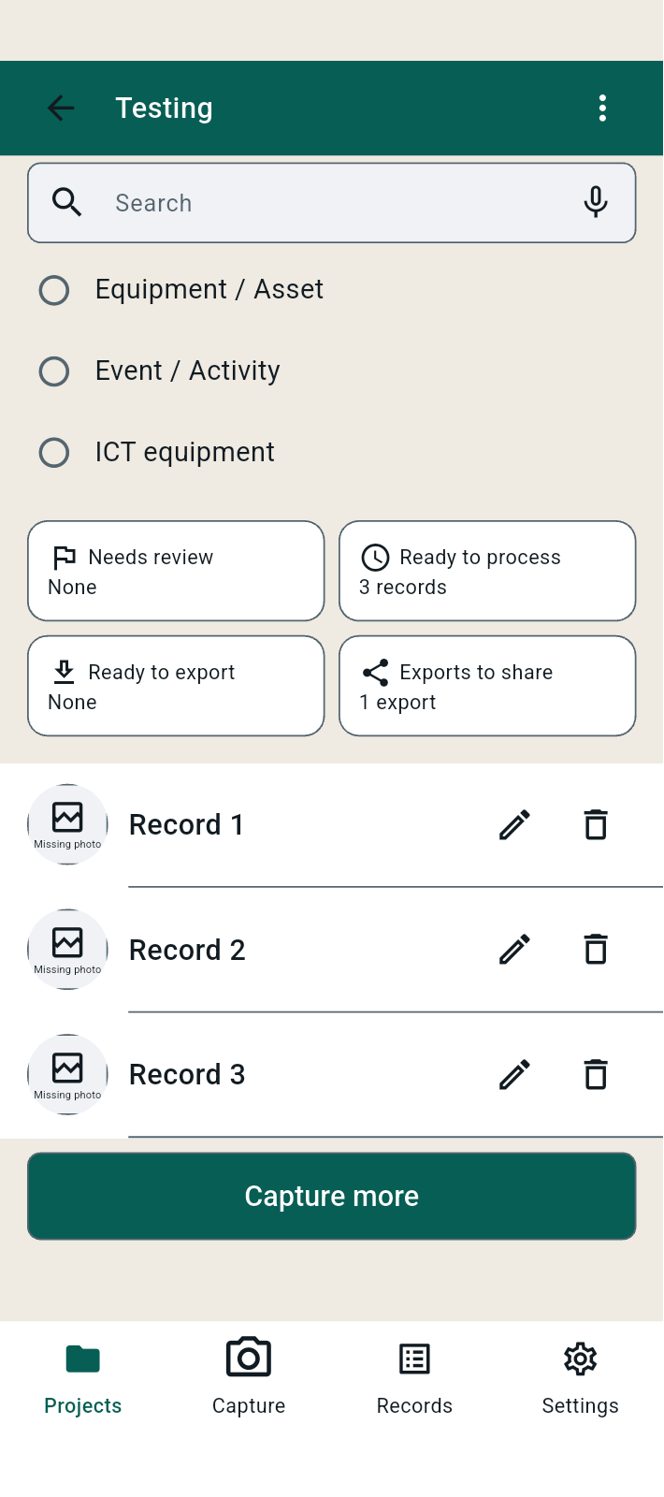
FBK0000139-3 | 25/09/2026 | Projects | 
FBK0000138 | 25/09/2026 | Projects › Testing | 
FBK0000138-2 | 25/09/2026 | Projects › Testing | 
FBK0000137 | 25/09/2026 | Projects › Testing
FBK0000136 | 25/09/2026 | Projects › Testing
FBK0000135 | 25/09/2026 | Projects › Testing
FBK0000135-2 | 25/09/2026 | Projects › Testing | 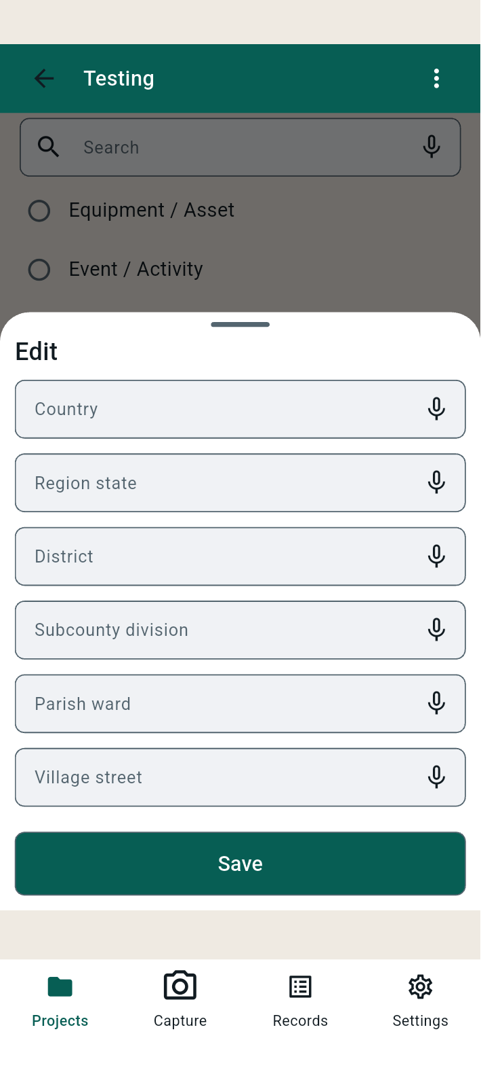
FBK0000134 | 25/09/2026 | Projects › Testing › Ready to export | 
FBK0000133 | 25/09/2026 | Projects › Testing › Ready to export | 
FBK0000132 | 25/09/2026 | Capture | 